RFE
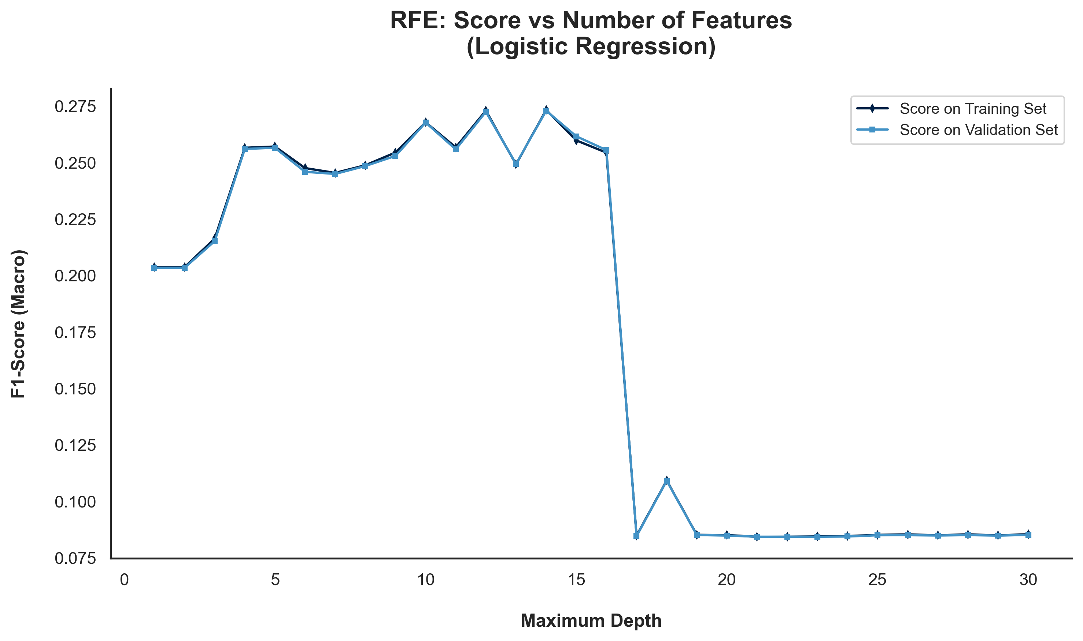
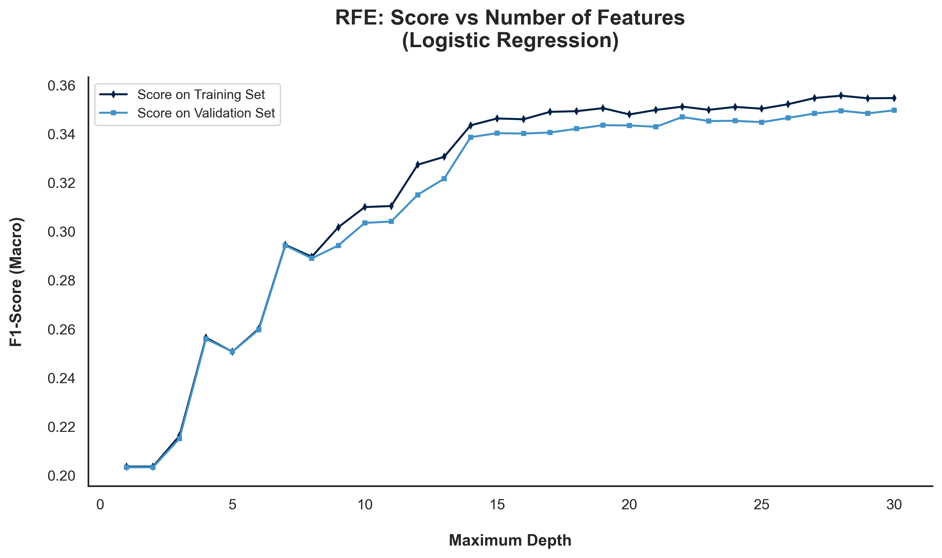
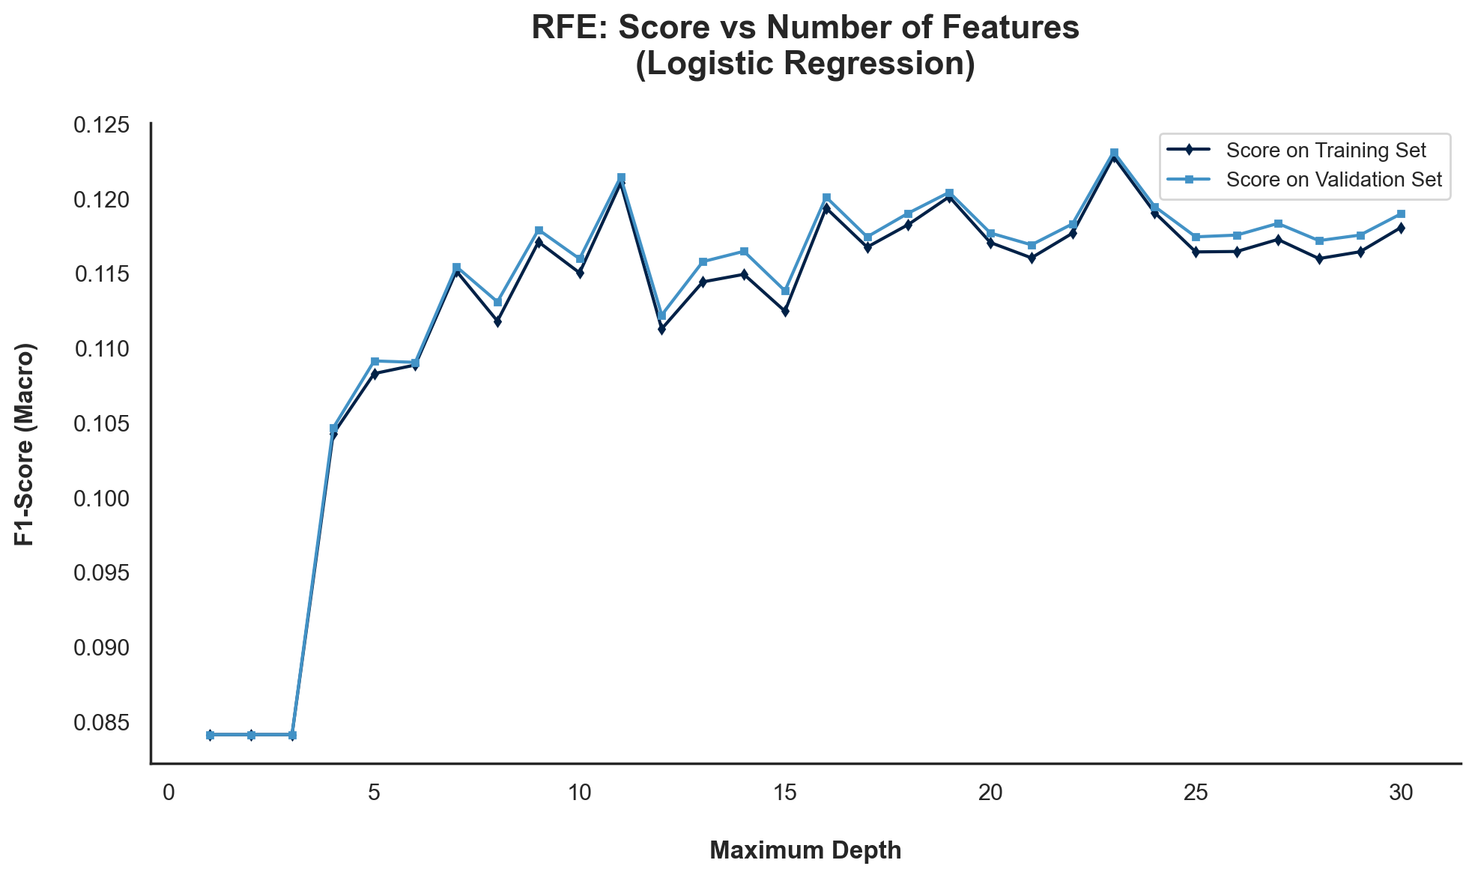
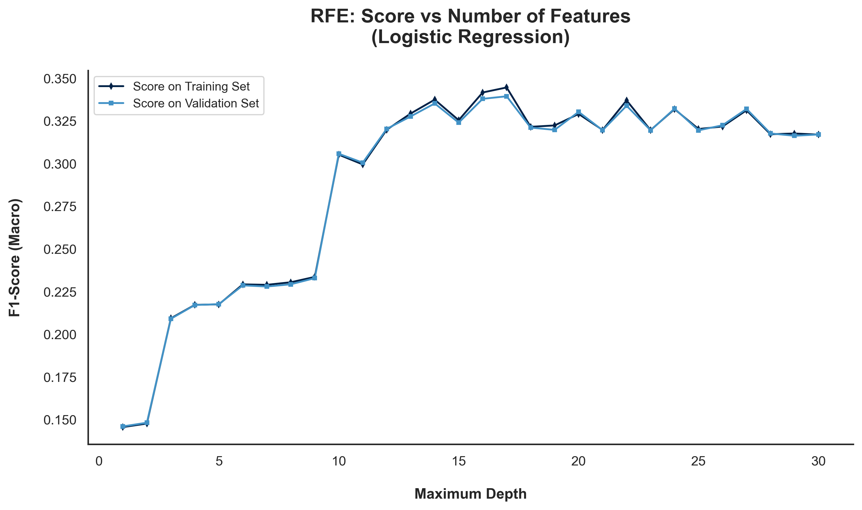
Wrapper Methods | RFE | RFE was applied using logistic regression as the classifier, with four different scaling/preprocessing techniques evaluated to understand how each impacts the selected features and model performance.

Wrapper Methods | RFE

 | Selected | Logistic Regression
Features | Original Data | MinMaxScaler | StandardScaler | Log
Accident Date Day | FALSE | FALSE | TRUE | TRUE
Accident Date Month | TRUE | FALSE | TRUE | TRUE
Accident Date Weekday | FALSE | FALSE | TRUE | TRUE
Accident Date Year | FALSE | TRUE | TRUE | TRUE
Age at Injury Clean | TRUE | TRUE | TRUE | TRUE
Alternative Dispute Resolution | FALSE | TRUE | TRUE | TRUE
Assembly Date Day | FALSE | FALSE | TRUE | TRUE
Assembly Date Month | TRUE | FALSE | TRUE | TRUE
Assembly Date Weekday | FALSE | FALSE | TRUE | TRUE
Assembly Date Year | FALSE | TRUE | TRUE | TRUE
Attorney/Representative | TRUE | TRUE | TRUE | FALSE
C-2 Date Day | FALSE | FALSE | TRUE | TRUE
C-2 Date Month | TRUE | FALSE | TRUE | TRUE
C-2 Date Weekday | FALSE | FALSE | TRUE | TRUE
C-2 Date Year | FALSE | TRUE | TRUE | TRUE
C-3 Date Binary | TRUE | TRUE | TRUE | FALSE
Carrier Type Bucket | FALSE | TRUE | TRUE | FALSE
County of Injury | FALSE | FALSE | TRUE | TRUE
COVID-19 Indicator | TRUE | FALSE | TRUE | TRUE
District Name | FALSE | FALSE | TRUE | TRUE
First Hearing Date Binary | TRUE | TRUE | TRUE | FALSE
Gender | FALSE | TRUE | TRUE | TRUE
IME-4 Reported | TRUE | TRUE | TRUE | FALSE
Industry Code | TRUE | TRUE | TRUE | TRUE
Medical Fee Region | TRUE | TRUE | TRUE | TRUE
Number of Dependents | FALSE | FALSE | TRUE | FALSE
WCIO Cause of Injury Bucket | TRUE | TRUE | TRUE | TRUE
WCIO Nature of Injury Bucket | FALSE | TRUE | TRUE | TRUE
WCIO Part of Body Bucket | TRUE | TRUE | TRUE | TRUE
Weekly Wage Reported | TRUE | TRUE | TRUE | FALSE

 | 100 iterations | 100 iterations | 100 iterations | 100 iterations

