RFE_11.11.2024
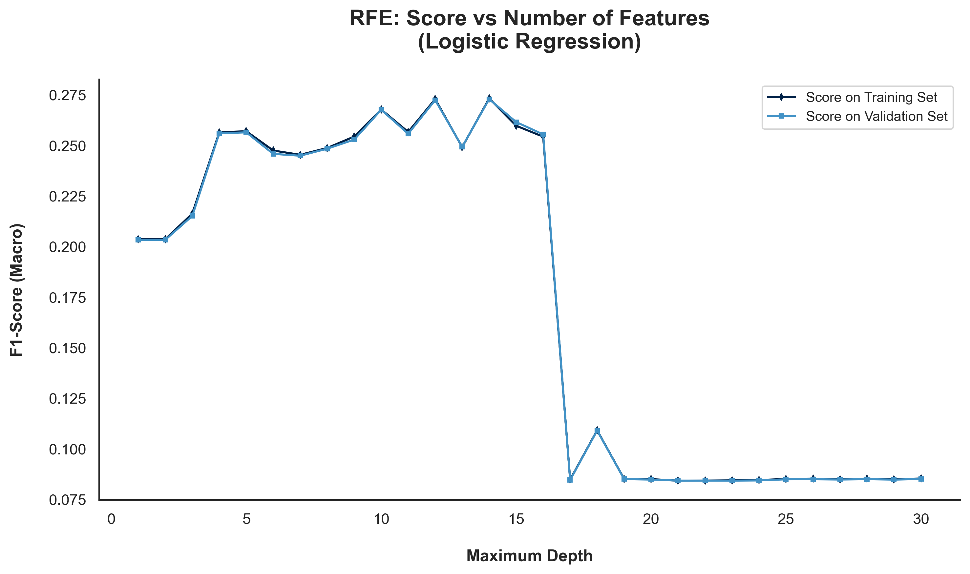
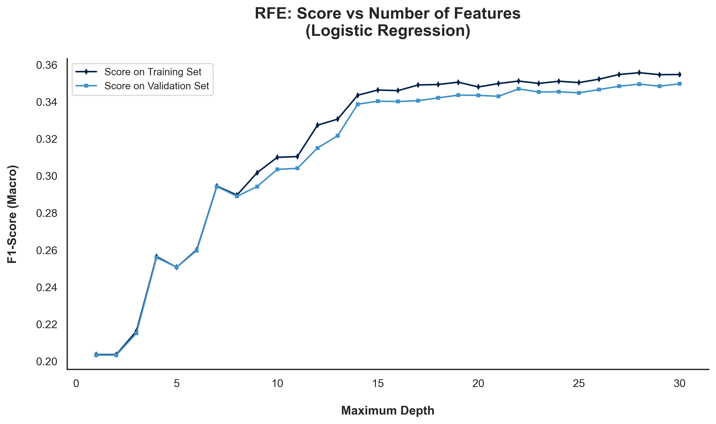
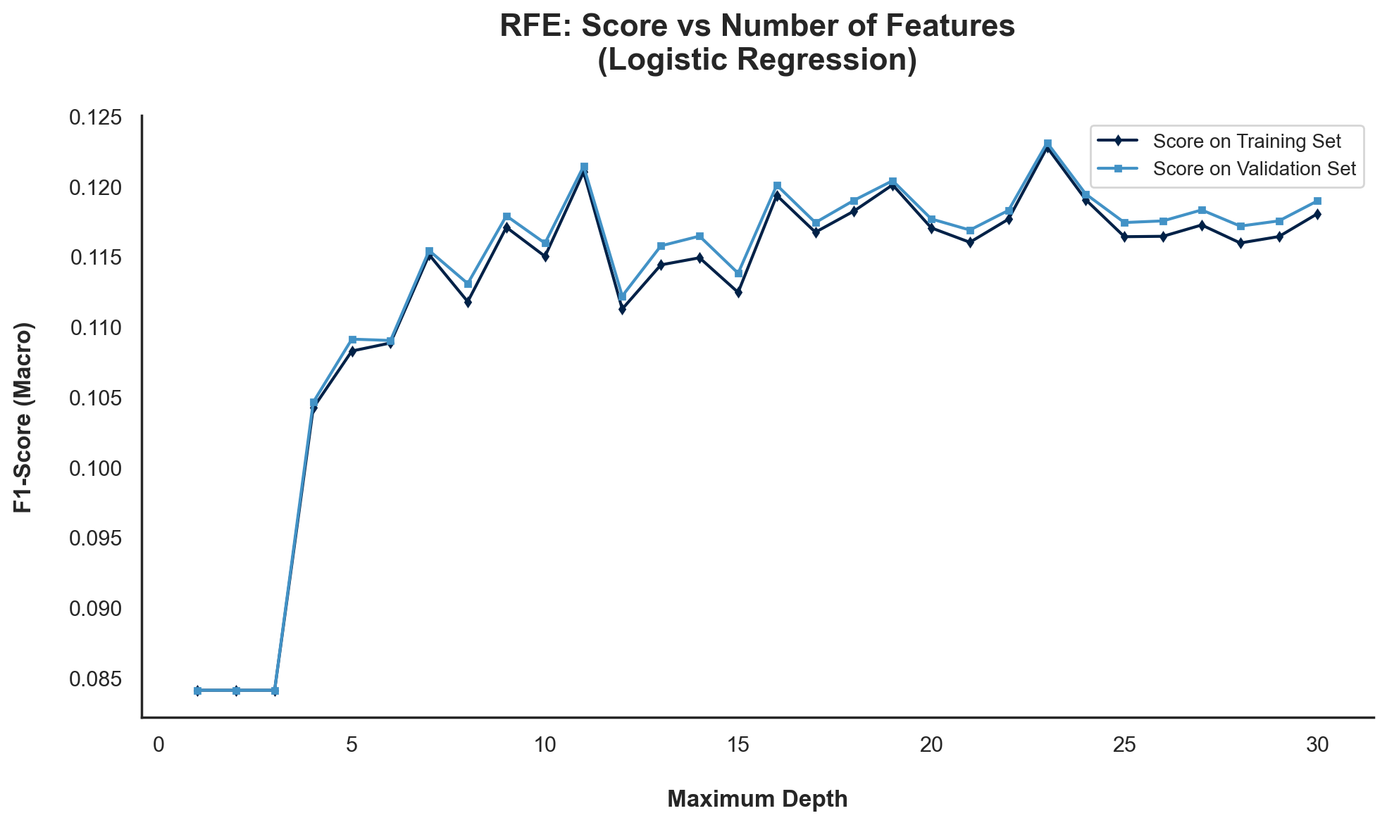
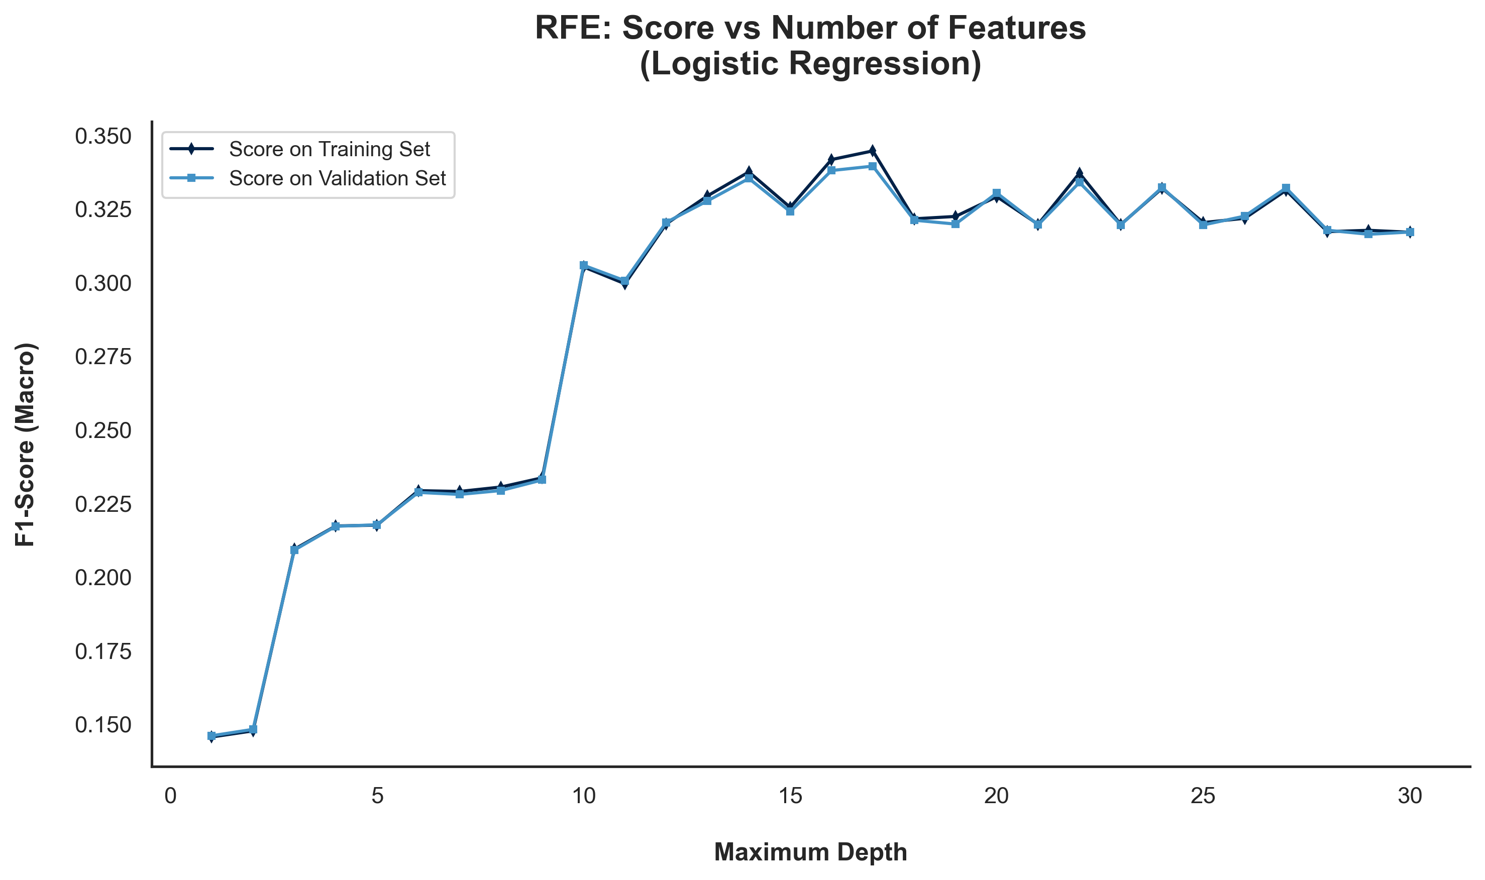
Wrapper Methods | RFE | RFE was applied using logistic regression as the classifier, with four different scaling/preprocessing techniques evaluated to understand how each impacts the selected features and model performance.

Wrapper Methods | RFE

 | Selected | Logistic Regression
Features | Original Data | MinMaxScaler | StandardScaler | Log
Accident Date Day | FALSE | FALSE | TRUE | TRUE
Accident Date Month | TRUE | FALSE | TRUE | TRUE
Accident Date Weekday | FALSE | FALSE | TRUE | TRUE
Accident Date Year | FALSE | TRUE | TRUE | TRUE
Age at Injury Clean | TRUE | TRUE | TRUE | TRUE
Alternative Dispute Resolution | FALSE | TRUE | TRUE | TRUE
Assembly Date Day | FALSE | FALSE | TRUE | TRUE
Assembly Date Month | TRUE | FALSE | TRUE | TRUE
Assembly Date Weekday | FALSE | FALSE | TRUE | TRUE
Assembly Date Year | FALSE | TRUE | TRUE | TRUE
Attorney/Representative | TRUE | TRUE | TRUE | FALSE
C-2 Date Day | FALSE | FALSE | TRUE | TRUE
C-2 Date Month | TRUE | FALSE | TRUE | TRUE
C-2 Date Weekday | FALSE | FALSE | TRUE | TRUE
C-2 Date Year | FALSE | TRUE | TRUE | TRUE
C-3 Date Binary | TRUE | TRUE | TRUE | FALSE
Carrier Type Bucket | FALSE | TRUE | TRUE | FALSE
County of Injury | FALSE | FALSE | TRUE | TRUE
COVID-19 Indicator | TRUE | FALSE | TRUE | TRUE
District Name | FALSE | FALSE | TRUE | TRUE
First Hearing Date Binary | TRUE | TRUE | TRUE | FALSE
Gender | FALSE | TRUE | TRUE | TRUE
IME-4 Reported | TRUE | TRUE | TRUE | FALSE
Industry Code | TRUE | TRUE | TRUE | TRUE
Medical Fee Region | TRUE | TRUE | TRUE | TRUE
Number of Dependents | FALSE | FALSE | TRUE | FALSE
WCIO Cause of Injury Bucket | TRUE | TRUE | TRUE | TRUE
WCIO Nature of Injury Bucket | FALSE | TRUE | TRUE | TRUE
WCIO Part of Body Bucket | TRUE | TRUE | TRUE | TRUE
Weekly Wage Reported | TRUE | TRUE | TRUE | FALSE

 | 100 iterations | 100 iterations | 100 iterations | 100 iterations

RFE_Final
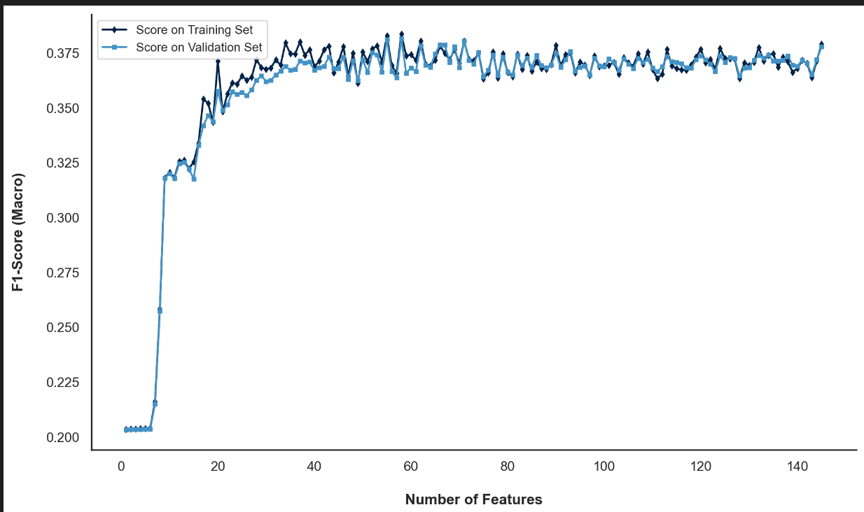
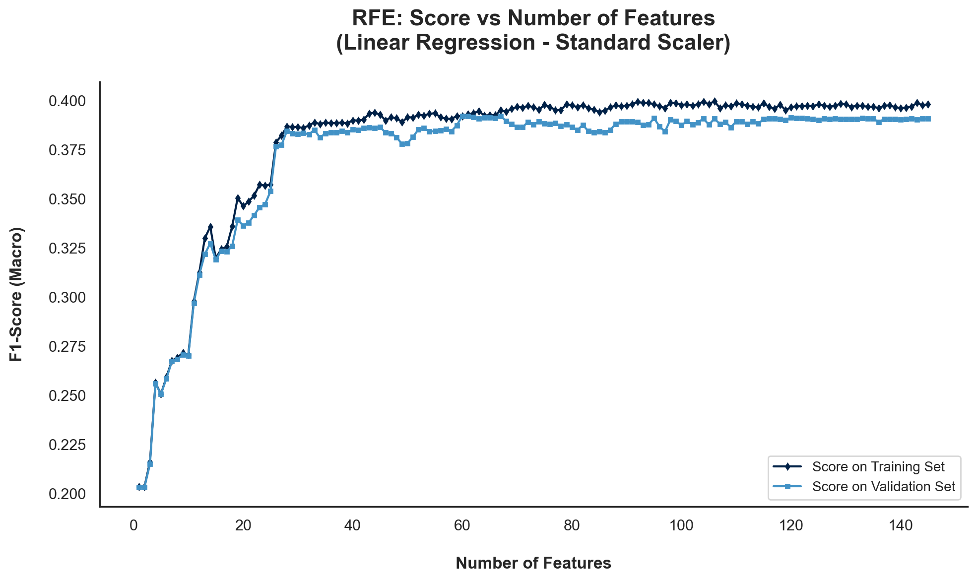
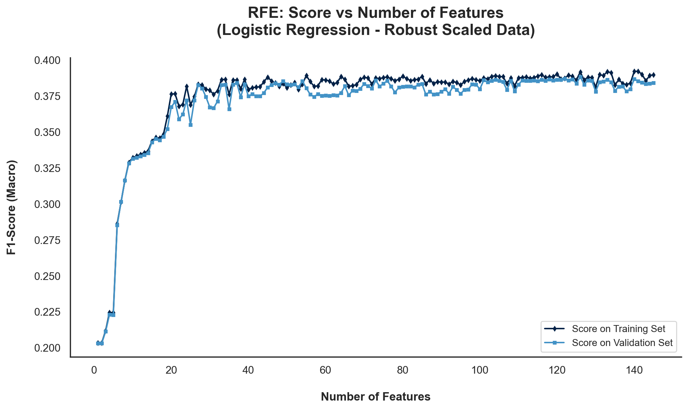
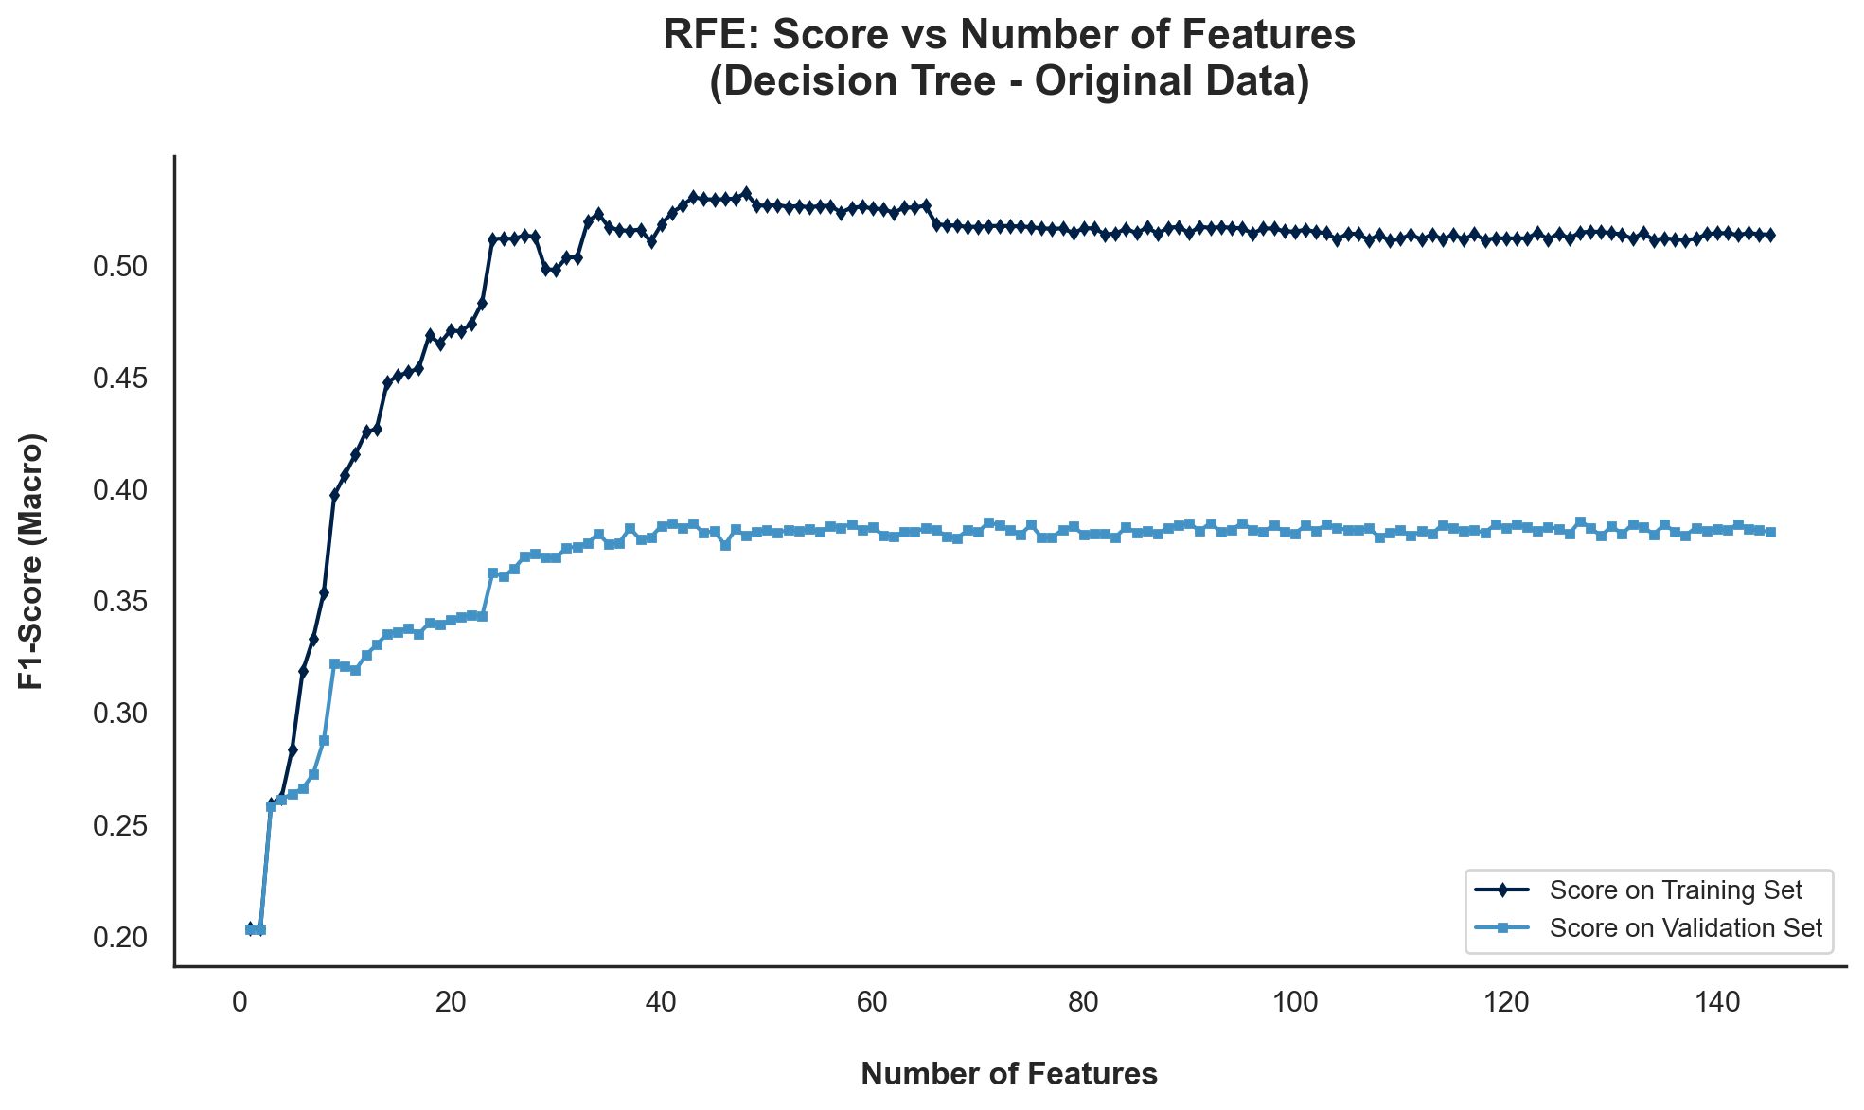
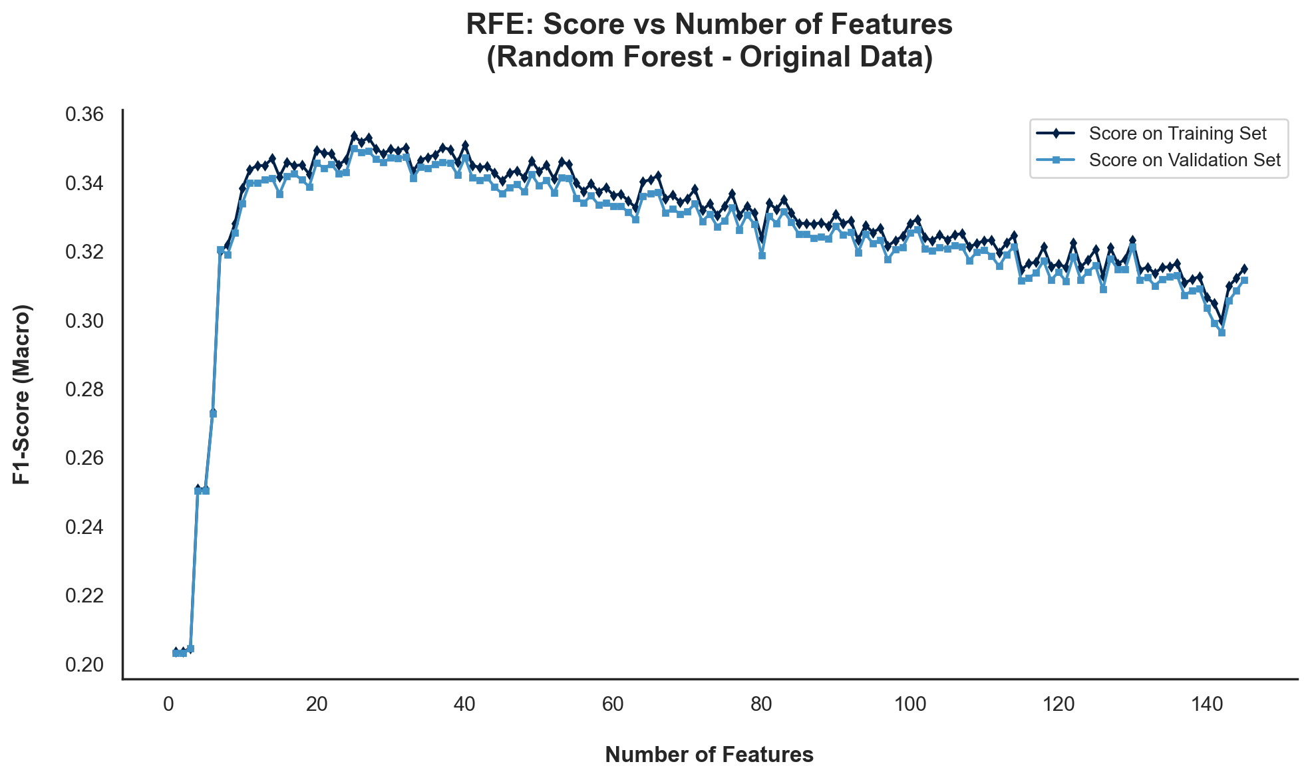
 | Wrapper Methods | RFE | RFE was applied using logistic regression as the classifier, with four different scaling/preprocessing techniques evaluated to understand how each impacts the selected features and model performance.

 | Wrapper Methods | RFE [Final]

 |  | Selected | Logistic Regression |  |  | Selected | Decision Tree | Selected | Random Forest
 | Features | MinMaxScaler | StandardScaler | RobustScaler | Original Data | Original Data
0 | Accident Date Binary | TRUE | TRUE | TRUE | TRUE | FALSE
1 | Accident Date Day | FALSE | TRUE | TRUE | TRUE | FALSE
2 | Accident Date Month | FALSE | FALSE | FALSE | TRUE | FALSE
3 | Accident Date Weekday | FALSE | TRUE | TRUE | TRUE | FALSE
4 | Accident Date Year | TRUE | TRUE | TRUE | TRUE | TRUE
5 | Age at Injury Clean | TRUE | TRUE | TRUE | TRUE | TRUE
6 | Age at Injury Group | TRUE | TRUE | TRUE | TRUE | FALSE
7 | Alternative Dispute Resolution_U | FALSE | FALSE | FALSE | FALSE | FALSE
8 | Alternative Dispute Resolution_Y | TRUE | TRUE | TRUE | TRUE | TRUE
9 | Assembly Date Day | FALSE | FALSE | FALSE | TRUE | FALSE
10 | Assembly Date Month | TRUE | TRUE | TRUE | TRUE | FALSE
11 | Assembly Date Weekday | FALSE | FALSE | FALSE | TRUE | FALSE
12 | Assembly Date Year | TRUE | TRUE | TRUE | TRUE | TRUE
13 | Attorney/Representative_Y | TRUE | TRUE | TRUE | TRUE | TRUE
14 | C-2 Date Binary | TRUE | TRUE | TRUE | TRUE | TRUE
15 | C-2 Date Day | FALSE | FALSE | FALSE | TRUE | FALSE
16 | C-2 Date Month | FALSE | TRUE | TRUE | TRUE | FALSE
17 | C-2 Date Weekday | FALSE | FALSE | FALSE | TRUE | FALSE
18 | C-2 Date Year | TRUE | TRUE | TRUE | TRUE | TRUE
19 | C-3 Date Binary | TRUE | TRUE | TRUE | TRUE | TRUE
20 | COVID-19 Indicator_Y | TRUE | TRUE | TRUE | TRUE | TRUE
21 | Carrier Type Bucket_1A. PRIVATE | TRUE | TRUE | TRUE | TRUE | TRUE
22 | Carrier Type Bucket_2A. SIF | TRUE | TRUE | TRUE | TRUE | TRUE
23 | Carrier Type Bucket_3A. SELF PUBLIC | TRUE | TRUE | TRUE | TRUE | TRUE
24 | Carrier Type Bucket_4A. SELF PRIVATE | TRUE | TRUE | TRUE | TRUE | FALSE
25 | Carrier Type Bucket_5A-5C. SPECIAL FUND | TRUE | FALSE | TRUE | TRUE | FALSE
26 | County of Injury_ALLEGANY | FALSE | FALSE | TRUE | TRUE | FALSE
27 | County of Injury_BRONX | FALSE | TRUE | TRUE | TRUE | FALSE
28 | County of Injury_BROOME | FALSE | TRUE | TRUE | TRUE | FALSE
29 | County of Injury_CATTARAUGUS | FALSE | FALSE | TRUE | TRUE | FALSE
30 | County of Injury_CAYUGA | FALSE | FALSE | FALSE | TRUE | FALSE
31 | County of Injury_CHAUTAUQUA | FALSE | FALSE | TRUE | TRUE | FALSE
32 | County of Injury_CHEMUNG | FALSE | FALSE | TRUE | TRUE | FALSE
33 | County of Injury_CHENANGO | FALSE | FALSE | FALSE | TRUE | FALSE
34 | County of Injury_CLINTON | FALSE | FALSE | TRUE | FALSE | FALSE
35 | County of Injury_COLUMBIA | FALSE | FALSE | TRUE | TRUE | FALSE
36 | County of Injury_CORTLAND | FALSE | FALSE | TRUE | FALSE | FALSE
37 | County of Injury_DELAWARE | FALSE | FALSE | FALSE | FALSE | FALSE
38 | County of Injury_DUTCHESS | FALSE | FALSE | TRUE | TRUE | FALSE
39 | County of Injury_ERIE | FALSE | FALSE | TRUE | TRUE | FALSE
40 | County of Injury_ESSEX | FALSE | FALSE | TRUE | FALSE | FALSE
41 | County of Injury_FRANKLIN | FALSE | FALSE | TRUE | TRUE | FALSE
42 | County of Injury_FULTON | FALSE | FALSE | TRUE | TRUE | FALSE
43 | County of Injury_GENESEE | FALSE | FALSE | TRUE | TRUE | FALSE
44 | County of Injury_GREENE | FALSE | FALSE | TRUE | TRUE | FALSE
45 | County of Injury_HAMILTON | FALSE | FALSE | TRUE | FALSE | FALSE
46 | County of Injury_HERKIMER | FALSE | FALSE | FALSE | TRUE | FALSE
47 | County of Injury_JEFFERSON | FALSE | FALSE | TRUE | TRUE | FALSE
48 | County of Injury_KINGS | FALSE | TRUE | TRUE | TRUE | FALSE
49 | County of Injury_LEWIS | FALSE | FALSE | TRUE | TRUE | FALSE
50 | County of Injury_LIVINGSTON | FALSE | FALSE | TRUE | TRUE | FALSE
51 | County of Injury_MADISON | FALSE | FALSE | FALSE | TRUE | FALSE
52 | County of Injury_MONROE | FALSE | TRUE | TRUE | TRUE | FALSE
53 | County of Injury_MONTGOMERY | FALSE | FALSE | TRUE | FALSE | FALSE
54 | County of Injury_NASSAU | FALSE | FALSE | TRUE | TRUE | FALSE
55 | County of Injury_NEW YORK | FALSE | FALSE | TRUE | TRUE | FALSE
56 | County of Injury_NIAGARA | FALSE | FALSE | TRUE | TRUE | FALSE
57 | County of Injury_ONEIDA | FALSE | FALSE | TRUE | TRUE | FALSE
58 | County of Injury_ONONDAGA | FALSE | FALSE | TRUE | TRUE | FALSE
59 | County of Injury_ONTARIO | FALSE | FALSE | TRUE | TRUE | FALSE
60 | County of Injury_ORANGE | TRUE | FALSE | TRUE | TRUE | FALSE
61 | County of Injury_ORLEANS | FALSE | FALSE | FALSE | FALSE | FALSE
62 | County of Injury_OSWEGO | FALSE | FALSE | FALSE | TRUE | FALSE
63 | County of Injury_OTSEGO | FALSE | FALSE | TRUE | TRUE | FALSE
64 | County of Injury_PUTNAM | FALSE | FALSE | TRUE | TRUE | FALSE
65 | County of Injury_QUEENS | FALSE | TRUE | TRUE | TRUE | FALSE
66 | County of Injury_RENSSELAER | FALSE | FALSE | TRUE | TRUE | FALSE
67 | County of Injury_RICHMOND | TRUE | FALSE | TRUE | TRUE | FALSE
68 | County of Injury_ROCKLAND | FALSE | FALSE | TRUE | TRUE | FALSE
69 | County of Injury_SARATOGA | FALSE | FALSE | TRUE | TRUE | FALSE
70 | County of Injury_SCHENECTADY | FALSE | FALSE | TRUE | FALSE | FALSE
71 | County of Injury_SCHOHARIE | FALSE | FALSE | TRUE | FALSE | FALSE
72 | County of Injury_SCHUYLER | FALSE | FALSE | FALSE | FALSE | FALSE
73 | County of Injury_SENECA | FALSE | FALSE | TRUE | TRUE | FALSE
74 | County of Injury_ST. LAWRENCE | FALSE | FALSE | TRUE | TRUE | FALSE
75 | County of Injury_STEUBEN | FALSE | FALSE | FALSE | TRUE | FALSE
76 | County of Injury_SUFFOLK | FALSE | FALSE | TRUE | TRUE | FALSE
77 | County of Injury_SULLIVAN | TRUE | FALSE | TRUE | TRUE | FALSE
78 | County of Injury_TIOGA | FALSE | FALSE | TRUE | TRUE | FALSE
79 | County of Injury_TOMPKINS | FALSE | FALSE | FALSE | FALSE | FALSE
80 | County of Injury_ULSTER | FALSE | FALSE | TRUE | TRUE | FALSE
81 | County of Injury_UNKNOWN | FALSE | TRUE | TRUE | TRUE | FALSE
82 | County of Injury_WARREN | FALSE | FALSE | TRUE | TRUE | FALSE
83 | County of Injury_WASHINGTON | FALSE | FALSE | TRUE | TRUE | FALSE
84 | County of Injury_WAYNE | FALSE | FALSE | TRUE | TRUE | FALSE
85 | County of Injury_WESTCHESTER | FALSE | FALSE | TRUE | TRUE | FALSE
86 | County of Injury_WYOMING | FALSE | FALSE | TRUE | FALSE | FALSE
87 | County of Injury_YATES | FALSE | FALSE | FALSE | FALSE | FALSE
88 | District Name_BINGHAMTON | TRUE | FALSE | TRUE | TRUE | FALSE
89 | District Name_BUFFALO | TRUE | TRUE | TRUE | TRUE | FALSE
90 | District Name_HAUPPAUGE | FALSE | FALSE | TRUE | TRUE | FALSE
91 | District Name_NYC | TRUE | TRUE | TRUE | TRUE | TRUE
92 | District Name_ROCHESTER | TRUE | TRUE | TRUE | TRUE | FALSE
93 | District Name_STATEWIDE | TRUE | TRUE | TRUE | TRUE | FALSE
94 | District Name_SYRACUSE | TRUE | TRUE | TRUE | TRUE | FALSE
95 | First Hearing Date Binary | TRUE | TRUE | TRUE | TRUE | TRUE
96 | Gender_M | TRUE | TRUE | TRUE | TRUE | FALSE
97 | Gender_U | TRUE | FALSE | TRUE | TRUE | FALSE
98 | Gender_X | FALSE | FALSE | TRUE | FALSE | FALSE
99 | IME-4 Reported | TRUE | TRUE | TRUE | TRUE | TRUE
100 | Industry Code Description_ADMINISTRATIVE AND SUPPORT AND WASTE MANAGEMENT AND REMEDIAT | FALSE | FALSE | TRUE | TRUE | FALSE
101 | Industry Code Description_AGRICULTURE, FORESTRY, FISHING AND HUNTING | FALSE | FALSE | TRUE | TRUE | FALSE
102 | Industry Code Description_ARTS, ENTERTAINMENT, AND RECREATION | TRUE | FALSE | TRUE | TRUE | FALSE
103 | Industry Code Description_CONSTRUCTION | TRUE | TRUE | TRUE | TRUE | FALSE
104 | Industry Code Description_EDUCATIONAL SERVICES | TRUE | FALSE | TRUE | TRUE | FALSE
105 | Industry Code Description_FINANCE AND INSURANCE | TRUE | FALSE | TRUE | TRUE | FALSE
106 | Industry Code Description_HEALTH CARE AND SOCIAL ASSISTANCE | FALSE | TRUE | TRUE | TRUE | FALSE
107 | Industry Code Description_INFORMATION | TRUE | FALSE | TRUE | TRUE | FALSE
108 | Industry Code Description_MANAGEMENT OF COMPANIES AND ENTERPRISES | FALSE | FALSE | FALSE | FALSE | FALSE
109 | Industry Code Description_MANUFACTURING | FALSE | FALSE | TRUE | TRUE | FALSE
110 | Industry Code Description_MINING | FALSE | FALSE | TRUE | FALSE | FALSE
111 | Industry Code Description_OTHER SERVICES (EXCEPT PUBLIC ADMINISTRATION) | FALSE | TRUE | TRUE | TRUE | FALSE
112 | Industry Code Description_PROFESSIONAL, SCIENTIFIC, AND TECHNICAL SERVICES | FALSE | FALSE | TRUE | TRUE | FALSE
113 | Industry Code Description_PUBLIC ADMINISTRATION | TRUE | TRUE | TRUE | TRUE | TRUE
114 | Industry Code Description_REAL ESTATE AND RENTAL AND LEASING | FALSE | FALSE | TRUE | TRUE | FALSE
115 | Industry Code Description_RETAIL TRADE | FALSE | TRUE | TRUE | TRUE | FALSE
116 | Industry Code Description_TRANSPORTATION AND WAREHOUSING | FALSE | FALSE | TRUE | TRUE | FALSE
117 | Industry Code Description_UTILITIES | TRUE | FALSE | TRUE | TRUE | FALSE
118 | Industry Code Description_Unknown | TRUE | TRUE | TRUE | TRUE | TRUE
119 | Industry Code Description_WHOLESALE TRADE | FALSE | FALSE | TRUE | TRUE | FALSE
120 | Medical Fee Region_II | FALSE | TRUE | TRUE | TRUE | FALSE
121 | Medical Fee Region_III | FALSE | TRUE | TRUE | TRUE | FALSE
122 | Medical Fee Region_IV | TRUE | TRUE | TRUE | TRUE | FALSE
123 | Medical Fee Region_UK | FALSE | FALSE | TRUE | TRUE | FALSE
124 | Number of Dependents | FALSE | FALSE | FALSE | TRUE | FALSE
125 | WCIO Cause of Injury Bucket_1 - Temp | TRUE | TRUE | TRUE | TRUE | FALSE
126 | WCIO Cause of Injury Bucket_10 - Miscellaneous | TRUE | TRUE | TRUE | TRUE | TRUE
127 | WCIO Cause of Injury Bucket_2 - Caught | TRUE | TRUE | TRUE | TRUE | FALSE
128 | WCIO Cause of Injury Bucket_3 - Cut | TRUE | TRUE | TRUE | TRUE | TRUE
129 | WCIO Cause of Injury Bucket_4 - Fall | TRUE | TRUE | TRUE | TRUE | FALSE
130 | WCIO Cause of Injury Bucket_5 - Motor Vehicle | TRUE | TRUE | TRUE | TRUE | FALSE
131 | WCIO Cause of Injury Bucket_6 - Strain_data | TRUE | TRUE | TRUE | TRUE | TRUE
132 | WCIO Cause of Injury Bucket_7 - Striking | TRUE | TRUE | TRUE | TRUE | FALSE
133 | WCIO Cause of Injury Bucket_8 - Struck | TRUE | TRUE | TRUE | TRUE | FALSE
134 | WCIO Cause of Injury Bucket_9 - Rubbed | FALSE | FALSE | TRUE | FALSE | FALSE
135 | WCIO Nature of Injury Bucket_1 - Specific | TRUE | TRUE | TRUE | TRUE | TRUE
136 | WCIO Nature of Injury Bucket_2 - Occupational/Cumulative | TRUE | TRUE | TRUE | TRUE | FALSE
137 | WCIO Nature of Injury Bucket_3 - Multiple | TRUE | TRUE | TRUE | TRUE | FALSE
138 | WCIO Part of Body Bucket_I - Head | TRUE | TRUE | TRUE | TRUE | FALSE
139 | WCIO Part of Body Bucket_II - Neck | TRUE | FALSE | TRUE | TRUE | FALSE
140 | WCIO Part of Body Bucket_III - Upper Extremities | TRUE | TRUE | TRUE | TRUE | TRUE
141 | WCIO Part of Body Bucket_IV - Trunk | TRUE | TRUE | TRUE | TRUE | TRUE
142 | WCIO Part of Body Bucket_V - Lower Extremities | TRUE | TRUE | TRUE | TRUE | TRUE
143 | WCIO Part of Body Bucket_VI - Multiple Body Parts | TRUE | TRUE | TRUE | TRUE | FALSE
145 | Weekly Wage Reported | TRUE | TRUE | TRUE | TRUE | TRUE

 | TOTAL | 58 | 60 | 0 | 127 | 25

 |  |  | Optimum number of features: 60 Score with 60 features: 0.392161

