def
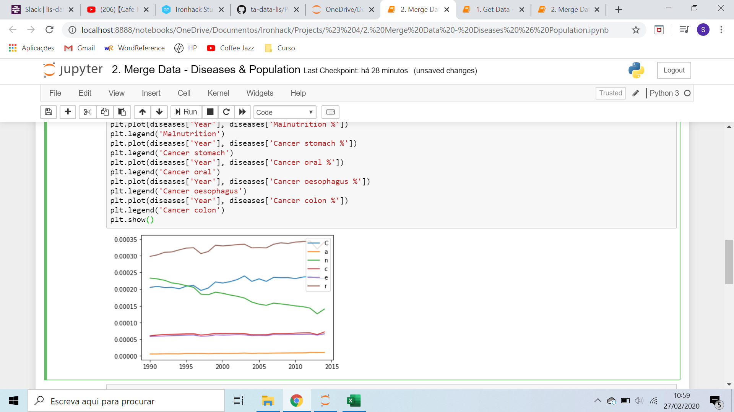
Element Code | Element | Unit | Description
5301 | Domestic supply quantity | 1000 tonnes | Production + imports - exports + changes in stocks (decrease or increase) = supply for domestic utilization.There are various ways of defining supply and, in fact, various concepts are in use. The elements involved are production, imports, exports and changes in stocks (increase or decrease). There is no doubt that production, imports and stock changes (either decrease or increase in stocks) are genuine supply elements. Source: FAO Statistics Division
5911 | Export Quantity | 1000 tonnes
684 | Fat supply quantity (g/capita/day) | g/capita/day
5521 | Feed | 1000 tonnes | Data refer to the quantity of the commodity in question available for feeding to the livestock and poultry during the reference period, whether domestically produced or imported. Source: FAO. 1986. The ICS users' manual. Interlinked computer strorage and processing system of food and agricultural commodity data. Rome.
5142 | Food | 1000 tonnes | Data refer to the total amount of the commodity available as human food during the reference period. Data include the commodity in question, as well as any commodity derived therefrom as a result of further processing. Food from maize, for example, comprises the amount of maize, maize meal and any other products derived therefrom available for human consumption. Food from milk relates to the amounts of milk as such, as well as the fresh milk equivalent of dairy products. Source: FAO. 1986. The ICS users' manual. Interlinked computer strorage and processing system of food and agricultural commodity data. Rome.
664 | Food supply (kcal/capita/day) | kcal/capita/day
645 | Food supply quantity (kg/capita/yr) | kg
5611 | Import Quantity | 1000 tonnes
5123 | Losses | 1000 tonnes | Amount of the commodity in question lost through wastage (waste) during the year at all stages between the level at which production is recorded and the household, i.e. storage and transportation. Losses occurring before and during harvest are excluded. Waste from both edible and inedible parts of the commodity occurring in the household is also excluded. Quantities lost during the transformation of primary commodities into processed products are taken into account in the assessment of respective extraction/conversion rates. Distribution wastes tend to be considerable in countries with hot humid climate, difficult transportation and inadequate storage or processing facilities. This applies to the more perishable foodstuffs, and especially to those which have to be transported or stored for a long time in a tropical climate. Waste is often estimated as a fixed percentage of availability, the latter being defined as production plus imports plus stock withdrawals. Source: FAO. 1986. The ICS users' manual. Interlinked computer strorage and processing system of food and agricultural commodity data. Rome.
5154 | Other uses (non-food) | 1000 tonnes | Data refer to quantities of commodities used for non-food purposes, e.g. oil for soap. In order not to distort the picture of the national food pattern quantities of the commodity in question consumed mainly by tourists are included here (see also "Per capita supply"). In addition, this variable covers pet food. Source: FAO. 1986. The ICS users' manual. Interlinked computer strorage and processing system of food and agricultural commodity data. Rome.
5131 | Processing | 1000 tonnes
5511 | Production | 1000 tonnes | Figures relate to the total domestic production whether inside or outside the agricultural sector, i.e. it includes non-commercial production and production from kitchen gardens. Unless otherwise indicated, production is reported at the farm level for crop and livestock products (i.e. in the case of crops, excluding harvesting losses) and in terms of live weight for fish items (i.e. the actual ex-water weight at the time of the catch). All data shown relate to total meat production from both commercial and farm slaughter. Data are expressed in terms of dressed carcass weight, excluding offal and slaughter fats. Production of beef and buffalo meat includes veal; mutton and goat meat includes meat from lambs and kids; pig meat includes bacon and ham in fresh equivalent. Poultry meat includes meat from all domestic birds and refers, wherever possible, to ready-to-cook weight. Source: FAO Statistics Division
674 | Protein supply quantity (g/capita/day) | g/capita/day
5170 | Residuals | 1000 tonnes | It is defined as the imbalance (positive or negative) in the supply and utilization equation. It occures mainly due to the inconsitencies of national data provided by countries.
5527 | Seed | 1000 tonnes | Data include the amounts of the commodity in question set aside for sowing or planting (or generally for reproduction purposes, e.g. sugar cane planted, potatoes for seed, eggs for hatching and fish for bait, whether domestically produced or imported) during the reference period. Account is taken of double or successive sowing or planting whenever it occurs. The data of seed include also, when it is the case, the quantities necessary for sowing or planting the area relating to crops harvested green for fodder or for food.(e.g. green peas, green beans, maize for forage) Â Data for seed element are stored in tonnes (t). Whenever official data were not available, seed figures have been estimated either as a percentage of supply (e.g. eggs for hatching) or by multiplying a seed rate with the area under the crop of the subsequent year. Source: FAO. 1986. The ICS users' manual. Interlinked computer strorage and processing system of food and agricultural commodity data. Rome.
5072 | Stock Variation | 1000 tonnes | Comprises changes in stocks occurring during the reference period at all levels between the production and the retail levels, i.e. it comprises changes in government stocks, in stocks with manufacturers, importers, exporters, other wholesale and retail merchants, transport and storage enterprises and in stocks on farms. In actual fact, however, the information available often relates only to stocks held by governments and even these are not available for a number of countries and important commodities. In the absence of information on opening and closing stocks changes in stocks are also used for shifting production from the calendar year in which it is harvested to the year in which it is consumed. Net increases in stocks (add to stock) are generally indicated by the sign "-". No sign denotes net decreases (from stock). Source: FAO Statistics Division
511 | Total Population - Both sexes | 1000 persons
5171 | Tourist consumption | 1000 tonnes

