XLOOKUP
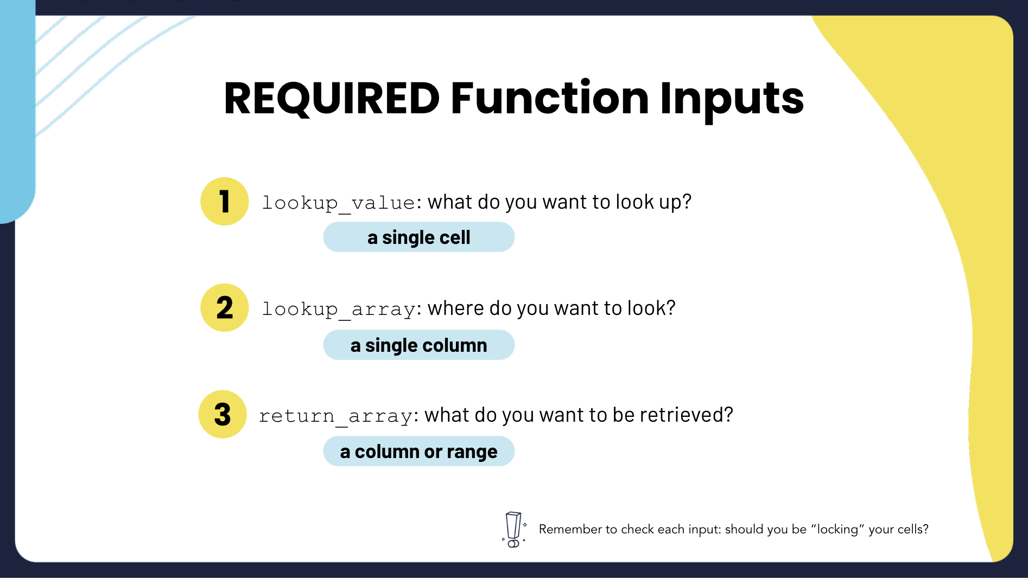 

Charts
Average Test Scores with Prep Course
 | completed | none
Willow Creek High School | 74.00 | 72.33
Golden Sierra High School | 70.20 | 68.73
Blue River High School | 67.98 | 66.56
Lone Oak Grammar School | 64.46 | 66.29
Granite Hills High | 64.43 | 61.25
Average Male and Female Student Population
 | Granite Hills High | Willow Creek High School | Lone Oak Grammar School | Golden Sierra High School | Blue River High School
female | 38 | 69 | 103 | 128 | 180
male | 54 | 69 | 83 | 137 | 139

Average Test Score By City
 | Total
Saint Paul | 73
Bloomington | 69
Duluth | 67
Rochester | 66
Minneapolis | 62
Average Test Score By Extra Curricular Activity
 | Average of math score | Average of reading score | Average of writing score | Average of avg test score
Chess Club | 62 | 65 | 62 | 63
Student Government | 64 | 67 | 65 | 65
Yearbook Committee | 67 | 69 | 69 | 68
Marching Band | 68 | 71 | 70 | 70
Sports | 70 | 73 | 74 | 72
Art Club | 70 | 75 | 75 | 74

Number of Students of Each Extra Curricular Activity
 | Total
Art Club | 61
Chess Club | 197
Marching Band | 220
Sports | 115
Student Government | 175
Yearbook Committee | 232
Averge Subject Test Score by Prep Course
 | Average of math score | Average of reading score | Average of writing score
Chess Club | 62 | 65 | 62.375634518
Student Government | 64 | 67 | 64.874285714
Yearbook Committee | 67 | 69 | 68.737068966
Marching Band | 68 | 71 | 70
Sports | 70 | 73 | 73.573913043
Art Club | 70 | 75 | 75.491803279

