TF coil busbars
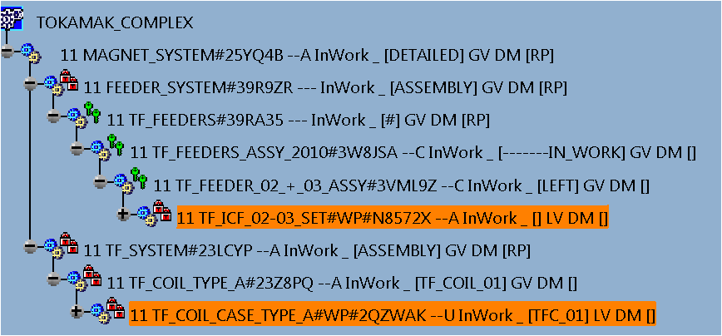
TF coil busbars (equivalent coil)
References: 1) email from Man Su to Yuri Gribov (22.06.2016), 2) email from Cornelis Jong to Yuri Gribov (11.07.2016)
Date of issue of this page: 19 July 2016

Paramerets of the equivalent coil producing magnetic field similar to that of the TF coil busbars:
 | R, m | Z, m | Ieff, kA | Toroidal magnetic field at 6.2m, T
 | 6.241 | -10.469 | 38 | 5.3
 | 6.241 | -10.469 | 16 | 2.65
 | 6.241 | -10.469 | 12.9 | 1.8

Current in the equivalent coil has direction opposite to that of the plasma current and the toroidal magnetic field.
(Positive current in the equivalent coil corresponds to negative plasma current.)

