Readme
Initial Gap Configurations (input by IO)
Deformed TF coil shapes for 4 load cases V0, V1, V3, V4 as obtained from Gabriele d'Amico/F4E ppt TRTG3L, slide 13:

Next table summarizes the different configurations under exam for the initial gap between Inner Legs
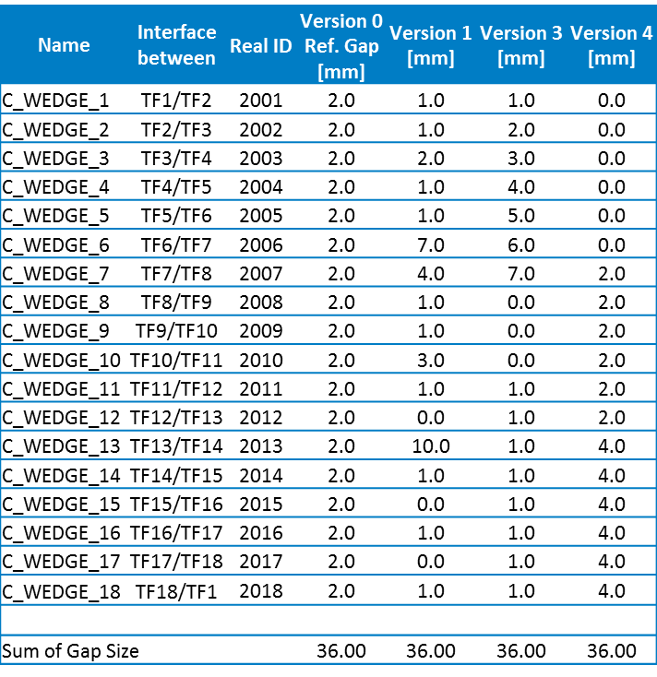
red: | original data
orange: | processed data
green: | processed data, in right order for use
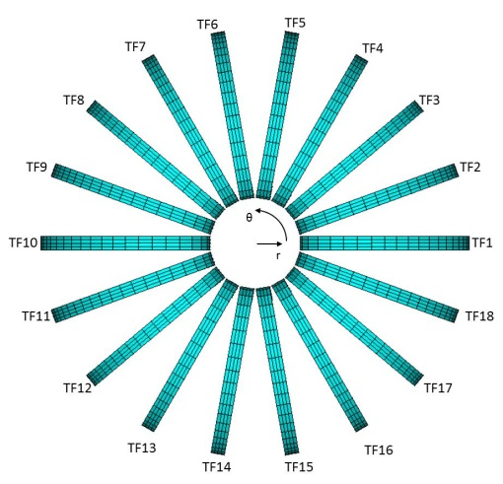

TF Coils IDs

 |  | DR m | TF1/TF2 | TF2/TF3 | TF3/TF4 | TF4/TF5 | TF5/TF6 | TF6/TF7 | TF7/TF8 | TF8/TF9 | TF9/TF10 | TF10/TF11 | TF11/TF12 | TF12/TF13 | TF13/TF14 | TF14/TF15 | TF15/TF16 | TF16/TF17 | TF17/TF18 | TF18/TF1 |  | Sum of DR/18
 |  | V0 | -0.01981 | -0.01979 | -0.01981 | -0.01978 | -0.0198 | -0.01978 | -0.0198 | -0.01978 | -0.01981 | -0.01978 | -0.01981 | -0.01978 | -0.01981 | -0.01978 | -0.0198 | -0.01978 | -0.0198 | -0.01978 |  | -0.019793333333
 |  | V1 | -0.01788 | -0.01806 | -0.01841 | -0.01891 | -0.01946 | -0.01962 | -0.02043 | -0.02216 | -0.02353 | -0.02369 | -0.02302 | -0.0216 | -0.01927 | -0.01798 | -0.01818 | -0.01818 | -0.01806 | -0.01794 |  | -0.019798888889
 |  | V3 | -0.0212 | -0.02268 | -0.02345 | -0.02344 | -0.02296 | -0.02226 | -0.0219 | -0.02216 | -0.02227 | -0.02123 | -0.01931 | -0.01717 | -0.01551 | -0.01454 | -0.01453 | -0.01542 | -0.0171 | -0.01915 |  | -0.019793333333
 |  | V4 | -0.01983 | -0.01898 | -0.01787 | -0.01675 | -0.01583 | -0.01538 | -0.01549 | -0.01634 | -0.01791 | -0.01988 | -0.02189 | -0.02338 | -0.02408 | -0.02402 | -0.02358 | -0.02271 | -0.02167 | -0.02065 |  | -0.019791111111

 |  | DR relative to mean in mm | TF1/TF2 | TF2/TF3 | TF3/TF4 | TF4/TF5 | TF5/TF6 | TF6/TF7 | TF7/TF8 | TF8/TF9 | TF9/TF10 | TF10/TF11 | TF11/TF12 | TF12/TF13 | TF13/TF14 | TF14/TF15 | TF15/TF16 | TF16/TF17 | TF17/TF18 | TF18/TF1
 |  | V0 | -0.016666666667 | 0.0033333333333 | -0.016666666667 | 0.013333333333 | -0.0066666666667 | 0.013333333333 | -0.0066666666667 | 0.013333333333 | -0.016666666667 | 0.013333333333 | -0.016666666667 | 0.013333333333 | -0.016666666667 | 0.013333333333 | -0.0066666666667 | 0.013333333333 | -0.0066666666667 | 0.013333333333
 |  | V1 | 1.9188888889 | 1.7388888889 | 1.3888888889 | 0.88888888889 | 0.33888888889 | 0.17888888889 | -0.63111111111 | -2.3611111111 | -3.7311111111 | -3.8911111111 | -3.2211111111 | -1.8011111111 | 0.52888888889 | 1.8188888889 | 1.6188888889 | 1.6188888889 | 1.7388888889 | 1.8588888889
 |  | V3 | -1.4066666667 | -2.8866666667 | -3.6566666667 | -3.6466666667 | -3.1666666667 | -2.4666666667 | -2.1066666667 | -2.3666666667 | -2.4766666667 | -1.4366666667 | 0.48333333333 | 2.6233333333 | 4.2833333333 | 5.2533333333 | 5.2633333333 | 4.3733333333 | 2.6933333333 | 0.64333333333
 |  | V4 | -0.038888888889 | 0.81111111111 | 1.9211111111 | 3.0411111111 | 3.9611111111 | 4.4111111111 | 4.3011111111 | 3.4511111111 | 1.8811111111 | -0.088888888889 | -2.0988888889 | -3.5888888889 | -4.2888888889 | -4.2288888889 | -3.7888888889 | -2.9188888889 | -1.8788888889 | -0.85888888889

 |  | DT m | TF1/TF2 | TF2/TF3 | TF3/TF4 | TF4/TF5 | TF5/TF6 | TF6/TF7 | TF7/TF8 | TF8/TF9 | TF9/TF10 | TF10/TF11 | TF11/TF12 | TF12/TF13 | TF13/TF14 | TF14/TF15 | TF15/TF16 | TF16/TF17 | TF17/TF18 | TF18/TF1
 |  | V0 | 0.00399 | 0.00399 | 0.003991 | 0.003991 | 0.00399 | 0.003989 | 0.003988 | 0.003987 | 0.003987 | 0.003987 | 0.003987 | 0.003987 | 0.003988 | 0.003988 | 0.003988 | 0.003989 | 0.003989 | 0.003989
 |  | V1 | 0.004529 | 0.005118 | 0.005765 | 0.005487 | 0.006333 | 0.007219 | 0.002109 | 0.0004453 | 0.002353 | 0.004524 | 0.004582 | 0.006323 | 0.008449 | -0.0001643 | 0.0002429 | 0.001781 | 0.002355 | 0.003953
 |  | V3 | 0.005433 | 0.007241 | 0.008306 | 0.008375 | 0.007253 | 0.004853 | 0.001242 | -0.003358 | -0.0006949 | 0.001916 | 0.004124 | 0.004713 | 0.004722 | 0.004329 | 0.003797 | 0.003425 | 0.003481 | 0.004139
 |  | V4 | -0.001141 | 0.000728 | 0.002353 | 0.003674 | 0.004703 | 0.00553 | 0.006309 | 0.005205 | 0.004476 | 0.004297 | 0.004726 | 0.005672 | 0.006906 | 0.006143 | 0.005242 | 0.004093 | 0.00263 | 0.0008612

 |  | Original gap mm | TF1/TF2 | TF2/TF3 | TF3/TF4 | TF4/TF5 | TF5/TF6 | TF6/TF7 | TF7/TF8 | TF8/TF9 | TF9/TF10 | TF10/TF11 | TF11/TF12 | TF12/TF13 | TF13/TF14 | TF14/TF15 | TF15/TF16 | TF16/TF17 | TF17/TF18 | TF18/TF1
 |  | V0 | 2 | 2 | 2 | 2 | 2 | 2 | 2 | 2 | 2 | 2 | 2 | 2 | 2 | 2 | 2 | 2 | 2 | 2 | 36
 |  | V1 | 1 | 1 | 2 | 1 | 1 | 7 | 4 | 1 | 1 | 3 | 1 | 0 | 10 | 1 | 0 | 1 | 0 | 1 | 36
 |  | V3 | 1 | 2 | 3 | 4 | 5 | 6 | 7 | 0 | 0 | 0 | 1 | 1 | 1 | 1 | 1 | 1 | 1 | 1 | 36
 |  | V4 | 0 | 0 | 0 | 0 | 0 | 0 | 2 | 2 | 2 | 2 | 2 | 2 | 4 | 4 | 4 | 4 | 4 | 4 | 36

 |  | Weight of centres |  | X position
 |  |  | TF1/TF2 | TF2/TF3 | TF3/TF4 | TF4/TF5 | TF5/TF6 | TF6/TF7 | TF7/TF8 | TF8/TF9 | TF9/TF10 | TF10/TF11 | TF11/TF12 | TF12/TF13 | TF13/TF14 | TF14/TF15 | TF15/TF16 | TF16/TF17 | TF17/TF18 | TF18/TF1 | Average |  | Total axis movement
 |  | V0 | 2.6899 | 2.5276979745 | 2.0605821815 | 1.3449645 | 0.46709796959 | -0.4671016162 | -1.344956 | -2.060608227 | -2.5276819997 | -2.689933 | -2.5276819997 | -2.060608227 | -1.344951 | -0.46710178985 | 0.46709831688 | 1.3449655 | 2.060591374 | 2.5277083111 | -9.8510534256E-07 |  | 0.22195364423
 |  | V1 | 2.691291 | 2.5282636695 | 2.0602956809 | 1.3446515 | 0.46675015229 | -0.46656851629 | -1.3455805 | -2.0614981408 | -2.5257218009 | -2.685486 | -2.5241064693 | -2.0574245463 | -1.3429905 | -0.4681353959 | 0.46802995672 | 1.3468695 | 2.063176008 | 2.5294711745 | 0.0011825984582 |  | 1.2683825304
 |  | V3 | 2.687067 | 2.5219273221 | 2.054488298 | 1.3409425 | 0.46598262734 | -0.46652093669 | -1.345279 | -2.0644116377 | -2.5297699028 | -2.690554 | -2.5280231082 | -2.0620514547 | -1.346734 | -0.46795249227 | 0.46804660958 | 1.3474275 | 2.0630488446 | 2.5281593636 | -0.001344803728 |  | 2.1390135421
 |  | V4 | 2.695011 | 2.5315244029 | 2.0633230885 | 1.346638 | 0.4676635417 | -0.46759807634 | -1.3459505 | -2.0623103778 | -2.529007906 | -2.689523 | -2.5250330062 | -2.0565596821 | -1.341357 | -0.46599130975 | 0.46622417196 | 1.3434485 | 2.0601999253 | 2.5298299491 | 0.0011406511803 |  | 2.200741925

 |  | Weight of centres |  | Y position
 |  |  | TF1/TF2 | TF2/TF3 | TF3/TF4 | TF4/TF5 | TF5/TF6 | TF6/TF7 | TF7/TF8 | TF8/TF9 | TF9/TF10 | TF10/TF11 | TF11/TF12 | TF12/TF13 | TF13/TF14 | TF14/TF15 | TF15/TF16 | TF16/TF17 | TF17/TF18 | TF18/TF1 | Average
 |  | V0 | 0.00399 | 0.92273614468 | 1.7341644792 | 2.3364594631 | 2.6569029888 | 2.6569217001 | 2.3364395446 | 1.7341811917 | 0.92272827822 | 3.3053365925E-16 | -0.92272827822 | -1.7341811917 | -2.3364308843 | -2.6569207153 | -2.6569010192 | -2.3364577311 | -1.7341696215 | -0.92273922286 | 0.00022195145811
 |  | V1 | 0.004529 | 0.92371363825 | 1.7362046871 | 2.3385084793 | 2.659545228 | 2.6602601984 | 2.3342666868 | 1.7303747963 | 0.92089710237 | 3.3012041668E-16 | -0.92183389554 | -1.7345128701 | -2.3407618774 | -2.654604152 | -2.6548082042 | -2.3359311877 | -1.734237757 | -0.9233562272 | 0.00045853585455
 |  | V3 | 0.005433 | 0.92285961395 | 1.7345983608 | 2.3370864655 | 2.657004424 | 2.6553302508 | 2.3322427855 | 1.7279300822 | 0.92028560455 | 3.3010228448E-16 | -0.92294614505 | -1.7363255312 | -2.3407904562 | -2.6624169274 | -2.6619028577 | -2.3397451635 | -1.735578612 | -0.92300599857 | -0.0016633946816
 |  | V4 | -0.001141 | 0.92189751129 | 1.7343586011 | 2.3388089901 | 2.6615148435 | 2.662772443 | 2.342182159 | 1.7371752964 | 0.92354536434 | 3.3055938737E-16 | -0.9222696292 | -1.7329502534 | -2.335260018 | -2.6548673911 | -2.6544133948 | -2.3340103433 | -1.7320940603 | -0.92137189473 | 0.0018820679863

