VV & TS & DIR
Toroidally conducting elements of Vacuum Vessel (VV), Triangular Support (TS) and Diverter Inboard Rail (DIR)
Reference: [2N9J75, v.1.5], [2N7WQK]
Date of issue of this page: 20 December 2013

Vacuum Vessel

Vacuum Vessel has two shells made of SS. Each shell has thickness 60 mm. Resistivity of SS at 100C is 0.8mWm [222W3R]
Co-ordinates of the VV shell centreline at 103C in the CATIA system of co-ordinate (TGCS)
 | VV Inner shell centreline |  | VV Outer shell centreline
 | R, m | Z, m | R, m | Z, m
 | 3.5396 | 0.0307 | 6.2270 | 5.4684
 | 3.5396 | 0.2278 | 6.4090 | 5.3873
 | 3.5396 | 0.4250 | 6.5880 | 5.3000
 | 3.5396 | 0.6221 | 6.7639 | 5.2064
 | 3.5396 | 0.8192 | 6.9365 | 5.1067
 | 3.5396 | 1.0164 | 7.1054 | 5.0011
 | 3.5396 | 1.2135 | 7.2706 | 4.8897
 | 3.5396 | 1.4106 | 7.4318 | 4.7726
 | 3.5396 | 1.6078 | 7.5888 | 4.6499
 | 3.5396 | 1.8049 | 7.7414 | 4.5218
 | 3.5396 | 2.0020 | 7.8895 | 4.3885
 | 3.5396 | 2.1992 | 8.0328 | 4.2501
 | 3.5396 | 2.3963 | 8.1712 | 4.1068
 | 3.5396 | 2.5935 | 8.3046 | 3.9588
 | 3.5396 | 2.7906 | 8.4327 | 3.8062
 | 3.5396 | 2.9877 | 8.5554 | 3.6492
 | 3.5396 | 3.1849 | 8.6726 | 3.4881
 | 3.5396 | 3.3820 | 8.7840 | 3.3229
 | 3.5396 | 3.5791 | 8.8897 | 3.1540
 | 3.5514 | 3.7753 | 8.9894 | 2.9815
 | 3.5869 | 3.9686 | 9.0830 | 2.8056
 | 3.6453 | 4.1562 | 9.1705 | 2.6266
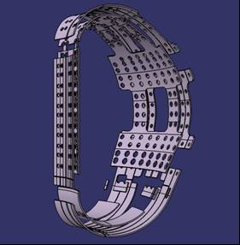
 | 3.7260 | 4.3354 | 9.2516 | 2.4447
 | 3.8276 | 4.5035 | 9.3264 | 2.2600
 | 3.9489 | 4.6582 | 9.3946 | 2.0728
 | 4.0878 | 4.7971 | 9.4563 | 1.8833
 | 4.2425 | 4.9183 | 9.5114 | 1.6919
 | 4.4107 | 5.0200 | 9.5598 | 1.4986
 | 4.5899 | 5.1006 | 9.6014 | 1.3037
 | 4.7775 | 5.1590 | 9.6361 | 1.1076
 | 4.9708 | 5.1944 | 9.6616 | 0.9153
 | 5.1670 | 5.2062 | 9.6771 | 0.7220
 | 5.3631 | 5.1943 | 9.6825 | 0.5282
 | 5.5564 | 5.1589 | 9.6777 | 0.3343
 | 5.7440 | 5.1004 | 9.6629 | 0.1410
 | 5.9232 | 5.0197 | 9.6380 | -0.0513
 | 6.0913 | 4.9180 | 9.6031 | -0.2421
 | 6.2474 | 4.8102 | 9.5583 | -0.4308
 | 6.4034 | 4.7024 | 9.5038 | -0.6169
 | 6.5595 | 4.5946 | 9.4396 | -0.7999
 | 6.7156 | 4.4868 | 9.3660 | -0.9793
 | 6.8716 | 4.3790 | 9.2900 | -1.1514
 | 7.0315 | 4.2640 | 9.2141 | -1.3235
 | 7.1867 | 4.1429 | 9.1382 | -1.4956
 | 7.3371 | 4.0158 | 9.0623 | -1.6677
 | 7.4825 | 3.8830 | 8.9863 | -1.8398
 | 7.6226 | 3.7446 | 8.9104 | -2.0119
 | 7.7572 | 3.6009 | 8.8345 | -2.1840
 | 7.8861 | 3.4521 | 8.7585 | -2.3561
 | 8.0092 | 3.2984 | 8.6826 | -2.5282
 | 8.1262 | 3.1400 | 8.6067 | -2.7003
 | 8.2370 | 2.9772 | 8.5308 | -2.8724
 | 8.3413 | 2.8102 | 8.4548 | -3.0445
 | 8.4391 | 2.6393 | 8.3789 | -3.2166
 | 8.5302 | 2.4647 | 8.3030 | -3.3887
 | 8.6145 | 2.2867 | 8.2270 | -3.5608
 | 8.6918 | 2.1056 | 8.1511 | -3.7329
 | 8.7619 | 1.9216 | 8.0681 | -3.9066
 | 8.8249 | 1.7351 | 7.9748 | -4.0749
 | 8.8764 | 1.5529 | 7.8714 | -4.2373
 | 8.9166 | 1.3679 | 7.7584 | -4.3931
 | 8.9453 | 1.1809 | 7.6362 | -4.5418
 | 8.9638 | 1.0073 | 7.5052 | -4.6828
 | 8.9768 | 0.8333 | 7.3659 | -4.8157
 | 8.9844 | 0.6590 | 7.2188 | -4.9398
 | 8.9865 | 0.4845 | 7.0645 | -5.0549
 | 8.9832 | 0.3100 | 6.9035 | -5.1604
 | 8.9744 | 0.1357 | 6.7364 | -5.2559
 | 8.9602 | -0.0382 | 6.5638 | -5.3412
 | 8.9364 | -0.2088 | 6.3864 | -5.4158
 | 8.8985 | -0.3768 | 6.2048 | -5.4796
 | 8.8468 | -0.5411 | 6.0196 | -5.5323
 | 8.7817 | -0.7006 | 5.8317 | -5.5737
 | 8.7023 | -0.8743 | 5.6415 | -5.6036
 | 8.6228 | -1.0480 | 5.4499 | -5.6220
 | 8.5433 | -1.2217 | 5.2575 | -5.6287
 | 8.4638 | -1.3954 | 5.0651 | -5.6238
 | 8.3844 | -1.5691 | 4.8734 | -5.6034
 | 8.3049 | -1.7428 | 4.6848 | -5.5637
 | 8.2254 | -1.9166 | 4.5011 | -5.5052
 | 8.1459 | -2.0903 | 4.3243 | -5.4285
 | 8.0665 | -2.2640 | 4.1561 | -5.3343
 | 7.9870 | -2.4377 | 3.9982 | -5.2237
 | 7.9075 | -2.6114 | 3.8523 | -5.0977
 | 7.8280 | -2.7851 | 3.7199 | -4.9576
 | 7.7486 | -2.9588 | 3.6022 | -4.8049
 | 7.6691 | -3.1325 | 3.5005 | -4.6411
 | 7.5896 | -3.3062 | 3.4159 | -4.4679
 | 7.5102 | -3.4799 | 3.3492 | -4.2871
 | 7.4307 | -3.6536 | 3.3010 | -4.1004
 | 7.3458 | -3.8222 | 3.2719 | -3.9099
 | 7.2486 | -3.9840 | 3.2622 | -3.7173
 | 7.1396 | -4.1380 | 3.2622 | -3.5200
 | 7.0195 | -4.2835 | 3.2622 | -3.3226
 | 6.8888 | -4.4196 | 3.2622 | -3.1253
 | 6.7483 | -4.5456 | 3.2622 | -2.9280
 | 6.5988 | -4.6608 | 3.2622 | -2.7306
 | 6.4411 | -4.7645 | 3.2622 | -2.5333
 | 6.2762 | -4.8561 | 3.2622 | -2.3359
 | 6.1048 | -4.9352 | 3.2622 | -2.1386
 | 5.9281 | -5.0013 | 3.2622 | -1.9412
 | 5.7469 | -5.0540 | 3.2622 | -1.7439
 | 5.5623 | -5.0931 | 3.2622 | -1.5466
 | 5.3753 | -5.1183 | 3.2622 | -1.3492
 | 5.1869 | -5.1295 | 3.2622 | -1.1519
 | 4.9897 | -5.1217 | 3.2622 | -0.9545
 | 4.7949 | -5.0899 | 3.2622 | -0.7572
 | 4.6054 | -5.0345 | 3.2622 | -0.5599
 | 4.4242 | -4.9564 | 3.2622 | -0.3625
 | 4.2538 | -4.8567 | 3.2622 | -0.1652
 | 4.0969 | -4.7369 | 3.2622 | 0.0322
 | 3.9558 | -4.5989 | 3.2622 | 0.2295
 | 3.8327 | -4.4446 | 3.2622 | 0.4269
 | 3.7293 | -4.2765 | 3.2622 | 0.6242
 | 3.6472 | -4.0970 | 3.2622 | 0.8215
 | 3.5877 | -3.9088 | 3.2622 | 1.0189
 | 3.5516 | -3.7148 | 3.2622 | 1.2162
 | 3.5396 | -3.5178 | 3.2622 | 1.4136
 | 3.5396 | -3.3206 | 3.2622 | 1.6109
 | 3.5396 | -3.1235 | 3.2622 | 1.8083
 | 3.5396 | -2.9264 | 3.2622 | 2.0056
 | 3.5396 | -2.7292 | 3.2622 | 2.2029
 | 3.5396 | -2.5321 | 3.2622 | 2.4003
 | 3.5396 | -2.3349 | 3.2622 | 2.5976
 | 3.5396 | -2.1378 | 3.2622 | 2.7950
 | 3.5396 | -1.9407 | 3.2622 | 2.9923
 | 3.5396 | -1.7435 | 3.2622 | 3.1897
 | 3.5396 | -1.5464 | 3.2622 | 3.3870
 | 3.5396 | -1.3493 | 3.2622 | 3.5843
 | 3.5396 | -1.1521 | 3.2622 | 3.7817
 | 3.5396 | -0.9550 | 3.2717 | 3.9697
 | 3.5396 | -0.7579 | 3.3002 | 4.1559
 | 3.5396 | -0.5607 | 3.3473 | 4.3382
 | 3.5396 | -0.3636 | 3.4126 | 4.5148
 | 3.5396 | -0.1665 | 3.4953 | 4.6839
 |  |  | 3.5948 | 4.8438
 |  |  | 3.7098 | 4.9929
 |  |  | 3.8394 | 5.1295
 |  |  | 3.9820 | 5.2524
 |  |  | 4.1364 | 5.3603
 |  |  | 4.3008 | 5.4520
 |  |  | 4.4737 | 5.5266
 |  |  | 4.6532 | 5.5834
 |  |  | 4.8274 | 5.6223
 |  |  | 5.0040 | 5.6483
 |  |  | 5.1820 | 5.6614
 |  |  | 5.3605 | 5.6614
 |  |  | 5.5385 | 5.6484
 |  |  | 5.7151 | 5.6224
 |  |  | 5.8894 | 5.5836
 |  |  | 6.0603 | 5.5322

Triangular Support

Toroidally continues part of Triangular Support is modelled as
a stainless steel ring with thickness 60mm. Resistivity of SS at 100C is 0.8mWm [222W3R]

 | SS ring centreline
 | R, m | Z, m
 | 7.5760 | -2.6054
 | 6.8324 | -3.1814

Divertor Inboard Rail

Divertor Inboard Rail (DIR) is modelled by a conducting ring with the effective thickness 80 mm and resistivity 0.9mWm.

 | DIR centreline
 | R, m | Z, m
 | 3.6895 | -3.3207
 | 3.6895 | -2.6698

Cryostat & CST
Toroidally conducting elements of Cryostat and Cryostat Thermal Shield (CTS)
Reference: [2WAP56]
Date of issue of this page: 14 January 2010

 | Thickness of the cryostat elements is 50 mm. Resistivity is 0.71 mWm (20C)
 | Thickness of the CTS elements is 10 mm. Resistivity is 0.5 mWm (20C)

 | Cryostat and Lower CTS |  |  |  |  |  | Cryostat toroidal rib 1 |  |  |  | Upper CTS
 | R, m | Z, m | heff, mm | r, mWm | Comment |  | R, m | Z, m | h, mm | r, mWm | R, m | Z, m | h, mm | r, mWm
 | 0.0000 | 15.2772 | 50 | 0.71 | Cryostat |  | 1.5950 | 15.2772 | 50 | 0.71 | 9.3150 | 6.2740 | 10 | 0.5
 | 5.0400 | 15.2772 | 50 | 0.71 |  |  | 1.5950 | 12.3450 | 50 | 0.71 | 9.3150 | 11.6150 | 10 | 0.5
 | 6.1650 | 15.1059 | 50 | 0.71 |  |  |  |  |  |  | 0.0000 | 11.6150 | 10 | 0.5
 | 9.3150 | 14.4357 | 50 | 0.71 |  |  | Cryostat toroidal rib 2
 | 13.3700 | 13.1361 | 50 | 0.71 |  |  | R, m | Z, m | h, mm | r, mWm
 | 13.5455 | 13.0635 | 50 | 0.71 |  |  | 5.0400 | 15.2772 | 50 | 0.71
 | 13.7084 | 12.9658 | 50 | 0.71 |  |  | 5.0400 | 12.3450 | 50 | 0.71
 | 13.8550 | 12.8450 | 50 | 0.71
 | 14.0457 | 12.6140 | 50 | 0.71 |  |  | Cryostat toroidal rib 3
 | 14.1775 | 12.3450 | 50 | 0.71 |  |  | R, m | Z, m | h, mm | r, mWm
 | 14.2317 | 12.1357 | 50 | 0.71 |  |  | 6.1650 | 15.1059 | 50 | 0.71
 | 14.2500 | 11.9202 | 50 | 0.71 |  |  | 6.1650 | 12.3450 | 50 | 0.71
 | 14.2500 | -7.3125 | 50 | 0.71
 | 9.7600 | -7.3125 | 64 | 0.71 | Cryostat with Lower CTS |  | Cryostat toroidal rib 4
 | 9.7600 | -12.5050 | 64 | 0.71 |  |  | R, m | Z, m | h, mm | r, mWm
 | 0.0000 | -12.5050 | 64 | 0.71 |  |  | 9.3150 | 14.4357 | 50 | 0.71
 |  |  |  |  |  |  | 9.3150 | 12.3450 | 50 | 0.71

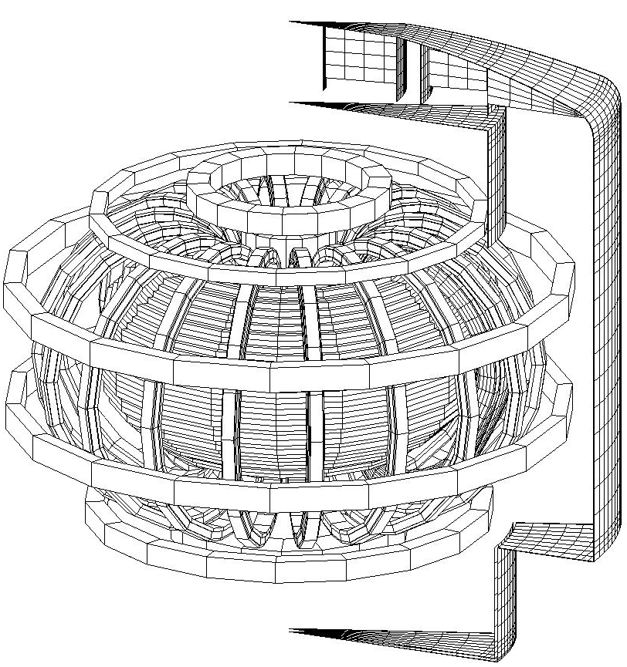
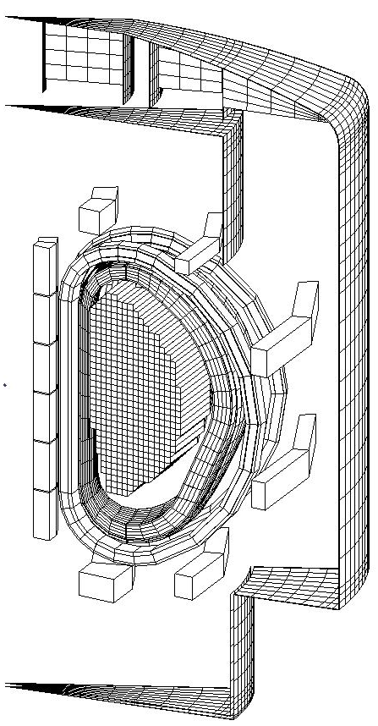
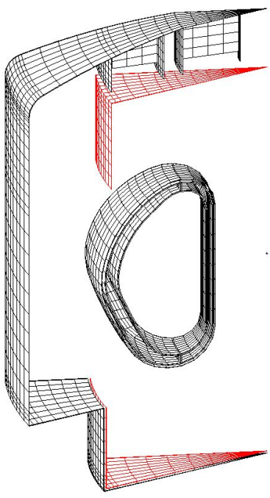

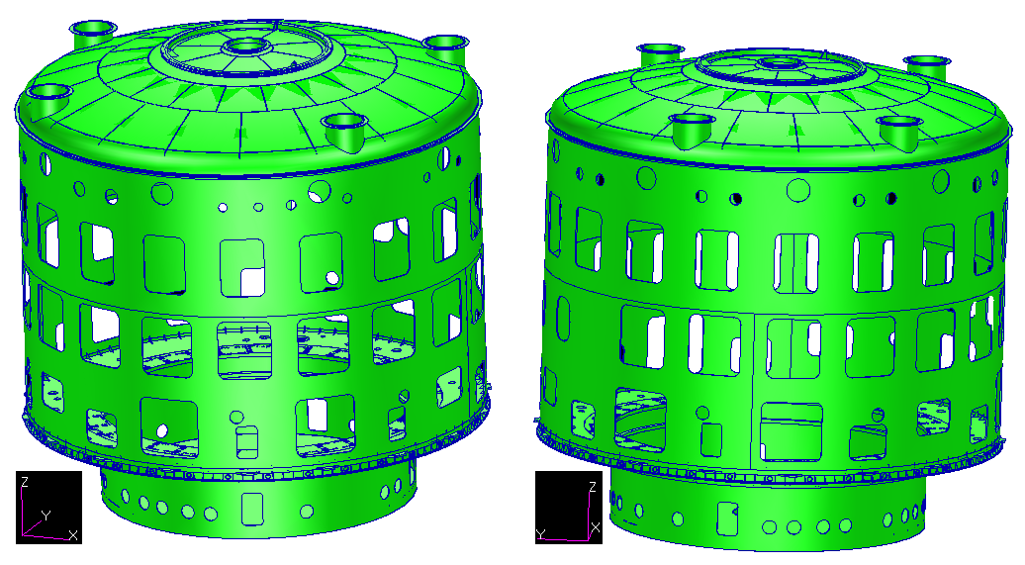

 |  |  | Cryostat – global view
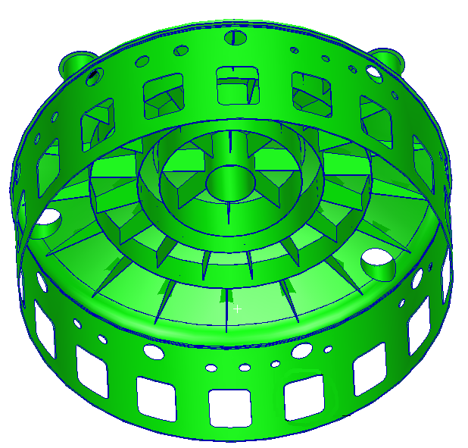
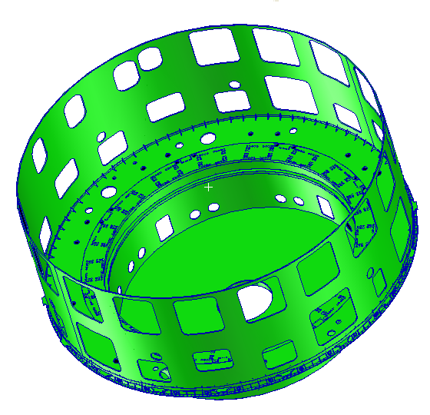

 |  | Cryostat – detail of the upper wall |  |  |  | Cryostat – detail of the bottom wall – reinforcements removed from view

CS & PF coils
CS and PF coils
Reference: PF coil data from the Project Requirements [27ZRW8, v4.6] and the document [2ACJT3 v3.1], CS coil data from [PCR-495 Revised CS Design Dimensions, FTT6CX, v1.0]
Date of issue of this page: 20 December 2013

Location of the CS and PF coil conductors (R, Z co-ordinates of the cross section centre), their
radial and vertical sizes (DR, DZ) and number of turns (N) (4K without ground insulation) |  |  |  |  |  |  | Maximum number of converters |  |  |  | On-load voltage produced by one converter
 | Coil | R, m | Z, m | DR, m | DZ, m | N | Coil | First Plasma | Basic configuration |  |  | I, kA | V, kV
 | CS3U | 1.6870 | 5.4640 | 0.7400 | 2.0930 | 554 | CS3U | 1 | 2 |  |  | 0 | 1.20
 | CS2U | 1.6870 | 3.2780 | 0.7400 | 2. 093 | 554 | CS2U | 1 | 2 |  |  | 55 | 1.05
 | CS1U | 1.6870 | 1.0920 | 0.7400 | 2. 093 | 554 | CS1U | 1 | 2
 | CS1L | 1.6870 | -1.0720 | 0.7400 | 2. 093 | 554 | CS1L | 1 | 2
 | CS2L | 1.6870 | -3.2580 | 0.7400 | 2. 093 | 554 | CS2L | 1 | 2
 | CS3L | 1.6870 | -5.4440 | 0.7400 | 2. 093 | 554 | CS3L | 1 | 2
 | PF1 | 3.9431 | 7.5741 | 0.9590 | 0.9841 | 248.6 | PF1 | 1 | 2
 | PF2 | 8.2851 | 6.5398 | 0.5801 | 0.7146 | 115.2 | PF2 | 3 | 3
 | PF3 | 11.9919 | 3.2752 | 0.6963 | 0.9538 | 185.9 | PF3 | 3 | 3
 | PF4 | 11.9630 | -2.2336 | 0.6382 | 0.9538 | 169.9 | PF4 | 3 | 3
 | PF5 | 8.3908 | -6.7269 | 0.8125 | 0.9538 | 216.8 | PF5 | 3 | 3
 | PF6 | 4.3340 | -7.4665 | 1.5590 | 1.1075 | 459.4 | PF6 | 1 | 2
Comments: The co-ordinates are given in the CATIA system of co-ordinate (TGCS). |  |  |  |  |  |  | VS1 | 2 | 6
At 4K the horizontal plane of the TGCS is 10mm below the TF magnet and CS midplane [2EP2GB].

 |  |  |  |  |  |  | Maximum current in VS1 circuit: 22.5kA

 |  |  |  |  |  |  | Resistors of Switchin Netwok Units (SNU) are described in
 |  |  |  |  |  |  | https://user.iter.org/?uid=34PBJK&action=get_document

 |  |  |  |  |  |  |  | Coil | Maximum voltage from SNU, kV | Maximum voltage at plasma initiation, kV

 |  |  |  |  |  |  |  | CS3U | 8.5 | 10
 |  |  |  |  |  |  |  | CS2U | 8.5 | 10
 |  |  |  |  |  |  |  | CS1U | 6.0 | 7.05 / 8.10
 |  |  |  |  |  |  |  | CS1L | 6.0 | 7.05 / 8.10
 |  |  |  |  |  |  |  | CS2L | 8.5 | 10
 |  |  |  |  |  |  |  | CS3L | 8.5 | 10
 |  |  |  |  |  |  |  | PF1 | 8.5 | 10
 |  |  |  |  |  |  |  | PF2 | – | 3.15
 |  |  |  |  |  |  |  | PF3 | – | 3.15
 |  |  |  |  |  |  |  | PF4 | – | 3.15
 |  |  |  |  |  |  |  | PF5 | – | 3.15
 |  |  |  |  |  |  |  | PF6 | 8.5 | 10

Correction coils
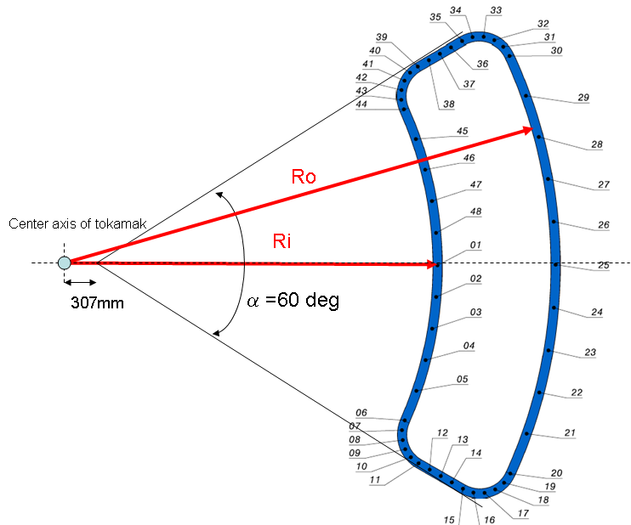
Correction Coils
Data describing Correction Coils are given in:
https://user.iter.org/?uid=2EP2GB&action=get_document
https://user.iter.org/?uid=C974KS&action=get_document
Date of issue of this page: 21 February 2013

 | Coil | Number of turns | Circuit resistance mΩ | Circuit inductance mH | Maximum current kA | Maximum voltage (on-load) V
 | Top | 32 | 3.85 | 23 | 10 | 85
 | Side | 20 | 3.15 | 21 | 10 | 300
 | Bottom | 32 | 3.34 | 23 | 10 | 85

 |  |  |  |  |  |  | Main geometrical features of Correction coils
 |  |  |  |  |  |  | Coil | Ri, mm | Ro, mm | Z, mm | ΔR, mm | ΔZ, mm
 |  |  |  |  |  |  | Top CC | 5698 | 7449 | 7086 | 103.5 | 188.5
 |  |  |  |  |  |  | Side CC | 11263 | NA | NA | 123.6 | 103.5
 |  |  |  |  |  |  | Bottom CC | 5698 | 7449 | -7337 | 103.5 | 188.5

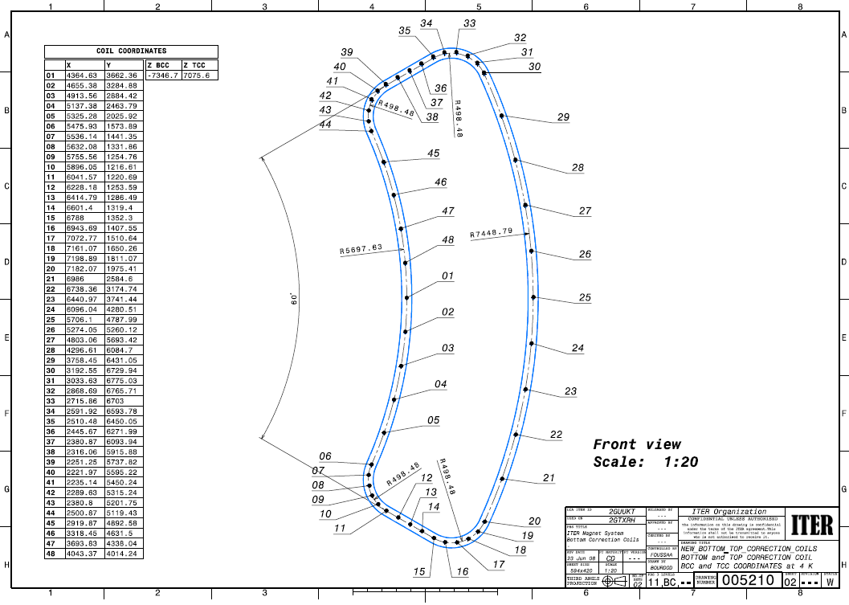

 |  | Center line and geometry of Top and Bottom Correction coils at 4K in TGCS.
 |  | Z(Top CC) = 7.086 m, Z(Bottom CC)= - 7.337 m

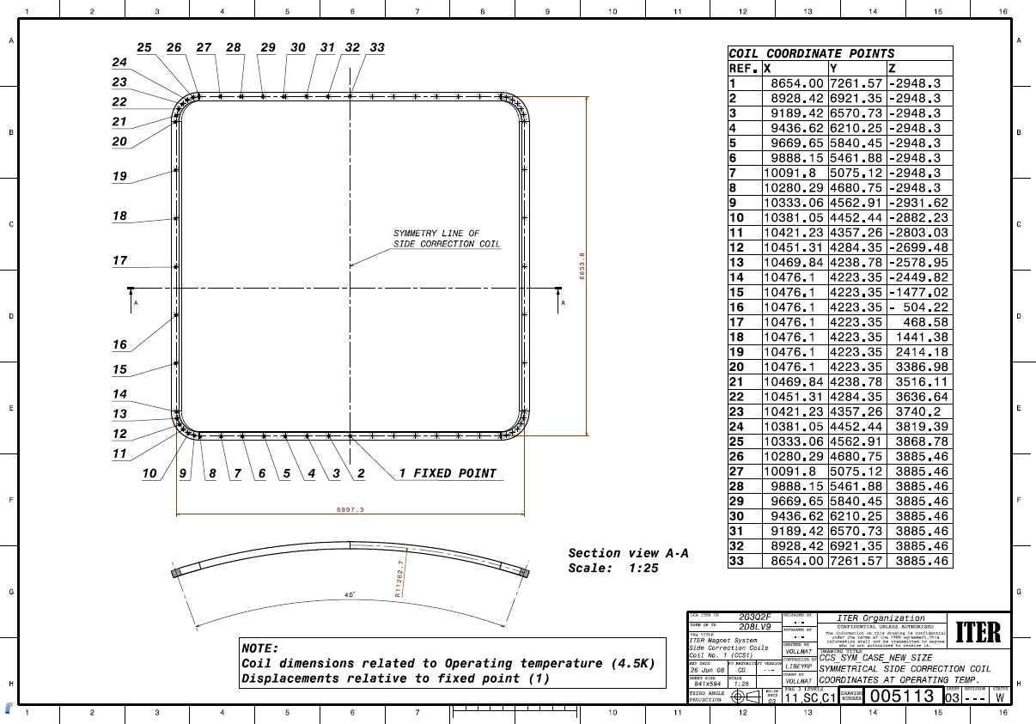

 |  | Geometry and position of Side Correction coils at 4K in TGCS.

Min plasma-wall gap
Minimum gap between plasma and first wall (blanket module)
Reference: Email from Raphael Mitteau to Yuri Gribov 22 November 2010 and revised location of the first wall from [2N9J75, v.1.4]
Date of issue of this page: 20 February 2013

This table specifies minimum allowable value of the crearance between plasma and first wall in front of blanket modules (first wall panels). |  |  |  |  |  |  |  |  |  | Assumptions

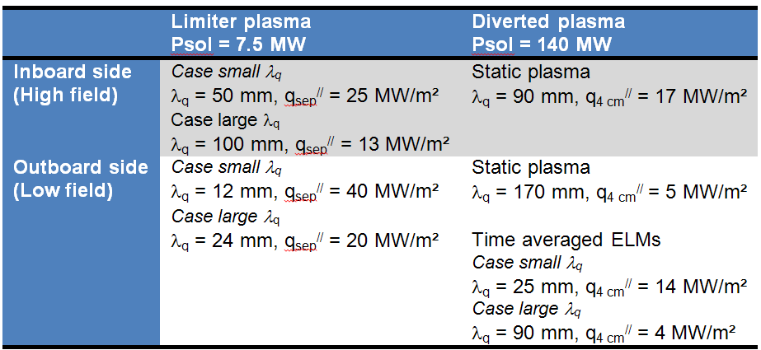
 | Location of nodes |  |  |  |  | Minimum gap (mm) |  |  | Scrape off layer parameters from v2.3 of the |  | heat and nuclear load specifications
 |  |  |  |  |  | Limiter operation (7.5 MW) | Flat top, divertor operation (550 MW)
 | Number | R,m | Z, m | Short name | Long name
 | 1 | 4.0853 | -2.5037 | 1bot | Bottom of FW1 | 120 | 250
 | 2 | 4.0853 | -1.9975 | 1mid | Middle of FW1 | 120 | 250
 | 3 | 4.0853 | -1.4914 | n01/02 | Intermediate node between FW1 and FW2 | 120 | 250
 | 4 | 4.0853 | -0.9837 | 2mid | Middle of FW2 | 60 | 150
 | 5 | 4.0853 | -0.4761 | n02/03 | Intermediate node between FW2 and FW3 | 60 | 150
 | 6 | 4.0853 | 0.0321 | 3mid | Middle of FW3 | 0 | 70
 | 7 | 4.0853 | 0.5402 | n03/04 | Intermediate node between FW3 and FW4 | 0 | 70
 | 8 | 4.0853 | 1.0484 | 4mid | Middle of FW4 | 0 | 70
 | 9 | 4.0853 | 1.5566 | n04/05 | Intermediate node between FW4 and FW5 | 0 | 70
 | 10 | 4.0853 | 2.0642 | 5mid | Middle of FW5 | 0 | 70
 | 11 | 4.0853 | 2.5719 | n05/06 | Intermediate node between FW5 and FW6 | 60 | 150
 | 12 | 4.1053 | 3.0785 | 6mid | Middle of FW6 | 60 | 150
 | 13 | 6.1529 | 4.2300 | 10mid | Middle of FW10 | 30 | 110
 | 14 | 6.9770 | 3.5526 | 11mid | Middle of FW11 | 20 | 50
 | 15 | 7.6539 | 2.8222 | 12mid | Middle of FW12 | 30 | 110
 | 16 | 8.0879 | 2.0747 | 13mid | Middle of FW13 | 30 | 110
 | 17 | 8.2697 | 1.6847 | n13/14 | Intermediate node between FW13 and FW14 | 30 | 110
 | 18 | 8.3317 | 1.1600 | 14mid | Middle of FW14 | 0 | 50
 | 19 | 8.3498 | 0.1077 | 15mid | Middle of FW15 | 0 | 50 | Minimum value of the gap between the inner and outer separatrices in the outboard equatorial region should be higher than 4cm.
 | 20 | 8.1029 | -0.8786 | 16mid | Middle of FW16 | 0 | 50
 | 21 | 7.5913 | -1.7958 | 17mid | Middle of FW17 | 0 | 50
 | 22 | 7.2824 | -2.2544 | n17/19 | Intermediate node between FW17 and FW18 | 20 | 90
 | 23 | 6.7742 | -2.6489 | 18mid | Middle of FW18 | 20 | 90
 | 24 | 6.2661 | -3.0434 | 18bot | Bottom of 18 | 20 | 90
This table lists the smallest gap to a certain list of control nodes of the wall.
LCFS excursions outside this domain shall be on a time scale << 1 second in order to avoid loss of tile or critical heat flux in the cooling channels.
The lines in red are a priority 1 short list.

TF coils busbars
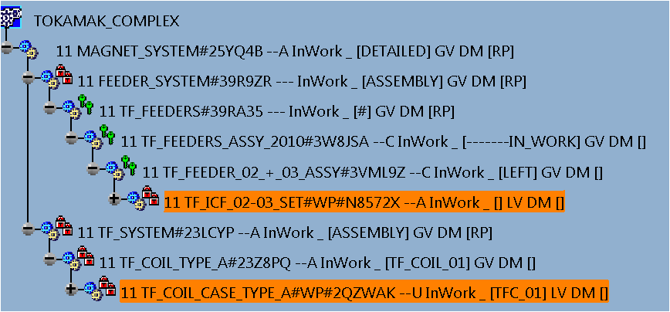
TF coil busbars (equivalent coil)
References: 1) email from Man Su to Yuri Gribov (22.06.2016), 2) email from Cornelis Jong to Yuri Gribov (11.07.2016)
Date of issue of this page: 19 July 2016

Paramerets of the effective coil producing magnetic field similar to that of the TF coil busbars:
 | R, m | Z, m | Ieff, kA | Toroidal magnetic field at 6.2m, T
 | 6.241 | -10.469 | 38 | 5.3
 | 6.241 | -10.469 | 16 | 2.65
 | 6.241 | -10.469 | 12.9 | 1.8

The current in effective coil has direction opposite to that of the plasma current and the toroidal magnetic field.

