configuration
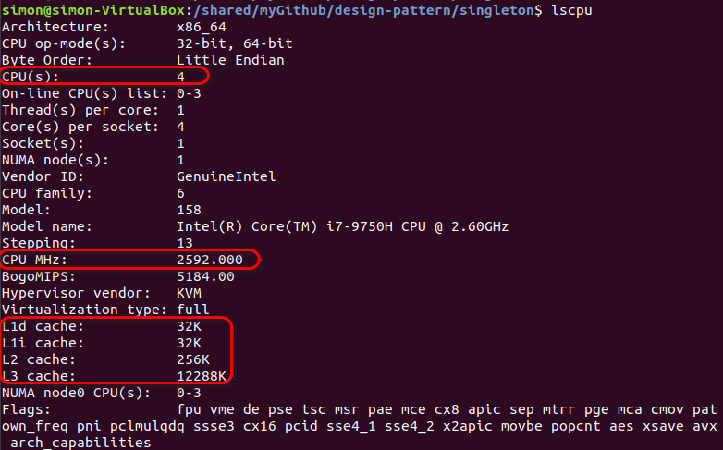
CPU information

Test configuration
how many rounds of test for time performance statistics | 1000
how many rounds of test for warmup before time performance test | 100
how many rounds of test for correctness verification | 10
matrix dimension | 256x256
 | 1024x1024
 | 2048x2048
time unit | milisecond

Compiler Info
Compiler | GCC
Optimization level | O3
Build type | Release

result
loop tiling, tile size

matrix transpose speedup using loop tiling with different tile size
256x256
 | tilesize | time(ms) | speedup
 | 32x32 | 0.091 | 1.00
 | 64x64 | 0.089 | 1.02
 | 128x128 | 0.091 | 1.00
 | 256x256 | 0.126 | 0.72

1024x1024
 | tilesize | time(ms) | speedup
 | 32x32 | 1.343 | 1.00
 | 64x64 | 2.866 | 0.47
 | 128x128 | 2.502 | 0.54
 | 256x256 | 2.833 | 0.47

2048x2048
 | tilesize | time(ms) | speedup
 | 32x32 | 10.446 | 1.00 | speedup > 1 means there is positive performance gain, otherwise, the performance gain is negative.
 | 64x64 | 10.037 | 1.04 | the higher the speedup, the better performance.
 | 128x128 | 12.213 | 0.86 | Tile size is determined by the size of L1 DCache.
 | 256x256 | 14.587 | 0.72 | Conclusion:
 |  |  |  | 1. for low-dimension matrix, looping tiling is not needed because L1 DCache is big enough.
 |  |  |  | 2. for high-dimension matrix, multithreading can improve performance. Tile size 32 has the optimal performance.

multithreading, thread num
matrix transpose speedup using multithreading with different thread num
256x256
 | threadNum | time(ms) | speedup
 | 1 | 0.156 | 1.00
 | 2 | 0.191 | 0.82
 | 3 | 0.218 | 0.72
 | 4 | 0.261 | 0.60

1024x1024
 | threadNum | time(ms) | speedup
 | 1 | 3.723 | 1.00
 | 2 | 2.709 | 1.37
 | 3 | 2.144 | 1.74
 | 4 | 2.177 | 1.71

2048x2048
 | threadNum | time(ms) | speedup
 | 1 | 15.628 | 1.00
 | 2 | 9.203 | 1.70
 | 3 | 7.347 | 2.13 | The thread num is bound by the number of physical core.
 | 4 | 6.596 | 2.37 | Conclusion:
 |  |  |  | 1. for low-dimension matrix, multithreading is not needed. The more thread num may lead to the negative gain.
single optimization method |  |  |  | 2. for high-dimension matrix, multithreading can improve performance. The more thread num, the better performance.

matrix transpose speedup using different optimizations (single optimization)
256x256
 |  | time(ms) | speedup
 | naive | 0.112 | 1.00
 | write consecutively | 0.086 | 1.30
 | restrict | 0.102 | 1.10
 | loop tiling,tilesize=32 | 0.091 | 1.23
 | multithreading,threadnum=4 | 0.261 | 0.43

1024x1024
 |  | time(ms) | speedup
 | naive | 3.301 | 1.00
 | write consecutively | 2.706 | 1.22
 | restrict | 3.971 | 0.83
 | loop tiling,tilesize=32 | 1.343 | 2.46
 | multithreading,threadnum=4 | 2.177 | 1.52

2048x2048
 |  | time(ms) | speedup
 | naive | 16.587 | 1.00
 | write consecutively | 10.694 | 1.55
 | restrict | 15.726 | 1.05
 | loop tiling,tilesize=32 | 10.446 | 1.59
 | multithreading,threadnum=4 | 6.596 | 2.51 | Conclusion:
 |  |  |  | Loop tiling is the most effective optimization compared to other optimizations, multithreading comes next, changing the pattern to write consecultively comes third, using restrict to modify the argument comes last.
overall
256x256
 |  | time(ms) | speedup
 | naive | 0.102 | 1.00
 | opt1(write consecutively) | 0.092 | 1.11
 | opt2(op1 + restrict) | 0.082 | 1.24
matrix transpose speedup using different optimizations (overall)
 | 256x256 | 1024x1024 | 2048x2048
naive | 1.00 | 1.00 | 1.00
opt1(write consecutively) | 1.11 | 1.31 | 1.55
opt2(op1 + restrict) | 1.24 | 1.45 | 1.68
opt3(op2 + loop tiling,tilesize=32) | 1.42 | 3.62 | 3.02
opt4(op3,multithreading,threadnum=4 | 2.27 | 4.89 | 6.91
 | opt3(op2 + loop tiling,tilesize=32) | 0.072 | 1.42
 | opt4(op3,multithreading,threadnum=4 | 0.045 | 2.27

1024x1024
 |  | time(ms) | speedup
 | naive | 3.38 | 1.00
 | opt1(write consecutively) | 2.575 | 1.31
 | opt2(op1 + restrict) | 2.328 | 1.45
 | opt3(op2 + loop tiling,tilesize=32) | 0.933 | 3.62
 | opt4(op3,multithreading,threadnum=4 | 0.691 | 4.89

2048x2048
 |  | time(ms) | speedup
 | naive | 16.111 | 1.00
 | opt1(write consecutively) | 10.415 | 1.55
 | opt2(op1 + restrict) | 9.583 | 1.68
 | opt3(op2 + loop tiling,tilesize=32) | 5.336 | 3.02
 | opt4(op3,multithreading,threadnum=4 | 2.331 | 6.91

 |  |  |  | Legend
 |  |  |  | naive | source data is read consecutively,destination data is written non-consecutively
 |  |  |  | opt1(write consecutively) | source data is read non-consecutively,destination data is written consecutively
 |  |  |  | opt2(op1 + restrict) | opt1 plus restrict keyword
 |  |  |  | opt3(op2 + tilesize=32) | opt2 plus loop titling (tile size 32)
 |  |  |  | opt4(op3,threadnum=4) | opt3 plus multithreading (thread num 4)

 |  |  |  | Conclusion:
 |  |  |  | With the help of all optimizations, the speedup can achieve almost 7.

