configuration
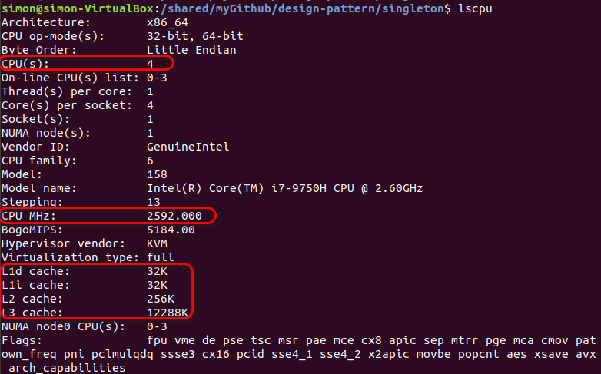
CPU information

Test configuration
how many rounds of test for time performance statistics | 1000
how many rounds of test for warmup before time performance test | 100
how many rounds of test for correctness verification | 10
matrix dimension | 256x256
 | 1024x1024
 | 2048x2048
time unit | milisecond

Compiler Info
Compiler | GCC
Optimization level | O3
Build type | Release

result
256x256
 |  | time(ms) | speedup
 | naive | 0.113 | 1.00
 | opt1(write consecutively) | 0.109 | 1.04
 | opt2(op1 + restrict) | 0.081 | 1.40
matrix transpose speedup using different optimizations
 | opt3(op2 + tilesize=64) | 0.071 | 1.59
 | opt3(op2 + tilesize=128) | 0.077 | 1.47
 | opt4(op2 + tilesize=64,threadnum=3) | 0.066 | 1.71

1024x1024
 |  | time(ms) | speedup
 | naive | 3.502 | 1.00
 | opt1(write consecutively) | 2.657 | 1.32
 | opt2(op1 + restrict) | 2.177 | 1.61
 | opt3(op2 + tilesize=64) | 0.96 | 3.65
 | opt3(op2 + tilesize=128) | 1.14 | 3.07
 | opt4(op2 + tilesize=64,threadnum=3) | 0.618 | 5.67

2048x2048
 |  | time(ms) | speedup
 | naive | 14.06 | 1.00
 | opt1(write consecutively) | 10.696 | 1.31
 | opt2(op1 + restrict) | 8.8 | 1.60
 | opt3(op2 + tilesize=64) | 4.806 | 2.93
 | opt3(op2 + tilesize=128) | 7.304 | 1.92
 | opt4(op2 + tilesize=64,threadnum=3) | 1.933 | 7.27
 |  |  |  | Legend
 |  |  |  | naive | source data is read consecutively,destination data is written non-consecutively
 |  |  |  | opt1(write consecutively) | source data is read non-consecutively,destination data is written consecutively
 |  |  |  | opt2(op1 + restrict) | opt1 plus restrict keyword
 |  |  |  | opt3(op2 + tilesize=64) | opt2 plus restrict keyword and loop titling (tile size 64)
 |  |  |  | opt3(op2 + tilesize=128) | opt2 plus restrict keyword and loop titling (tile size 128)
 |  |  |  | opt4(op2 + tilesize=64,threadnum=3) | opt2 plus restrict keyword and loop titling (tile size 64) and multithreading (thread num 3)

