description
Survey on the Quality of Counterfactual Explanations
||||||||||||||||||||||||||||||||||||||||||||||||||||||||||||||||||||||||||||||||||||||||||||||||||||||||||||||||||||||||||||||||||||||||||||||||||||||||||||||||||||||||||||||||||||||||||||||||||||||||||||||||||||||||||||||||||||||||||||||||||||||

You are invited to participate in our survey on the quality of counterfactual explanations. Your participation in this study is completely voluntary. There are
no foreseeable risks associated with this project. It will take approximately 20 minutes to complete the questionnaire. The survey is anonymous, and we
only require some information about your age, education, and occupation. Your background information and survey responses will be strictly confidential
and data from this research will be reported only in the aggregate. Thank you very much for your time and support :)

||||||||||||||||||||||||||||||||||||||||||||||||||||||||||||||||||||||||||||||||||||||||||||||||||||||||||||||||||||||||||||||||||||||||||||||||||||||||||||||||||||||||||||||||||||||||||||||||||||||||||||||||||||||||||||||||||||||||||||||||||||||

Nowadays, Artificial Intelligence (AI) is democratized in our everyday life. Machine Learning (ML) plays a primary role in many AI decision systems, often
in ways that are difficult or impossible to understand by human stakeholders. Therefore, explaining the relationship between the input and output of ML
models is essential for developing trustworthy decision systems. Explainable Artificial Intelligence (XAI) is a field that aims to create a suite of techniques,
algorithms, and tools for interpreting ML models in a human-understandable manner.

Counterfactual Explanations (CE) is a specific class of XAI methods that interpret the outputs of a model in the form of "what-if scenarios. Precisely, CE
prescribe minimum changes to the input that would have led to an alternative or desired decision. For example, a counterfactual explanation for a rejected
loan application can be: "if your balance was 50000$, your loan would have been granted”.

||||||||||||||||||||||||||||||||||||||||||||||||||||||||||||||||||||||||||||||||||||||||||||||||||||||||||||||||||||||||||||||||||||||||||||||||||||||||||||||||||||||||||||||||||||||||||||||||||||||||||||||||||||||||||||||||||||||||||||||||||||||

This study aims to evaluate the quality of counterfactual explanations generated by different methods. The use case is Adult data set, which is a standard
binary classification data set consisting of 14 attributes (6 numerical and 8 categorical) and 48842 instances. The attributes represent some demographic,
educational, and occupational information of individuals that are used for classifying their income into two classes: <=50K$ and >50K$. Information about
every attribute and their possible values are provided below. Please read the description and the possible values for each attribute before evaluating the
explanations.
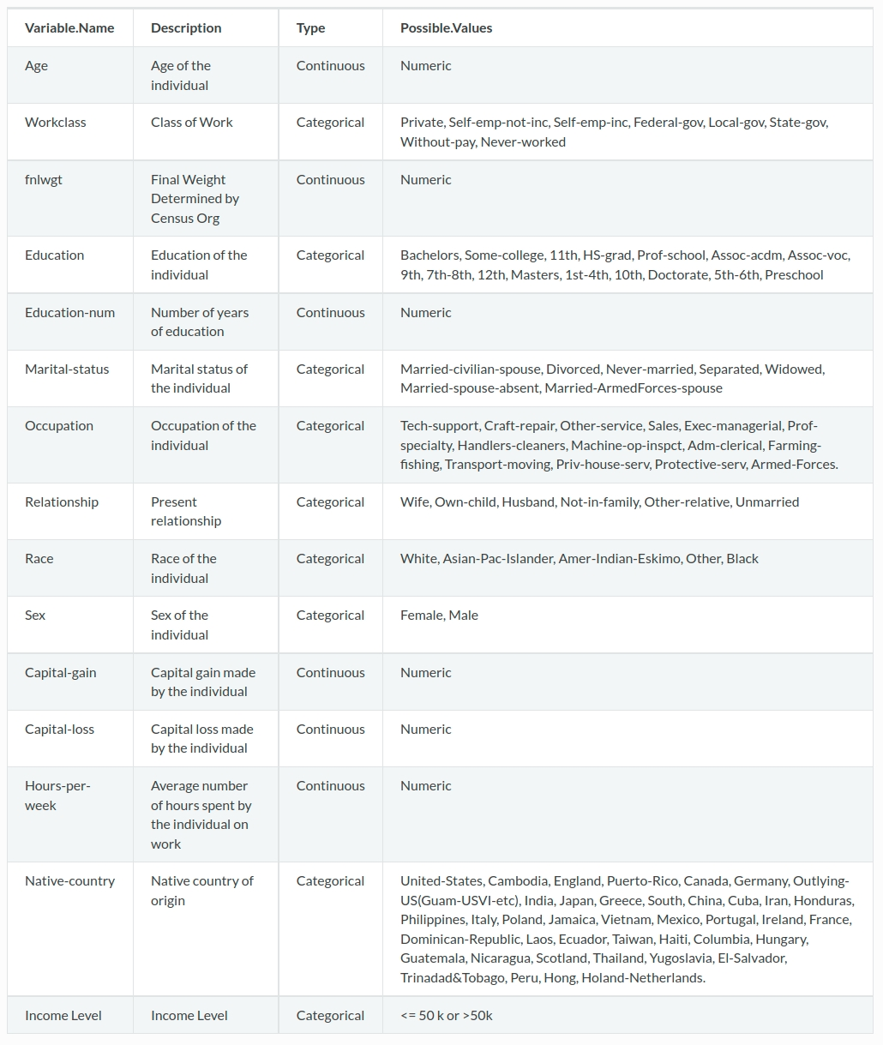

||||||||||||||||||||||||||||||||||||||||||||||||||||||||||||||||||||||||||||||||||||||||||||||||||||||||||||||||||||||||||||||||||||||||||||||||||||||||||||||||||||||||||||||||||||||||||||||||||||||||||||||||||||||||||||||||||||||||||||||||||||||

We defined three subjective evaluation metric described below:

Actionability: This metric evaluates to what extent the recommended changes are feasible for an individual. For example, decreasing “Age” or
changing “Race” and “Sex” seem impossible actions.

Consistency: This metric indicates to what extent the value of changed features are inconsistent with other features (either changed or unchanged).
A good explanation does not create an inconsistent state for the individual. For example, it needs to preserve the correlation between
the values of "Age" and "Education" features and “Sex”, "Marital-Status", and "Relationship" features.

Understandability: This metric evaluates the comprehensibility of explanations. It measure to what extent the explanation is intuitive and understandable.
Precisely, an understandable explanation does not make so many modifications and the modifications make sense.

||||||||||||||||||||||||||||||||||||||||||||||||||||||||||||||||||||||||||||||||||||||||||||||||||||||||||||||||||||||||||||||||||||||||||||||||||||||||||||||||||||||||||||||||||||||||||||||||||||||||||||||||||||||||||||||||||||||||||||||||||||||

In the next sheet, we provided 4 counterfactual explanations generated for 10 individuals. The task is to rank the explanations based on the mentioned
metrics from least to most effective. We provided an answered example below:

