View
 | View | Left-Top Position | Right-Bottom Position
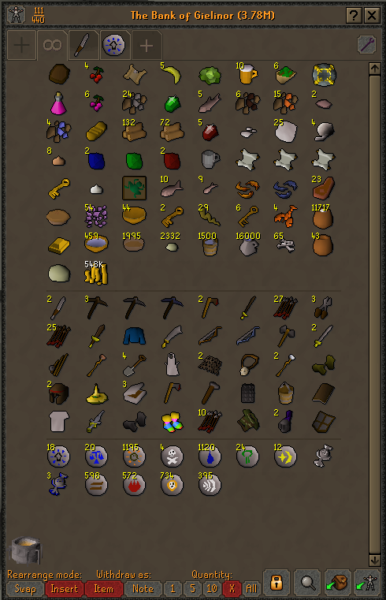 | Bank | 260, 60 | 735, 785
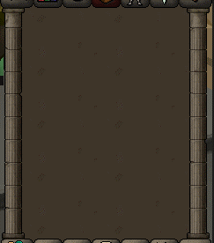 | Inventory | 1020, 660 | 0
 | Gerrant store | 270, 230 | 760, 600

