Sheet1 (2)
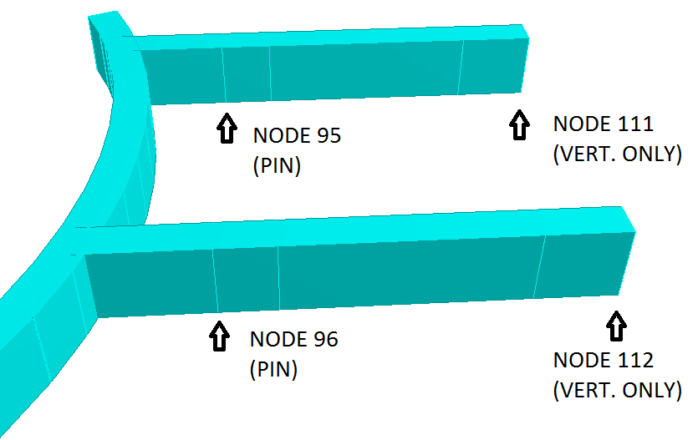

Cantilever 1 |  |  |  |  | Cantilever 2

Node | L/C | Fx kN | Fy kN | Fz kN | Node | L/C | Fx kN | Fy kN | Fz kN
95 | 1 DEAD | 1.587 | 11.332 | 16.945 | 96 | 1 DEAD | 1.44 | 9.91 | -21.402
 | 2 LIVE (FULL LOAD LAYDOWN) | 0 | 0 | -5.429 |  | 2 LIVE (FULL LOAD LAYDOWN) | 0 | 0 | 41.249
 | 3 LIVE - TRANSFORMER REMOVAL | 0 | 0 | -55.145 |  | 3 LIVE - TRANSFORMER REMOVAL | 0 | 0 | -41.575
 | 4 LIVE - CRANE (TOWARDS LAYDOWN) | -4.145 | 0.003 | 106.634 |  | 4 LIVE - CRANE (TOWARDS LAYDOWN) | -3.526 | 0.216 | -21.948
 | 5 LIVE - CRANE (AWAY FROM LAYDOWN) | 5.255 | -6.72 | -10.327 |  | 5 LIVE - CRANE (AWAY FROM LAYDOWN) | 5.624 | 1.757 | -104.15
 | 6 LIVE - GANGWAY LANDING | 0 | 0 | -9.435 |  | 6 LIVE - GANGWAY LANDING | 0 | 0 | 14.473
 | 7 WAVE RUN-UP | 0 | 0 | 6.237 |  | 7 WAVE RUN-UP | 0 | 0 | 87.139
 | 8 SNOW & ICE | 0 | 0 | -1.721 |  | 8 SNOW & ICE | 0 | 0 | 5.715
 | 9 1.25*DEAD | 1.984 | 14.165 | 21.181 |  | 9 1.25*DEAD | 1.8 | 12.387 | -26.753
 | 10 1.25*DEAD+1.25*LIVE(FULL) | 1.984 | 14.165 | 14.395 |  | 10 1.25*DEAD+1.25*LIVE(FULL) | 1.8 | 12.387 | 24.809
 | 11 1.25*DEAD+1.25*LIVE(TRANS) | 1.984 | 14.165 | -47.75 |  | 11 1.25*DEAD+1.25*LIVE(TRANS) | 1.8 | 12.387 | -78.721
 | 12 0.9*DEAD+1.35*WAVE | 1.428 | 10.199 | 23.67 |  | 12 0.9*DEAD+1.35*WAVE | 1.296 | 8.919 | 98.376
 | 13 1.25*D+1.25*LIVE(FULL)+1.25*CRANE(TOWARDS LAY)+1.35*SNOW/ICE | -3.197 | 14.169 | 145.364 |  | 13 1.25*D+1.25*LIVE(FULL)+1.25*CRANE(TOWARDS LAY)+1.35*SNOW/ICE | -2.608 | 12.657 | 5.089
 | 14 1.25*D+1.25*LIVE(FULL)+1.25*CRANE(AWAY LAY)+1.35*SNOW/ICE | 8.553 | 5.765 | -0.837 |  | 14 1.25*D+1.25*LIVE(FULL)+1.25*CRANE(AWAY LAY)+1.35*SNOW/ICE | 8.829 | 14.584 | -97.663
 | 15 1.25*DEAD+1.25*LIVE(TRANS)+1.25*CRANE(TOWARDS) | -3.197 | 14.169 | 85.543 |  | 15 1.25*DEAD+1.25*LIVE(TRANS)+1.25*CRANE(TOWARDS) | -2.608 | 12.657 | -106.157
 | 16 1.25*DEAD+1.25*LIVE(TRANS)+1.25*CRANE(AWAY) | 8.553 | 5.765 | -60.658 |  | 16 1.25*DEAD+1.25*LIVE(TRANS)+1.25*CRANE(AWAY) | 8.829 | 14.584 | -208.909
 | 17 1.25*DEAD+1.25*LIVE(GANGWAY) | 1.984 | 14.165 | 9.387 |  | 17 1.25*DEAD+1.25*LIVE(GANGWAY) | 1.8 | 12.387 | -8.661
111 | 1 DEAD | 0 | 0 | 27.608 | 112 | 1 DEAD | 0 | 0 | 7.965
 | 2 LIVE (FULL LOAD LAYDOWN) | 0 | 0 | 207.623 |  | 2 LIVE (FULL LOAD LAYDOWN) | 0 | 0 | 118.226
 | 3 LIVE - TRANSFORMER REMOVAL | 0 | 0 | 274.78 |  | 3 LIVE - TRANSFORMER REMOVAL | 0 | 0 | 231.895
 | 4 LIVE - CRANE (TOWARDS LAYDOWN) | 0 | 0 | 28.74 |  | 4 LIVE - CRANE (TOWARDS LAYDOWN) | 0 | 0 | 2.89
 | 5 LIVE - CRANE (AWAY FROM LAYDOWN) | 0 | 0 | 86.142 |  | 5 LIVE - CRANE (AWAY FROM LAYDOWN) | 0 | 0 | 21.1
 | 6 LIVE - GANGWAY LANDING | 0 | 0 | 123.169 |  | 6 LIVE - GANGWAY LANDING | 0 | 0 | 74.904
 | 7 WAVE RUN-UP | 0 | 0 | -4.014 |  | 7 WAVE RUN-UP | 0 | 0 | -22.27
 | 8 SNOW & ICE | 0 | 0 | 30.568 |  | 8 SNOW & ICE | 0 | 0 | 16.09
 | 9 1.25*DEAD | 0 | 0 | 34.509 |  | 9 1.25*DEAD | 0 | 0 | 9.957
 | 10 1.25*DEAD+1.25*LIVE(FULL) | 0 | 0 | 294.038 |  | 10 1.25*DEAD+1.25*LIVE(FULL) | 0 | 0 | 157.739
 | 11 1.25*DEAD+1.25*LIVE(TRANS) | 0 | 0 | 377.985 |  | 11 1.25*DEAD+1.25*LIVE(TRANS) | 0 | 0 | 299.826
 | 12 0.9*DEAD+1.35*WAVE | 0 | 0 | 19.428 |  | 12 0.9*DEAD+1.35*WAVE | 0 | 0 | -22.895
 | 13 1.25*D+1.25*LIVE(FULL)+1.25*CRANE(TOWARDS LAY)+1.35*SNOW/ICE | 0 | 0 | 371.23 |  | 13 1.25*D+1.25*LIVE(FULL)+1.25*CRANE(TOWARDS LAY)+1.35*SNOW/ICE | 0 | 0 | 183.073
 | 14 1.25*D+1.25*LIVE(FULL)+1.25*CRANE(AWAY LAY)+1.35*SNOW/ICE | 0 | 0 | 442.983 |  | 14 1.25*D+1.25*LIVE(FULL)+1.25*CRANE(AWAY LAY)+1.35*SNOW/ICE | 0 | 0 | 205.836
 | 15 1.25*DEAD+1.25*LIVE(TRANS)+1.25*CRANE(TOWARDS) | 0 | 0 | 413.91 |  | 15 1.25*DEAD+1.25*LIVE(TRANS)+1.25*CRANE(TOWARDS) | 0 | 0 | 303.439
 | 16 1.25*DEAD+1.25*LIVE(TRANS)+1.25*CRANE(AWAY) | 0 | 0 | 485.662 |  | 16 1.25*DEAD+1.25*LIVE(TRANS)+1.25*CRANE(AWAY) | 0 | 0 | 326.201
 | 17 1.25*DEAD+1.25*LIVE(GANGWAY) | 0 | 0 | 188.471 |  | 17 1.25*DEAD+1.25*LIVE(GANGWAY) | 0 | 0 | 103.587

