Page 1
Level Up Your Excel!

Making your life easier with the world's most popular data manipulation product!
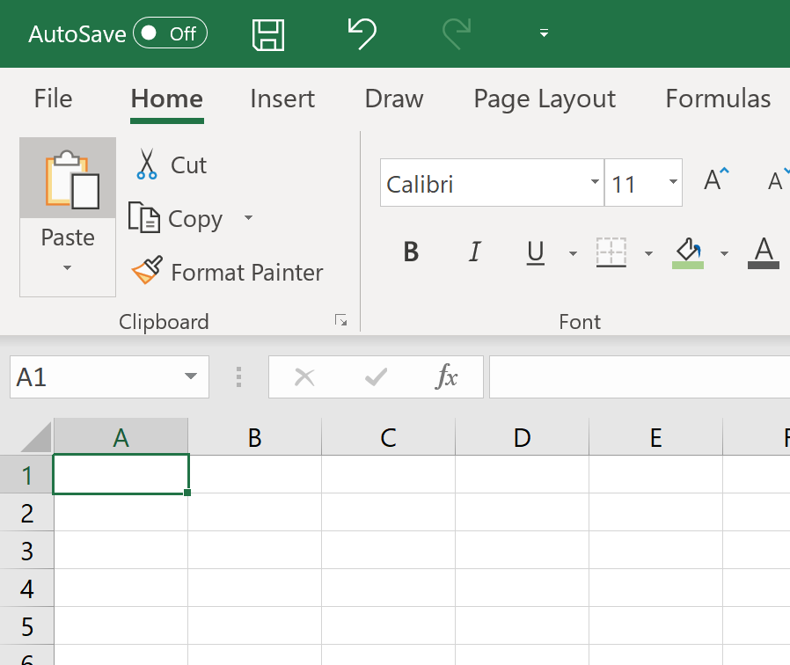

Simon Stride
Jun-19

Charting
Source Data

Make | Average Price
Audi | £39,298.00
VW | £36,637.00
Ford | £35,558.67
Jaguar | £34,445.00
Honda | £33,836.50
Mini | £31,627.00
Peugeot | £28,249.00
Kia | £25,393.67
Toyota | £24,765.00
BMW | £24,594.00
Jeep | £24,187.00
Mercedes | £22,928.67
Citroen | £16,682.50

 |  | Stephen Few
 |  | chandoo.org

