Page 1
Level Up Your Excel!

Making your life easier with the world's most popular data manipulation product!
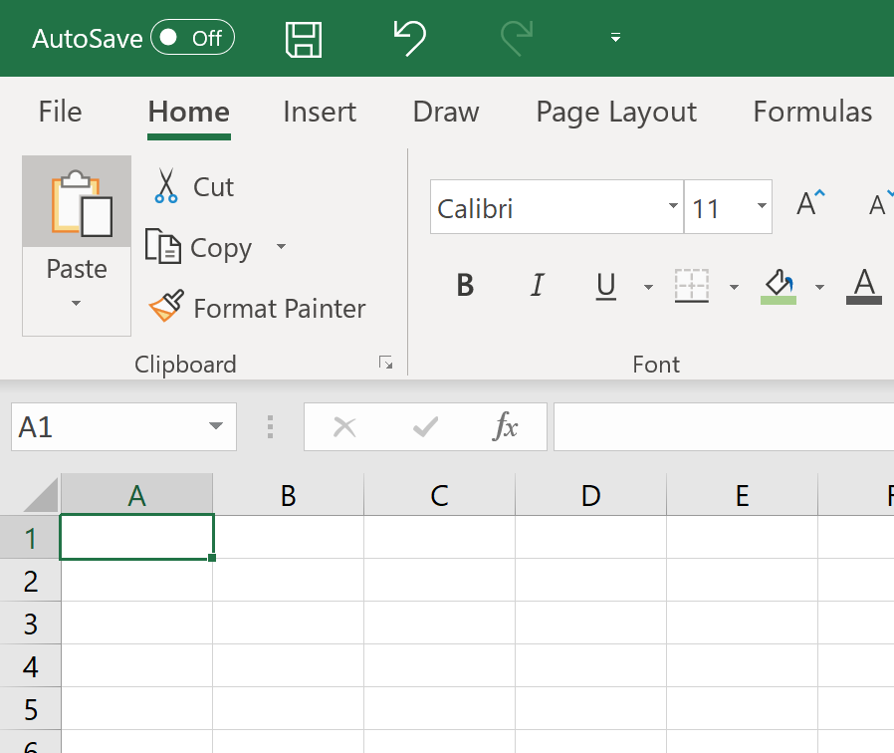

Simon Stride
Jun-19

Charting
Source Data

Make | Average Price
Audi | 39298
VW | 36637
Ford | 35558.666667
Jaguar | 34445
Honda | 33836.5
Mini | 31627
Peugeot | 28249
Kia | 25393.666667
Toyota | 24765
BMW | 24594
Jeep | 24187
Mercedes | 22928.666667
Citroen | 16682.5

Sheet2
Sum of Price | Column Labels
Row Labels | No | Yes | Grand Total
306 | 10738 |  | 10738
320 |  | 38691 | 38691
1008 |  | 45760 | 45760
A1 |  | 36170 | 36170
 | No | Yes
306 | 10738
320 |  | 38691
1008 |  | 45760
A1 |  | 36170
A5 |  | 34114
C Class |  | 31900
C3 |  | 26335
C5 | 7030
Cee'd |  | 22862
Cherokee |  | 28455
Clubman |  | 40045
Compass | 19919
Cooper |  | 23209
Corolla |  | 37557
CRV |  | 48867
Golf |  | 44905
HRV | 18806
Kuga |  | 31204
M-Class | 15259
Mondeo |  | 26056
Passat |  | 47059
Picanto | 12300
Polo | 17947
Q5 |  | 47610
Ranger |  | 49416
Rav 4 | 11973
S Class |  | 21627
Sportage |  | 41019
S-Type |  | 34483
X1 | 10497
XJ220 |  | 34407
A5 |  | 34114 | 34114
C Class |  | 31900 | 31900
C3 |  | 26335 | 26335
C5 | 7030 |  | 7030
Cee'd |  | 22862 | 22862
Cherokee |  | 28455 | 28455
Clubman |  | 40045 | 40045
Compass | 19919 |  | 19919
Cooper |  | 23209 | 23209
Corolla |  | 37557 | 37557
CRV |  | 48867 | 48867
Golf |  | 44905 | 44905
HRV | 18806 |  | 18806
Kuga |  | 31204 | 31204
M-Class | 15259 |  | 15259
Mondeo |  | 26056 | 26056
Passat |  | 47059 | 47059
Picanto | 12300 |  | 12300
Polo | 17947 |  | 17947
Q5 |  | 47610 | 47610
Ranger |  | 49416 | 49416
Rav 4 | 11973 |  | 11973
S Class |  | 21627 | 21627
Sportage |  | 41019 | 41019
S-Type |  | 34483 | 34483
X1 | 10497 |  | 10497
XJ220 |  | 34407 | 34407
Grand Total | 124469 | 791751 | 916220

