Balance Sheet
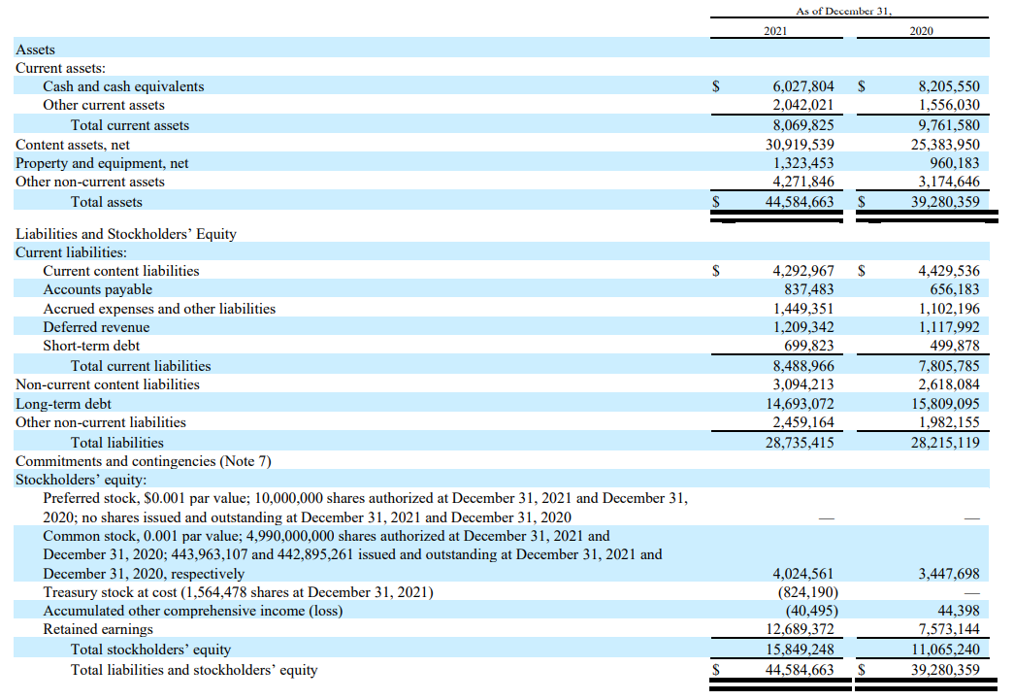

Income Statement
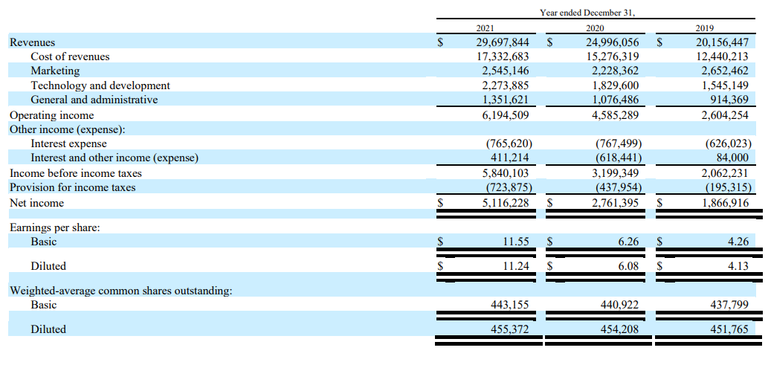

Cash Flow Statement
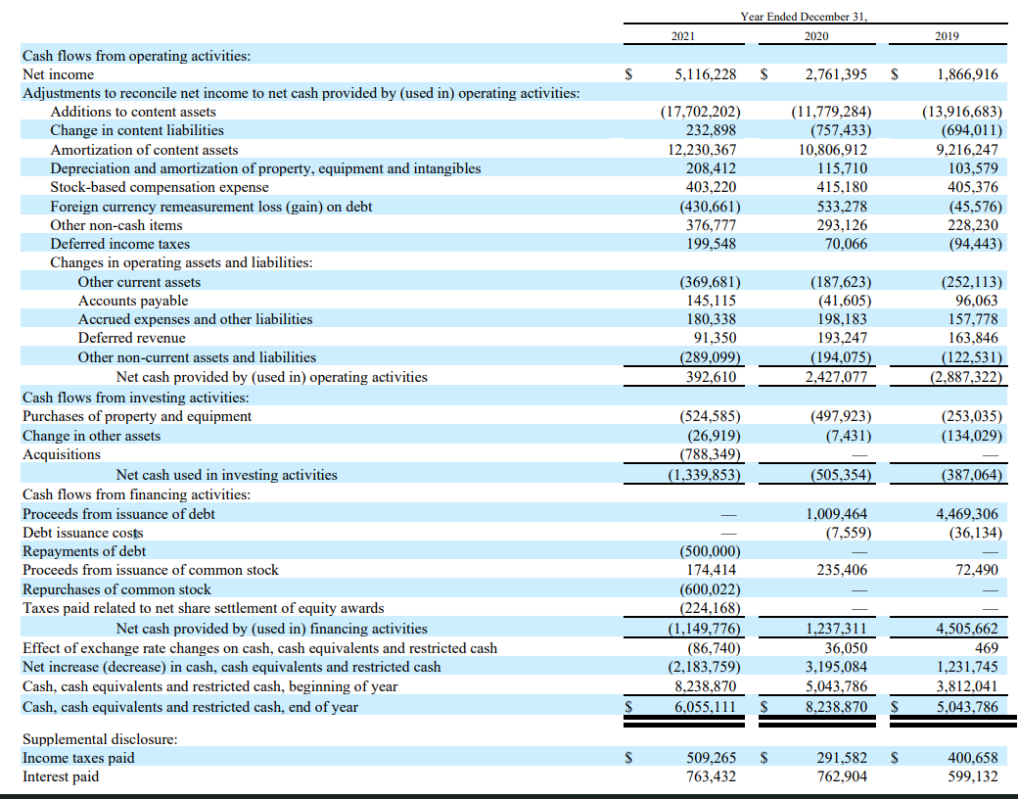

Cost of Debt
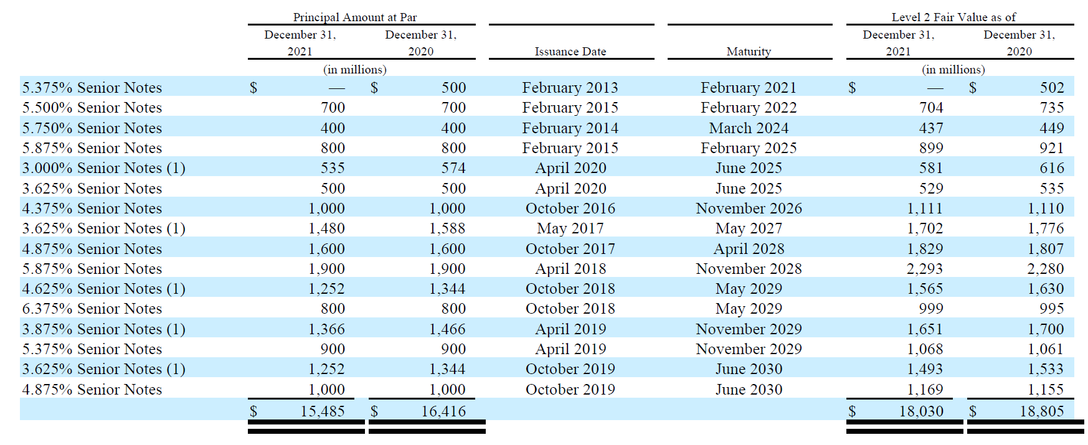
Debt structure in 31/12/2021 |  |  |  |  |  |  |  |  |  | Pre-tax Cost of Debt = | 4.96% |  | After-tax Cost of Debt = | 3.62%
Maturity | Senior debt (in millions) | Years | %Debt | W.A. Maturity | Interest coverage ratio | Corporate Default Spread
2022 | $700 | 1 | 4.52% | 0.05 | 7.88 | For developed market firms with market cap > $5 billion |  |  |  | Year 1 | $690,769
2022-24 | $400 | 3 | 2.58% | 0.08 |  | If interest coverage ratio is |  |  |  | Year 2 | $658,120
2022-25 | $1,835 | 4 | 11.85% | 0.47 |  | > | ≤ to | Rating is | Spread is | Year 3 | $627,013
2022-26 | $1,000 | 5 | 6.46% | 0.32 |  | 8.50 | 100000 | Aaa/AAA | 0.63% | Year 4 | $597,378
2022-27 | $1,480 | 6 | 9.56% | 0.57 |  | 6.5 | 8,499,999 | Aa2/AA | 0.78% | Year 5 | $569,142
2022-28 | $3,500 | 7 | 22.60% | 1.58 |  | 5.5 | 6,499,999 | A1/A+ | 0.98% | Year 6 | $542,242
2022-29 | $4,318 | 8 | 27.89% | 2.23 |  | 4.25 | 5,499,999 | A2/A | 1.08% | Year 7 | $516,613
2022-30 | $2,252 | 9 | 14.54% | 1.31 |  | 3 | 4,249,999 | A3/A- | 122% | Year 7 | $10,469,282
 | $15,485 |  |  | 7 |  | 2.5 | 2,999,999 | Baa2/BBB | 1.56% |  | $14,670,558 | Market value of Debt
 |  |  |  |  |  | 2.25 | 2,249,999 | Ba1/BB+ | 2.00%
 |  |  |  |  |  | 2 | 22,499,999 | Ba2/BB | 2.40%
 |  |  |  |  |  | 1.75 | 1,999,999 | B1/B+ | 351%
 |  |  |  |  |  | 1.5 | 1,749,999 | B2/B | 4.21%
 |  |  |  |  |  | 1.25 | 1,499,999 | B3/B- | 5.15%
 |  |  |  |  |  | 0.8 | 1,249,999 | Caa/CCC | 8.20%
 |  |  |  |  |  | 0.65 | 0.799999 | Ca2/CC | 8.64%
 |  |  |  |  |  | 0.2 | 0.649999 | C2/C | 11.34%
 |  |  |  |  |  | -100000 | 0.199999 | D2/D | 15.12%

