test_case
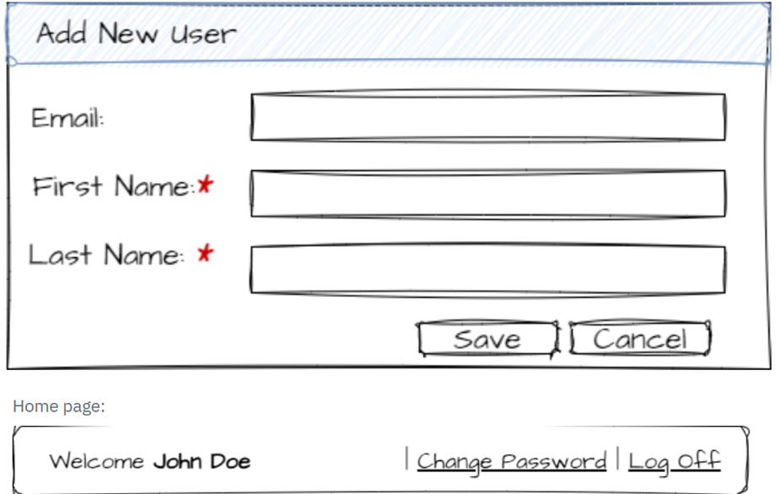
Test Case | Tes Case Name | Precondition | Data | Step | Action | Expect Result | Assumptions | Questions
TC- 01 | Create new user with valid credentials | The system must be accessible |  | 1 | Acess the user creation page(link) | The page opens | site | What url/site?
 |  |  |  | 2 | Click on the "Add new user" button | A pop-up appears to create a new user | pop-up | Is it a pop-up or a page?
 |  |  | Email: email Name: John Last name: Doe | 3 | Check the presence of the available fields: Email, First name, Last name (last two mandatory fields) and save + cancel button | The fields have * indicating mandatory and all fields must be filled in the pop-up | 30 chacacters | What should the email format/domain be?Do the Email, First Name and Last Name fields accept special characters?What is the correct amount of characters for each field? Number of characters in the name field in the requirement is not suitable for a short name,What length will be maintained?
 |  |  |  | 4 | Fill in the fields with: email, John, Donate and click "Save" | The data is saved and a message appears asking you to validate your email or we receive an email in our inbox to continue the process
 |  |  |  | 5 | Go to your personal/corporate email and click on the link | Redirected to the page where we are with a success message Welcome John Doe
 |  |  |  | 6 | Log off | The session is disconnected
 |  |  |  | 7 | login with your email + password
 |  |  |  | 8 | Click on change password
TC- 02 | Create a user with an invalid email format | The system must be accessible |  | 1 | Acess the user creation page(link) | The page opens
 |  |  |  | 2 | Click on the "Add new user" button | A pop-up appears to create a new user
 |  |  | Email: email.com Name: John Last name: Doe | 3 | Check the presence of the available fields: Email, First name, Last name (last two mandatory fields) and save + cancel button | The fields have * indicating mandatory and all fields must be filled in the pop-up | 30 chacacters | Confirm number of characters?
 |  |  |  | 4 | Fill in the fields with: invalid email, John, Don e and click "Save" | The system should display an error message and not allow the creation of a new user.
 |  |  |  | 5 | Check if the message | The message must be easy to understand and suggest corrections to the email.
TC-03 | Create a user - limits | The system must be accessible |  | 1 | Acess the user creation page(link)
 |  |  |  | 2 | Click on the "Add new user" button
 |  |  |  | 3 | Check the presence of the available fields: Email, First name, Last name (last two mandatory fields) and save + cancel button
 |  |  | Email:email Name:Joh Last name: Doe | 4 | Fill in the name field with 3 characters, name and last name with valid fields | Fill in the name field with 3 characters, name and last name with valid fields | 3-30 chacacters | Confirm minimum number of characters?
 |  |  | Email:email Name: Jo Last name: Doe | 5 | Fill in the name field with 2 characters, name and last name with valid fields | The system should display an error message and not allow the creation of a new user. |  | Is there validation for the number of characters above and below the limit values?
 |  |  | Email:email Name: JohnJohnJohnJohnJohnJohnJohnJo Last name: Doe | 6 | Fill in the name field with 30 characters, name and last name with valid fields | Fill in the name field with 3 characters, name and last name with valid fields
TC-04 | Verify email is sent with temporary password | The user must be logged in to the home page |  | 1 | Acess the user creation page(link) | The page opens | site | Will the email with the temporary password be sent immediately after filling in the fields?What is the validity of the temporary password?
 |  |  |  | 2 | Click on the "Add new user" button | A pop-up appears to create a new user | pop-up
 |  |  | Email: email Name: John Last name: Doe | 3 | Check the presence of the available fields: Email, First name, Last name (last two mandatory fields) and save + cancel button | The fields have * indicating mandatory and all fields must be filled in the pop-up | 30 chacacters
 |  |  |  | 4 | Fill in the fields with: email, John, Donate and click "Save" | The data is saved and a message appears asking you to validate your email or we receive an email in our inbox to continue the process
 |  |  |  | 5 | Go to your personal/corporate email and click on the link | Redirected to the page where we are with a success message Welcome John Doe
 |  |  |  | 6 | check if email was sent to user | The system processes the email request, and the email is sent to the registered email address.
 |  |  |  | 7 | Check the registered email inbox | The email is received within a reasonable time frame, containing a temporary password, and includes clear instructions on how to change it.
TC-05 | Verify user creation response time | The system must be accessible |  | 1 | Acess the user creation page(link) | The page opens | site
 |  |  |  | 2 | Click on the "Add new user" button | A pop-up appears to create a new user | pop-up
 |  |  |  | 3 | Check the presence of the available fields: Email, First name, Last name (last two mandatory fields) and save + cancel button | The fields have * indicating mandatory and all fields must be filled in the pop-up | 30 chacacters
 |  |  |  | 4 | Fill in the fields with: email, John, Donate and click "Save" | The data is saved and a message appears asking you to validate your email or we receive an email in our inbox to continue the process
 |  |  |  | 5 | Go to your personal/corporate email and click on the link | Redirected to the page where we are with a success message Welcome John Doe
 |  |  |  | 6 | Check response time | The user is created successfully and the system responds in a timely manner. |  | How will the 3-second time for user creation be monitored?

