Sheet
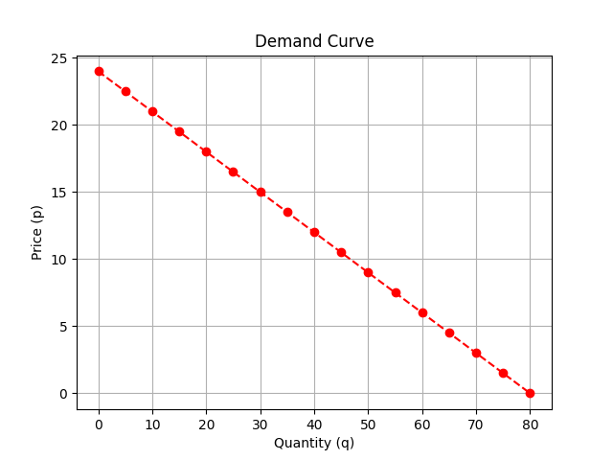
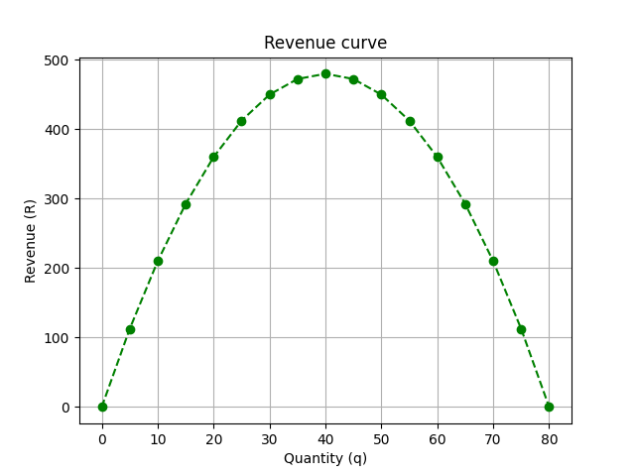
Quantities (q) | Prices (p) | Revenues (R)
0 | 24 | 0
5 | 22.5 | 112.5
10 | 21 | 210
15 | 19.5 | 292.5
20 | 18 | 360
25 | 16.5 | 412.5
30 | 15 | 450
35 | 13.5 | 472.5
40 | 12 | 480
45 | 10.5 | 472.5
50 | 9 | 450
55 | 7.5 | 412.5
60 | 6 | 360
65 | 4.5 | 292.5
70 | 3 | 210
75 | 1.5 | 112.5
80 | 0 | 0

