Int. Prep
TO-DO/INTERVIEW PREPERATION.
STUDY THE FULL DEVOPS DAY TO DAY RESPONSIBILITIES EDUREKA YT VIDEO. VERY HELP FULL FOR INTERVIEW.
BE EXPERT WITH THE FILES THAT I AM UPLOADING IN THE GITHUB.
BE EXPERT WITH TERRAFORM FILES UPLOADED AND TERRAFORM FULL PROJ, TERRAFORM IAC DEVOPS PROJ. INTERVIEWER MAY ASK AND MUST BE ABLE TO TELL THEM.
ALSO TRY TO MAKE SURE THE CODE IS RUNNING. KEEP SPECIAL FOCUS FROM SECTION 13.

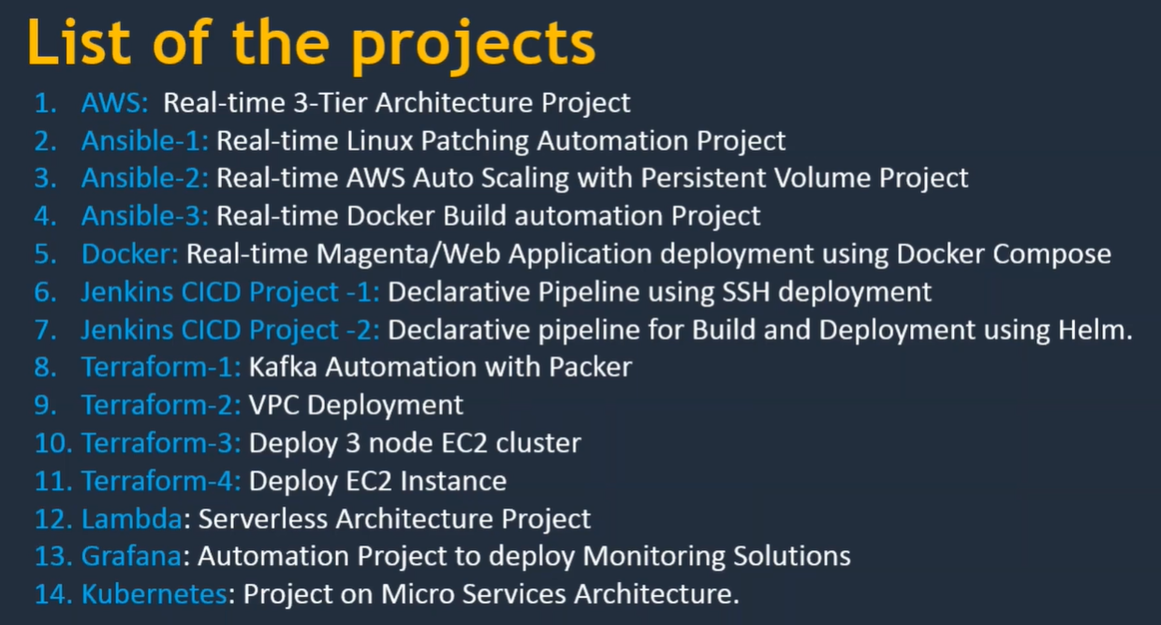

DevOps Tools Review
More Review | AWS
Okay | Terraform | Jira+B27:B42
More Review | CloudFormation
Alright | Git/Git-Hub/Bit-Bucket
Alright | Apache Maven
Alright | Apache Tomcat-Nginx
Alright | Jfrog
Alright | SonarQube
Alright | Ansible
Alright | Packer
Alright | Docker
 | Kubernetes
 | EKS
 | Helm
 | Jenkins
 | Prometheus
 | Jira

