Plan
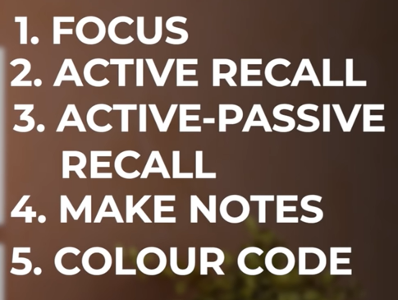
Days | Day | Date | Subject | What Studied? What interview questions I have studied?
48 | FRI | 2022-04-29 | MyGIT/DPT 44 - 48 | Agenda is to Understand the full CI-CD Process | 1 | Pay Full Attention to the Lectures.
47 | SAT | 2022-04-30 | MyGIT/DPT 44 - 48 |  |  | Any Approach which is not without full concentration will not develop my Memory.
46 | SUN | 2022-05-01 | AWS |  |  | Whenever, Wherever, How much time I study, I have to Study with Full Concentration.
45 | MON | 2022-05-02 | AWS |  |  | Study Because I want to Study, Then only concentration will be there.
44 | TUE | 2022-05-03 | AWS |  |  | I have to prepare Notes as well.
43 | WED | 2022-05-04 | AWS |  | 2 | Active Recall
42 | THU | 2022-05-05 | AWS |  |  | After every Lecture: Sit in Silence, Close my Eyes, Recall the whole Lecture from start to end
41 | FRI | 2022-05-06 | AWS |  |  | and write those points.
40 | SAT | 2022-05-07 | AWS |  |  | If I forgot or missed any points, listen to the lecture again and fill those points.
39 | SUN | 2022-05-08 | Terraform |  |  | And these points I should focus more to remember.
38 | MON | 2022-05-09 | Terraform |  | 3 | Active Passive Memorization
37 | TUE | 2022-05-10 | Terraform |  |  | It is Human Tendency that I will forget most of it by next day.
36 | WED | 2022-05-11 | Terraform |  |  | To overcome this I have to do continous revision cycles.
35 | THU | 2022-05-12 | Terraform |  |  | Go through the notes which I have written.
34 | FRI | 2022-05-13 | Terraform |  |  | Revision Cycle should be weekly, for nightly and monthly.
33 | SAT | 2022-05-14 | Kubernetes |  |  | This will make the momory go deeper in the subconcious and it becomes like
32 | SUN | 2022-05-15 | Kubernetes |  |  | natural for them to remember.
31 | MON | 2022-05-16 | Kubernetes |  | 4 | For Active Passive Memorization, for all the topics, make a clear flow chart.
30 | TUE | 2022-05-17 | EKS |  |  | so that it will be easy to remember.
29 | WED | 2022-05-18 | EKS |  |  | This will increase my confidence.
28 | THU | 2022-05-19 | EKS |  | 5 | Colour Code the things which I tend to forget also which I remember
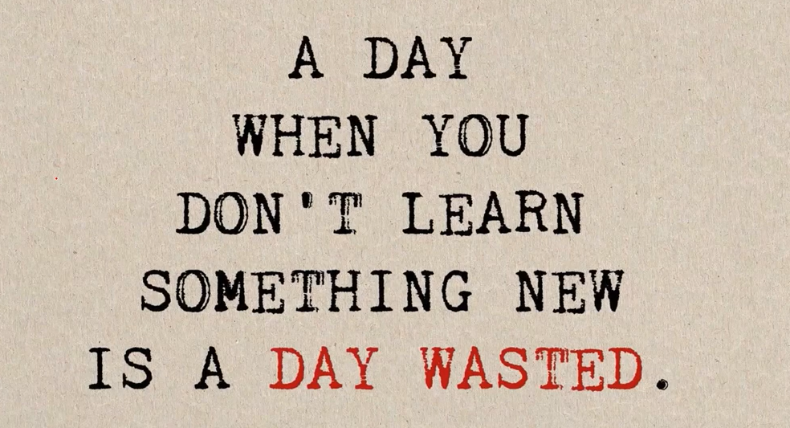
27 | FRI | 2022-05-20 | NANA-DBN | From Here should cover all the Topics
26 | SAT | 2022-05-21 | NANA-DBN
25 | SUN | 2022-05-22 | NANA-DBN
24 | MON | 2022-05-23 | NANA-DBN
23 | TUE | 2022-05-24 | NANA-DBN
22 | WED | 2022-05-25 | NANA-DBN
21 | THU | 2022-05-26 | NANA-DBN
20 | FRI | 2022-05-27 | NANA-DBN
19 | SAT | 2022-05-28 | NANA-DBN
18 | SUN | 2022-05-29 | NANA-DBN
17 | MON | 2022-05-30 | NANA-DBN
16 | TUE | 2022-05-31 | NANA-DBN
15 | WED | 2022-06-01 | NANA-DBN
14 | THU | 2022-06-02 | NANA-DBN
13 | FRI | 2022-06-03 | NANA-DBN
12 | SAT | 2022-06-04 | NANA-DBN
11 | SUN | 2022-06-05 | NANA-DBN
10 | MON | 2022-06-06 | NANA-DBN
9 | TUE | 2022-06-07 | NANA-DBN
8 | WED | 2022-06-08 | NANA-DBN
7 | THU | 2022-06-09 | NANA-DBN
6 | FRI | 2022-06-10 | NANA-DBN
5 | SAT | 2022-06-11 | NANA-DBN
4 | SUN | 2022-06-12 | DevSecOps
3 | MON | 2022-06-13 | DevSecOps
2 | TUE | 2022-06-14 | K8S Security
1 | WED | 2022-06-15 | K8S Security

30 | THU | 2022-06-16 | Job Search
29 | FRI | 2022-06-17
28 | SAT | 2022-06-18
27 | SUN | 2022-06-19
26 | MON | 2022-06-20
25 | TUE | 2022-06-21
24 | WED | 2022-06-22
23 | THU | 2022-06-23
22 | FRI | 2022-06-24
21 | SAT | 2022-06-25
20 | SUN | 2022-06-26
19 | MON | 2022-06-27
18 | TUE | 2022-06-28
17 | WED | 2022-06-29
16 | THU | 2022-06-30
15 | FRI | 2022-07-01
14 | SAT | 2022-07-02
13 | SUN | 2022-07-03
12 | MON | 2022-07-04
11 | TUE | 2022-07-05
10 | WED | 2022-07-06
9 | THU | 2022-07-07
8 | FRI | 2022-07-08
7 | SAT | 2022-07-09
6 | SUN | 2022-07-10
5 | MON | 2022-07-11
4 | TUE | 2022-07-12
3 | WED | 2022-07-13
2 | THU | 2022-07-14
1 | FRI | 2022-07-15

