Plan
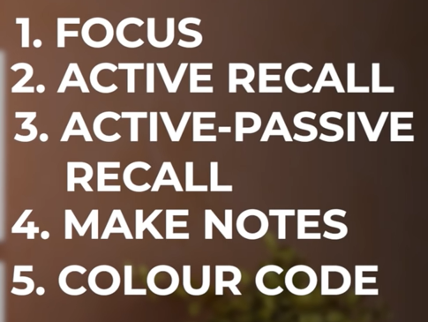
Days4R | Days | Day |  | Date |  |  |  | Subject
 | 48 | FRI |  | 2022-04-29 |  |  |  | MyGIT/DPT 44 - 48 | 1 | Pay Full Attention to the Lectures.
 | 47 | SAT |  | 2022-04-30 |  |  |  | AWS-RK |  | Any Approach which is not without full concentration will not develop my Memory.
 | 46 | SUN |  | 2022-05-01 |  |  |  | AWS-RK |  | Whenever, Wherever, How much time I study, I have to Study with Full Concentration.
75 | 45 | MON |  | 2022-05-02 |  |  |  | AWS-RK |  | Study Because I want to Study, Then only concentration will be there.
74 | 44 | TUE |  | 2022-05-03 |  | AWS |  | RDS, DynamoDB, ElastiCache, S3, EBS, EFS, FSX, DR |  | I have to prepare Notes as well.
73 | 43 | WED |  | 2022-05-04 |  | Terraform |  |  | 2 | Active Recall
72 | 42 | THU |  | 2022-05-05 |  | Terraform |  | Started Trf 20 Demos @ 9:00 AM |  | After every Lecture: Sit in Silence, Close my Eyes, Recall the whole Lecture from start to end
71 | 41 | FRI |  | 2022-05-06 |  | Terraform/AWS |  |  |  | and write those points.
70 | 40 | SAT |  | 2022-05-07 |  | Terraform/AWS |  |  |  | If I forgot or missed any points, listen to the lecture again and fill those points.
69 | 39 | SUN |  | 2022-05-08 |  | DIP |  |  |  | And these points I should focus more to remember.
68 | 38 | MON | 49 | 2022-05-09 |  | Kubernetes |  |  | 3 | Active Passive Memorization
67 | 37 | TUE | 48 | 2022-05-10 | Nana-DB-N | Kubernetes | DevOps Intro |  |  | It is Human Tendency that I will forget most of it by next day.
66 | 36 | WED | 47 | 2022-05-11 |  | Kubernetes | Linux/Bash |  |  | To overcome this I have to do continous revision cycles.
65 | 35 | THU | 46 | 2022-05-12 | DB-N(10,11) K8s Richard/ ISTIO Srinath K8S EKS-All | Kubernetes | Linux/Bash/GIT |  |  | Go through the notes which I have written.
64 | 34 | FRI | 45 | 2022-05-13 | DevOps GQ | Kubernetes | GIT |  |  | Revision Cycle should be weekly, for nightly and monthly.
63 | 33 | SAT | 44 | 2022-05-14 |  | Kubernetes | Maven |  |  | This will make the momory go deeper in the subconcious and it becomes like
62 | 32 | SUN | 43 | 2022-05-15 |  | Kubernetes | Maven |  |  | natural for them to remember.
61 | 31 | MON | 42 | 2022-05-16 |  | Kubernetes | Nexus |  | 4 | For Active Passive Memorization, for all the topics, make a clear flow chart.
60 | 30 | TUE | 41 | 2022-05-17 |  | Kubernetes | Docker |  |  | so that it will be easy to remember.
59 | 29 | WED | 40 | 2022-05-18 |  | Kubernetes | Jenkins |  |  | This will increase my confidence.
58 | 28 | THU | 39 | 2022-05-19 |  | Kubernetes | Kubernetes | Srinath | 5 | Colour Code the things which I tend to forget also which I remember
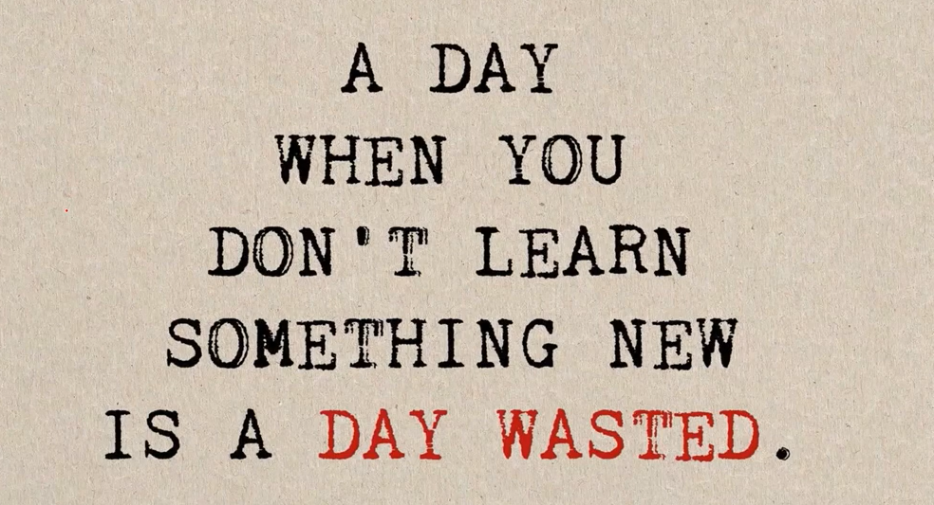
57 | 27 | FRI | 38 | 2022-05-20 |  | Kubernetes | Kubernetes | Richard/istio
56 | 26 | SAT | 37 | 2022-05-21 |  | DevSecOps | Kubernetes | Nana
55 | 25 | SUN | 36 | 2022-05-22 |  | DevSecOps | Kubernetes | EKS |  | Process to Follow
54 | 24 | MON | 35 | 2022-05-23 |  | K8S Security | Kubernetes | EKS-KALYAN | 1 | I have to stick to the plan. This plan may be very late, very time consuming
53 | 23 | TUE | 34 | 2022-05-24 | AS PER DIP | NANA-DBN | Kubernetes | Nana-DBN |  | but gradually I can speed up.
52 | 22 | WED | 33 | 2022-05-25 |  | NANA-DBN | Kubernetes | DevSecOps | 2 | Like before I should Not Copy the transcripts for later study.
51 | 21 | THU | 32 | 2022-05-26 | GIT | NANA-DBN | Kubernetes | K8S Security |  | While Studying, as I will not be watching video, it will create lot of confusion.
50 | 20 | FRI | 31 | 2022-05-27 |  | NANA-DBN | Kubernetes |  | 3 | For Each Video: I should care fully listen. Understand, Take a Screenshot
49 | 19 | SAT | 30 | 2022-05-28 |  | NANA-DBN | Kubernetes |  |  | and write in my own words. Like summary. Do not try to write word by word again.
48 | 18 | SUN | 29 | 2022-05-29 |  | NANA-DBN | EKS |  | 4 | By Doing this I will be able to remember the concepts for long.
47 | 17 | MON | 28 | 2022-05-30 |  | NANA-DBN | EKS |  |  | Easy Study at the revision time.
46 | 16 | TUE | 27 | 2022-05-31 |  | NANA-DBN | EKS
45 | 15 | WED | 26 | 2022-06-01 |  | NANA-DBN | EKS |  |  | Also buying the Interview Guide of Valaxy.
44 | 14 | THU | 25 | 2022-06-02 |  | NANA-DBN | EKS |  |  | Because at this time I cant go and study each video. I need to
43 | 13 | FRI | 24 | 2022-06-03 |  | NANA-DBN | Python |  |  | concentrate on IMP topics.
42 | 12 | SAT | 23 | 2022-06-04 |  | NANA-DBN | Python |  |  | It costs 3000 and I need to payback 6000 into my account.
41 | 11 | SUN | 22 | 2022-06-05 |  | NANA-DBN | Python
40 | 10 | MON | 21 | 2022-06-06 |  | Interview Prep | Ansible
39 | 9 | TUE | 20 | 2022-06-07 |  | Interview Prep | Ansible
38 | 8 | WED | 19 | 2022-06-08 |  | Interview Prep | Ansible
37 | 7 | THU | 18 | 2022-06-09 |  | Interview Prep | Prometheus
36 | 6 | FRI | 17 | 2022-06-10 |  | Interview Prep | Prometheus
35 | 5 | SAT | 16 | 2022-06-11 |  | Interview Prep | DevSecOps
34 | 4 | SUN | 15 | 2022-06-12 |  | Interview Prep | DevSecOps
33 | 3 | MON | 14 | 2022-06-13 |  | Interview Prep | DevSecOps
32 | 2 | TUE | 13 | 2022-06-14 |  | Interview Prep | K8S Security
31 | 1 | WED | 12 | 2022-06-15 |  | Interview Prep | K8S Security
30 | 30 | THU | 11 | 2022-06-16 |  |  | K8S Security
29 | 29 | FRI | 10 | 2022-06-17
28 | 28 | SAT | 9 | 2022-06-18
27 | 27 | SUN | 8 | 2022-06-19
26 | 26 | MON | 7 | 2022-06-20
25 | 25 | TUE | 6 | 2022-06-21
24 | 24 | WED | 5 | 2022-06-22 |  |  | Interview Prep
23 | 23 | THU | 4 | 2022-06-23 |  |  | Interview Prep
22 | 22 | FRI | 3 | 2022-06-24 |  |  | Interview Prep
21 | 21 | SAT | 2 | 2022-06-25 |  |  | Interview Prep
20 | 20 | SUN | 1 | 2022-06-26 |  |  | Interview Prep
19 | 19 | MON |  | 2022-06-27
18 | 18 | TUE |  | 2022-06-28
17 | 17 | WED |  | 2022-06-29
16 | 16 | THU |  | 2022-06-30
15 | 15 | FRI |  | 2022-07-01
14 | 14 | SAT |  | 2022-07-02
13 | 13 | SUN |  | 2022-07-03
12 | 12 | MON |  | 2022-07-04
11 | 11 | TUE |  | 2022-07-05
10 | 10 | WED |  | 2022-07-06
9 | 9 | THU |  | 2022-07-07
8 | 8 | FRI |  | 2022-07-08
7 | 7 | SAT |  | 2022-07-09
6 | 6 | SUN |  | 2022-07-10
5 | 5 | MON |  | 2022-07-11
4 | 4 | TUE |  | 2022-07-12
3 | 3 | WED |  | 2022-07-13
2 | 2 | THU |  | 2022-07-14
1 | 1 | FRI |  | 2022-07-15

