Experimental Methods info
DETERMINATION OF CHEMICAL COMPOSITION OF LIQUID METAL BY MELTING SORTED FRACTIONS OF FERROUS SCRAP SAMPLES
50 kg melting trials of 150 kg scrap samples of each batch, using an induction medium frequency electric furnace (100 kg capacity), followed by determination by Spark OES & LECO elemental analysis of the chemical composition of solid samples of the tapped metal.
The characterisation samples were taken by sampling, from top to bottom in a section, the scrap delivered in big-bags to AZTERLAN. Firstly, a visual inspection and hand sorting of the scrap pieces was done, each material category was weighed and the mass values were entered in the boxes of the recordsheet template. The scrap was classified into three main categories:
- steriles non adhering;
- steriles attached to ferrous scrap;
- and purely iron (in a macroscopic sense) & steel scrap.
Within each category, further sorting by the nature of the materials was carried out and the scrap “safely chargeable in the furnace” was identified. Non-metallic materials, aerosols and other hollow bodies/containers, as well as composite scrap with combustible materials, were removed (they were not charged in the furnace) and separately characterised.
For safety reasons, the classified scrap fractions to be charged in the induction melting furnace were thermally treated, previously (3 hours at 1100ºC with slow cooling inside the oven), for removal of moisture, zinc, organic materials and coatings. Mass variations after the thermal treatment were anotated.
The thermally treated scrap fractions were melted in the induction furnace using a hot heel of pig iron —if required by the characteristics of the scrap. If so, the following procedure was used: first, a hot heel of iron 99.8% purity was melted with a few hundred grams of graphite. Once the iron was melted, the scrap was added little by little. Once the entire scrap charge had been fed, the metal was heated up to 1650 ºC, being necessary during the process to add small amounts of graphite, FeSiCa and aluminium to deoxidise the metal. The mass of every addition was recorded. A sample of liquid steel is taken to cast an analysis specimen and the hot metal is poured into a ladle, together with 25 g of aluminium to kill the metal. The ladle full of molten metal is weighed with a crane scale before tapping the steel, to calculate the metal yield of the melting test.
At least 2 heats per sample were performed and the mean values of the elemental composition of the metal were calculated, based on the chemical composition results of each specimen analysed .
RESULTS DATASHEETS (current book):
E1
E40-1A
E40-1Y
WEEE
Tapped metal - chem. analysis
DETERMINATION OF CHEMICAL COMPOSITION OF LIQUID METAL BY MELTING SORTED FRACTIONS OF NON-FERROUS SCRAP SAMPLES
The characterisation samples were taken by sampling, from top to bottom in a section, the samples of sorted and concentrated metallic scrap fractions delivered in bags to AZTERLAN. Firstly, a visual inspection was done.
- If particle size > 15 mm, hand sorting of the scrap pieces was done, removing non-metallic materials and recording their weight data.
- if particle size <=15 mm, no hand sorting step was applied.
Procedure for determing the chemical composition of each recovered metallic fraction: Chemical analysis by Spark-OES of metal specimens obtained after melting the characterisation samples taken.
- A small pilot electric resistance furnace of capacity 4-6 kg was used for the samples of aluminium rich fractions. The scrap material was pre-treated at 105 °C for 3 hours to remove possible moisture. Each dried sample was divided into two independent melting samples and two heats were performed. During both melting tests, an average temperature of 690 °C was maintained. One analysis specimen was casted per heat.
- A vacuum induction furnace (max. capacity = 20 kg) was employed for melting the analysis samples of the copper rich fraction of larger particle size. Cu-L-WEEE fraction samples were melted in a vacuum furnace at 1–2 mbar. After 45 minutes at max 15 kW, a sample was taken and its chemical composition analysed.
- The chemical analysis of the samples of the copper rich fraction of smaller sized particles was performed on samples fused in a laboratory remelting unit for sample preparation for spectroscopy.
For each metallic fraction sample, the mean values of the elemental composition of the melt were calculated, based on the chemical composition results of each specimen analysed .
RESULTS DATASHEETS (current book):
recov. NF metals -chem.analysis

FE Scrap - Material composition
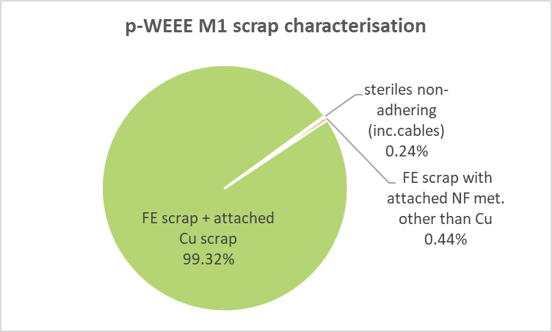
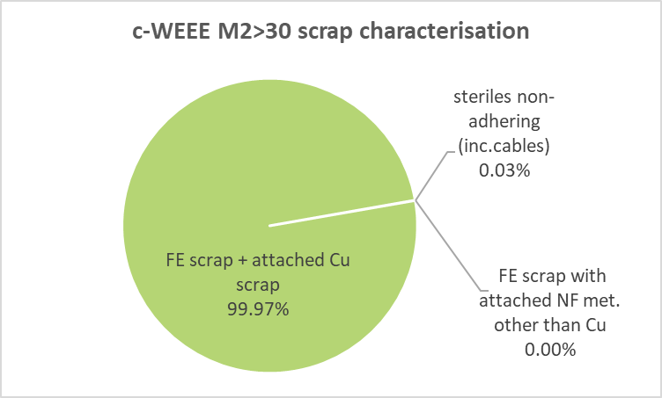
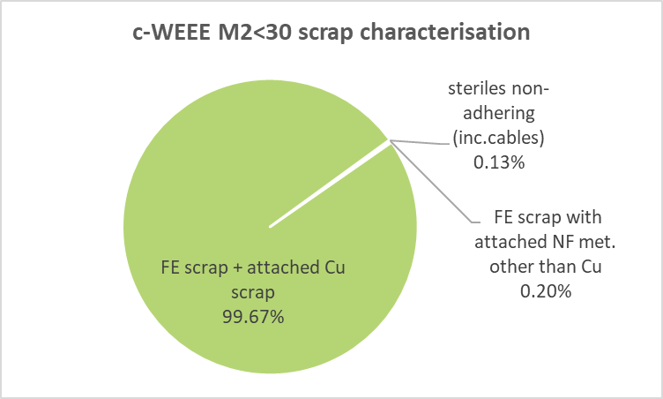
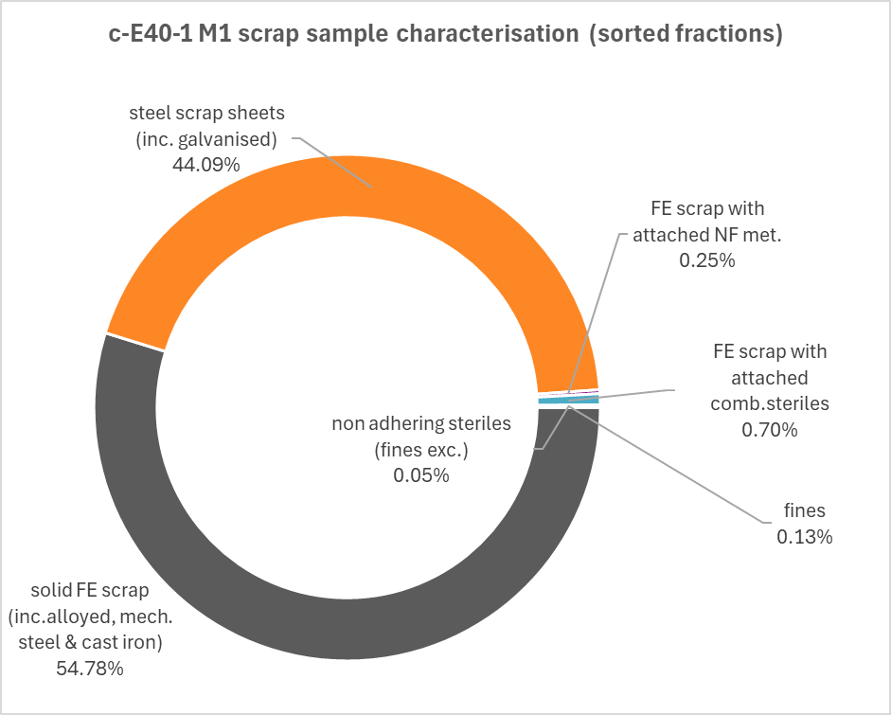
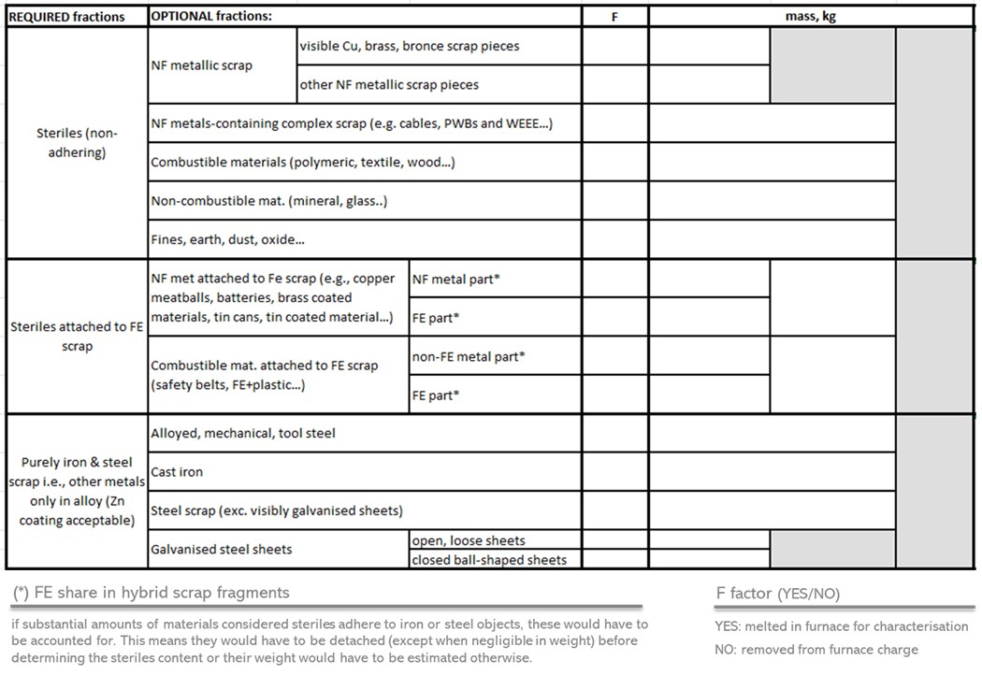
Recordsheet template for recording the mass of the fractions sorted during the handsorting of WP3 scrap samples | Graphical results of WP3 scrap samples handsorting
(prior to melting characterisation tests at AZTERLAN)
 | scrap grade | sampled scrap status | sample ID | current book's sheet
 | E3 | primarily treated | p-E3 | N.A.
 | E1 | primarily treated | p-E1 | E1
 | E40 | raw | E40-1A | E40-1A
 | E40 | cleaned | cE40 RS-HS | E40-1A
 | E40 | cleaned | cE40 RS-LS | E40-1A
 | WEEE (motors) | primarily treated | p-WEEE-1 M1 | WEEE
 | WEEE (motors) | cleaned | c-WEEE-1 M2<30 | WEEE
 | WEEE (motors) | cleaned | c-WEEE-1 M2>30 | WEEE
 | E40 | raw | E40-1Y | E40-1Y
 | E40 | cleaned | c-E40 M1 | E40-1Y

E1
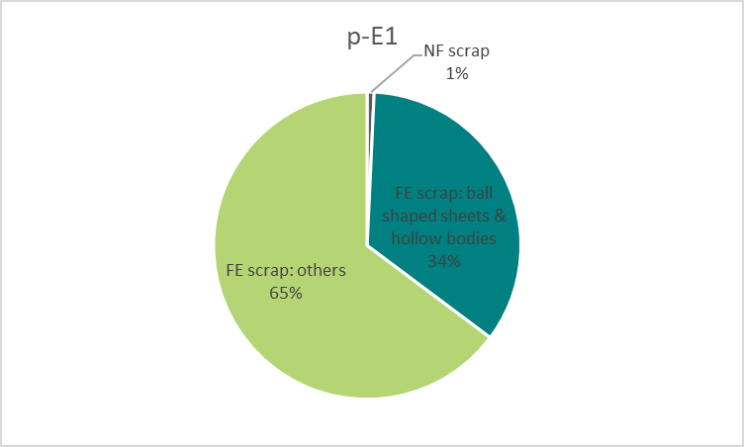

E40-1A
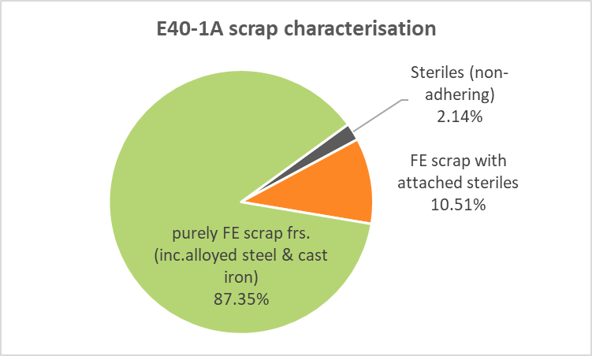
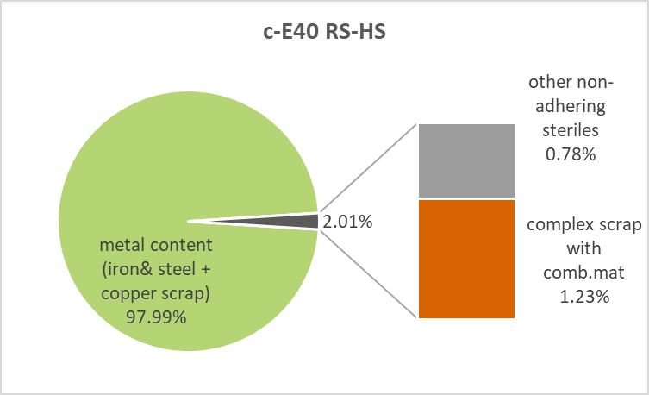
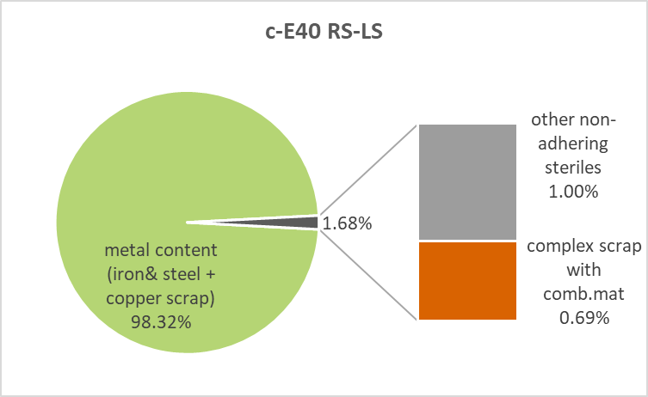

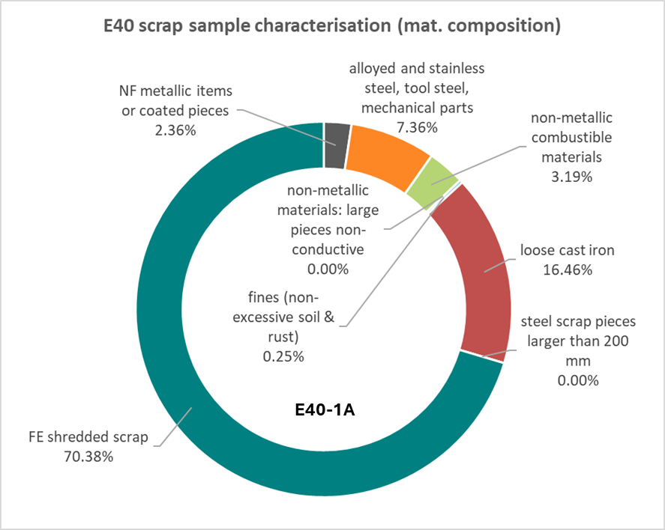
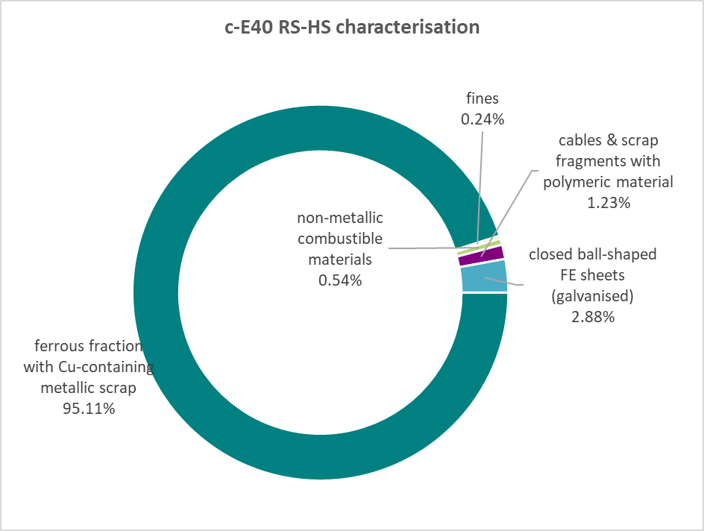
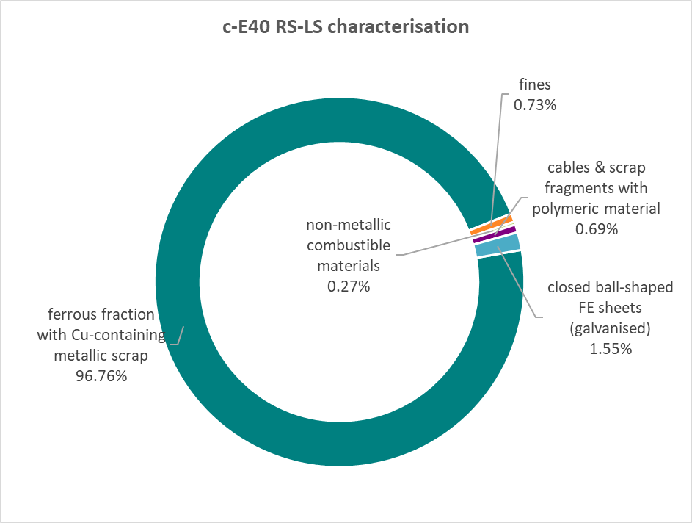

E40-1Y
