Sheet3
Step1 | Read the Datafile and Converted into Dataframe.
 | Company Name | X | Y | Z | Return

Step2 | Find Rank on Parameters
 | Company Name | X | Y | Z | Return | X _Rank | Y_Rank | Z_Rank

Equal Weighatges on Parameters rank. 1 1 1 ---
With All combinations all parameres...
Step3 | Get The Average Rank of Parameters only…(Not Return)
 | Company Name | X | Y | Z | Return | X _Rank | Y_Rank | Z_Rank | Avg_Rank(X+Y+Z)

Step4 | Get the Quartiles on Average Rank
 | Company Name | X | Y | Z | Return | X _Rank | Y_Rank | Z_Rank | Avg_Rank(X+Y+Z) | Quartiles

Step5 | Groupby the Quartiles depends on SharePrice.(Return).

Step6 | 1.These above Dataframe should in Memory or list >> Now we have apply the weightage like 2-1-1 and get the same Quartike Dataframe >> Same for 3 - 1 - 1 , 4 - 1 - 1 and 5 - 1 - 1 >> df1 (Q1) > df2 (Q1) > df3 (Q1) …. Then break the loop and go for next combination. Q1 > Q2 > Q3 > Q4 > >> So here threshould should be 3 >>

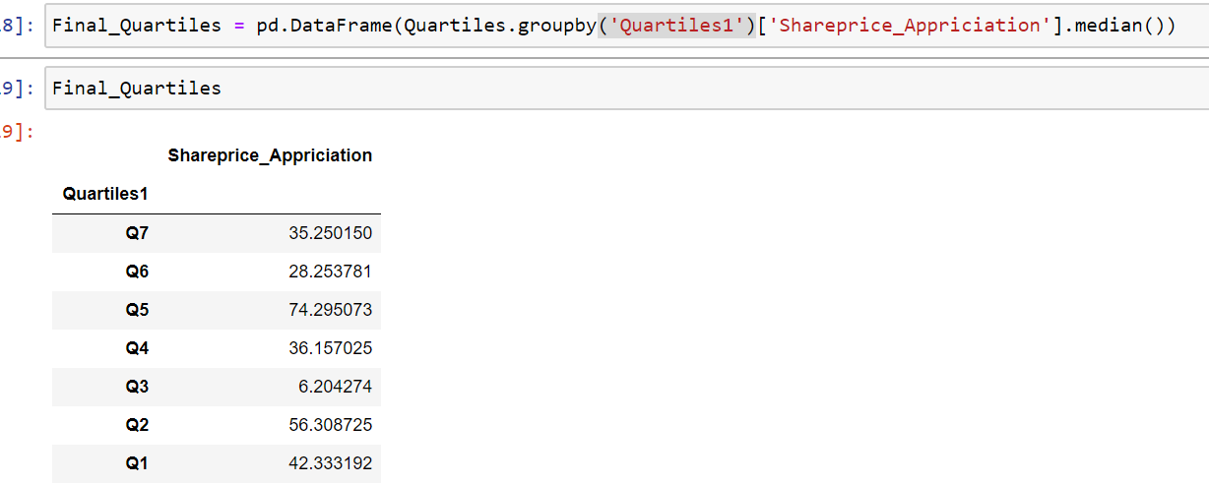

Hurdles | 1. If we are suppose to increase the weights on Single parameters… 2.

