Performance_Report
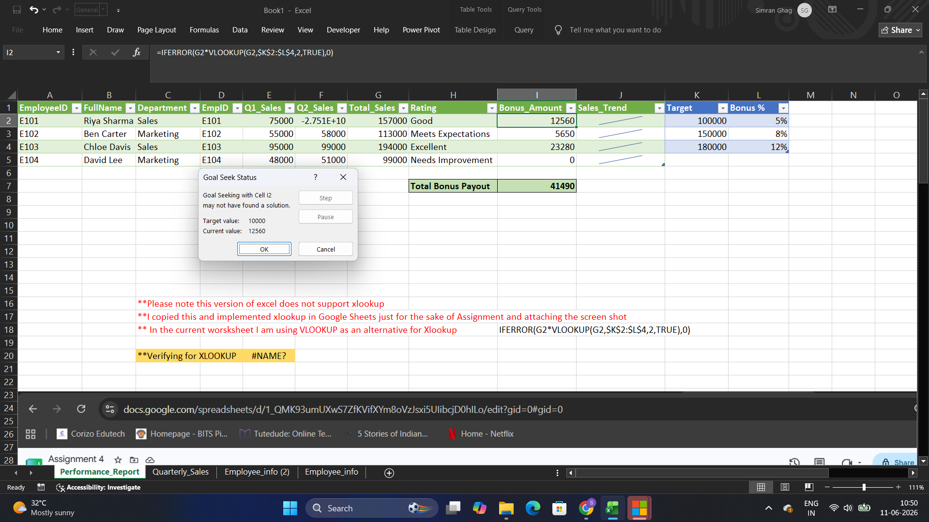
EmployeeID | FullName | Department | EmpID | Q1_Sales | Q2_Sales | Total_Sales | Rating | Bonus_Amount | Sales_Trend | Target | Bonus %
E101 | Riya Sharma | Sales | E101 | 75000 | 82000 | 157000 | Good | 12560 |  | 100000 | 5%
E102 | Ben Carter | Marketing | E102 | 55000 | 58000 | 113000 | Meets Expectations | 5650 |  | 150000 | 8%
E103 | Chloe Davis | Sales | E103 | 95000 | 99000 | 194000 | Excellent | 23280 |  | 180000 | 12%
E104 | David Lee | Marketing | E104 | 48000 | 51000 | 99000 | Needs Improvement | 0

 |  |  |  |  |  |  | Total Bonus Payout | 41490
Format Report

 |  | **Please note this version of excel does not support xlookup
 |  | **I copied this and implemented xlookup in Google Sheets just for the sake of Assignment and attaching the screen shot
 |  | ** In the current worsksheet I am using VLOOKUP as an alternative for Xlookup |  |  |  |  |  | IFERROR(G2*VLOOKUP(G2,$K$2:$L$4,2,TRUE),0)

 |  | **Verifying for XLOOKUP |  | #NAME?

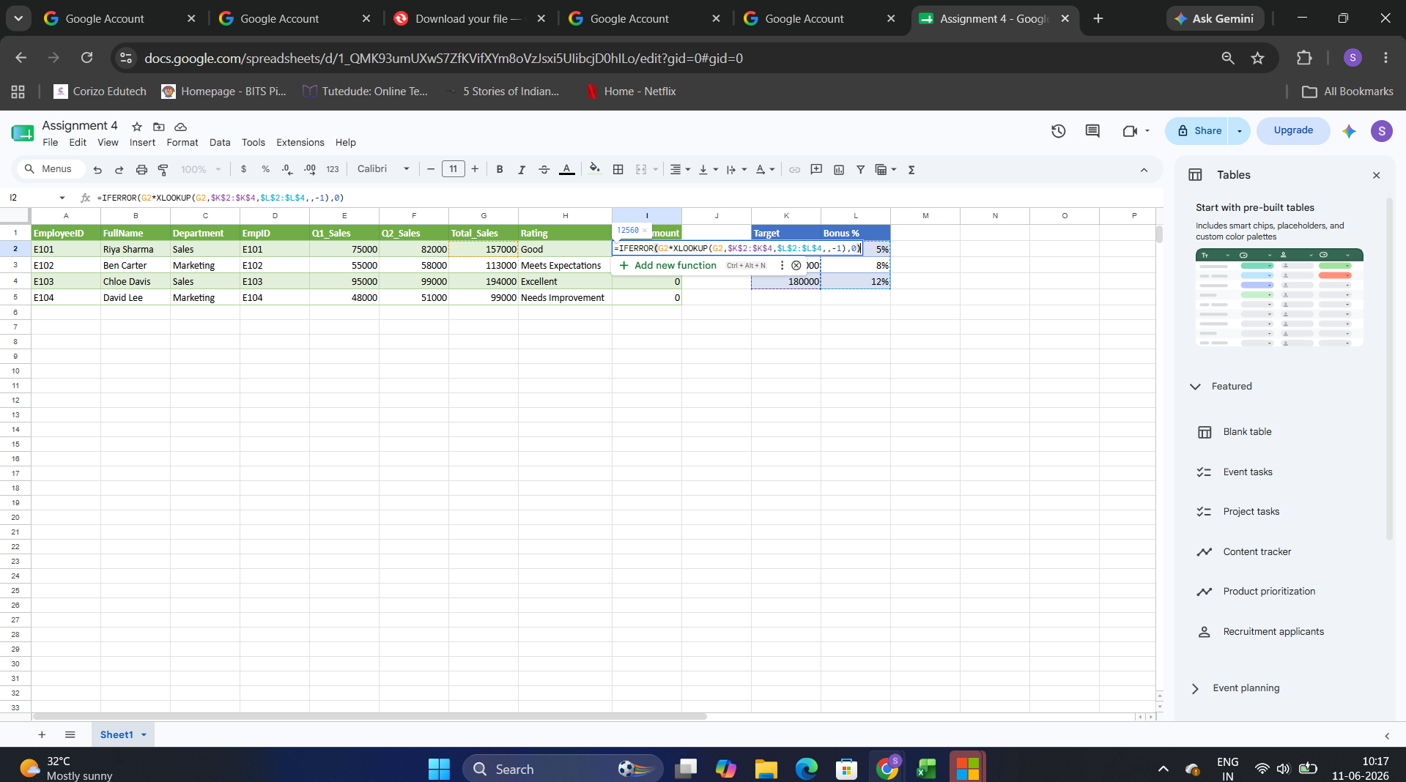

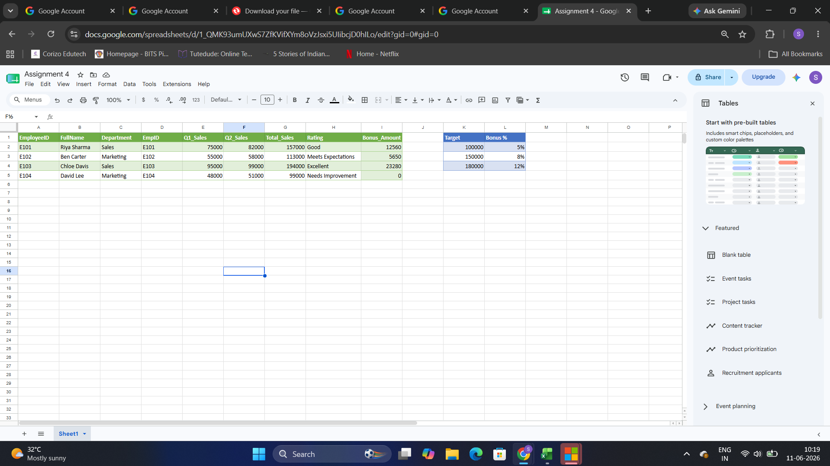

Task 3. 2. Goal Seek Analysis

During the Goal Seek analysis, I attempted to determine the value of Riya Sharma's Q2 Sales required to achieve a Bonus Amount of ₹10,000, as specified in the assignment.
Goal Seek was configured correctly; however, it could not find an exact solution because the Bonus Amount is calculated using tier-based bonus percentages (5%, 8%, and 12%). These percentages change at specific sales thresholds, creating discontinuities in the formula.
As a result, no Total Sales value exists that produces a Bonus Amount of exactly ₹10,000 while satisfying the bonus tier conditions. Therefore, Excel displays the message "Goal Seeking may not have found a solution."

