Sheet1
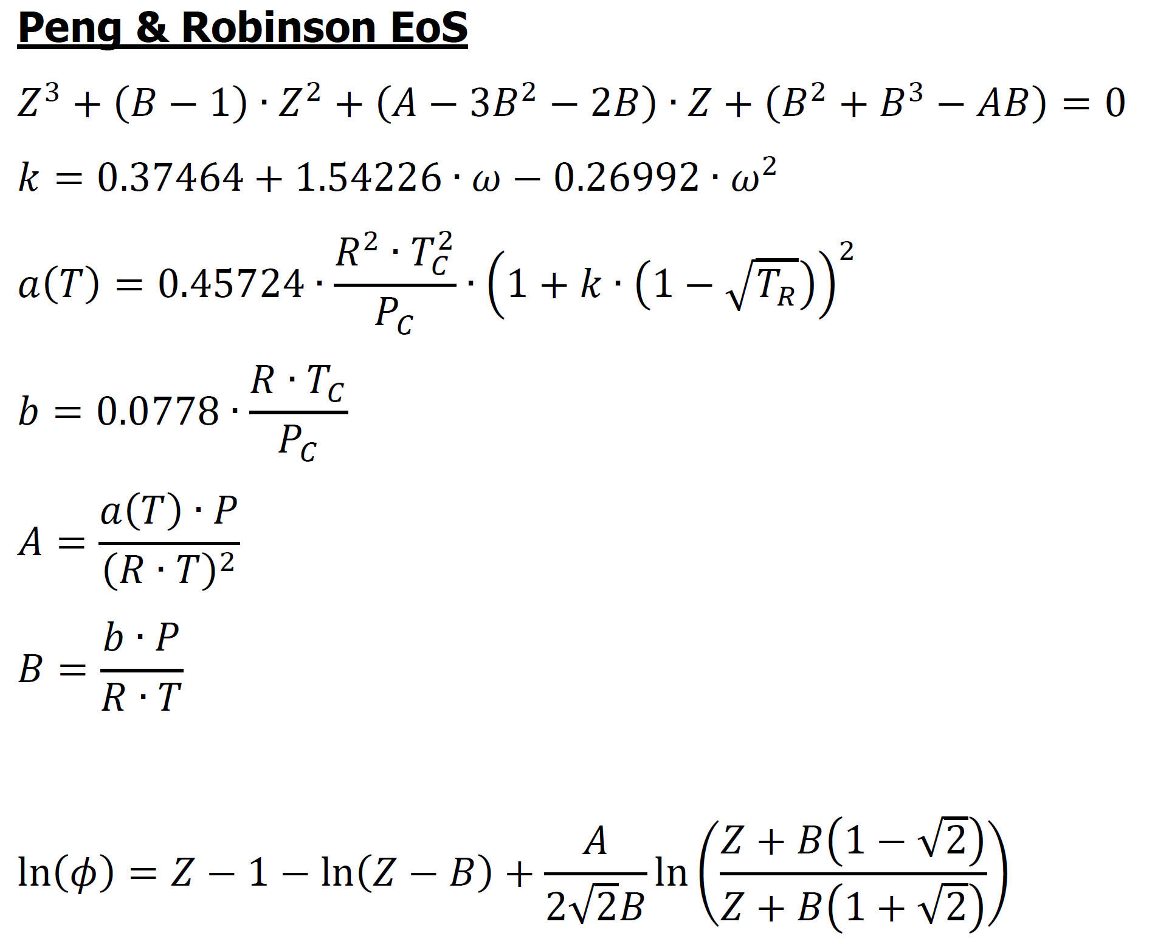
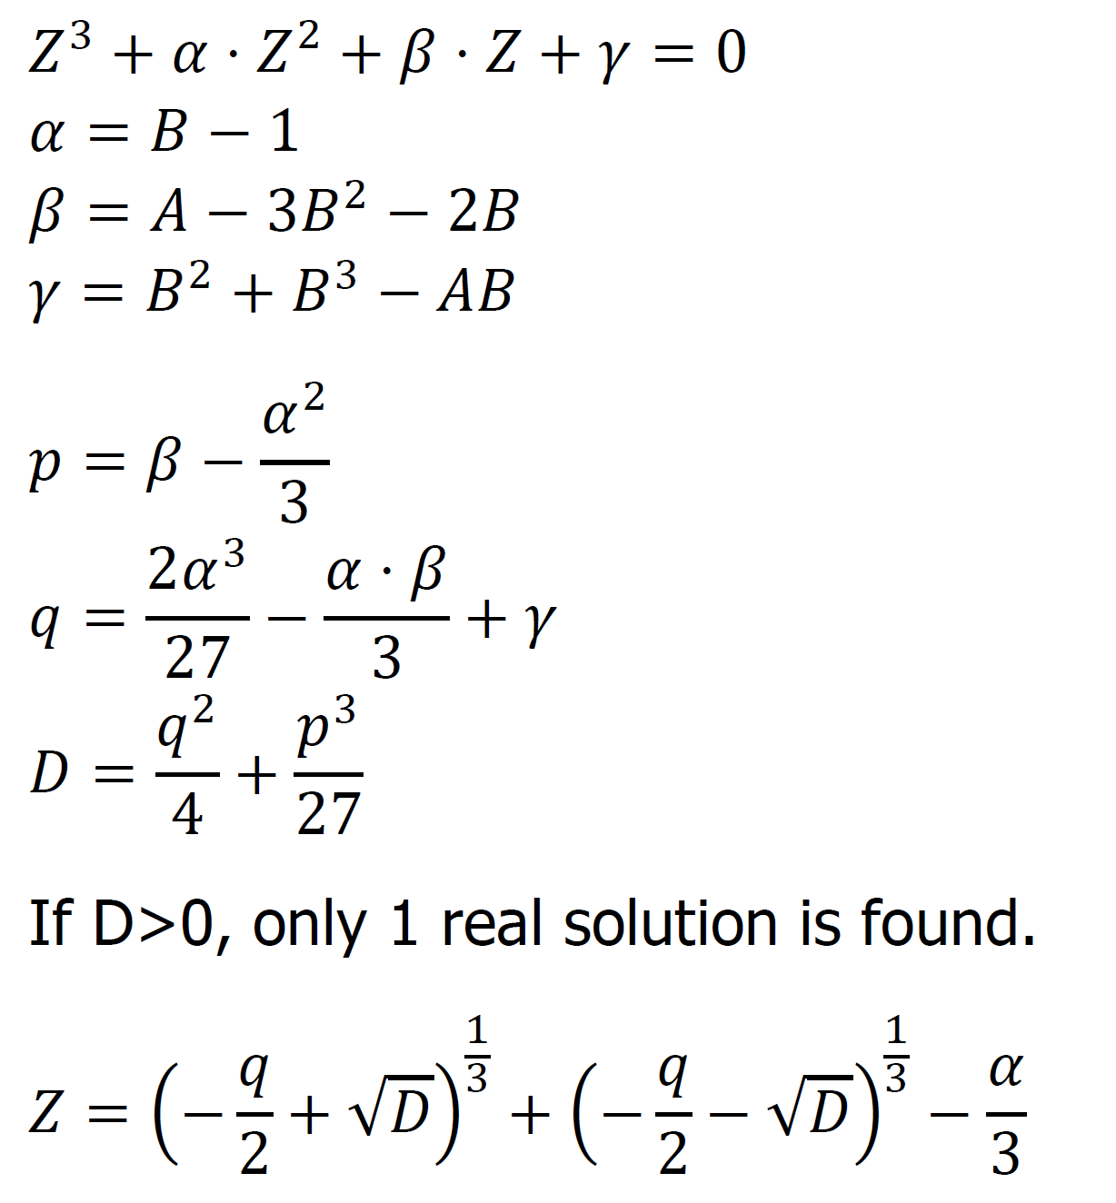
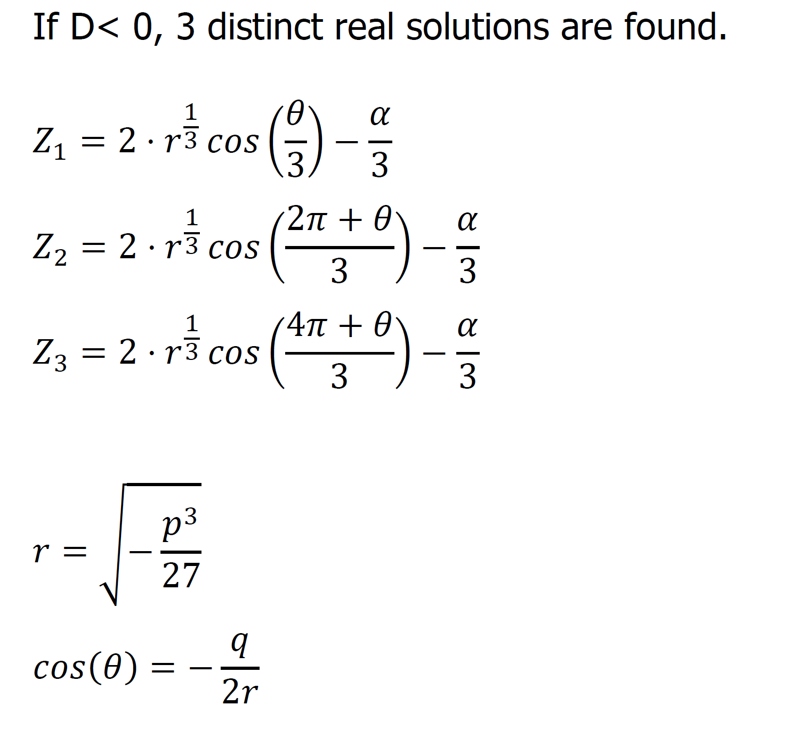
PROCESSES OF THE ORGANIC CHEMICAL INDUSTRY - TUTORIAL 2

Specie | Molar fraction [-] | DH0F (298K) [cal/mol] | a | b x 103 | c x 106 | d x 109 | Tc [K] | Pc [bar] | ω [-]
CO | 0.054 | -26420 | 7.373 | -3.07 | 6.662 | -3.037 | 132.92 | 34.99 | 0.066
CO2 | 0.1008 | -94050 | 4.728 | 17.54 | -13.38 | 4.097 | 304.19 | 73.82 | 0.228
H2 | 0.5696 | 0 | 6.483 | 2.215 | -3.298 | 1.826 | 33.18 | 13.13 | -0.22
H2O | 0.0009 | -57800 | 7.701 | 0.4595 | 2.521 | -0.859 | 647.13 | 220.55 | 0.345
CH3OH | 0.0042 | -48080 | 5.062 | 16.94 | 6.179 | -6.811 | 512.58 | 80.96 | 0.566
N2 | 0.0344 | 0 | 7.44 | -3.24 | 6.4 | -2.79 | 126.1 | 33.94 | 0.04
CH4 | 0.2361 | -17890 | 4.598 | 12.45 | 2.86 | -2.709 | 190.58 | 46.04 | 0.011

T1 | 430 | K |  | P | 80 | bar
T2 | 530.00 | K
T3 | 480 | K

