Sheet1
INDUSTRIAL ORGANIC CHEMISTRY - TUTORIAL 3

 |  |  |  |  |  | Antoine
 | Specie | Molar fraction [-] | Tc [K] | Pc [bar] | ω [-] | A | B | C | H [bar] | CpL [J/mol/K] | CpV [J/mol/K] | Dhvap @ Teb,n [kJ/mol/K] |  | Data |  |  |  |  |  |  |  |  |  | 
 | CO | 0.036 | 132.92 | 34.99 | 0.066 |  |  |  | 2500 |  | 29.08 |  |  | P1 | 65 | bar
 | CO2 | 0.088 | 304.19 | 73.82 | 0.228 |  |  |  | 164 |  | 38.40 |  |  | P2 | 5 | bar
 | H2 | 0.510 | 33.18 | 13.13 | -0.22 |  |  |  | 6200 |  | 28.76 |  |  | T | 313.15 | K
 | H2O | 0.023 | 647.13 | 220.55 | 0.345 | 6.2096 | 2354.731 | 7.559 |  | 75.55 | 34.58 | 39.50 |  | F | 1481 | mol/s
 | CH3OH | 0.049 | 512.58 | 80.96 | 0.566 | 5.2041 | 1581.34 | -33.5 |  | 79.93 | 47.61 | 35.14
 | N2 | 0.038 | 126.1 | 33.94 | 0.04 |  |  |  | 3660 |  | 29.07
 | CH4 | 0.256 | 190.58 | 46.04 | 0.011 |  |  |  | 1130 |  | 36.33

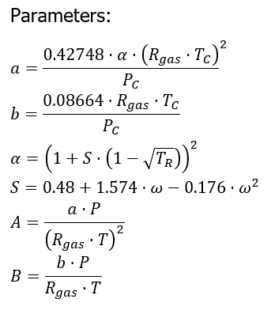
 | Tdew | 400.70749966 | K | ideal gas

 | Specie | zi | P0 or H | P/P0 or P/H | xi = P/P0 * zi |  |  |  |  |  |  |  |  |  | Liquid | Vapor
 | CO | 0.036 | 2500 | 0.026 | 0.000936 |  |  |  |  |  |  |  |  | a_mix | 9.902514862E-06 | 8.879293041E-07
 | CO2 | 0.088 | 164 | 0.39634146341 | 0.03487804878 |  |  |  |  |  |  |  |  | b_mix | 2.9016498694E-05 | 2.4251667912E-05
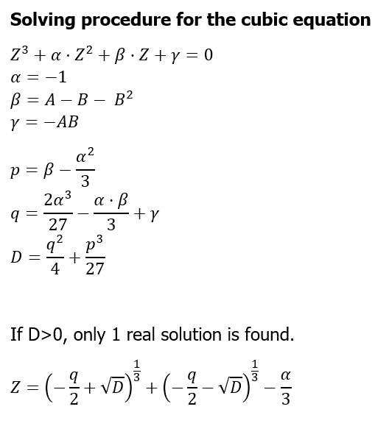
 | H2 | 0.510 | 6200 | 0.010483870968 | 0.0053467741935 |  |  |  |  |  |  |  |  | A_mix | 0.6474187932 | 0.05805213388
 | H2O | 0.023 | 2.7667366534 | 23.493381606 | 0.54034777693 |  |  |  |  |  |  |  |  | B_mix | 0.059816580797 | 0.049994035064
 | CH3OH | 0.049 | 7.9014440996 | 8.2263443467 | 0.40309087299 |  |  |  |  |  |  |  |  | Alpha | -1 | -1
 | N2 | 0.038 | 3660 | 0.017759562842 | 0.00067486338798 |  |  |  |  |  |  |  |  | Beta | 0.58402418907 | 0.0055586952737
 | CH4 | 0.256 | 1130 | 0.057522123894 | 0.014725663717 |  | 1 | sum xi |  |  |  |  |  | Gamma | -0.038726378553 | -0.0029022604167
 |  |  |  |  |  |  |  |  |  |  |  |  |  | p | 0.25069085573 | -0.32777463806
 |  |  |  |  |  |  |  |  |  |  |  |  |  | q | 0.081874277061 | -0.075123436066
 |  |  |  |  |  |  |  |  |  |  |  |  |  | D | 0.0022593638941 | 0.00010662836727
 |  |  |  |  |  |  |  |  |  |  |  |  |  | Z | 0.07528332622 | 0.99734424031
 |  | Initial Guess
 | Tdew | 379.25102099 | K | Real mixture / Real Gas
 |  |  |  |  |  | Initial Guess (xi_0 = P/P0 * zi) |  |  |  |  |  |  | Liquid |  | Vapor |  | = Ki*zi
 | Specie | zi | Phi L | Phi V | Ki = PhiV/PhiL | xi | S | Alpha | ai | bi | Ai | Bi | xi*sqrt(ai) | xi*bi | zi*sqrt(ai) | zi*bi | xi_new | ERR
 | CO | 0.036 | 559.27272148 | 1.0274704496 | 0.0018371545941 | 7.8590486558E-05 | 0.583117344 | 0.3577770733 | 5.3380799113E-07 | 2.736370211E-05 | 0.034899955237 | 0.056409393685 | 5.7419910731E-08 | 2.1505266629E-09 | 2.6302379294E-05 | 9.8509327596E-07 | 6.6137565387E-05 | 1.2452921171E-05
 | CO2 | 0.088 | 14.951741172 | 0.9146596673 | 0.06117412392 | 0.0060242424995 | 0.829722816 | 0.81589422724 | 3.0219378362E-06 | 2.9682423406E-05 | 0.19757196776 | 0.061189363219 | 1.0472375567E-05 | 1.7881411657E-07 | 0.00015297675184 | 2.6120532597E-06 | 0.0053833229049 | 0.00064091959462
 | H2 | 0.510 | 470.58699852 | 1.0540147334 | 0.002239787195 | 0.001 | 0.1252016 | 0.49268391853 | 1.2206531192E-07 | 1.8202880558E-05 | 0.0079805360596 | 0.037524654064 | 4.5794700429E-07 | 2.3859383025E-08 | 0.00017818301724 | 9.2834690846E-06 | 0.0011422914694 | 0.00016845618661
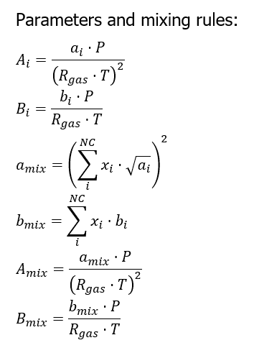
 | H2O | 0.023 | 0.025706189701 | 0.77775096942 | 30.255396792 | 0.67093475534 | 1.0020816 | 1.5250978919 | 8.5567642506E-06 | 2.1135519899E-05 | 0.55943465494 | 0.043570195944 | 0.0019626148153 | 1.4180554872E-05 | 6.7279478956E-05 | 4.8611695767E-07 | 0.69587412622 | 0.024939370879
 | CH3OH | 0.049 | 0.12458210278 | 0.75125779136 | 6.0302224366 | 0.31925825507 | 1.314501344 | 1.4014090873 | 1.3438586292E-05 | 4.5605751976E-05 | 0.87860441928 | 0.09401479402 | 0.0011703585382 | 1.4560012797E-05 | 0.00017962751929 | 2.2346818468E-06 | 0.29548089939 | 0.023777355674
 | N2 | 0.038 | 548.17395007 | 1.0289220218 | 0.0018769991199 | 8.454644246E-05 | 0.5426784 | 0.36186372486 | 5.0095558817E-07 | 2.6762810093E-05 | 0.03275209044 | 0.055170674077 | 5.9840463793E-08 | 2.2627003836E-09 | 2.6895722138E-05 | 1.0169867835E-06 | 7.1325966555E-05 | 1.3220475905E-05
 | CH4 | 0.256 | 125.87819255 | 0.97452067188 | 0.0077417752207 | 0.002308859504 | 0.497292704 | 0.63326255551 | 1.4761788562E-06 | 2.9817448062E-05 | 0.096511436436 | 0.061467712213 | 2.8052204537E-06 | 6.8844298344E-08 | 0.00031103513873 | 7.6332667038E-06 | 0.0019818944565 | 0.00032696504754 |  | -2.0258911215E-09 | Stochiometric for x

 |  |  |  |  | This Calculations are for the first Flash drum

 |  | Initial Guess
 | Tflash | 313.15 | K | Real mixture / Real Gas
 |  |  |  |  |  | Initial Guess (xi_0 = P/P0 * zi), (yi_0 = zi) |  |  |  |  |  |  |  | Liquid |  | Vapor |  | = zi/(1-a*(Ki-1)) | = Ki*xi
 | Specie | zi | Phi L | Phi V | Ki = PhiV/PhiL | xi | yi 0 | S | Alpha | ai | bi | Ai | Bi | xi*sqrt(ai) | xi*bi | yi*sqrt(ai) | yi*bi | xi_new | yi_new | ERRx | ERRy
 | CO | 0.036 | 27138.003389 | 1.0091806913 | 3.7186991129E-05 | 9.10E-06 | 0.036 | 0.583117344 | 0.4734658709 | 7.0641716385E-07 | 2.736370211E-05 | 0.067740707312 | 0.068316526101 | 7.6484250234E-09 | 2.490096892E-10 | 3.0257505587E-05 | 9.8509327596E-07 | 0.018672533392 | 3.38E-10 | 1.87E-02 | 3.60E-02
 | CO2 | 0.088 | 69.41745696 | 0.82574878637 | 0.011895405313 | 0.00136 | 0.088 | 0.829722816 | 0.97588481883 | 3.6145166362E-06 | 2.9682423406E-05 | 0.34660810362 | 0.074105471738 | 2.585615975E-06 | 4.0368095832E-08 | 0.00016730456309 | 2.6120532597E-06 | 0.045905992385 | 1.62E-05 | 4.45E-02 | 8.80E-02
 | H2 | 0.510 | 15020.06436 | 1.0779636715 | 7.1768245835E-05 | 0.000 | 0.51 | 0.1252016 | 0.54844007538 | 1.358792247E-07 | 1.8202880558E-05 | 0.013029913854 | 0.045445516099 | 8.8468318299E-08 | 4.3686913339E-09 | 0.00018799517639 | 9.2834690846E-06 | 0.26453195958 | 1.72E-08 | 2.64E-01 | 5.10E-01
 | H2O | 0.023 | 0.00099971755001 | 0.63860411517 | 638.78453986 | 0.90231 | 0.023 | 1.0020816 | 1.7030253784 | 9.5550500416E-06 | 2.1135519899E-05 | 0.91626574401 | 0.052767176423 | 0.0027891524552 | 1.907079096E-05 | 7.1095861145E-05 | 4.8611695767E-07 | -3.8926043789E-05 | 5.76E+02 | 9.02E-01 | 5.76E+02
 | CH3OH | 0.049 | 0.052388527761 | 0.57517123221 | 10.97895392 | 0.09574 | 0.049 | 1.314501344 | 1.6565272407 | 1.5885000655E-05 | 4.5605751976E-05 | 1.5232659045 | 0.11385983273 | 0.00038158126347 | 4.3662946942E-06 | 0.00019529435878 | 2.2346818468E-06 | -0.0059318664099 | 1.05E+00 | 1.02E-01 | 1.00E+00
 | N2 | 0.038 | 26213.28164 | 1.0136806939 | 3.8670499475E-05 | 1.00E-05 | 0.038 | 0.5426784 | 0.47264412663 | 6.5431735812E-07 | 2.6762810093E-05 | 0.062744682481 | 0.066816332341 | 8.0889885531E-09 | 2.6762810093E-10 | 3.0738156502E-05 | 1.0169867835E-06 | 0.019709910433 | 3.87E-10 | 1.97E-02 | 3.80E-02
 | CH4 | 0.256 | 3356.6903381 | 0.92671484813 | 0.00027607993434 | 0.00033 | 0.256 | 0.497292704 | 0.73932061894 | 1.7234075443E-06 | 2.9817448062E-05 | 0.16526332033 | 0.074442575811 | 4.3321943813E-07 | 9.8397578604E-09 | 0.00033607326109 | 7.6332667038E-06 | 0.13279772981 | 9.11E-08 | 1.32E-01 | 2.56E-01 | 5.77E+02 | RR EQ

 | alfa | 0.928 |  |  |  |  |  | Liquid | Vapor
 |  |  |  |  |  |  | a_mix | 1.0073366732E-05 | 1.0378696608E-06
 |  |  |  |  |  |  | b_mix | 2.3492178837E-05 | 2.4251667912E-05
 |  |  |  |  |  |  | A_mix | 0.96596886705 | 0.099524797132
 |  |  |  |  |  |  | B_mix | 0.058650837603 | 0.060546986561
 |  |  |  |  |  |  | Alpha | -1 | -1
 |  |  |  |  |  |  | Beta | 0.9038781087 | 0.035311872989
 |  |  |  |  |  |  | Gamma | -0.056654883151 | -0.0060259265544
 |  |  |  |  |  |  | p | 0.57054477536 | -0.29802146034
 |  |  |  |  |  |  | q | 0.17056374567 | -0.068329376299
 |  |  |  |  |  |  | D | 0.014151683027 | 0.00018688111246
 |  |  |  |  |  |  | Z | 0.067361770808 | 0.97000044635

