Sheet1
PROCESSES OF THE ORGANIC CHEMICAL INDUSTRY - TUTORIAL 4
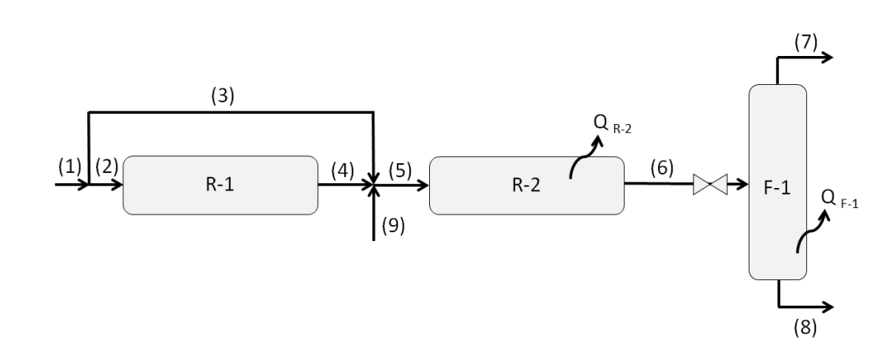
 |  |  | Cp V [cal/mol/K] |  |  |  |  |  |  |  |  |  | ANTOINE
 | Species | DH0F (298K) [cal/mol] | a | b x 103 | c x 106 | d x 109 | yi (1) | yi (9) | nu MeOH | nu WGS | CpL [cal/mol/K] | Dhev (TEbN) [cal/mol] | A | B | C
 | H2 | 0 | 6.483 | 2.215 | -3.298 | 1.826 | 0.75 | 0 | -2 | 1
 | CO | -26420 | 7.373 | -3.07 | 6.662 | -3.037 | 0.2 | 0 | -1 | -1
 | CO2 | -94050 | 4.728 | 17.54 | -13.38 | 4.097 | 0 | 1 | 0 | 1
 | CH4 | -17890 | 4.598 | 12.45 | 2.86 | -2.709 | 0.05 | 0 | 0 | 0
 | H2O | -57800 | 7.701 | 0.4595 | 2.521 | -0.859 | 0 | 0 | 0 | -1 | 19.09 | 8395 | 6.2096 | 2354.73 | 7.559
 | CH3OH | -48080 | 5.062 | 16.94 | 6.179 | -6.811 | 0 | 0 | 1 | 0 | 18.05 | 9436 | 5.2041 | 1581.34 | -33.5

 | T1 = T2 = T3 = T9 | 453 | K |  | Kphi MeOH | 0.7 | - |  | P | 70.00 | bar | 69.08462867
 | T5 | 520 | K |  | Kphi WGS | 1.2 | - |  | Pf | 10.00 | bar
 | T6 | 570 | K

 | Base | 100 | mol/s

 |  |  |  | cal/mol | cal/s
 | Species | F2 | y2 | h2 | H2 | F4 EQ | yEQ | (P*yi/Pref)^nuM | h4EQ | H4EQ
 | H2 | 75 | 0.75 | 1076.305697 | 80722.927274 | 65 | 0.72222222222 | 0.00040169409763 | 1754.7476209 | 114058.59536
 | CO | 20 | 0.2 | -25334.18605 | -506683.72101 | 15 | 0.16666666667 | 0.08685 | -24642.819321 | -369642.28981
 | CO2 | 0 | 0 | -92557.80616 | 0 | 0 | 0 | 1 | -91522.787073 | 0
 | CH4 | 5 | 0.05 | -16412.47454 | -82062.372698 | 5 | 0.055555555556 | 1 | -15324.295903 | -76621.479517
 | H2O | 0 | 0 | -56531.071804 | 0 | 0 | 0 | 1 | -55710.636541 | 0
 | CH3OH | 0 | 0 | -46230.755789 | 0 | 5 | 0.055555555556 | 3.8380349261 | -44848.584141 | -224242.92071

 | lambda EQ | 5 | mol/s | (need initial guess) |  |  | Keq | 0.0006723351371 |  | eq1 | 8.9184319988 | =ln(Keq)-ln(Kact) = 0 ------> T4EQ
 | T 4 EQ | 550 | K |  |  |  | Kp | 0.00013389803254 |  | eq2 | 0.087025058945 | = 1- H(2)/H(4EQ) = 0 --------> lambdaM EQ
 |  |  |  |  |  |  | Kact | 9.0024352068E-08 | = Kphi*Kp

