Reactor 1
PROCESSES OF THE ORGANIC CHEMICAL INDUSTRY - TUTORIAL 2

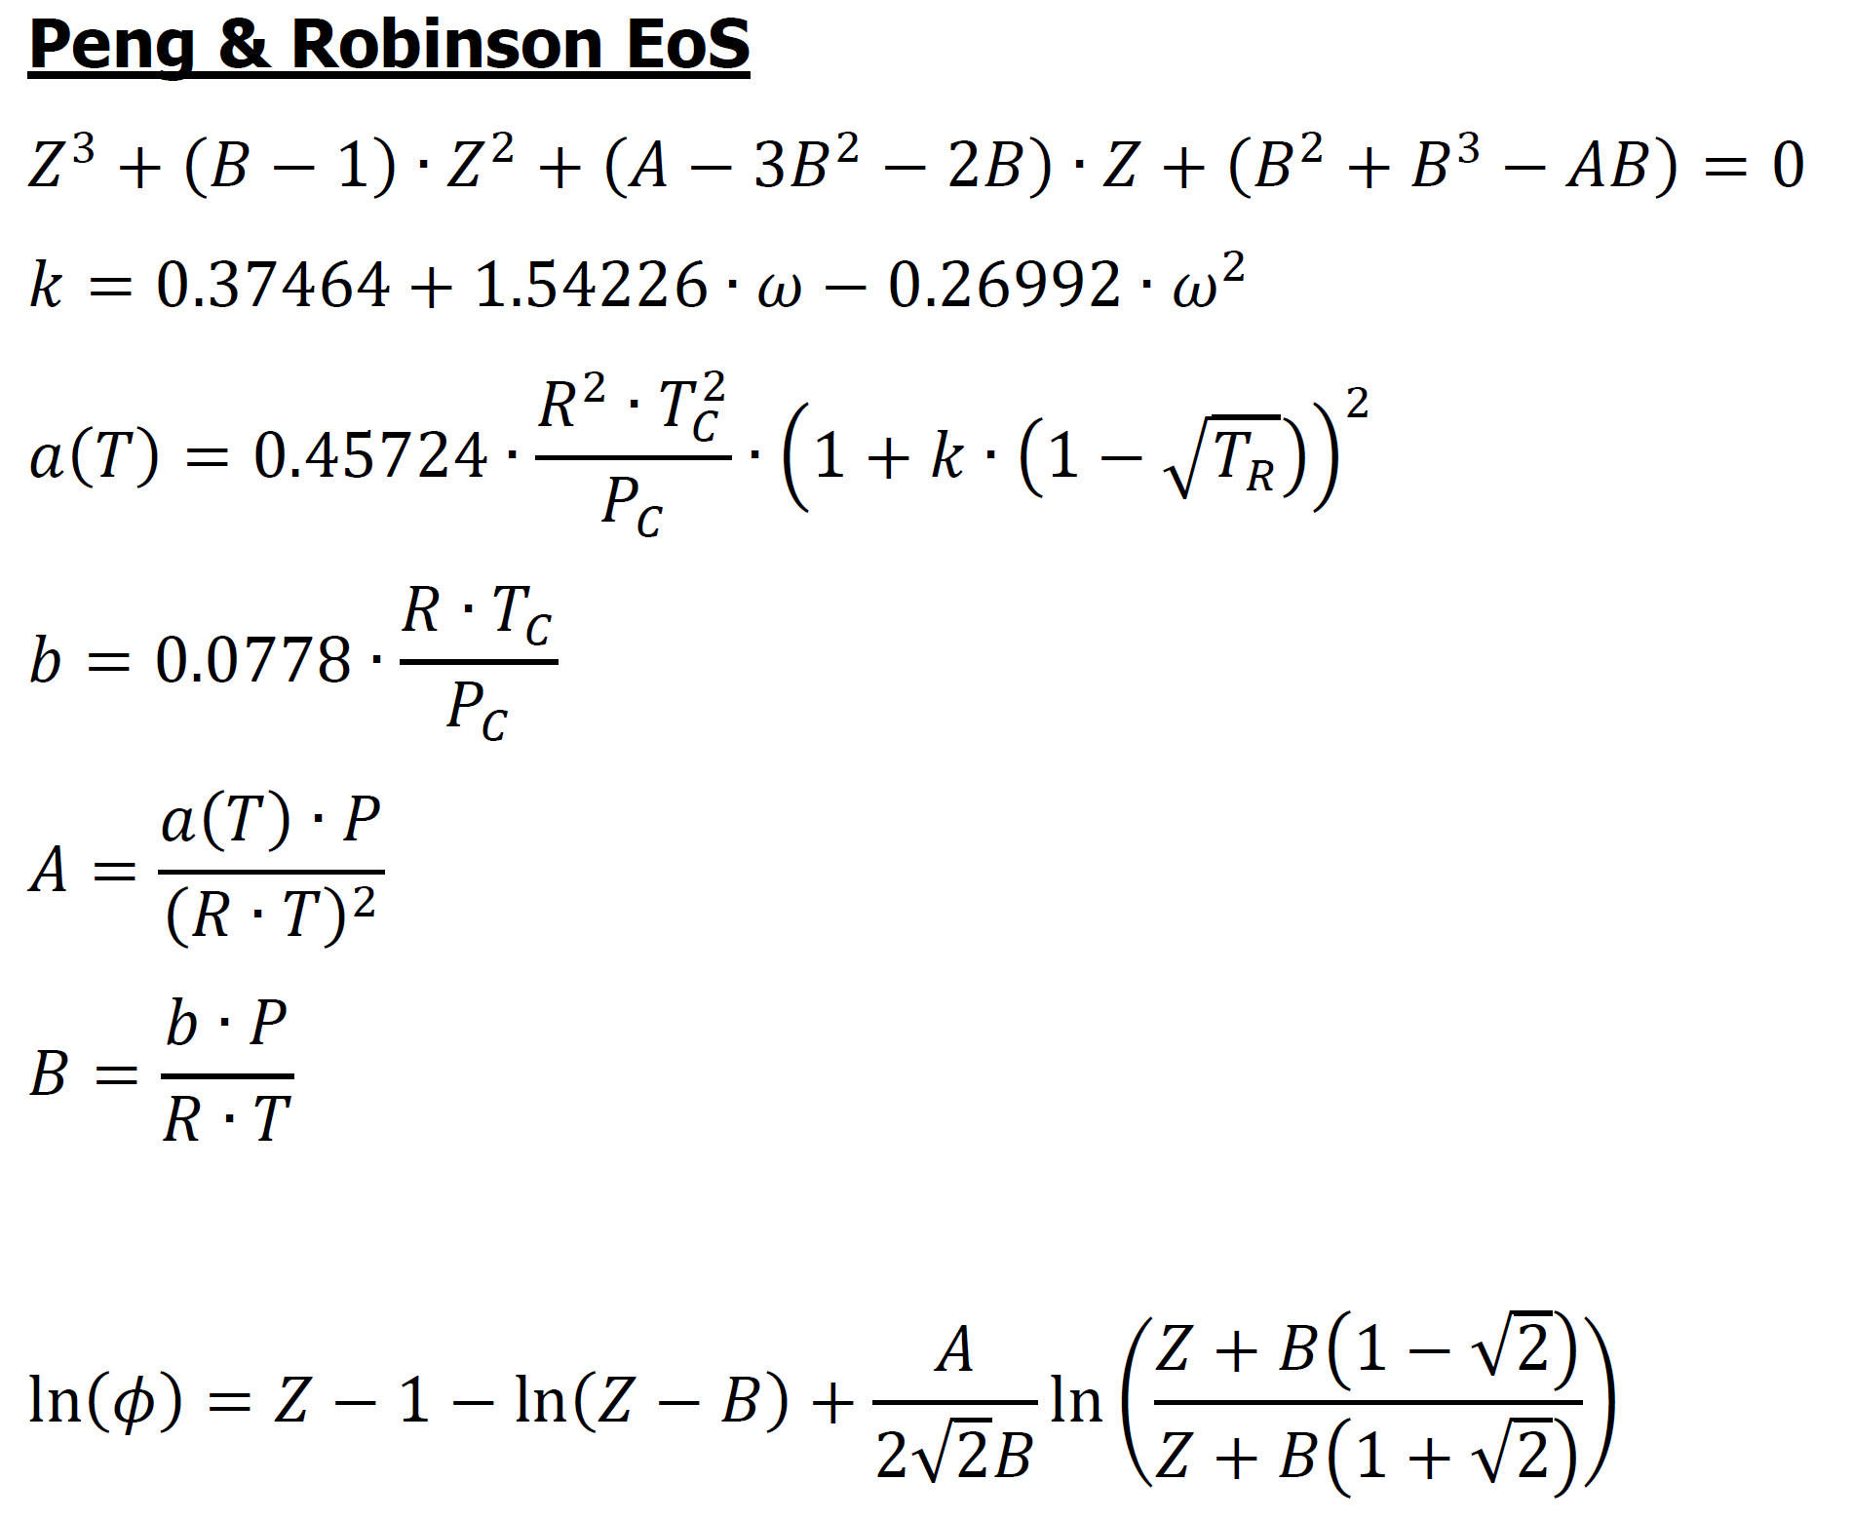
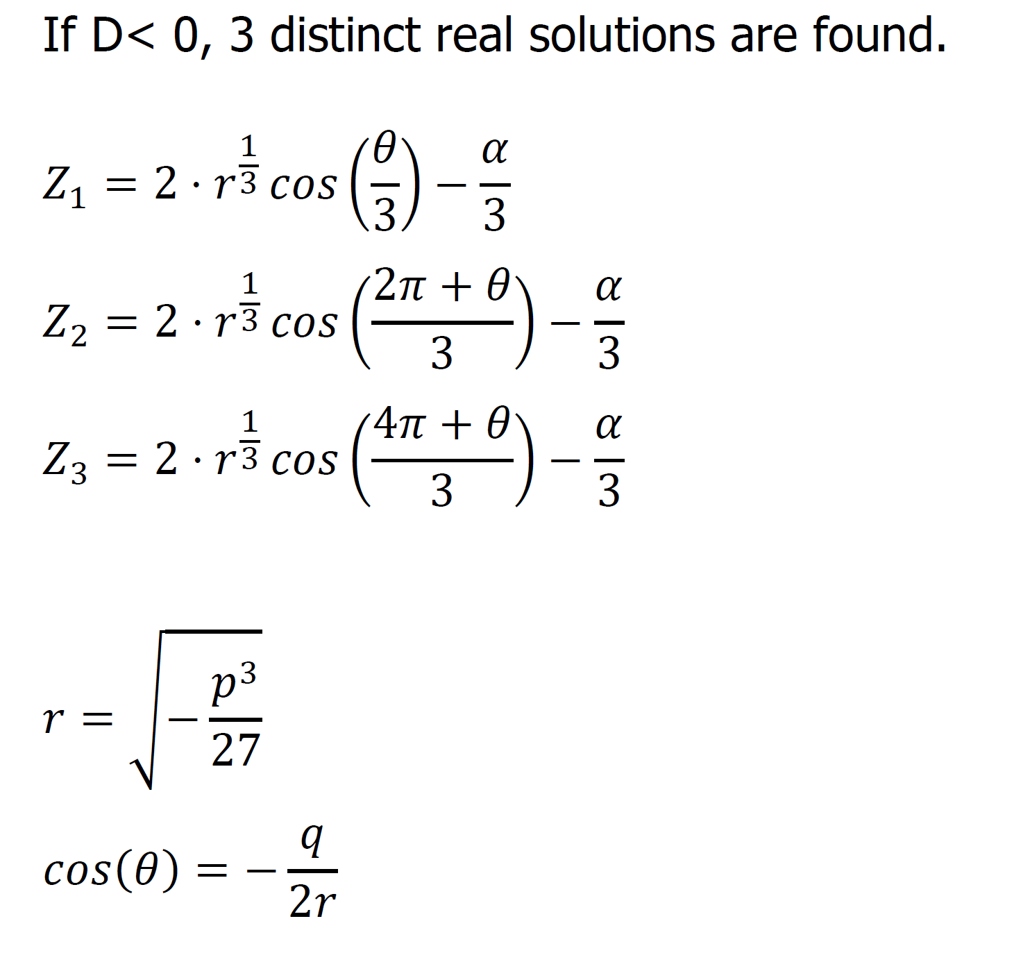
Specie | Molar fraction [-] | DH0F (298K) [cal/mol] | a | b x 103 | c x 106 | d x 109 | Tc [K] | Pc [bar] | ω [-]
CO | 0.054 | -26420 | 7.373 | -3.07 | 6.662 | -3.037 | 132.92 | 34.99 | 0.066
CO2 | 0.1008 | -94050 | 4.728 | 17.54 | -13.38 | 4.097 | 304.19 | 73.82 | 0.228
H2 | 0.5696 | 0 | 6.483 | 2.215 | -3.298 | 1.826 | 33.18 | 13.13 | -0.22
H2O | 0.0009 | -57800 | 7.701 | 0.4595 | 2.521 | -0.859 | 647.13 | 220.55 | 0.345
CH3OH | 0.0042 | -48080 | 5.062 | 16.94 | 6.179 | -6.811 | 512.58 | 80.96 | 0.566
N2 | 0.0344 | 0 | 7.44 | -3.24 | 6.4 | -2.79 | 126.1 | 33.94 | 0.04
CH4 | 0.2361 | -17890 | 4.598 | 12.45 | 2.86 | -2.709 | 190.58 | 46.04 | 0.011 |  |  |  | R | 0.00008314

T1 | 430 | K |  | P | 80 | bar
T2 | 530.00 | K |  |  |  |  |  | BOC | 100 | mol/s
T3 | 480 | K
 |  |  |  |  |  |  |  |  |  |  |  |  |  |  |  |  |  |  |  |  | D > 0 |  |  |  | D < 0
Specie | ni 1 | nu M | nu R | ni 2 | yi 2 | Pi 2 / pref | Pi 2^ Num | Pi 2 ^ Nu RWGS |  | k | a | b | A | B | alpha | beta | gamma | p | q | D | Z | r | Theta | Z1 | Z2 | Z3 | Z | ln(phi) | Phi | Phi^nuM | Phi^nuR
CO | 5.4 | -1 | 1 | 0.55973776311 | 0.006866536498 | 0.54120484713 | 1.8477292014 | 0.54120484713 |  | 0.47525338848 | 4.4196143674E-07 | 2.4571745431E-05 | 0.010668890782 | 0.034146677042 | -0.96585332296 | -0.061122449962 | 0.0008415032587 | -0.37207999712 | -0.085579021702 | -7.6912061344E-05 | 0 | 0.04367899152 | 0.20215603911 | 1.0247009613 | -0.070496675299 | 0.01164903695 | 1.0247009613 | 0.024108630873 | 1.0244015935 | 0.97617966075 | 1.0244015935
CO2 | 10.08 | 0 | -1 | 5.6786389868 | 0.069662231909 | 5.4906192638 | 1 | 0.18212881862 |  | 0.71224375872 | 2.361715301E-06 | 2.665388436E-05 | 0.057011495821 | 0.037040168096 | -0.9629598319 | -0.021184762529 | -0.00068892318649 | -0.33028197515 | -0.073632992731 | 2.1039589148E-05 | 0.98517323873 | 0.03652964297 | 0 | 0 | 0 | 0 | 0.98517323873 | -0.01738783746 | 0.98276245862 | 1 | 1.0175398859
H2 | 56.96 | -2 | -1 | 34.075392487 | 0.41801704587 | 32.947156324 | 0.00092122163102 | 0.030351633086 |  | 0.022278672 | 2.30800638E-07 | 1.6345615275E-05 | 0.0055714969552 | 0.022715050806 | -0.97728494919 | -0.041406525255 | 0.00040113706172 | -0.35976848256 | -0.082227598531 | -3.4323802403E-05 | 0 | 0.041529125833 | 0.14154550028 | 1.0175883977 | -0.048441221284 | 0.0081377727619 | 1.0175883977 | 0.017370887982 | 1.0175226393 | 0.96585479098 | 0.98277911607
H2O | 0.09 | 0 | 1 | 4.4913610132 | 0.055097398024 | 4.342652061 | 1 | 4.342652061 |  | 0.874592472 | 7.0400500138E-06 | 1.8979033335E-05 | 0.16994587865 | 0.026374639265 | -0.97362536074 | 0.11510973533 | -0.0037682928789 | -0.20087237903 | -0.034776640368 | 2.1632056962E-06 | 0.84227128022 | 0.017326005688 | 0 | 0 | 0 | 0 | 0.84227128022 | -0.15002609409 | 0.86068551733 | 1 | 0.86068551733
CH3OH | 0.42 | 1 | 0 | 9.6616232501 | 0.1185231604 | 9.3417269279 | 9.3417269279 | 1 |  | 1.1610886685 | 9.8594968005E-06 | 4.0952533515E-05 | 0.23800695215 | 0.05691060653 | -0.94308939347 | 0.11446928768 | -0.010121979822 | -0.18200324701 | -0.03627041233 | 0.0001055934557 | 0.8183217244 | 0.014942966471 | 0 | 0 | 0 | 0 | 0.8183217244 | -0.18180260019 | 0.8337659094 | 0.8337659094 | 1
N2 | 3.44 | 0 | 0 | 3.44 | 0.042199914156 | 3.3261016084 | 1 | 1 |  | 0.435898528 | 4.353964117E-07 | 2.4032163265E-05 | 0.010510411943 | 0.033396834585 | -0.96660316542 | -0.059629302907 | 0.00080158318257 | -0.3710698627 | -0.085308692451 | -7.2964686968E-05 | 0 | 0.043501240659 | 0.19764504202 | 1.0240667607 | -0.068834930181 | 0.011371334914 | 1.0240667607 | 0.023494749347 | 1.0237729253 | 1 | 1
CH4 | 23.61 | 0 | 0 | 23.61 | 0.28963371315 | 22.828272958 | 1 | 1 |  | 0.39157219968 | 1.3601071919E-06 | 2.6775132262E-05 | 0.032832808194 | 0.037208662962 | -0.96279133704 | -0.045737971528 | 0.00021433452606 | -0.35472702442 | -0.080573702697 | -3.014550087E-05 | 0 | 0.040659265764 | 0.13545047153 | 1.0079572686 | -0.049464796416 | 0.0042988648126 | 1.0079572686 | 0.0062044648507 | 1.0062237524 | 1 | 1
SUM | 100 | -2 | 0 | 81.5167535 | 1 | 78.81773399 | 15.190377351 | 8.0963373599
 |  |  |  |  |  |  |  |  |  |  |  |  |  |  |  |  |  |  |  |  |  |  |  |  |  |  |  |  |  |  |  | K_Phi_M | 0.78611435522
needs a first assumption |  |  |  |  |  |  |  |  |  |  |  |  |  |  |  |  |  |  |  |  |  |  |  |  |  |  |  |  |  |  |  | K_Phi_R | 0.88170255971
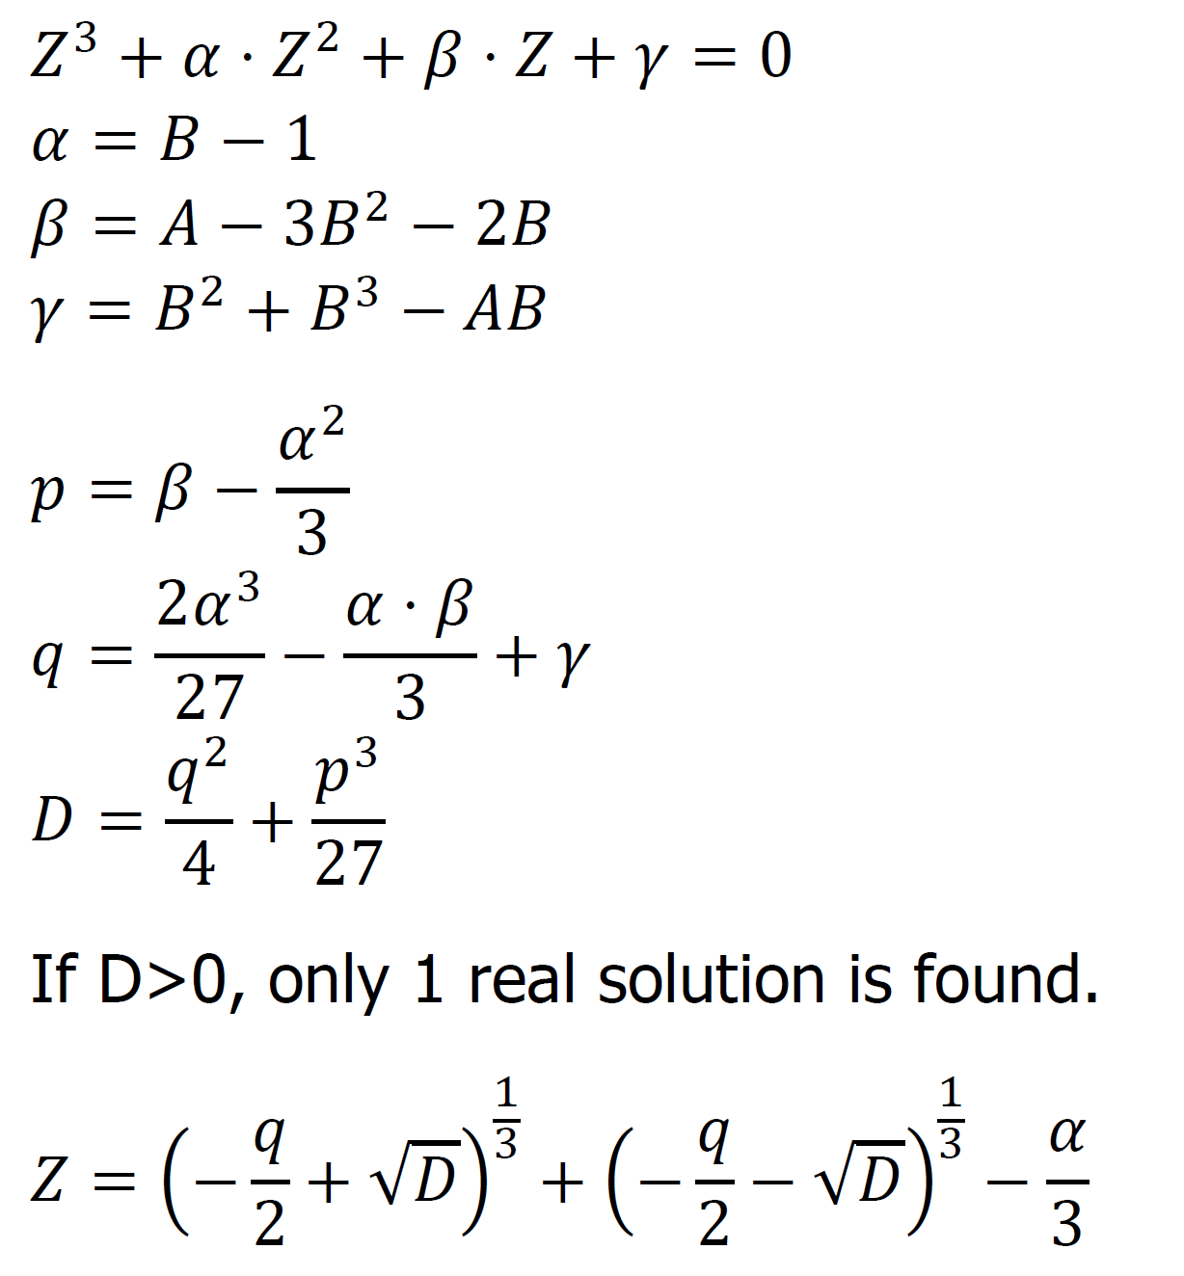
lambda M | 9.2416232501 | mol/s |  |  |  |  |  |  | Keq | Kp | Kphi |  |  |  |  | CONV Cox | 0.59700408593
lambda R | 4.4013610132 | mol/s |  |  |  |  |  | MeOH | 9.1558857275E-06 | 0.015901189656 | 0.78611435522 | Kp = product(Pi/Pref)^nu
T4 | 692.41668922 | K |  |  |  |  |  | RWGS | 0.09945656361 | 0.012992042905 | 0.88170255971
 |  |  |  |  |  |  |  |  |  |  | IM, IG
 |  |  |  |  |  |  |  | = Keq - Kp*Kphi = 0
 |  |  |  |  |  |  |  |  |  |  | -7.2190992781 |  | Goal MeOh (Must be zero)
 |  |  |  |  |  |  |  |  |  |  | 2.1612844301 |  | Goal RWGS (Must be zero)
 |  |  |  |  |  |  |  |  |  |  | 1.2093437363E-11 |  | Heat Goal Reactor 2

Specie | h3 | H3 | h4 | H4 |  |  | QR2 | 1.686392352E-05 | cal/s
CO | -25142.959297 | -135771.98021 | -23601.695438 | -13210.76021 |  |  |  | 1.686392352E-07 | cal/mol(1)
CO2 | -92276.625718 | -930148.38724 | -89894.523519 | -510478.54595
H2 | 1264.8712982 | 72047.069144 | 2755.109891 | 93881.450879
H2O | -56304.896686 | -5067.4407017 | -54463.788279 | -244616.53531
CH3OH | -45863.082313 | -19262.494572 | -42523.493176 | -410845.97034
N2 | 1272.6428054 | 4377.8912505 | 2798.5523073 | 9627.019937
CH4 | -16122.136836 | -380643.65071 | -13503.839562 | -318825.65205

