Sheet1
INDUSTRIAL ORGANIC CHEMISTRY - TUTORIAL 3

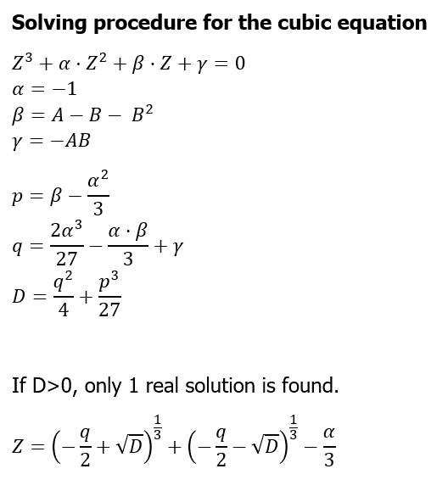
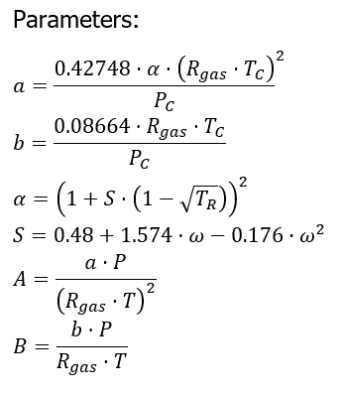
 |  |  |  |  |  | Antoine
 | Specie | Molar fraction [-] | Tc [K] | Pc [bar] | ω [-] | A | B | C | H [bar] | CpL [J/mol/K] | CpV [J/mol/K] | Dhvap @ Teb,n [kJ/mol/K] |  | Data |  |  |  |  |  | 
 | CO | 0.036 | 132.92 | 34.99 | 0.066 |  |  |  | 2500 |  | 29.08 |  |  | P1 | 65 | bar
 | CO2 | 0.088 | 304.19 | 73.82 | 0.228 |  |  |  | 164 |  | 38.40 |  |  | P2 | 5 | bar
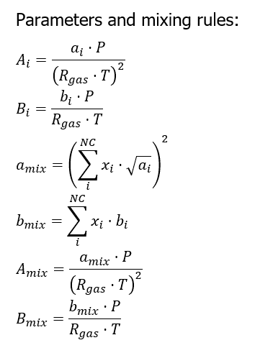
 | H2 | 0.510 | 33.18 | 13.13 | -0.22 |  |  |  | 6200 |  | 28.76 |  |  | T | 313.15 | K
 | H2O | 0.023 | 647.13 | 220.55 | 0.345 | 6.2096 | 2354.731 | 7.559 |  | 75.55 | 34.58 | 39.50 |  | F | 1481 | mol/s
 | CH3OH | 0.049 | 512.58 | 80.96 | 0.566 | 5.2041 | 1581.34 | -33.5 |  | 79.93 | 47.61 | 35.14
 | N2 | 0.038 | 126.1 | 33.94 | 0.04 |  |  |  | 3660 |  | 29.07
 | CH4 | 0.256 | 190.58 | 46.04 | 0.011 |  |  |  | 1130 |  | 36.33

 | Tdew | 400.70749966 | K | ideal gas

 | Specie | zi | P0 or H | P/P0 or P/H | xi = P/P0 * zi
 | CO | 0.036 | 2500 | 0.026 | 0.000936
 | CO2 | 0.088 | 164 | 0.39634146341 | 0.03487804878 |  |  |  |  |  |  |  |  |  |  |  |  | Liquid | Vapor
 | H2 | 0.510 | 6200 | 0.010483870968 | 0.0053467741935 |  |  |  |  |  |  |  |  |  |  |  | a_mix | 9.4299684857E-06 | 8.4445142158E-07
 | H2O | 0.023 | 2.7667366534 | 23.493381606 | 0.54034777693 |  |  |  |  |  |  |  |  |  |  |  | b_mix | 3.1419140651E-05 | 2.4251667912E-05
 | CH3OH | 0.049 | 7.9014440996 | 8.2263443467 | 0.40309087299 |  |  |  |  |  |  |  |  |  |  |  | A_mix | 0.55226639316 | 0.049455323366
 | N2 | 0.038 | 3660 | 0.017759562842 | 0.00067486338798 |  |  |  |  |  |  |  |  |  |  |  | B_mix | 0.061301368251 | 0.047317030147
 | CH4 | 0.256 | 1130 | 0.057522123894 | 0.014725663717 |  | 1 | sum xi |  |  |  |  |  |  |  |  | Alpha | -1 | -1
 |  |  |  |  |  |  |  |  |  |  |  |  |  |  |  |  | Beta | 0.48720716716 | -0.00010060812249
 |  |  |  |  |  |  |  |  |  |  |  |  |  |  |  |  | Gamma | -0.03385468554 | -0.0023400790266
 |  |  |  |  |  |  |  |  |  |  |  |  |  |  |  |  | p | 0.15387383383 | -0.33343394146
 |  |  |  |  |  |  |  |  |  |  |  |  |  |  |  |  | q | 0.054473629441 | -0.076447689142
 |  |  |  |  |  |  |  |  |  |  |  |  |  |  |  |  | D | 0.00087678092358 | 8.8077730775E-05
 | Tdew | 400.70749966 | K | Real mixture / Real Gas |  |  |  |  |  |  |  |  |  |  |  |  | Z | 0.082222398801 | 1.002429116
 |  |  |  |  |  |  |  |  |  |  |  |  | Liquid |  | Vapor
 | Specie | zi | Phi L | Phi V | Ki = PhiV/PhiL | xi = P/P0 * zi | S | Alpha | ai | bi | Ai | Bi | xi*sqrt(ai) | xi*bi | zi*sqrt(ai) | zi*bi
 | CO | 0.036 |  |  |  | 0.000936 | 0.583117344 | 0.3256587072 | 4.8588697616E-07 | 2.736370211E-05 | 0.028455985639 | 0.053388868855 | 6.5244435492E-07 | 2.5612425175E-08 | 2.5094013651E-05 | 9.8509327596E-07
 | CO2 | 0.088 |  |  |  | 0.03487804878 | 0.829722816 | 0.76986880765 | 2.8514672626E-06 | 2.9682423406E-05 | 0.16699626756 | 0.057912887815 | 5.8896078055E-05 | 1.0352650115E-06 | 0.0001485993354 | 2.6120532597E-06
 | H2 | 0.510 |  |  |  | 0.0053467741935 | 0.1252016 | 0.47624527897 | 1.1799254318E-07 | 1.8202880558E-05 | 0.0069102369047 | 0.035515340687 | 1.8366192172E-06 | 9.7326692016E-08 | 0.00017518521764 | 9.2834690846E-06
 | H2O | 0.023 |  |  |  | 0.54034777693 | 1.0020816 | 1.4726949905 | 8.262750813E-06 | 2.1135519899E-05 | 0.48390825441 | 0.041237165041 | 0.0015532297377 | 1.1420531192E-05 | 6.6113502252E-05 | 4.8611695767E-07
 | CH3OH | 0.049 |  |  |  | 0.40309087299 | 1.314501344 | 1.3277177788 | 1.2731935381E-05 | 4.5605751976E-05 | 0.74564618551 | 0.088980632133 | 0.0014383023088 | 1.8383262377E-05 | 0.00017484100449 | 2.2346818468E-06
 | N2 | 0.038 |  |  |  | 0.00067486338798 | 0.5426784 | 0.33096408783 | 4.5817886096E-07 | 2.6762810093E-05 | 0.026833259024 | 0.052216478329 | 4.5680767493E-07 | 1.8061240691E-08 | 2.5721786004E-05 | 1.0169867835E-06
 | CH4 | 0.256 |  |  |  | 0.014725663717 | 0.497292704 | 0.602496595 | 1.4044612724E-06 | 2.9817448062E-05 | 0.082252317432 | 0.058176332199 | 1.7451379488E-05 | 4.3908171305E-07 | 0.00030338552034 | 7.6332667038E-06

