Sheet1
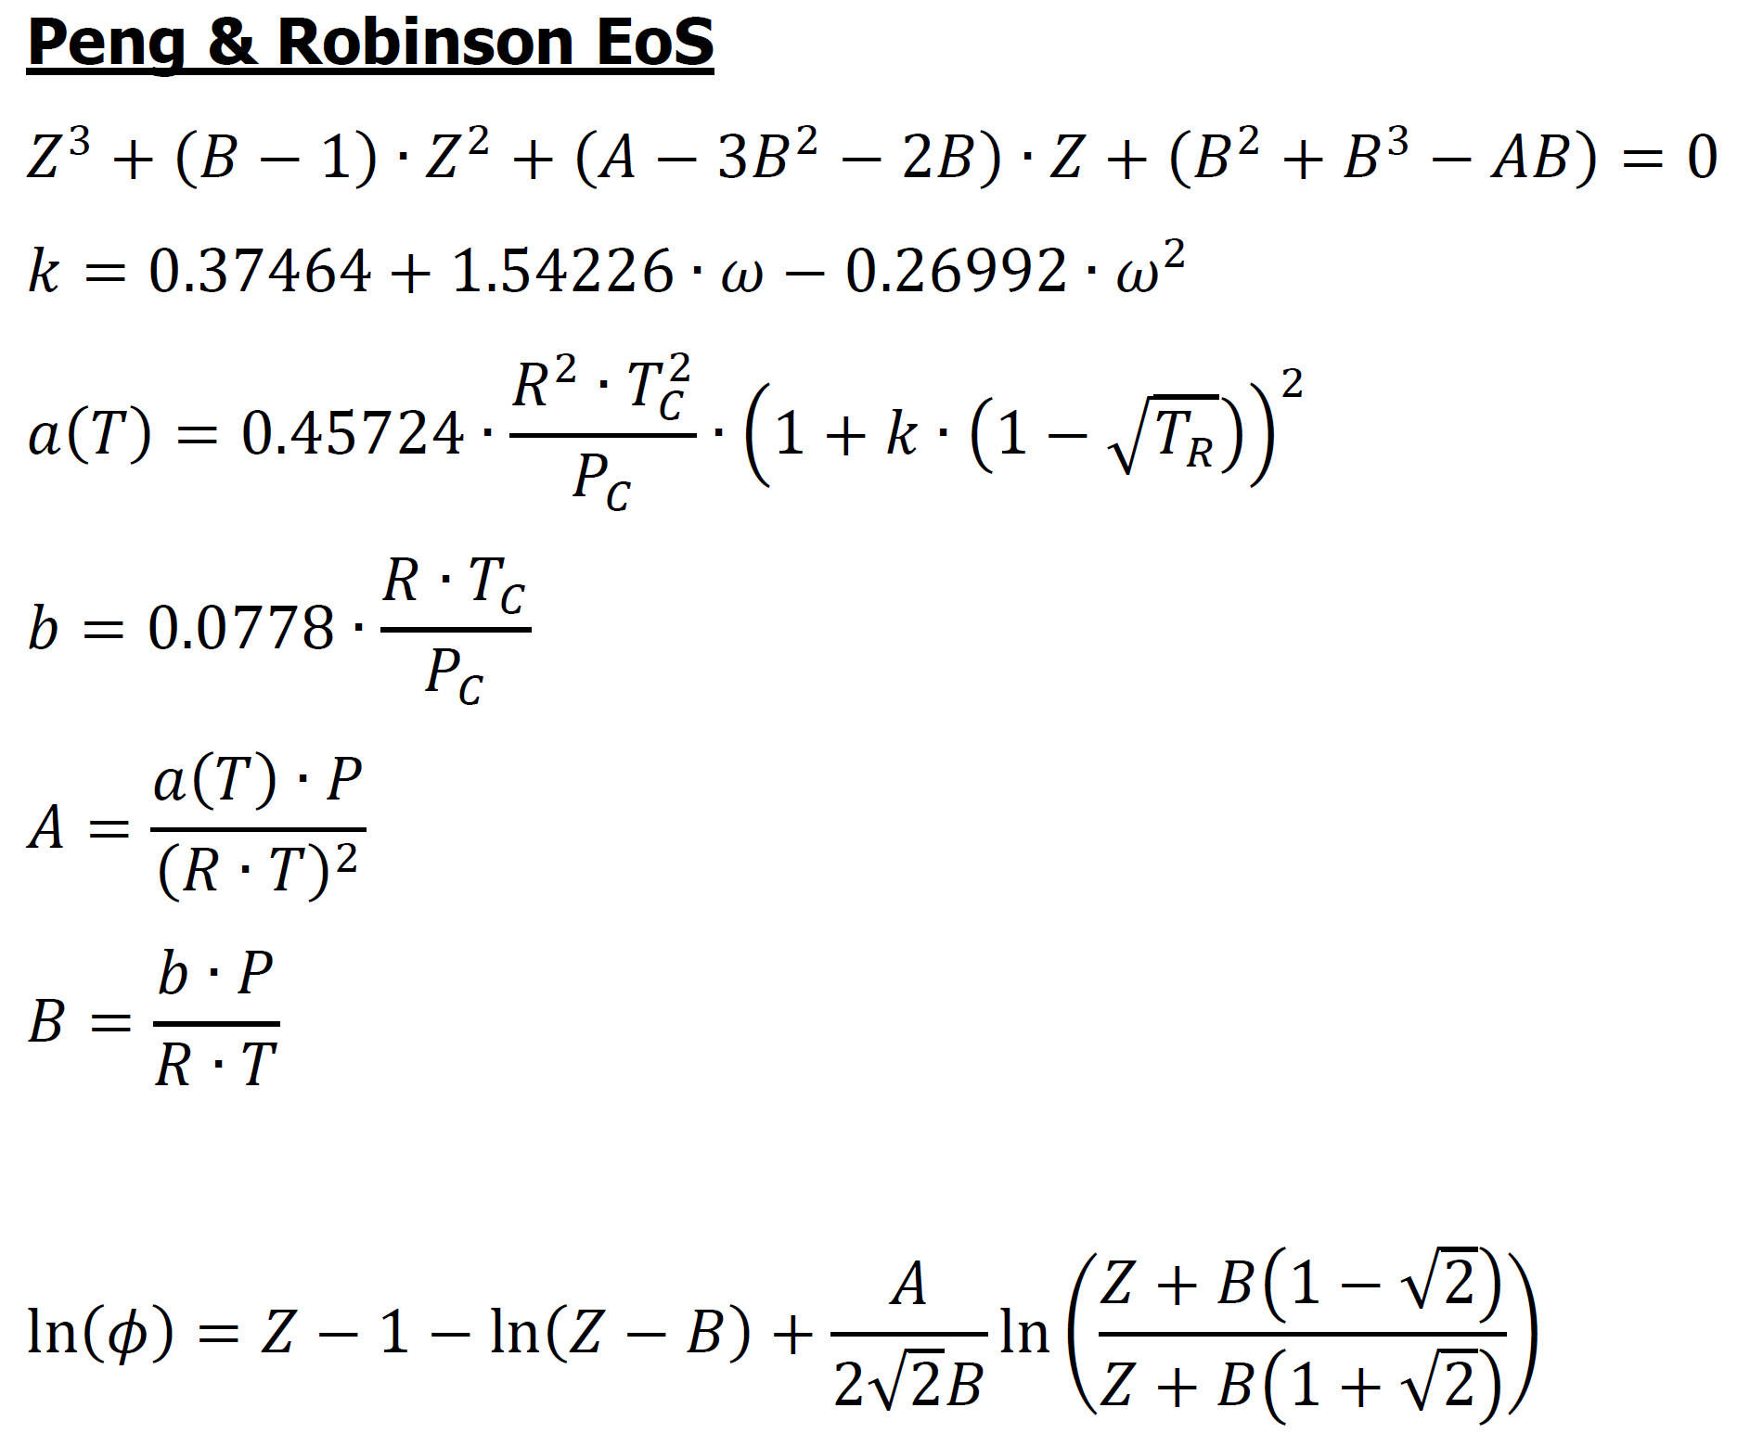
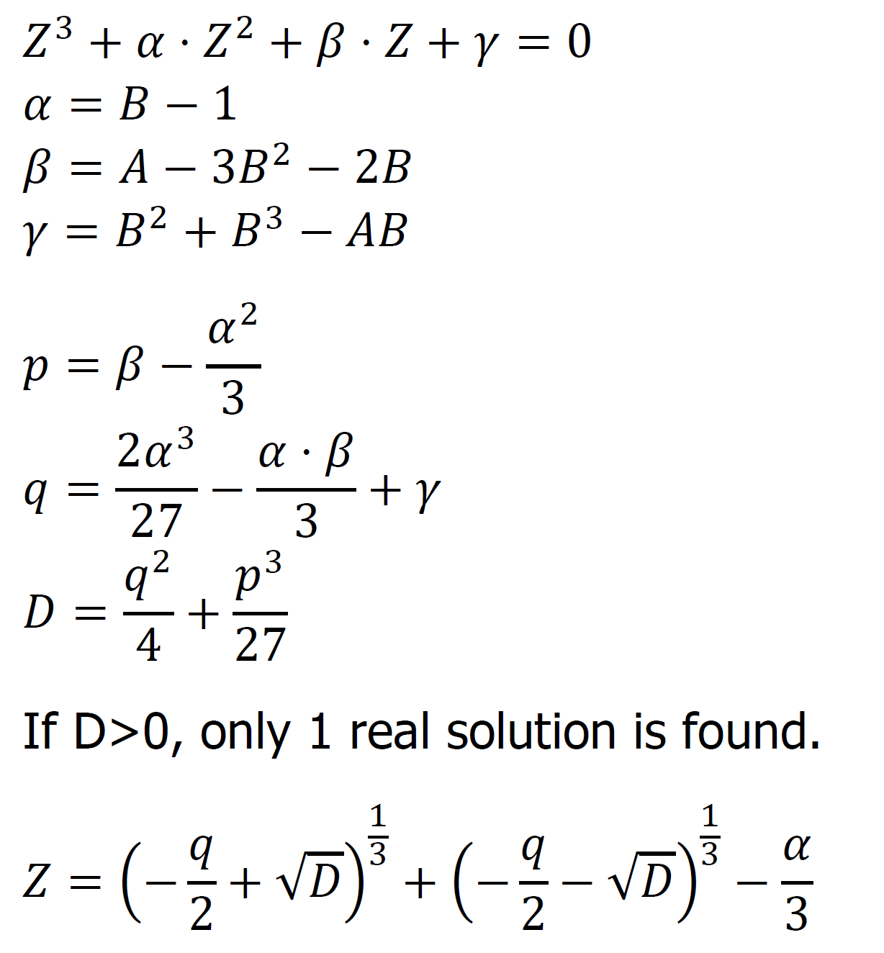
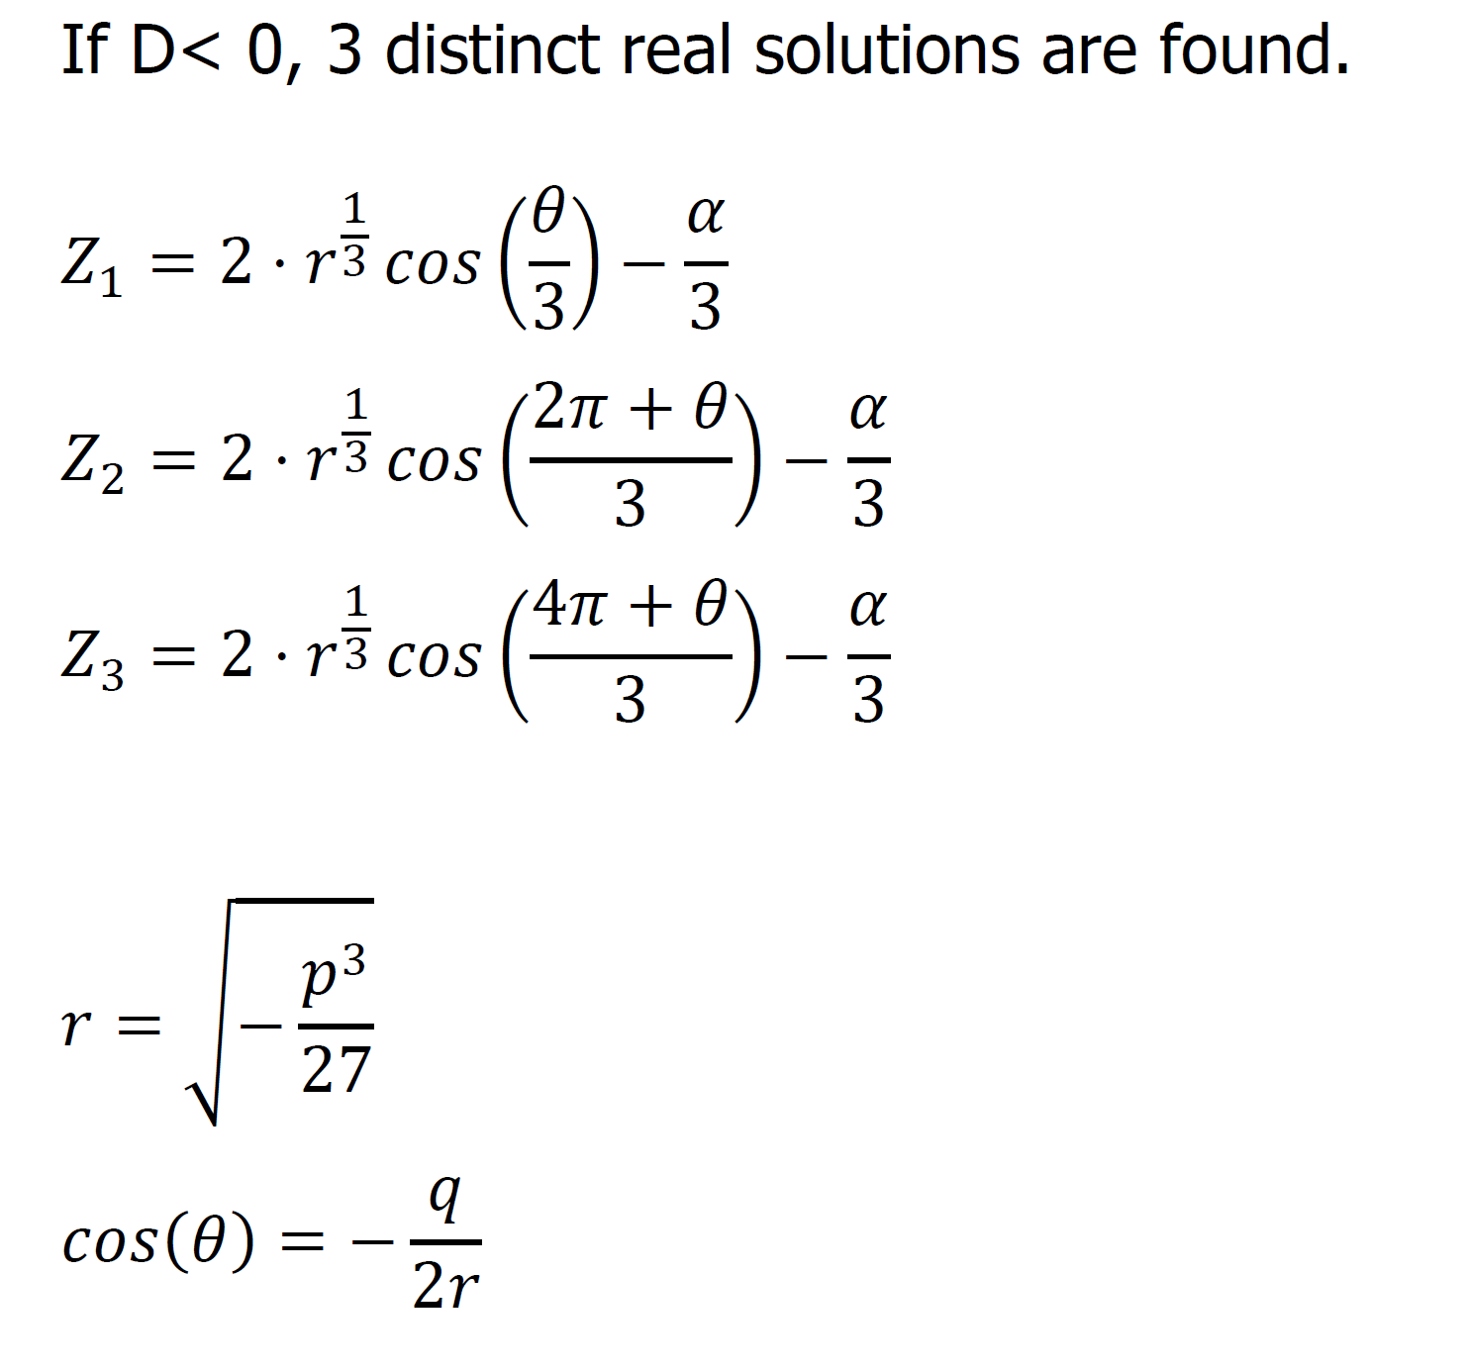
PROCESSES OF THE ORGANIC CHEMICAL INDUSTRY - TUTORIAL 2

Specie | Molar fraction [-] | DH0F (298K) [cal/mol] | a | b x 103 | c x 106 | d x 109 | Tc [K] | Pc [bar] | ω [-]
CO | 0.054 | -26420 | 7.373 | -3.07 | 6.662 | -3.037 | 132.92 | 34.99 | 0.066
CO2 | 0.1008 | -94050 | 4.728 | 17.54 | -13.38 | 4.097 | 304.19 | 73.82 | 0.228
H2 | 0.5696 | 0 | 6.483 | 2.215 | -3.298 | 1.826 | 33.18 | 13.13 | -0.22
H2O | 0.0009 | -57800 | 7.701 | 0.4595 | 2.521 | -0.859 | 647.13 | 220.55 | 0.345
CH3OH | 0.0042 | -48080 | 5.062 | 16.94 | 6.179 | -6.811 | 512.58 | 80.96 | 0.566
N2 | 0.0344 | 0 | 7.44 | -3.24 | 6.4 | -2.79 | 126.1 | 33.94 | 0.04
CH4 | 0.2361 | -17890 | 4.598 | 12.45 | 2.86 | -2.709 | 190.58 | 46.04 | 0.011

T1 | 430 | K |  | P | 80 | bar
T2 | 530.00 | K |  |  |  |  |  | BOC | 100 | mol/s
T3 | 480 | K

Specie | ni 1 | nu M | nu R | ni 2 | yi 2 | Pi 2 / pref | Pi 2^ Num | Pi 2 ^ Nu RWGS
CO | 5.4 | -1 | 1 | 1.5756546324 | 0.018145078326 | 1.4301539567 | 0.69922541927 | 1.4301539567
CO2 | 10.08 | 0 | -1 | 7.3225826461 | 0.084326116226 | 6.6463933971 | 1 | 0.15045753994
H2 | 56.96 | -2 | -1 | 41.039057203 | 0.47260160448 | 37.249387545 | 0.0007207119566 | 0.02684607898
H2O | 0.09 | 0 | 1 | 2.8474173539 | 0.032790568346 | 2.5844782933 | 1 | 2.5844782933
CH3OH | 0.42 | 1 | 0 | 7.0017627215 | 0.080631586637 | 6.3551989468 | 6.3551989468 | 1
N2 | 3.44 | 0 | 0 | 3.44 | 0.039614689767 | 3.1223400801 | 1 | 1
CH4 | 23.61 | 0 | 0 | 23.61 | 0.27189035622 | 21.429781771 | 1 | 1
SUM | 100 | -2 | 0 | 86.836474557 | 1 | 78.81773399 | 11.055145078 | 7.1919358689

needs a first assumption
lambda M | 6.5817627215 | mol/s |  |  |  |  |  |  | Keq | Kp | Kphi
lambda R | 2.7574173539 | mol/s |  |  |  |  |  | MeOH | 0.0014788237851 | 0.00320263972 | 1 | Kp = product(Pi/Pref)^nu
 |  |  |  |  |  |  |  | RWGS | 0.01492968004 | 0.014929680062 | 1
 |  |  |  |  |  |  |  |  |  |  | IM, IG
 |  |  |  |  |  |  |  | = Keq - Kp*Kphi = 0
 |  |  |  |  |  |  |  |  |  | Goal MeOH | -0.77272835028
 |  |  |  |  |  |  |  |  |  | Goal RWGS | -1.4576331253E-09

