FLOWCHART-TASK
EVENT OCCUR- MONITORING & DATA COLLECTION
 |  |  |  |  |  |  | as an event that occurs transform in stages from high windspeed
 |  |  |  |  |  |  | at the point of occurance, to various stages like TD, TS and then into an HU
 |  |  |  |  |  |  | until it reache sthe coast,
 |  |  |  |  |  |  | if maintains the high wind speed and other atmospheric factors which favours the HU.

A separte UI is being created as dashboard for current event response for HU. as it will take a bit more time to actually integrate it as separate module
flow

 |  |  |  |  | Input

EXPORT THE LIKE EVENTS, RELATED LOSS TO AN EXCEL FILE

UI created for simple visualization for like events
 |  |  |  |  |  | Output
 |  |  |  |  |  | YET TO IMPLIMENT

MANUAL FILTERING OF THE EVENTS- REMOVE THE EVENTS THAT DO NOT FIT THE ANALYSIS AT ALL

have the viability to select/ unselect the events from the UI
 | Input
 |  |  |  | Input

FINAL EVENTS AND LOSS ANALYSIS REPORT
 |  | code
 |  | sql
 |  | QGIS
 |  | Dashboard
CROWN INTERFACE
 |  | Excel

PORTFOLIO ANALYSIS

SUBMIT PORTFOLIO ANALYSIS

IF EXPOSURE AVAILABLE

 |  |  |  |  |  | SCREEN FOR PYTHON
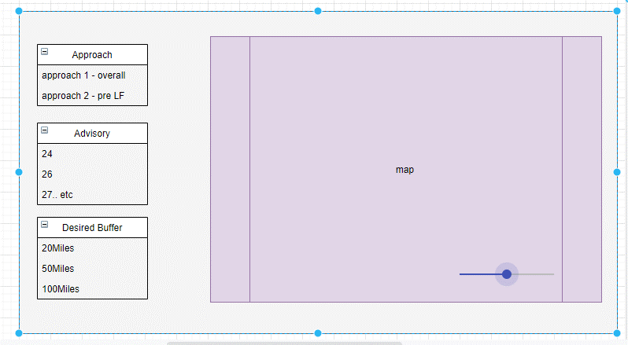
 |  |  |  |  |  | CURRENT PROCESS- |  | INPUTS FOR SHAPEFILE IN PY CODE
 |  |  |  |  |  | INPUTS FOR SHAPEFILE IN PY CODE |  | INPUTS FOR OTHER FILTERS IN PYCODE
CROWN ANALYSIS
 |  |  |  |  |  | IMPLIMENT THE CODE |  | IMPLIMENT THE CODE

 |  |  |  |  |  | GET THE LIKE EVENTS |  | GET THE LIKE EVENT
EXPORT REPORTS
 |  |  |  |  |  | IMPORT TO SQL

 |  |  |  |  |  | GIVE INPUTS TO SQL QUERY AND GET THE LOSS

 |  |  |  |  |  |  |  |  | We have the like events from primary filtering.

ELSA SHAPEFILE ANALYSIS
dr002
MinAttributeValue | MAxAttributeValue | DR
0 | 10 | 0.02 | 0.2
11 | 20 | 0.04 | 0.8
21 | 30 | 0.06 | 1.8
31 | 40 | 0.08 | 3.2
41 | 50 | 0.1 | 5
51 | 100 | 0.2 | 20
101 | 150 | 0.4 | 60

