Sheet1
TestCases | Related ScreenShot
Creation of Borrower
Trying to create a borrower who is already existed
Finding borrower by Email Id performed by admin if the borrower has not present the exception handling | 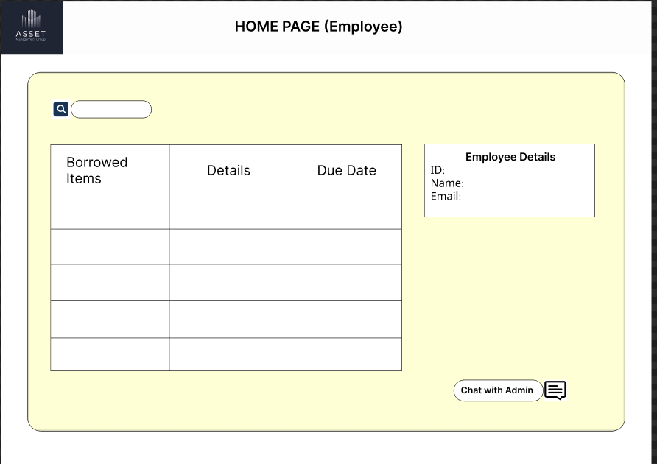
update Borrower by borrower
Delete Borrower by emaild Id performed either by borrower/admin and theoutput will be shown in frontend UI
Delete Borrower by emaild Id performed either by borrower/admin if the record is not present
update Borrower by ID shows error if the Id is not present exception handling
find borrower by his email
find all borrowers
borrower checks the availability of the asset if available true
borrower checks the availability of the asset if not available false
Checks the Credintials of the borrower/admin, like checking the match case of username and password
if login credintials are wrong
if login credintials are right

Homepage of Employee/Borrower where his borrowed assets and his details will be visible
Homepage of E-AssetManagement System
Asset Add page this is only for admin
List of Borrowerspage can be seen by only admin
Login page
Borrower Registration Page

