PT_Establishment
SALES BY OUTLET ESTABLISHMENT YEAR
Values
Sum of Outlet Establishment Year | Sum of Sales
9187862 | 638484.29

Dashboard

1201681.49
TOTAL SALES
141.0
SALES BY ITEM TYPE
 | Total
Baking Goods | 53255.0182
Breads | 22620.3442
Breakfast | 10808.1552
Canned | 57769.1948
Dairy | 65600.4708
Frozen Foods | 75005.8644
Hard Drinks | 18638.5596
Health and Hygiene | 36508.03
Household | 76623.9792
Meat | 40058.102
Others | 12127.318
Seafood | 5761.8306
Snack Foods | 114529.8388
Soft Drinks | 34566.3358
Starchy Foods | 14611.252
 | 1201681.49
 | TOTAL SALES


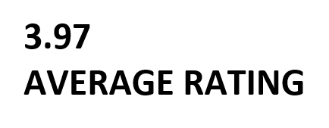
FILTER PANEL

FAT CONTENT
 | Total
Low Fat | 407555.46
Regular | 230928.83
SALES BY OUTLET LOCATION
 | Total
Tier 1 | 110698.32
Tier 2 | 133416.14
Tier 3 | 394369.83

AVERAGE SALES BY ITEM TYPE
 | Total
Baking Goods | 126.38
Breads | 140.95
Breakfast | 141.79
Canned | 139.76
Dairy | 148.50
Frozen Foods | 138.50
Fruits and Vegetables | 144.58
Hard Drinks | 137.08
Health and Hygiene | 130.82
Household | 149.42
Meat | 139.88
Others | 132.85
Seafood | 141.84
Snack Foods | 146.19
Soft Drinks | 131.49
Starchy Foods | 147.84
SALES BY OUTLET ESTABLISHMENT YEAR
 | Sum of Outlet Establishment Year | Sum of Sales
Total | 9187862 | 638484.29

