⚠ README ⚠
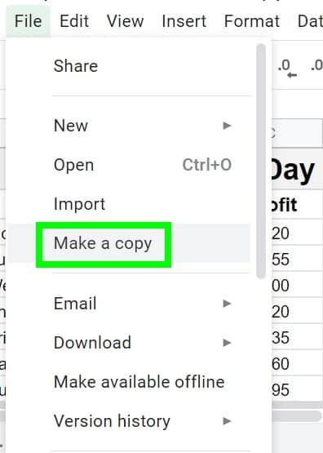
IF YOU WANT TO EDIT THE LIST FOR PERSONAL USE, MAKE A COPY
GUIDE HERE, OR LOOK AT THE IMAGE BELOW

