door_2_door
 | 1=at home | 1=Male | 1=female |  |  |  |  |  | 20.012326967
% | 0.8 | 0.35 | 0.65 | 0.2 | 0.3 |  |  |  |  | mean | std
household | Home | Male | Female | Mbuy | FBuy | sub_total | TOTAL |  | female buy | 22 | 5
1 | 1 | 1 | 0 | 0 | 0 | 0 | 553.90583955 |  | male buy | 28 | 3
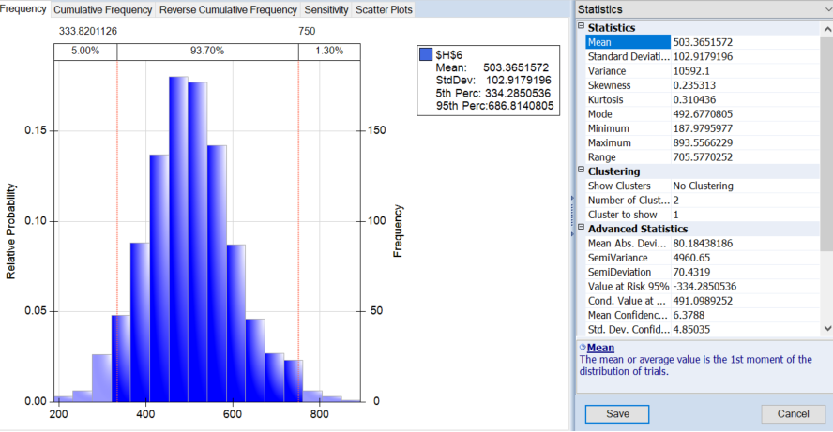
2 | 0 | 0 | 1 | 0 | 0 | 0
3 | 1 | 1 | 0 | 31.567372108 | 0 | 31.567372108
4 | 0 | 1 | 0 | 0 | 0 | 0
5 | 1 | 0 | 1 | 0 | 0 | 0
6 | 1 | 1 | 0 | 0 | 0 | 0
7 | 1 | 1 | 0 | 0 | 0 | 0
8 | 1 | 0 | 1 | 0 | 0 | 0
9 | 1 | 0 | 1 | 0 | 0 | 0
10 | 1 | 0 | 1 | 0 | 14.290703751 | 14.290703751
11 | 1 | 0 | 1 | 0 | 0 | 0
12 | 1 | 1 | 0 | 0 | 0 | 0
13 | 1 | 0 | 1 | 0 | 26.22145767 | 26.22145767
14 | 1 | 0 | 1 | 0 | 26.279312595 | 26.279312595
15 | 1 | 0 | 1 | 0 | 0 | 0
16 | 1 | 0 | 1 | 0 | 0 | 0
17 | 1 | 1 | 0 | 21.823162047 | 0 | 21.823162047
18 | 1 | 1 | 0 | 0 | 0 | 0
19 | 1 | 0 | 1 | 0 | 0 | 0
20 | 0 | 0 | 1 | 0 | 0 | 0
21 | 1 | 0 | 1 | 0 | 0 | 0
22 | 1 | 1 | 0 | 28.673508513 | 0 | 28.673508513
23 | 1 | 1 | 0 | 0 | 0 | 0
24 | 0 | 0 | 1 | 0 | 0 | 0
25 | 1 | 1 | 0 | 0 | 0 | 0 |  | a.
26 | 1 | 0 | 1 | 0 | 0 | 0 |  | Total amount is defined by cell [H6], by 1000 simulation we expect revenues about 503.4$ on average.
27 | 1 | 0 | 1 | 0 | 17.224545438 | 17.224545438 |  | b.
28 | 1 | 0 | 1 | 0 | 0 | 0 |  | The standard deviation of total revenues is about 102.92.
29 | 0 | 0 | 1 | 0 | 0 | 0 |  | c.
30 | 1 | 0 | 1 | 0 | 0 | 0 |  | The probability of making more than $750 is only 1.3% as shown on graph above.
31 | 1 | 1 | 0 | 27.738471008 | 0 | 27.738471008
32 | 1 | 1 | 0 | 0 | 0 | 0
33 | 1 | 0 | 1 | 0 | 24.817784365 | 24.817784365
34 | 1 | 1 | 0 | 0 | 0 | 0
35 | 1 | 1 | 0 | 0 | 0 | 0
36 | 0 | 1 | 0 | 0 | 0 | 0
37 | 1 | 1 | 0 | 30.593181765 | 0 | 30.593181765
38 | 1 | 0 | 1 | 0 | 0 | 0
39 | 1 | 1 | 0 | 0 | 0 | 0
40 | 1 | 1 | 0 | 0 | 0 | 0
41 | 1 | 0 | 1 | 0 | 0 | 0
42 | 1 | 0 | 1 | 0 | 0 | 0
43 | 1 | 1 | 0 | 26.0928767 | 0 | 26.0928767
44 | 1 | 1 | 0 | 0 | 0 | 0
45 | 1 | 1 | 0 | 0 | 0 | 0
46 | 1 | 1 | 0 | 0 | 0 | 0
47 | 1 | 1 | 0 | 0 | 0 | 0
48 | 1 | 0 | 1 | 0 | 0 | 0
49 | 1 | 0 | 1 | 0 | 0 | 0
50 | 1 | 0 | 1 | 0 | 21.445365806 | 21.445365806
51 | 1 | 0 | 1 | 0 | 0 | 0
52 | 1 | 1 | 0 | 0 | 0 | 0
53 | 1 | 0 | 1 | 0 | 19.145517362 | 19.145517362
54 | 1 | 1 | 0 | 0 | 0 | 0
55 | 0 | 0 | 1 | 0 | 0 | 0
56 | 0 | 0 | 1 | 0 | 0 | 0
57 | 1 | 1 | 0 | 0 | 0 | 0
58 | 1 | 0 | 1 | 0 | 0 | 0
59 | 1 | 1 | 0 | 0 | 0 | 0
60 | 1 | 1 | 0 | 0 | 0 | 0
61 | 1 | 1 | 0 | 0 | 0 | 0
62 | 0 | 0 | 1 | 0 | 0 | 0
63 | 1 | 0 | 1 | 0 | 23.849146134 | 23.849146134
64 | 1 | 1 | 0 | 0 | 0 | 0
65 | 1 | 1 | 0 | 0 | 0 | 0
66 | 1 | 0 | 1 | 0 | 22.411480879 | 22.411480879
67 | 1 | 1 | 0 | 0 | 0 | 0
68 | 1 | 1 | 0 | 0 | 0 | 0
69 | 1 | 1 | 0 | 0 | 0 | 0
70 | 1 | 0 | 1 | 0 | 0 | 0
71 | 0 | 1 | 0 | 0 | 0 | 0
72 | 1 | 1 | 0 | 0 | 0 | 0
73 | 1 | 0 | 1 | 0 | 24.686485023 | 24.686485023
74 | 1 | 1 | 0 | 0 | 0 | 0
75 | 1 | 0 | 1 | 0 | 14.602704512 | 14.602704512
76 | 0 | 1 | 0 | 0 | 0 | 0
77 | 0 | 1 | 0 | 0 | 0 | 0
78 | 1 | 0 | 1 | 0 | 22.464399903 | 22.464399903
79 | 1 | 1 | 0 | 0 | 0 | 0
80 | 1 | 1 | 0 | 28.218694023 | 0 | 28.218694023
81 | 1 | 1 | 0 | 0 | 0 | 0
82 | 1 | 0 | 1 | 0 | 0 | 0
83 | 1 | 1 | 0 | 0 | 0 | 0
84 | 1 | 1 | 0 | 0 | 0 | 0
85 | 0 | 1 | 0 | 0 | 0 | 0
86 | 1 | 1 | 0 | 0 | 0 | 0
87 | 0 | 0 | 1 | 0 | 0 | 0
88 | 1 | 0 | 1 | 0 | 0 | 0
89 | 1 | 0 | 1 | 0 | 0 | 0
90 | 1 | 0 | 1 | 0 | 0 | 0
91 | 1 | 0 | 1 | 0 | 23.059575136 | 23.059575136
92 | 1 | 0 | 1 | 0 | 0 | 0
93 | 1 | 1 | 0 | 28.866064495 | 0 | 28.866064495
94 | 0 | 0 | 1 | 0 | 0 | 0
95 | 1 | 1 | 0 | 30.514229681 | 0 | 30.514229681
96 | 1 | 1 | 0 | 0 | 0 | 0
97 | 1 | 1 | 0 | 0 | 0 | 0
98 | 1 | 1 | 0 | 0 | 0 | 0
99 | 1 | 0 | 1 | 0 | 19.319800638 | 19.319800638
100 | 0 | 1 | 0 | 0 | 0 | 0

