IEA Energy balance explained
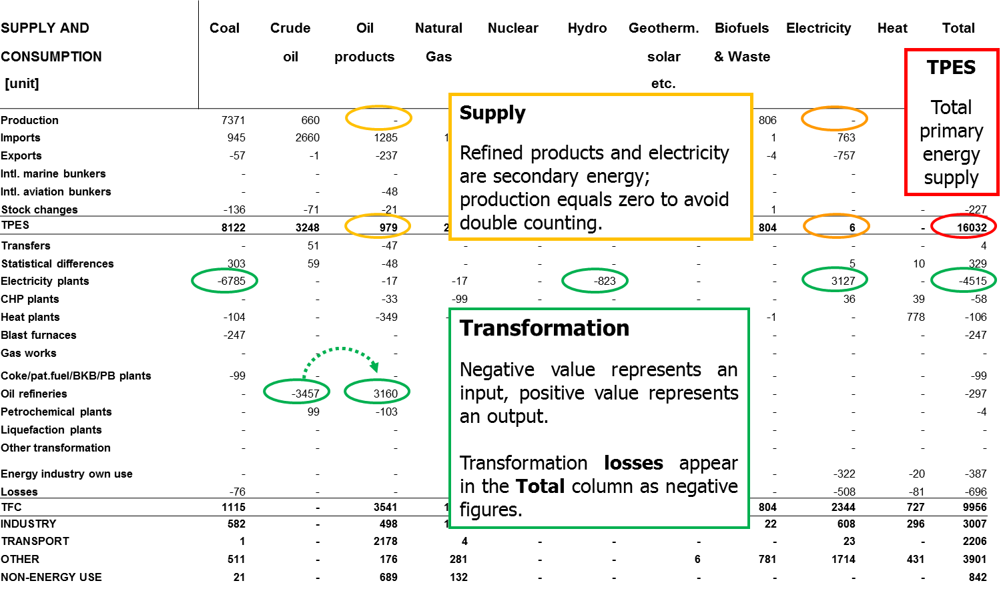
Key structural features of the IEA energy balance

The key energy balance concepts are highlighted with different colour schemes in an exemplary energy balance table below. For more detailed explanation, please refer to the IEA Energy statistics manual (available in multiple languages): | http://www.iea.org/publications/freepublications/publication/energy-statistics-manual.html

Note:
• Products and flows depicted in the example correspond to the full data set available only on-purchase.

Interactive_PivotChart
Total: Production (ktoe)
 | 45. World
1971 | 5,644,846
1972 | 5,888,288
1973 | 6,213,694
1974 | 6,281,971
1975 | 6,285,584
1976 | 6,613,644
1977 | 6,866,717
1978 | 7,015,574
1979 | 7,343,163
1980 | 7,301,496
1981 | 7,204,452
1982 | 7,172,196
1983 | 7,207,145
1984 | 7,565,346
1985 | 7,694,207
1986 | 7,940,155
1987 | 8,159,611
1988 | 8,460,861
1989 | 8,624,861
1990 | 8,809,514
1991 | 8,827,707
1992 | 8,879,487
1993 | 8,911,833
1994 | 9,037,298
1995 | 9,263,457
1996 | 9,486,303
1997 | 9,614,278
1998 | 9,722,816
1999 | 9,742,277
2000 | 10,031,786
2001 | 10,202,380
2002 | 10,275,998
2003 | 10,699,838
2004 | 11,221,243
2005 | 11,588,027
2006 | 11,918,197
2007 | 12,131,944
2008 | 12,383,064
2009 | 12,291,167
2010 | 12,868,539
2011 | 13,193,166
2012 | 13,385,446
2013 | 13,601,549
2014 | 13,805,443
2015 P | 0

Instructions
1 | Select country
2 | Select product (click 'Total' to access electricity output and CO2-emissions)
3 | Select flow

Notes:
• | Multiple fields can be selected (Ctrl + click).
• | Negative values represent exports/transformation inputs.
• | A greyed-out element within a dimension indicates it is not available for an element selected in another dimension.
• | Go to 'Definitions'-page.
• | Go to 'IEA Energy balance explained'-page.

Source: IEA ©OECD/IEA 2016 (http://www.iea.org/t&c/termsandconditions/)

