Python_ETL_Process
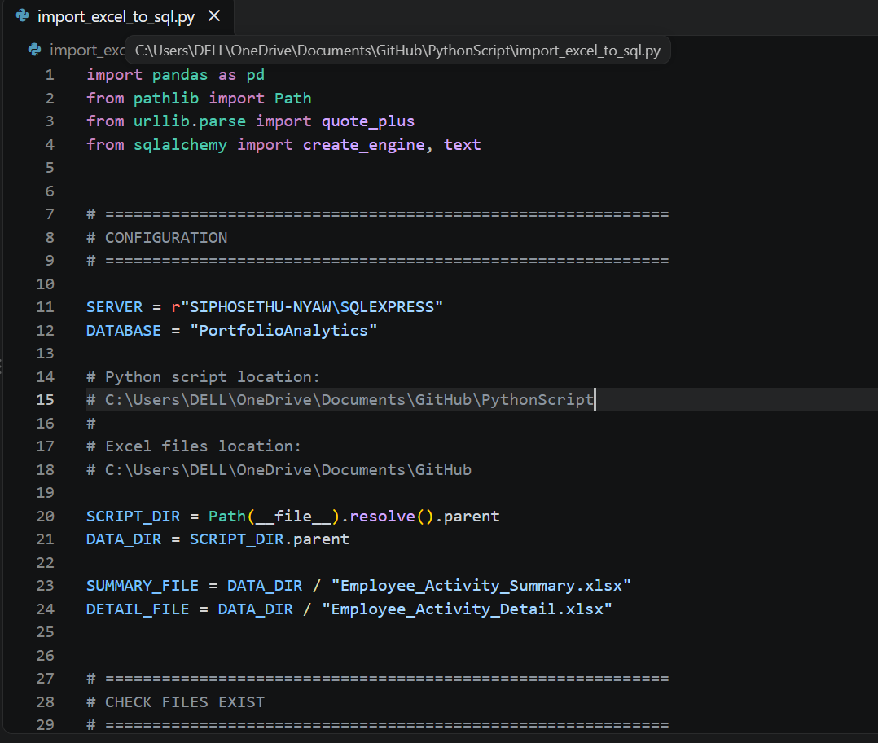
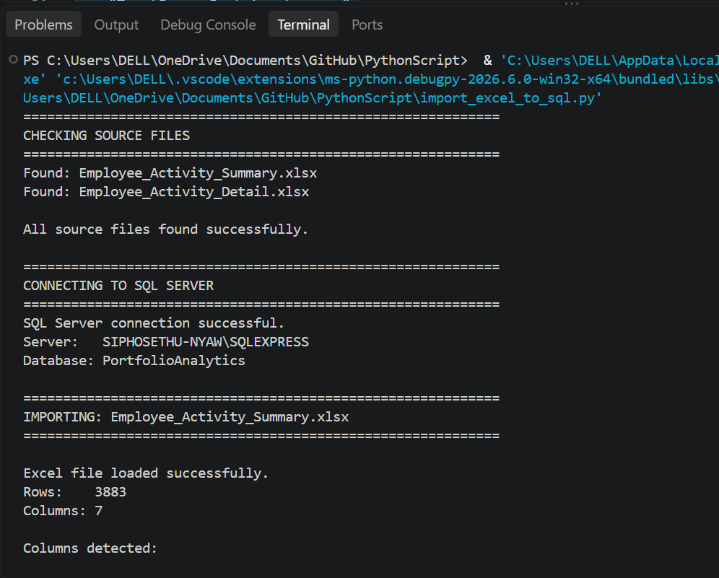
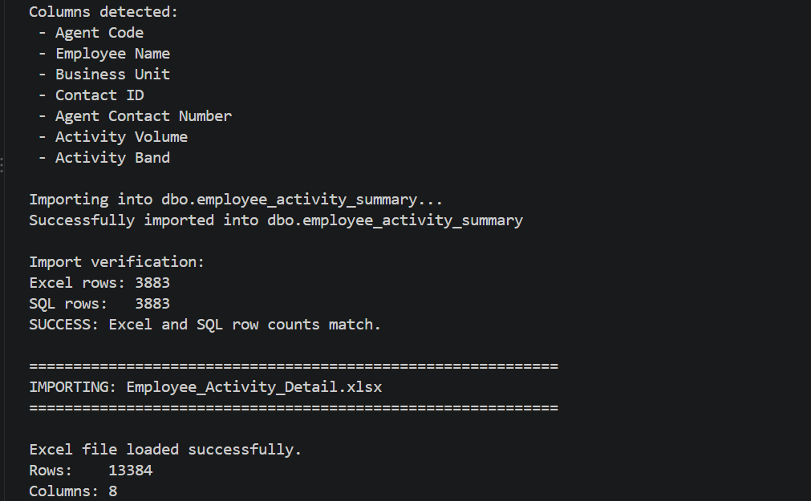
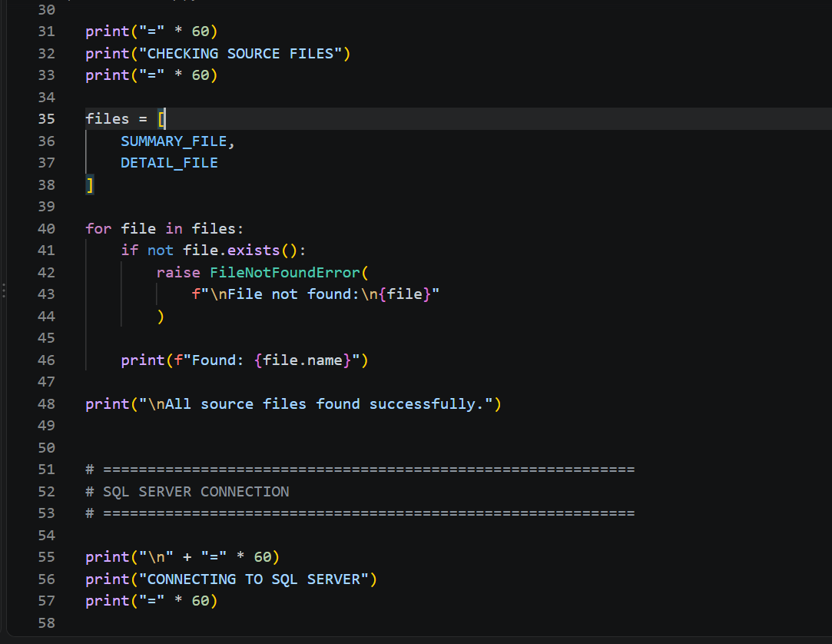
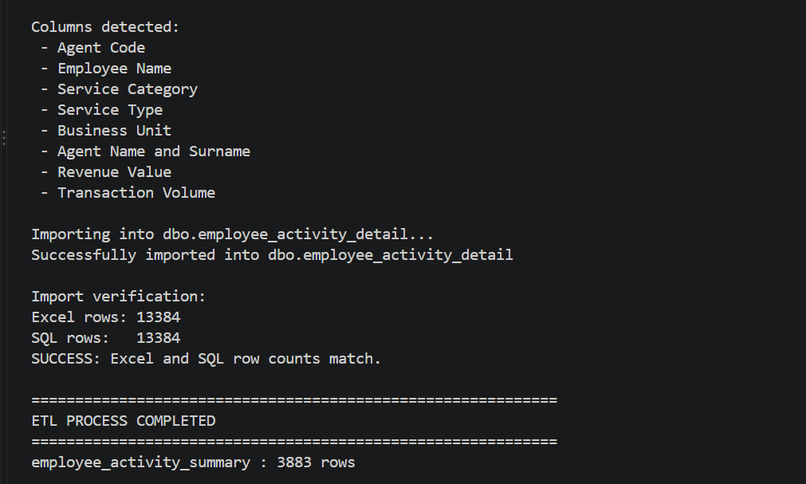
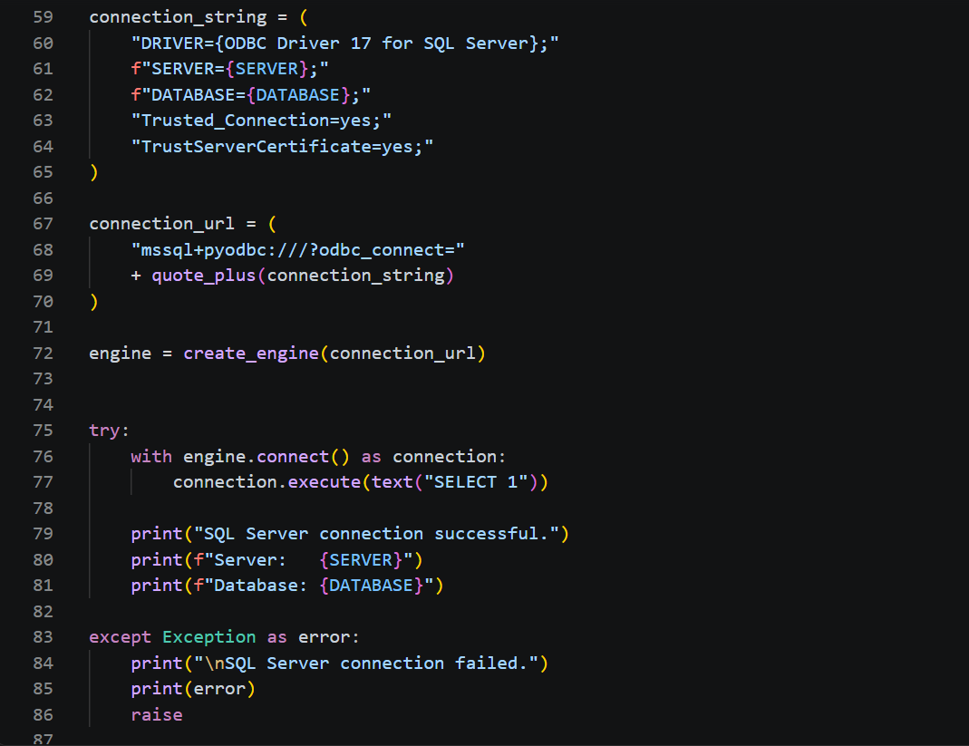
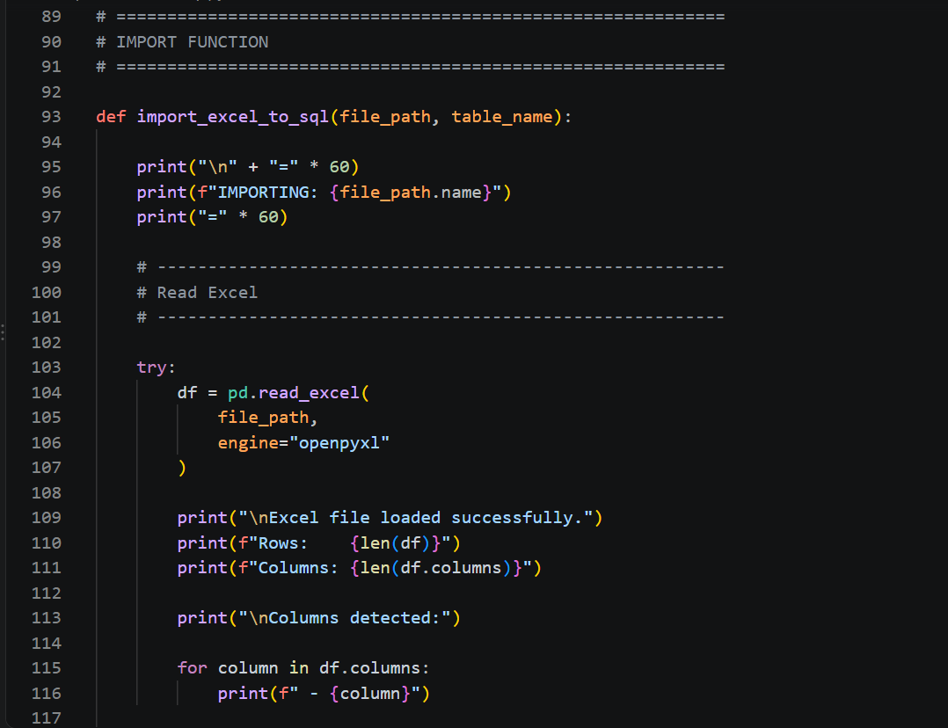
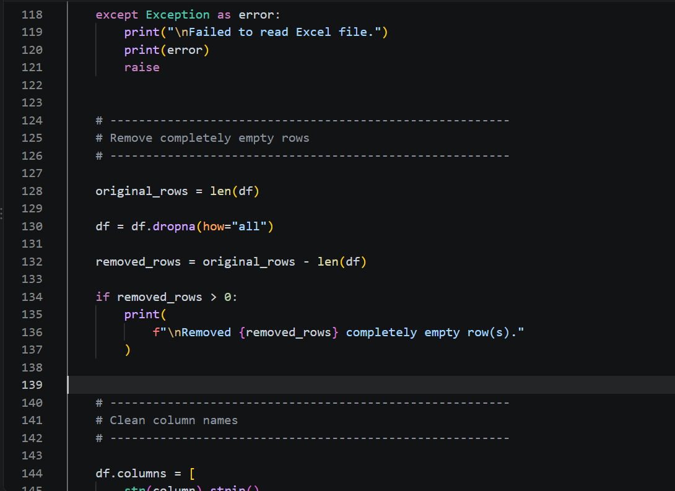
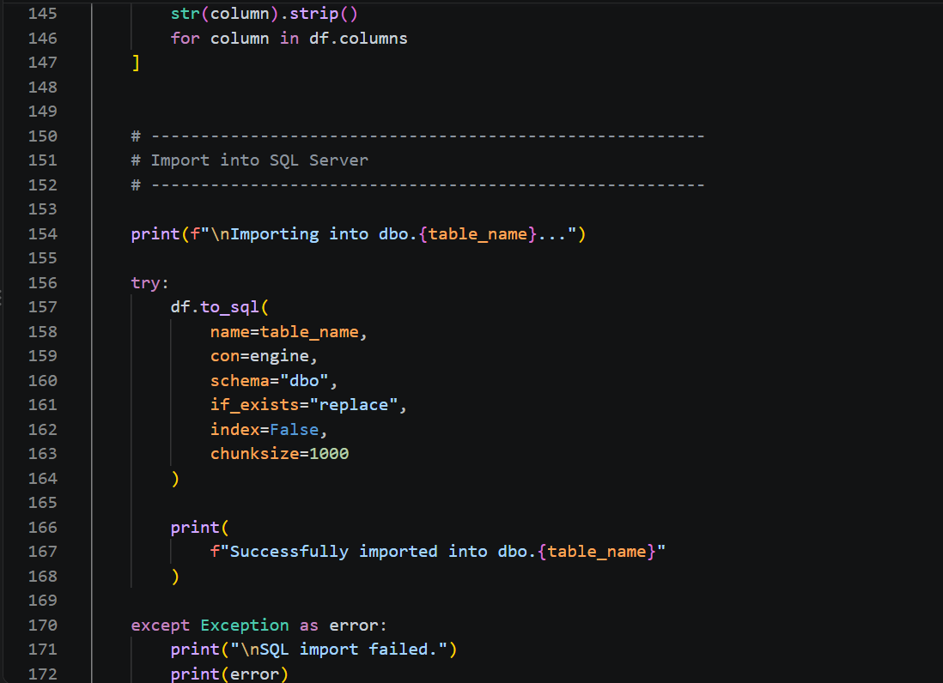
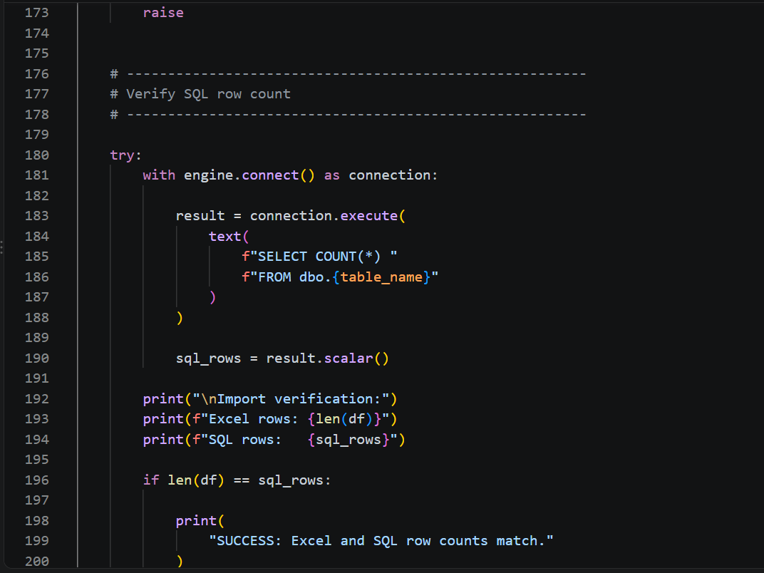
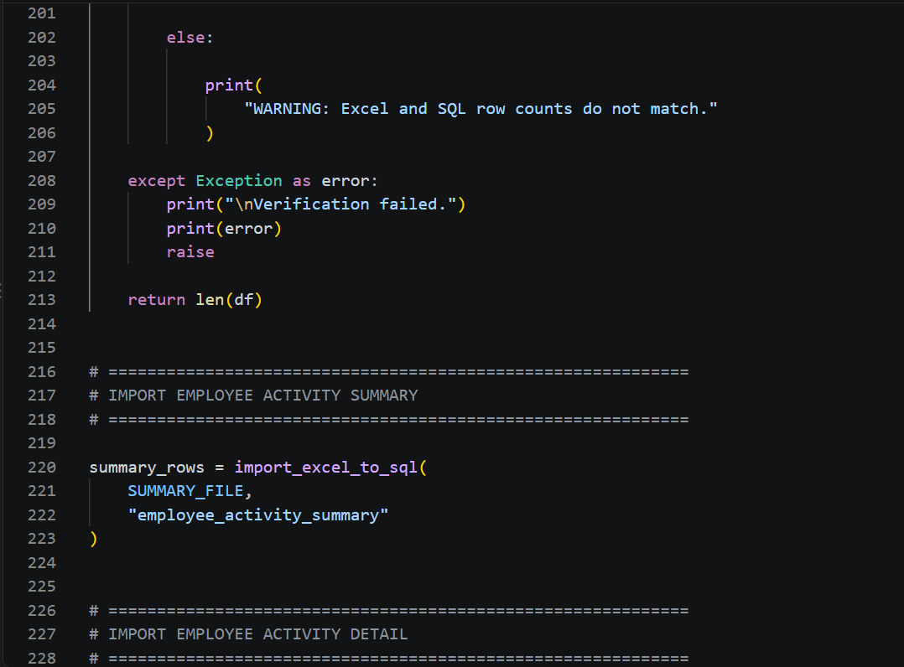
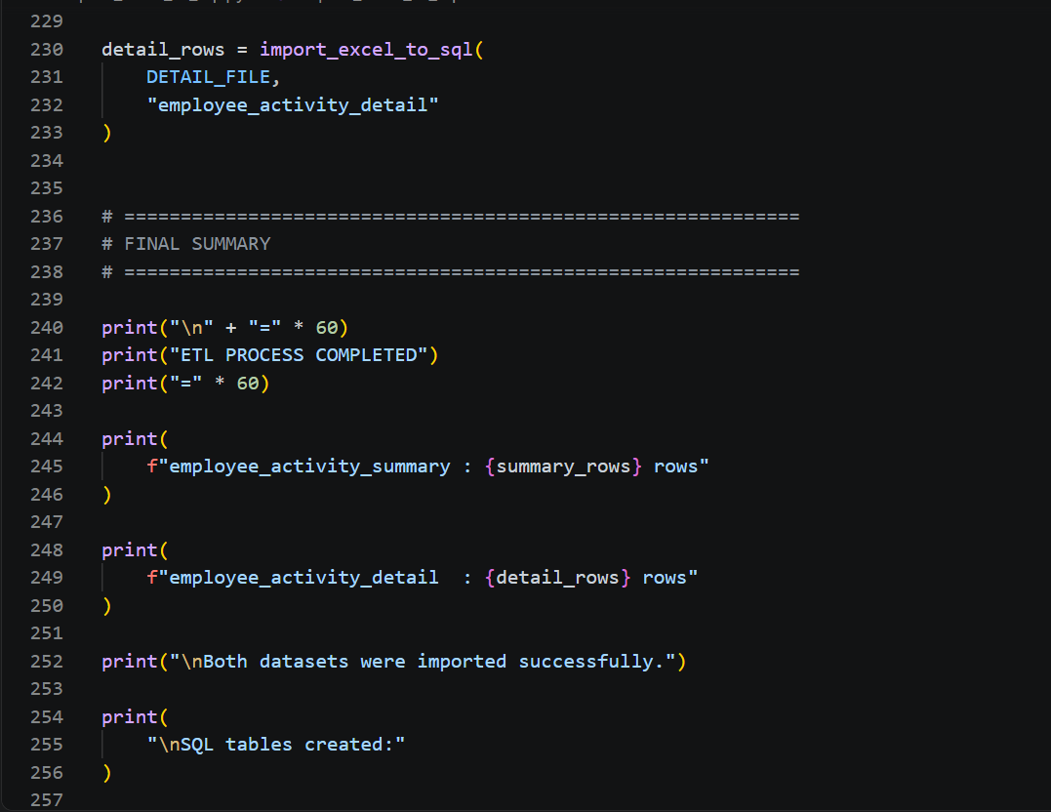
Python ETL Process | Execution Results

Purpose: Automate the extraction of Excel data and load it into SQL Server tables using Python, while validating source files, database connectivity, and import success.

SQL_Stored_Procedure
Stored Procedure Screenshot |  |  | Stored Procedure Source Code

 | Purpose: Transform raw business unit performance data into a clean reporting dataset for Power BI dashboards and KPI analysis.

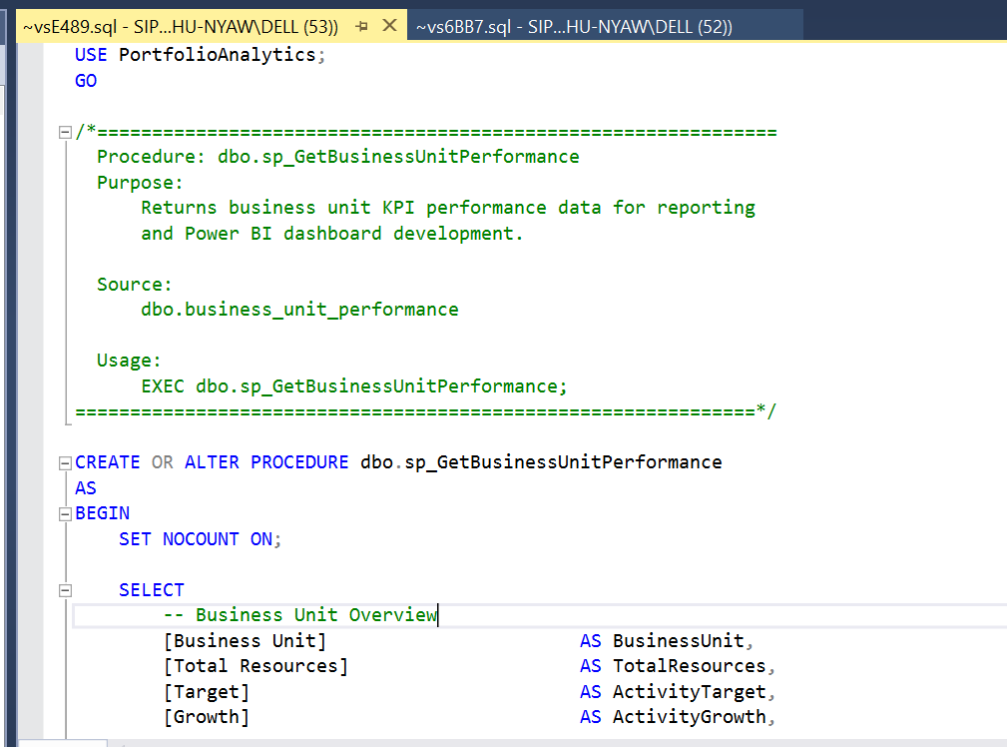
 |  | USE PortfolioAnalytics;
 |  | GO

 |  | /*==============================================================
 |  | Procedure: dbo.sp_GetBusinessUnitPerformance
 |  | Purpose:
 |  | Returns business unit KPI performance data for reporting
 |  | and Power BI dashboard development.

 |  | Source:
 |  | dbo.business_unit_performance

 |  | Usage:
 |  | EXEC dbo.sp_GetBusinessUnitPerformance;
 |  | ==============================================================*/

 |  | CREATE OR ALTER PROCEDURE dbo.sp_GetBusinessUnitPerformance
 |  | AS
 |  | BEGIN
 |  | SET NOCOUNT ON;

 |  | SELECT
 |  | -- Business Unit Overview
 |  | [Business Unit] AS BusinessUnit,
 |  | [Total Resources] AS TotalResources,
 |  | [Target] AS ActivityTarget,
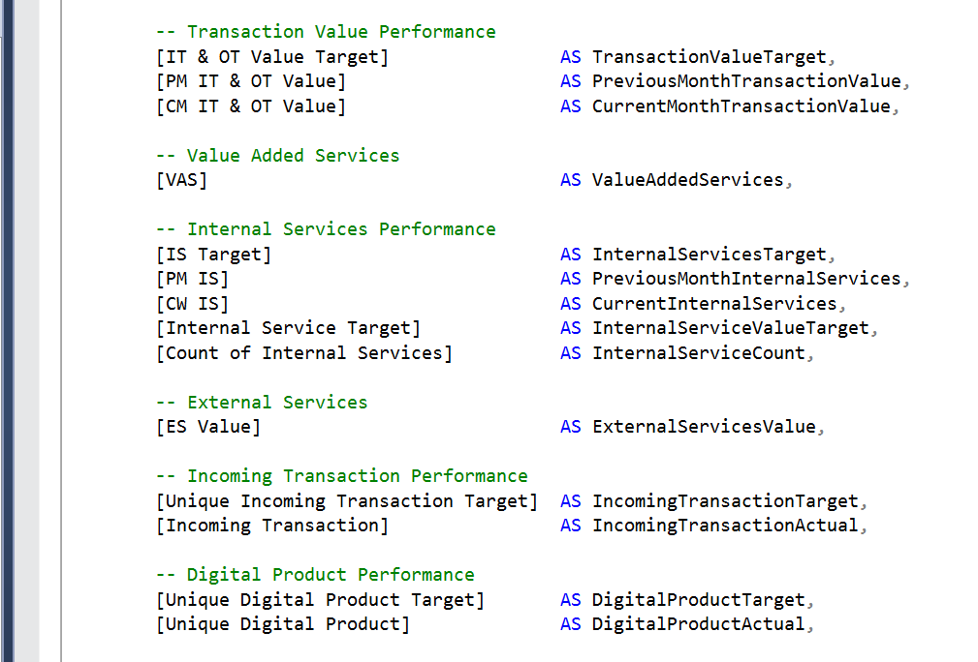
 |  | [Growth] AS ActivityGrowth,

 |  | -- Transaction Value Performance
 |  | [IT & OT Value Target] AS TransactionValueTarget,
 |  | [PM IT & OT Value] AS PreviousMonthTransactionValue,
 |  | [CM IT & OT Value] AS CurrentMonthTransactionValue,

 |  | -- Value Added Services
 |  | [VAS] AS ValueAddedServices,

 |  | -- Internal Services Performance
 |  | [IS Target] AS InternalServicesTarget,
 |  | [PM IS] AS PreviousMonthInternalServices,
 |  | [CW IS] AS CurrentInternalServices,
 |  | [Internal Service Target] AS InternalServiceValueTarget,
 |  | [Count of Internal Services] AS InternalServiceCount,

 |  | -- External Services
 |  | [ES Value] AS ExternalServicesValue,

 |  | -- Incoming Transaction Performance
 |  | [Unique Incoming Transaction Target] AS IncomingTransactionTarget,
 |  | [Incoming Transaction] AS IncomingTransactionActual,
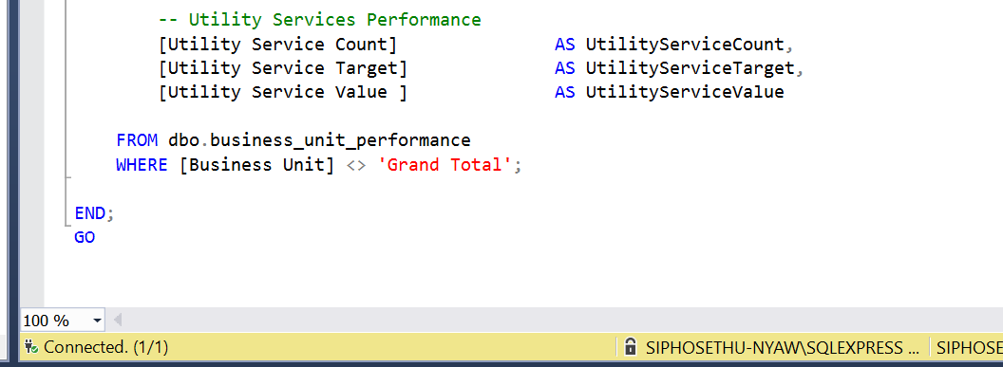
 |  | -- Digital Product Performance
 |  | [Unique Digital Product Target] AS DigitalProductTarget,
 |  | [Unique Digital Product] AS DigitalProductActual,

 |  | -- Utility Services Performance
 |  | [Utility Service Count] AS UtilityServiceCount,
 |  | [Utility Service Target] AS UtilityServiceTarget,
 |  | [Utility Service Value ] AS UtilityServiceValue

 |  | FROM dbo.business_unit_performance
 |  |  | WHERE [Business Unit] <> 'Grand Total';

 |  | END;
 |  | GO

