Help
Duration | Growing Habbit | Growth Rate | Lifespan | Fertility Requirement | Fruit/Seed Abundance | Propagated Methods | Seed Spread Rate | Seedling Vigor | Toxicity | productable | Palatable Animal | Palatable Human | Commercial Availability | soil Adaption | temperature Adaption | humid Adaption | Population Density
Annual | Forb/herb | Slow | Short | Low | None | Count of followings | None | Low | None | Count of followings | None | Yes | No known source | Low | Low | Low | Low
Biennial | Graminoid | Moderate | Moderate | Medium | Low | Bare Root | Slow | Medium | Slight | Berry/Nut/Seed | Low | No | Others | Medium | Medium | Medium | Medium
Perennial | Lichenous | Rapid | Long | High | Medium | Bulb | Moderate | High | Moderate | Christmas Tree | Moderate |  | 0 | High | High | High | High
 | Nonvascular |  |  |  | High | Container | Rapid |  | Severe | Fodder | High |  | 1
 | Subshrub |  |  |  |  | Corm |  |  |  | Lumber
 | Shrub |  |  |  |  | Cuttings |  |  |  | Naval Store
 | Tree |  |  |  |  | Seed |  |  |  | Nursery Stock
 | Vine |  |  |  |  | Sod |  |  |  | Post
 |  |  |  |  |  | Sprigs |  |  |  | Pulpwood
 |  |  |  |  |  | Tubers |  |  |  | Veneer
 |  |  |  |  |  | 0 |  |  |  | 0
 |  |  |  |  |  | 1 |  |  |  | 1
 |  |  |  |  |  | 2 |  |  |  | 2
 |  |  |  |  |  | 3 |  |  |  | 3
 |  |  |  |  |  | 4 |  |  |  | 4
 |  |  |  |  |  | 5 |  |  |  | 5
 |  |  |  |  |  | 6 |  |  |  | 6
 |  |  |  |  |  | 7 |  |  |  | 7
 |  |  |  |  |  | 8 |  |  |  | 8
 |  |  |  |  |  | 9 |  |  |  | 9

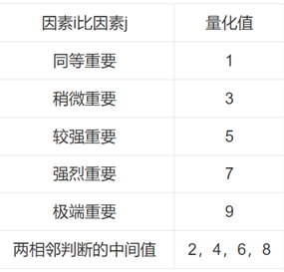

 |  |  |  |  | F | C
 |  |  |  |  | 45 | 7.2222222222
 |  |  |  |  | 75 | 23.888888889

