Trends
Row Labels | Sum of Total_orders
Sunday | 124
Monday | 121
Tuesday | 114
Wednesday | 113
Thursday | 105
Friday | 51
Saturday | 93
Grand Total | 721

Row Labels | Sum of Total_orders
11 AM | 39
12 PM | 92
1 PM | 87
2 PM | 53
3 PM | 48
4 PM | 66
5 PM | 90
6 PM | 61
7 PM | 65
8 PM | 59
9 PM | 38
10 PM | 22
11 PM | 1
Grand Total | 721

Sheet5
Row Labels | Sum of total_price
Chicken | 6493.75
Classic | 7641
Supreme | 6685.65
Veggie | 7172.75
Grand Total | 27993.15

Row Labels | Sum of total_price
Large | 13003.5
Larger | 408
Medium | 8398.5
Regular | 6183.15
Grand Total | 27993.15

Row Labels | Sum of quantity
Large | 657
Larger | 16
Medium | 527
Regular | 501
Grand Total | 1701

Sheet8
Row Labels | Sum of quantity
big_meat_s | 72
classic_dlx_m | 40
five_cheese_l | 48
four_cheese_l | 50
thai_ckn_l | 44
Grand Total | 254

Dashboard
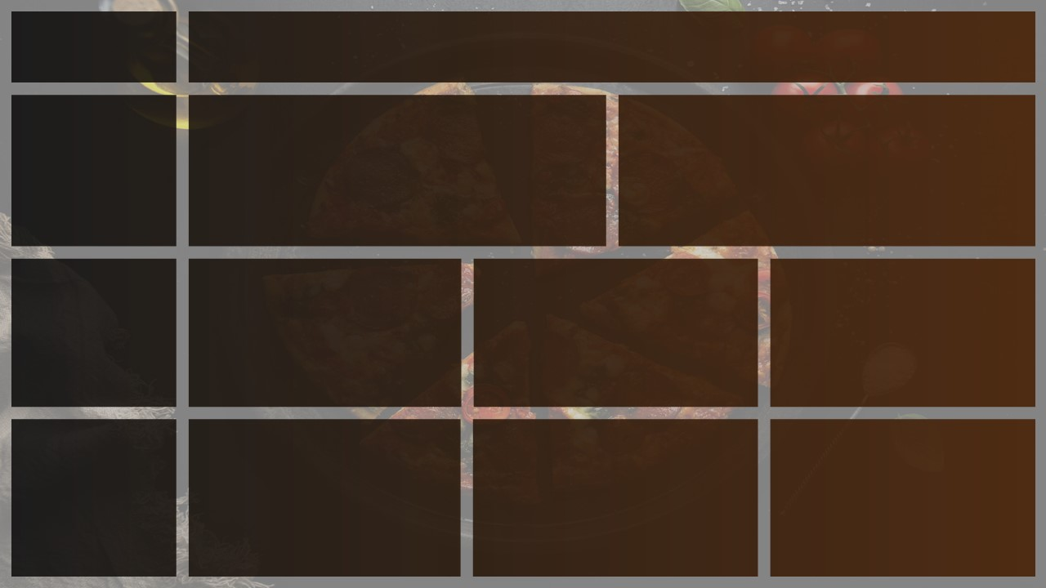
PIZZA
SALES
Total Revenue
Avg Order Value
Total Pizza Sold
Total Orders
Avg Order Per Pizza
₹ 27,993.15
₹ 38.83
721
1701
2.36

Busiest Days And Time
DAYS
Order are Highest on Wednesday/ Thursday TIME
There are Maximum orders from 12- 1 PM and after 5-6 PM
Daily Trend of Total Orders
Hourly Trend for total orders
 | Total
11 AM | 39
12 PM | 92
1 PM | 87
2 PM | 53
3 PM | 48
4 PM | 66
5 PM | 90
6 PM | 61
7 PM | 65
8 PM | 59
9 PM | 38
10 PM | 22
11 PM | 1
 | Total
Sunday | 124
Monday | 121
Tuesday | 114
Wednesday | 113
Thursday | 105
Friday | 51
Saturday | 93

Sales by Category & Size
DAYS
Order are Highest on Wednesday/ Thursday TIME
There are Maximum orders from 12- 1 PM and after 5-6 PM
 | Total
Chicken | 6493.75
Classic | 7641
Supreme | 6685.65
Veggie | 7172.75
 | Total
Large | 13003.5
Larger | 408
Medium | 8398.5
Regular | 6183.15
 | Total
Large | 657
Larger | 16
Medium | 527
Regular | 501

 | Total
big_meat_s | 72
classic_dlx_m | 40
five_cheese_l | 48
four_cheese_l | 50
thai_ckn_l | 44

