rev 11
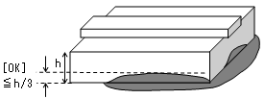
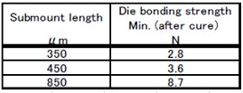
12
Checked
Doc No : SL-IP-001-00
Berlaku : 19 Nov 2001
Checked
Doc No : SL-IP-001-00
Berlaku : 19 Nov 2001
Checked
Revisi : 12
Berlaku : 11 Mei 2026
No. Dok : FF-D2-001
PT. FOXCONN TECHNOLOGIES INDONESIA
Production Engineering Department
Process Engineering Section
FRAME LASER 1.8t AND 1.3t
Production Process Control Sheet LD Die Bonding 2 Machine
(Frame Laser 1.8t dan 1.3t)
MACHINE No :
12
AG Paste Type :
No | Date | Shift/ Group /Operator | Model Name | Lot No. | Quantity |  |  | Time |  | Foregoing Result (40 pcs/lot), (OK : V, NG : X) |  |  |  |  |  | @ Die Bond Strength |  | Check SM-mark |  | # Check sebaran Ag Paste |  | # check ketebalan Ag Paste (nilai h) |  | **Disp. Air Pressure | **Disp. time | **Vacuum pressure
 |  |  |  |  | In | Out | NG | IN | OUT | SM chip |  | LD chip
 |  |  |  |  |  |  |  |  |  | Crack | Chipping | LD pos | Miss LD chip | Crack | Chipping | (2pcs/shift) |  | (2pcs/shift) |  | (2pcs/ Lot) |  | (2pcs/ Lot)
 |  |  |  |  |  |  |  |  |  |  |  |  |  |  |  | @ |  | OK : √ NG : X |  | OK : √ NG : X |  | OK : √ NG : X

 |  |  |  |  |  |  |  |  |  |  |  |  |  |  |  | 1st | 2nd | 1st | 2nd | 1st | 2nd | 1st | 2nd

 |  |  |  |  |  |  |  |  |  |  |  |  |  |  |  |  |  |  |  |  |  |  | r

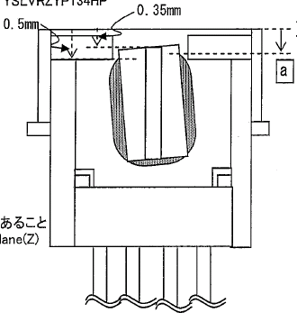
Red
# Cek Ketebalan AG Paste
- Ketebalan Ag Paste 1/3 dari tinggi SM
* Die Bond Strength
- mengacu ke jenis SM-chip
11
* Judgement Mark
- Tidak ada mark pada bagian AuSn SM chip
** Dispenser parameter
Dispense time, Dispenser vacuum pressure,
Dispense air pressure, disesuaikan hingga
mendapatkan Ag Paste yg standard
Ket : - @ Isi dengan angka hasil pengukuran
 | - Konversi : 100 centiNewton = 1 N
# Cek Kondisi Ag Paste model FL 1.8t/1.3t (YSLVRZYP134GP)
(Red Model)
- Sebaran Ag Paste harus 3 sisi area SM kecuali sisi emisi.
- Ag paste area “a“ harus berada antara 0.35mm ~ 0.5 mm dari Z direction
(Green Model)
- Sebaran Ag Paste harus 3 sisi area SM kecuali sisi emisi atau semua sisi.
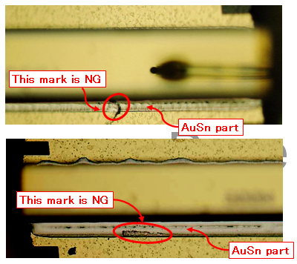
Green

