main
Create Test Cases for Login Page in Excel Sheet

Test Scenario | Create test-cases for successful and unsuccessful login, and any additional test-cases you might think it would be good to add. |  | Tester | Karol |  | Date | 2023-04-17

ID | Test Case | Pre-condition | Test Steps | Test Data | Expected Output | Post-condition | Actual Output | Status | Comments | Print Screen
Login_001 | Verification of Login Page with Valid Username and Password | Username and Password need to match for Log In | 1. Type correct Username 2. Type correct Password 3. Press on the Log In button | 1. Valid Username (login:Karol) 2. Valid Password (password:pwd) 3. Button clicked | Should have sucessful log in. (welcome message) | Dashboard is visible | Log In Successful | Fail | N/A | 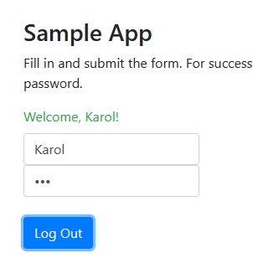
Login_002 | Verification of Login Page with Valid Username and invalid Password | Username and Password need to match for Log In | 1. Type correct Username or Email Address 2. Type incorrect Password 3. Press on the Log In button | 1. Valid Username (login:Karol) 2. Invalid Password (password: 123) 3. Button clicked | Should have lack of sucessful log in. ( Invalid username/password message) | Same Log In page appears | As expected | Pass | Same login "Karol" but password "123". Test passed correctly. | 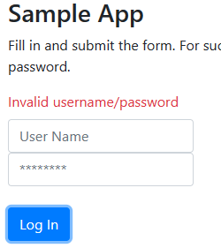
Login_003 | Verification of Login Page with Invalid Username and Valid Password | Username and Password need to match for Log In | 1. Type correct Username 2. Type correct Password 3. Press on the Log In button | 1. Invalid Username (login: Karolek) 2. Valid Password (password: pwd) 3. Button clicked | Should have sucessful log in. | Same Log In page appears | Log In Successful | Fail | Login "Karolek", password "pwd". As should be, login to system passed. | 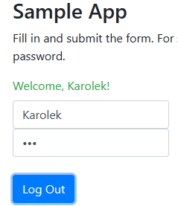
Login_004 | Verification of Login Page with non word Username and Valid Password | Username and Password need to match for Log In | 1. Type non word Username 2. Type correct Password 3. Press on the Log In button | 1. Non word Username (login: ///) 2. Valid Password (password: pwd) 3. Button clicked | Should have sucessful log in. | Same Log In page appears | Log In Successful | Pass | N/A | 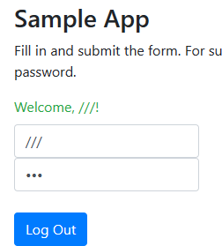
Login_005 | Verification of Login Page with Valid Username and empty field Password | Username and Password need to match for Log In | 1. Type correct Username 2. Empty field Password 3. Press on the Log In button | 1. Valid login. (login: Karol) 2. Empty field Password (password field is empty) 3. Button clicked | We should have an error, put login "Karol" but field password stay empty. Should cause message invalid login/password. | Same Log In page appears | As expected | Pass | N/A | 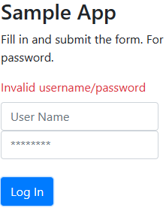
Login_006 | Verification that the password reveal button is working correctly | Button of visibility password should discover a password | 1. Type correct Username 2. Type correct Password 3. Press on the visibility button | 1. Valid Username (login: Karol) 2. Valid Password (password: pwd) 3. Button clicked | Password should be visible. | Visible password. | Visible password. | Pass | N/A | 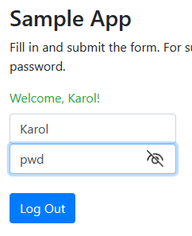
Login_007 | Verification that the Log In Button is working correctly | Button of Log In should allow us to log in or show incorrect login/password information | 1. Type correct/incorrect Username 2. Type correct/incorrect Password 3. Press on the Log In button | 1. Valid/Invalid Username (login: Karol/Karolek) 2. Valid/Invalid Password (pasword: pwd/123) 3. Button clicked | Log in by right/inappropriate login and password and receive Welcome/Invalid result. | Log In button work correctly. | As expected. | Pass | N/A | 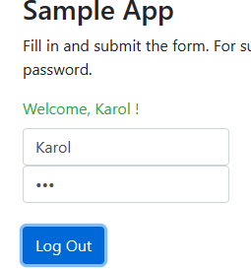
Login_008 | Verification of Log Out option. | We log in then try to log out. | 1. Log in. 2. Press on the Log Out Button. | 1. Valid Username (login: Karol) 2. Valid Password (password: pwd) 3. Button clicked | We could log out after we log in to the page. | Log out page appears | Log Out successful. | Pass | N/A | 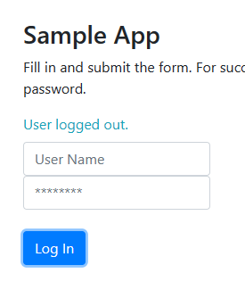
Login_009 | Verification that after reload page still log in the account. | Correct username/password and log in. Try to reload page to see that we still are log in. | a. Type correct Username/Password b. Press on the Log In button. c. Refresh/reload page. | 1. Valid Username.Passwod (Login: Karol, password: pwd) 2. Button clicked. 3. Refresh/reload page. | After refreshing/reloading page when we are log in status should stay Log In. | Stay in log in status. | Stay in log in status. | Fail | After refreshing/reloading page automaticaly we are log out. | 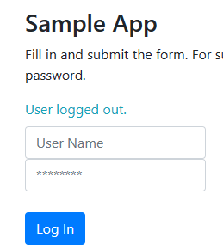
Login_010 | Verification for the maximum number of characters in the login field. | In field login should be any number of maximum numbers of characters. | 1. Type lots of characters in Login field. | 1.Put in login field "ddddddddddddddddddddd". | We have to had a limit of characters in this field. | Should be maximum of characters. | Around 10 characters. | Fail | We can put a lots of numbers of character in Login field. | 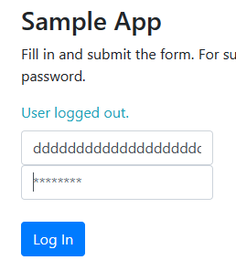
Login_011 | Verification for the maximum number of characters in the password field. | In field password should be any number of maximum numbers of characters. | 1. Type lots of characters in Password field. | 1.Put in password field "ddddddddddddddddddddd". | We have to had a limit of characters in this field. | Should be maximum of characters. | Around 10 characters. | Fail | We can put a lots of numbers of character in Password field. | 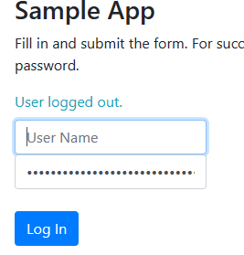
Login_012 | Verification of Log in by ENTER. | Username and Password need to match for Log In | 1. Type correct Username 2. Type correct Password 3. Press on Log In Button | 1. Valid Username ( login: Karol) 2. Valid Password (password: pwd) 3. Log In button pressed 3 times | Log In Successful by clicking ENTER. | No action. | ENTER doesnt work. | Fail | While we clicking on enter we dont log in. | 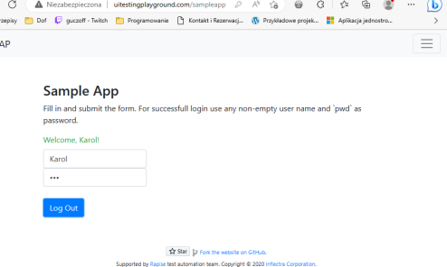 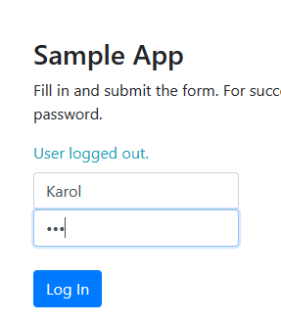

Obserwation
ID | Test Case | Pre-condition | Test Steps | Test Data | Expected Output | Post-condition | Actual Output | Status | Comments | Print Screen
Login_001 | Verification of Remember Me Button | Username and Password need to match for Log In | 1. Type correct Username 2. Type correct Password 3. Select Remember Me Checkbox 4. Press on Log In Button | 1. Valid Username (login: Karol) 2. Valid Password (password: pwd) 3. Log In button pressed | Log In and pop up "Remember Me" window. | Remember Me window should apper. | No Remember Me Option. | Fail | There is no Remember Me option.

