Instructions
Name:
1. Use the filters at the top to find the following:
Which of these has the highest in-state tuition? How much is it?
Which has the lowest in-state tuition? How much is it?
2. Select the pre-formatted table and create a blank pivot table
3. Add the following fields:
School
State
In-School Total Costs
Public/Private
4. Arrange these fields as follows:
FIlters: State, Public/Private
Rows: School
Values: In-State Total Costs
5. Adjust the filters at the top of the pivot table so that only private colleges from Minnesota are visible
6. Create a bar graph showing all of the MN private university tuitions
7. Adjust the filter to show all colleges (public and private) in Minnesota. Observe how the graph changes to reflect this.
8. Style the graph so that it looks better:
Get Rid of the Legend
Change the Title
Adjust the overall styling however you wish
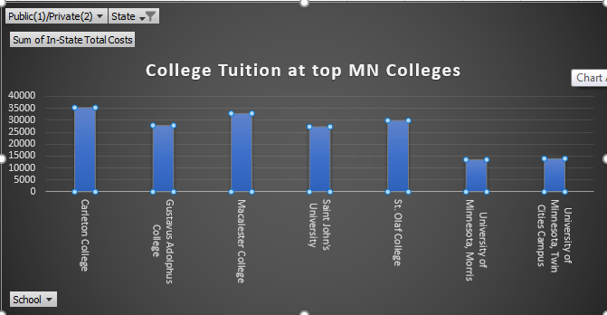
It should look something like this:

