Summary
 | Overall Strengths
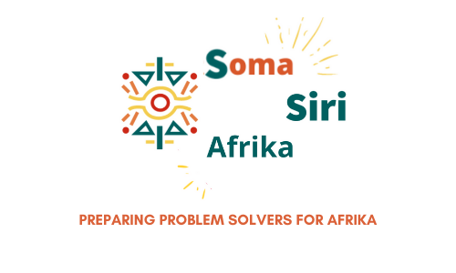 | Uwazi Assessment Report: Siri Solver – Unnita Wambui Unnita Wambui demonstrated a strong and versatile multiple intelligences profile during the 45-hour Uwazi assessment, supplemented by an additional 24 hours of enrichment through a Design Thinking for Innovation mini-course. Her results reveal notable strengths in interpersonal, intrapersonal, and visual-spatial intelligences. Her interpersonal intelligence stood out, with clear evidence of empathy, emotional intelligence, leadership, and collaboration. She also showcased a high level of intrapersonal intelligence, demonstrating self-awareness, reflective thinking, and a mature sense of purpose. In the visual-spatial domain, Unnita exhibited creative thinking, attention to detail, and spatial reasoning. Throughout the assessment, Unnita displayed a deep commitment to her learning journey and a sincere desire for clarity as she begins to make important decisions about her career and future. She approached each task with determination and curiosity, consistently seeking feedback and growth. In addition to the core Uwazi tasks, Unnita engaged in: ✅Digital skills training, including introductory Python coding, completing Augmented Reality (AR) and Virtual Reality (VR) tasks. ✅Designing a business plan and using Canva, Microsoft, and Google Workspace tools for communication, planning, and presentation. ✅Pitching an innovative solution to address the issue of river pollution, as part of a broader environmental challenge. ✅Completing and presenting a comprehensive capstone project that reflected her transdisciplinary learning experience. ✅Participating in Uwazi excursions to Apollo Science Park, Turi A Mumbi Art and Culture Gallery, and other hubs to deepen her exposure to real-world contexts. Unnita’s engagement across a wide range of tasks—covering logical-mathematical, musical, naturalistic, problem-solving, verbal-linguistic, and visual-spatial domains—illustrates her potential as a well-rounded problem sol

 |  | Career | Career | Related University Degrees (Kenya/Online) | Related TVET Courses (Kenya/Online) | School
 |  | Corporate Communications Director | Corporate Communications Director | Bachelor of Communication, Bachelor of Journalism, Master of Business Administration, Master of Strategic Communication, Master of Public Relations | Diploma in Mass Communication, Certificate in Journalism, Diploma in Public Relations | University of Nairobi, Kenya Institute of Mass Communication
 |  | Podcast Host | Podcast Host | Bachelor of Media Studies, Bachelor of Arts in Film and Media, Bachelor of Arts in Communication | Certificate in Radio Production, Diploma in Film and Television Production, Certificate in Digital Content Creation | Multimedia University of Kenya, Alison Online
 |  | Video Content Producer | Video Content Producer | Bachelor of Film Production, Bachelor of Arts in Digital Media, Bachelor of Arts in Multimedia, Bachelor of Arts in Animation | Diploma in Film and Television Production, Certificate in Video Editing, Diploma in Graphic Design | Kenyatta University, Africa Digital Media Institute
 |  | Crowdfunding Campaign Manager | Crowdfunding Campaign Manager | Bachelor of Business Management, Bachelor of Marketing, Bachelor of Project Management, Master of Entrepreneurship | Diploma in Business Management, Certificate in Entrepreneurship, Certificate in Digital Marketing | Strathmore University, Alison Online
 |  | Customer Engagement Specialist | Customer Engagement Specialist | Bachelor of Customer Service Management, Bachelor of Marketing, Bachelor of Business Administration | Diploma in Customer Service, Certificate in Sales and Marketing, Diploma in Business Management | Jomo Kenyatta University, ICS College
 |  | Digital Event Planner | Digital Event Planner | Bachelor of Event Management, Bachelor of Hospitality Management, Bachelor of Tourism Management | Diploma in Event Management, Certificate in Hospitality Operations, Diploma in Tourism and Travel Management | Technical University of Kenya, Kenya Utalii College
 |  | Social Impact Storyteller | Social Impact Storyteller | Bachelor of Development Studies, Bachelor of Sociology, Bachelor of Communication, Master of Arts in Social Change and Development | Diploma in Community Development, Certificate in Social Work, Diploma in Mass Communication | Daystar University, Alison Online
 |  | Multimedia Fundraising Coordinator | Multimedia Fundraising Coordinator | Bachelor of Marketing, Bachelor of Communication, Bachelor of Nonprofit Management, Master of Public Relations | Diploma in Marketing, Certificate in Fundraising, Diploma in Public Relations | United States International University-Africa, Graffins College
 |  | Interactive Storytelling Consultant | Interactive Storytelling Consultant | Bachelor of Arts in Digital Media, Bachelor of Arts in Interactive Media, Bachelor of Arts in Animation, Master of Digital Storytelling | Diploma in Multimedia, Certificate in Web Design, Diploma in Animation | Africa Nazarene University, Alison Online
 |  | Psychologist | Psychologist | Bachelor of Psychology, Master of Clinical Psychology, Doctorate in Psychology | Not typically offered as a TVET course (requires university-level study) | University of Nairobi
 |  | Counselor | Counselor | Bachelor of Counseling Psychology, Master of Counseling | Not typically offered as a TVET course (requires university-level study), but there might be Certificate level courses. | Daystar University
 |  | Human Resource Manager | Human Resource Manager | Bachelor of Human Resource Management, Master of Human Resource Management, Master of Business Administration (HR specialization) | Diploma in Human Resource Management, Certificate in Personnel Management, Diploma in Business Administration | Kenyatta University, ICS College
 |  | Social Worker | Social Worker | Bachelor of Social Work, Master of Social Work | Diploma in Social Work, Certificate in Community Development | University of Nairobi, Kenya Institute of Social Work
 |  | Team Builder | Team Builder | Bachelor of Leadership and Management, Bachelor of Organizational Psychology | Diploma in Leadership and Management, Certificate in Team Building and Motivation | Strathmore University, ICS College
 |  | Event Planner | Event Planner | Bachelor of Event Management, Bachelor of Hospitality Management | Diploma in Event Management, Certificate in Hospitality Operations | Technical University of Kenya, Kenya Utalii College
 |  | Digital Community Manager | Digital Community Manager | Bachelor of Marketing, Bachelor of Social Media Management, Bachelor of Communication | Diploma in Digital Marketing, Certificate in Social Media Management, Diploma in Mass Communication | Multimedia University of Kenya, Alison Online
 |  | Public Relations Specialist | Public Relations Specialist | Bachelor of Public Relations, Bachelor of Communication, Master of Public Relations | Diploma in Public Relations, Certificate in Media Relations, Diploma in Mass Communication | University of Nairobi, Kenya Institute of Mass Communication
 |  | Social Media Influencer | Social Media Influencer | Bachelor of Marketing, Bachelor of Digital Marketing, Bachelor of Communication | Diploma in Digital Marketing, Certificate in Social Media Management, Certificate in Content Creation | Jomo Kenyatta University, Alison Online
 |  | Content Marketing Strategist | Content Marketing Strategist | Bachelor of Marketing, Bachelor of Digital Marketing, Bachelor of Communication | Diploma in Digital Marketing, Certificate in Content Marketing, Diploma in Mass Communication | Strathmore University, Alison Online
 |  | Digital Campaign Coordinator | Digital Campaign Coordinator | Bachelor of Marketing, Bachelor of Digital Marketing, Bachelor of Communication | Diploma in Digital Marketing, Certificate in Digital Campaign Management, Diploma in Mass Communication | Daystar University, Alison Online
 |  | Brand Ambassador Manager | Brand Ambassador Manager | Bachelor of Marketing, Bachelor of Public Relations, Bachelor of Communication | Diploma in Marketing, Certificate in Sales and Marketing, Diploma in Public Relations | United States International University-Africa, ICS College

Task Scores
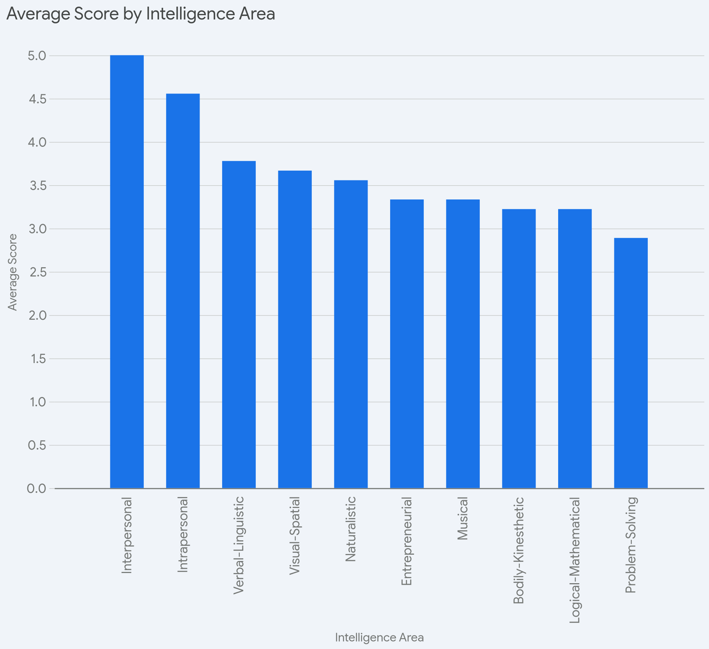
Intelligence Area | Element | Task | Difficulty | Score (out of 5) | Comments
Visual-Spatial | Visual-Spatial Element | 3D Spatial Skills | Moderate | 3 | Prefilled from Uwazi
Visual-Spatial | Visual-Spatial Element | Artistic Abilities | Moderate | 4 | Prefilled from Uwazi
Visual-Spatial | Visual-Spatial Element | Pattern Recognition | Moderate | 5 | Prefilled from Uwazi
Visual-Spatial | Visual-Spatial Element | Geometry Awareness | Moderate | 2 | Prefilled from Uwazi
Visual-Spatial | Visual-Spatial Element | Map Reading | Moderate | 3 | Prefilled from Uwazi
Visual-Spatial | Visual-Spatial Element | Symbol Use | Moderate | 4 | Prefilled from Uwazi
Visual-Spatial | Visual-Spatial Element | Puzzle Solving | Moderate | 4 | Prefilled from Uwazi
Visual-Spatial | Visual-Spatial Element | Perspective Drawing | Moderate | 3 | Prefilled from Uwazi
Visual-Spatial | Visual-Spatial Element | Visual Interpretation | Moderate | 5 | Prefilled from Uwazi
 |  |  |  | 33
Verbal-Linguistic | Verbal-Linguistic | Verbal-Linguistic | Verbal-Linguistic | 2 | Verbal-Linguistic
Verbal-Linguistic | Verbal-Linguistic | Verbal-Linguistic | Verbal-Linguistic | 3 | Verbal-Linguistic
Verbal-Linguistic | Verbal-Linguistic | Verbal-Linguistic | Verbal-Linguistic | 5 | Verbal-Linguistic
Verbal-Linguistic | Verbal-Linguistic | Verbal-Linguistic | Verbal-Linguistic | 3 | Verbal-Linguistic
Verbal-Linguistic | Verbal-Linguistic | Verbal-Linguistic | Verbal-Linguistic | 4 | Verbal-Linguistic
Verbal-Linguistic | Verbal-Linguistic | Verbal-Linguistic | Verbal-Linguistic | 3 | Verbal-Linguistic
Verbal-Linguistic | Verbal-Linguistic | Verbal-Linguistic | Verbal-Linguistic | 4 | Verbal-Linguistic
Verbal-Linguistic | Verbal-Linguistic | Verbal-Linguistic | Verbal-Linguistic | 5 | Verbal-Linguistic
Verbal-Linguistic | Verbal-Linguistic | Verbal-Linguistic | Verbal-Linguistic | 5 | Verbal-Linguistic
 |  |  |  | 34
Logical-Mathematical | Logical-Mathematical Element | Puzzle Enjoyment | Moderate | 4 | Prefilled from Uwazi
Logical-Mathematical | Logical-Mathematical Element | Numerical Analysis | Moderate | 3 | Prefilled from Uwazi
Logical-Mathematical | Logical-Mathematical Element | Inductive Reasoning | Moderate | 2 | Prefilled from Uwazi
Logical-Mathematical | Logical-Mathematical Element | Pattern Recognition | Moderate | 4 | Prefilled from Uwazi
Logical-Mathematical | Logical-Mathematical Element | Mathematical Operations | Moderate | 3 | Prefilled from Uwazi
Logical-Mathematical | Logical-Mathematical Element | Critical Thinking | Moderate | 4 | Prefilled from Uwazi
Logical-Mathematical | Logical-Mathematical Element | Abstract Reasoning | Moderate | 4 | Prefilled from Uwazi
Logical-Mathematical | Logical-Mathematical Element | Strategic Thinking | Moderate | 3 | Prefilled from Uwazi
Logical-Mathematical | Logical-Mathematical Element | Statistical Analysis | Moderate | 2 | Prefilled from Uwazi
 |  |  |  | 29
Bodily-Kinesthetic | Bodily-Kinesthetic Element | Creative Motion Expression | Moderate | 5 | Prefilled from Uwazi
Bodily-Kinesthetic | Bodily-Kinesthetic Element | Team Challenge | Moderate | 5 | Prefilled from Uwazi
Bodily-Kinesthetic | Bodily-Kinesthetic Element | Balance & Coordination | Moderate | 2 | Prefilled from Uwazi
Bodily-Kinesthetic | Bodily-Kinesthetic Element | Acrobatic Challenge | Moderate | 2 | Prefilled from Uwazi
Bodily-Kinesthetic | Bodily-Kinesthetic Element | Dexterity Challenge | Moderate | 3 | Prefilled from Uwazi
Bodily-Kinesthetic | Bodily-Kinesthetic Element | Reflex & Speed Test | Moderate | 2 | Prefilled from Uwazi
Bodily-Kinesthetic | Bodily-Kinesthetic Element | Physical Coordination | Moderate | 4 | Prefilled from Uwazi
Bodily-Kinesthetic | Bodily-Kinesthetic Element | Obstacle Navigation | Moderate | 3 | Prefilled from Uwazi
Bodily-Kinesthetic | Bodily-Kinesthetic Element | Movement Precision | Moderate | 3 | Prefilled from Uwazi
 |  |  |  | 29
Musical | Musical Element | Create a Sound Map | Moderate | 4 | Prefilled from Uwazi
Musical | Musical Element | Compose a Nature Beat | Moderate | 4 | Prefilled from Uwazi
Musical | Musical Element | Build a Wind Instrument | Moderate | 3 | Prefilled from Uwazi
Musical | Musical Element | Sound Pattern Challenge | Moderate | 3 | Prefilled from Uwazi
Musical | Musical Element | Drumming with Nature | Moderate | 4 | Prefilled from Uwazi
Musical | Musical Element | Nature Music Showcase | Moderate | 3 | Prefilled from Uwazi
Musical | Musical Element | Create a Nature Soundtrack | Moderate | 3 | Prefilled from Uwazi
Musical | Musical Element | Musical Patterns | Moderate | 3 | Prefilled from Uwazi
Musical | Musical Element | Melody Composition | Moderate | 3 | Prefilled from Uwazi
 |  |  |  | 30
Naturalistic | Naturalistic Element | Build Your Own Ecosystem | Moderate | 3 | Prefilled from Uwazi
Naturalistic | Naturalistic Element | Identify Flora & Fauna | Moderate | 3 | Prefilled from Uwazi
Naturalistic | Naturalistic Element | Sustainable Garden Design | Moderate | 5 | Prefilled from Uwazi
Naturalistic | Naturalistic Element | Egg Incubator Challenge | Moderate | 3 | Prefilled from Uwazi
Naturalistic | Naturalistic Element | Farm to Kitchen | Moderate | 3 | Prefilled from Uwazi
Naturalistic | Naturalistic Element | Visit a Farm or Forest | Moderate | 4 | Prefilled from Uwazi
Naturalistic | Naturalistic Element | Journal Your Discoveries | Moderate | 5 | Prefilled from Uwazi
Naturalistic | Naturalistic Element | Plant Growth Observation | Moderate | 3 | Prefilled from Uwazi
Naturalistic | Naturalistic Element | Nature Classification | Moderate | 3 | Prefilled from Uwazi
 |  |  |  | 32
Intrapersonal | Intrapersonal Element | Self-Reflection Journal | Moderate | 5 | Prefilled from Uwazi
Intrapersonal | Intrapersonal Element | Life Purpose Map | Moderate | 4 | Prefilled from Uwazi
Intrapersonal | Intrapersonal Element | Emotion Wheel | Moderate | 4 | Prefilled from Uwazi
Intrapersonal | Intrapersonal Element | Weekly Reflection Log | Moderate | 4 | Prefilled from Uwazi
Intrapersonal | Intrapersonal Element | Character Strengths Reflection | Moderate | 4 | Prefilled from Uwazi
Intrapersonal | Intrapersonal Element | Values Clarification | Moderate | 5 | Prefilled from Uwazi
Intrapersonal | Intrapersonal Element | Personal Timeline | Moderate | 5 | Prefilled from Uwazi
Intrapersonal | Intrapersonal Element | My Motivation Poster | Moderate | 5 | Prefilled from Uwazi
Intrapersonal | Intrapersonal Element | Mirror Affirmation | Moderate | 5 | Prefilled from Uwazi
 |  |  |  | 41
Interpersonal | Interpersonal Element | Team Role Assessment | Moderate | 5 | Prefilled from Uwazi
Interpersonal | Interpersonal Element | Active Listening Challenge | Moderate | 5 | Prefilled from Uwazi
Interpersonal | Interpersonal Element | Conflict Resolution Roleplay | Moderate | 5 | Prefilled from Uwazi
Interpersonal | Interpersonal Element | Empathy Circle | Moderate | 5 | Prefilled from Uwazi
Interpersonal | Interpersonal Element | Group Debate | Moderate | 5 | Prefilled from Uwazi
Interpersonal | Interpersonal Element | Trust Walk | Moderate | 5 | Prefilled from Uwazi
Interpersonal | Interpersonal Element | Leadership Simulation | Moderate | 5 | Prefilled from Uwazi
Interpersonal | Interpersonal Element | Peer Feedback Circle | Moderate | 5 | Prefilled from Uwazi
Interpersonal | Prefilled from Uwazi | Community Engagement Plan | Moderate | 5
 |  |  |  | 45
Entrepreneurial | Entrepreneurial Element | Idea Generation | Moderate | 3 | Prefilled from Uwazi
Entrepreneurial | Entrepreneurial Element | Solution Research | Moderate | 4 | Prefilled from Uwazi
Entrepreneurial | Entrepreneurial Element | Pitch Deck Creation | Moderate | 4 | Prefilled from Uwazi
Entrepreneurial | Entrepreneurial Element | Shark Tank Pitch | Moderate | 4 | Prefilled from Uwazi
Entrepreneurial | Entrepreneurial Element | User Journey Mapping | Moderate | 3 | Prefilled from Uwazi
Entrepreneurial | Entrepreneurial Element | Product Mockup | Moderate | 3 | Prefilled from Uwazi
Entrepreneurial | Entrepreneurial Element | Revenue Model Drafting | Moderate | 2 | Prefilled from Uwazi
Entrepreneurial | Entrepreneurial Element | Market Survey Analysis | Moderate | 3 | Prefilled from Uwazi
Entrepreneurial | Entrepreneurial Element | Innovation Showcase | Moderate | 4 | Prefilled from Uwazi
 |  |  |  | 30
Problem-Solving | Problem-Solving Element | Problem Identification | Moderate | 2 | Prefilled from Uwazi
Problem-Solving | Problem-Solving Element | Root Cause Analysis | Moderate | 3 | Prefilled from Uwazi
Problem-Solving | Problem-Solving Element | Real-World Simulation | Moderate | 2 | Prefilled from Uwazi
Problem-Solving | Problem-Solving Element | Case Study Challenge | Moderate | 4 | Prefilled from Uwazi
Problem-Solving | Problem-Solving Element | Design Thinking Board | Moderate | 4 | Prefilled from Uwazi
Problem-Solving | Problem-Solving Element | Problem-Solving Relay | Moderate | 3 | Prefilled from Uwazi
Problem-Solving | Problem-Solving Element | Challenge Cards | Moderate | 2 | Prefilled from Uwazi
Problem-Solving | Problem-Solving Element | Solution Ranking Matrix | Moderate | 3 | Prefilled from Uwazi
Problem-Solving | Problem-Solving Element | Impact Evaluation | Moderate | 3 | Prefilled from Uwazi
 |  |  |  | 26

Visual Charts
Intelligence & Domain Scores
Area | Student score
Visual-Spatial | 33
Verbal-Linguistic | 34
Logical-Mathematical | 29
Bodily-Kinesthetic | 29
Musical | 30
Naturalistic | 32
Intrapersonal | 45
Interpersonal | 45
Entrepreneurial | 30
Problem-Solving | 26
 | Student Score

Uwazi Spider Chart

