OOP
The primary purpose of OOP is to increase the flexibility and maintainability of the programs.

Static variables are called class variables
Static methods can access static data because both belong to the class.
Static methods cant access instance variables
Instance methods can access the static data

What is an Object |  | What is a Class | Abstract Class

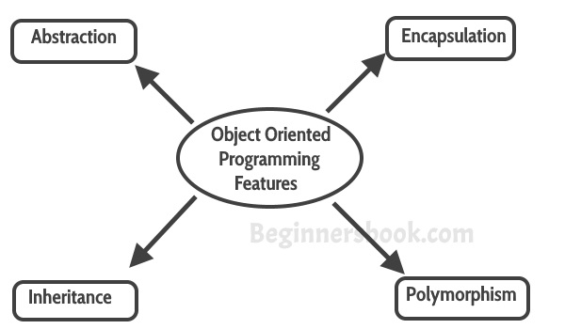
 |  | Class is the blueprint using which we can create as many number of objects as you like. | An abstract class outlines the method but not necessarily implement the methods.

 |  |  | Abstract Methods:
 |  | Object Oriented Programming features
Object is a budle of data and its behaviour known as methods. |  |  | 1. A method that is declared but not defined.
 |  |  | 2.Declared using the abstract keyword.
Objects have 2 characteristics: 1. States 2. Behaviours |  |  | 3. Example: abstract public void playInstrument();
 |  |  | 4. All the abstracts methods of the parent class are needed to be implemented if inherited by the child class.
Examples of states and behaviors Example 1: Object: House State: Address, Color, Area Behavior: Open door, close door | Example 2: Let’s take another example. Object: Car State: Color, Brand, Weight, Model Behavior: Break, Accelerate, Slow Down, Gear change. |  | 5. During inheritance, if the parent class is abstract, the child class should either be made abstract or it should implement all the abstract methods that are there in private class.
 |  |  | 6. The following cannot be abstract: Constructors Static methods Private methods Methods that are declared “final”
 |  | Abstraction
Characteristics of Objects: |  | Encapsulation
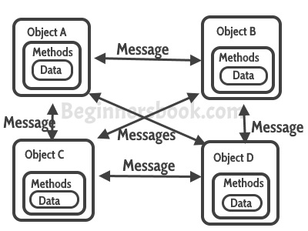
Abstraction Encapsulation Message passing |  | Inheritance
 |  | Polymorphism
Abstraction: Abstraction is a process where you show only “relevant” data and “hide” unnecessary details of an object from the user. |  | Abstraction: Abstraction is a process where you show only “relevant” data and “hide” unnecessary details of an object from the user. For example, when you login to your bank account online, you enter your user_id and password and press login, what happens when you press login, how the input data sent to server, how it gets verified is all abstracted away from the you.
Encapsulation: Encapsulation simply means binding object state(fields) and behaviour(methods) together. If you are creating class, you are doing encapsulation. |  | Encapsulation: Encapsulation simply means binding object state(fields) and behaviour(methods) together. If you are creating class, you are doing encapsulation.
Message passing A single object by itself may not be very useful. An application contains many objects. One object interacts with another object by invoking methods on that object. It is also referred to as Method Invocation. |  | Inheritance: The process by which one class aquires the properties and functionalities of another clas is called Inheritance. It provides the idea of reusability of the code. Parent class is called base class and the child class is called the sub class.
 |  | Note: Multi-level inheritance is allowed in Java but not multiple inheritance

14-Nested & Anonymus Classes
 |  |  |  | Additional notes
Static variables are called class variables
Static methods can access static data because both belong to the class.
Static methods cant access instance variables
Instance methods can access the static data
 |  | Introduction

 |  | Java offers the possibility to define one class within another class.
 |  | These are nested classes.

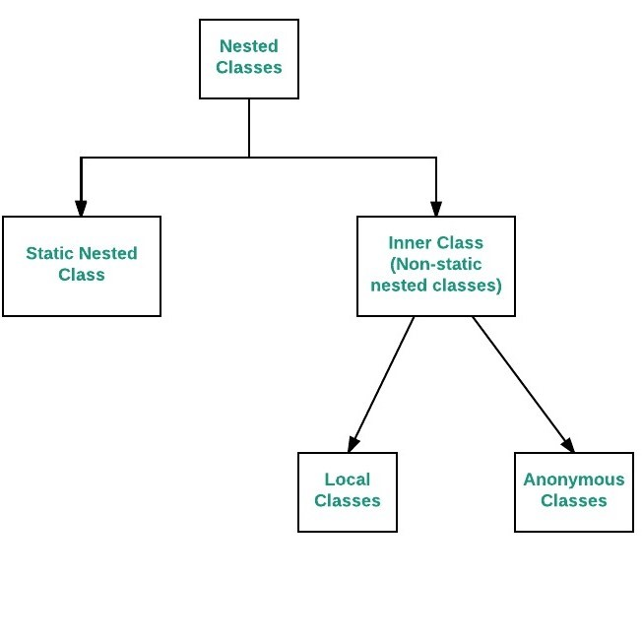
 |  | Types of Nested Classes
 | 1 | Ordinary Nested Classes | Gewone geneste klassen
 | 2 | Local Nested Classes | Lokale geneste klassen
 | 3 | Anonymus Nested Classed | Anonieme geneste klassen
 | 4 | Static Nested Classes | Statische geneste klassen

 |  | Ordinary Nested Class

 |  | Syntax

 |  | class OuterClass {
 |  | ….
 |  | class InnerClass {
 |  | …
 |  | }
 |  | …
 |  | }

 |  | OuterClass InnerClass.class
 | 1 | The nested class can only be used within the context of the nesting class. | Within the context
 | 2 | An object of the nesting class must exist for an object of the nested class | object
 | 3 | The data of the nested object is in the data of the nesting object. | data of object

 |  | We can create an object of nested class within the nesting class itself. | We can create an object of nested class ouside the nesting class

 |  | public class OuterClass { | OuterClass outer = new OuterClass();
 |  | public class innerClass { | OuterClass.InnerClass inner = outer.new InnerClass();
 |  | public void aMethod() {
 |  |  | Here, the data type of the nested class is also preceded by the data type of the nesting class
 |  | } | OuterClass.InnerClass
 |  | }
 |  | public void doSomething() {
 |  | InnerClass inner = new InnerClass();
 |  | inner.aMethod();
 |  | }
 |  | }

 |  | Keypoints of nested classes:

 | 1 | The nested classes has the access to all members of the nesting class, including the private.
 |  | This is usually the reason why people use nested classes.

 | 2 | If the this reference varaible is used in a nested class, it refers to the object of the nested class.

 | 3 | To make a reference to the object of the nesting class OuterClass.this is used.

 | 4 | Since nested classes are considered as the members of the nesting classes, one can use the following components:
 |  | …. Final
 |  | ….abstract
 |  | ….public|private|protected
 |  | …static

 | 5 | When the access modifiers are not public private & protected, then package applies here.

 | 6 | Note that a normal nested class never defined as private or as protected .

 |  | Local Nested Classes

 | 1 | A nested class can also be defined within a method. These are callled local nested classes. |  | Generally they are defined within the block, the block can be Method body, initalization block, for loop or a if loop.
 |  |  |  | Local Inner classes are not a member of any enclosing classes. They belong to the block they are defined within, due of which local inner classes cannot have any access modifiers associated with them.
 | 2 | An object of the local nested class can only be can only be authorized within this method. |  | However, they can be marked as final or abstract.

 | 3 | Also, the objects of the local nested class have only access to the constant(FINAL) local variables of the method in which the class is defined. |  | These class have access to the fields of the class enclosing it.
 |  |  |  | Local inner class must be instantiated in the block they are defined in.
 | 4 | The local variables do not necessarily be finalized, but they have to be unchangeable.
 |  |  |  | Rules of Local Inner Class:
 |  | public class OuterClass { |  | 1. The scope of local inner class is restricted to the block they are defined in.
 |  | public void method() { |  | 2. Local inner class cannot be instantiated from outside the block where it is created in.
 |  | final int CONST =5; |  | 3. Till JDK 7,Local inner class can access only final local variable of the enclosing block. However From JDK 8, it is possible to access the non-final local variable of enclosing block in local inner class.
 |  | int var = 7; |  | 4. A local class has access to the members of its enclosing class.
 |  | var =8; |  | 5. Local inner classes can extend an abstract class or can also implement an interface.
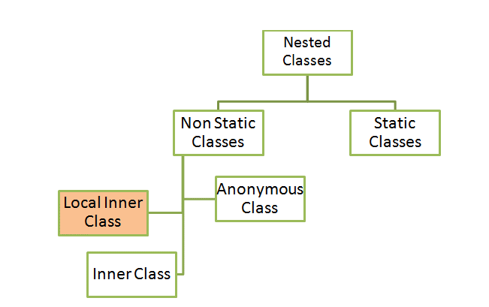
 |  | class LocalInnerClass {
 |  | ……
 |  | sout(CONST); // Ok
 |  | sout(var); //fout
 |  | …
 |  | }
 |  | LocalInnerClass inner = new LocalInnerClass();
 |  | }
 |  | }

 |  | The reason for this is that an object of the nested class, the method and its local varaibles may survive.

 |  | After the method has ended, the local variables exist no longer, but the objects of the local nested class will.

 |  | Ex: | Suppose the variable a is not a constant, then we would adjust a variable that actually no longer exists.
 |  | public class Outer {
 |  | public Object getInner(){ | If a is a constant, it is not a variable , and it becomes value stored elsewhere in memory.
 |  | int a=5;
 |  | class Inner {
 |  | public String toString() { | Local nested classes can be further defined as abstract or final.
 |  | //a ++; | The level of public access |private |protected are not allowed here.
 |  | return "Inner"+a;
 |  | }
 |  | }
 |  | return Inner();
 |  | }
 |  | }
 |  |  |  | Declaring a Local Inner class: A local inner class can be declared within a block. This block can be either a method body, initialization block, for loop or even an if statement.

 |  |  |  | Accessing Members
 |  |  |  | …. Access to the fileds of the class enclosing it. … variables or parameters of the block that encloses it , only if they are final or effectively final. … A variable whose value is unchanged is effectively final. …A local inner class defined inside a method body, have access to its parameters.

 |  |  |  | When a program containing a local inner class is compiled, the compiler generate two .class files, one for the outer class and the other for the inner class that has the reference to the outer class. The two files are named by compiler as: 1.Outer.class 2.Outer$1Inner.class

