Pivot Table
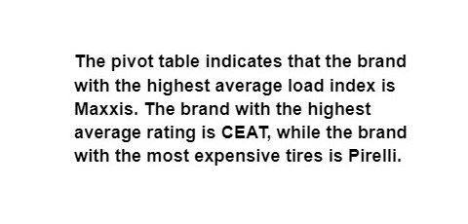

Charts
Scattered plot - Selling Price vs. Original Price
 | Original Price

What If
SCENARIO MANAGER

How can the Chief Procurement Officer of the automotive manufacturer optimize tire selection to achieve a profit margin of 70% while maintaining cost-effectiveness and performance quality across various car models, considering the current profit per tire of $4,745 and a profit margin of 59%?
Selling Price | $8,000
Original Price | $3,255

Profit Per Tyre | $4,745

Profit Margin | 59%

GOAL SEEK

How can the Chief Procurement Officer of the automotive manufacturer optimize the company's tire selection process to achieve a profit per tyre of $5,000, considering the current selling price of $8,000, original price of $3,255, and a profit margin of 59%?
Selling Price | $8,255
Original Price | $3,255

Profit Per Tyre | $5,000

Profit Margin | 61%

