CAPM
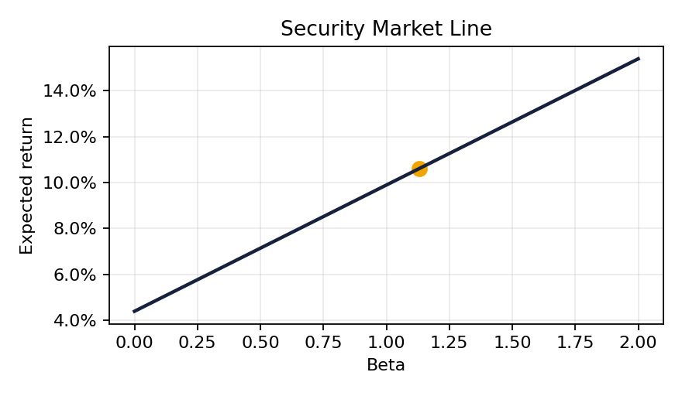
CAPM
Input | Value | Explanation
Risk-free rate | 4.39% | ^TNX as of 2026-05-07
Levered Beta |  | Damodaran industry beta re-levered to company D/E
Market Risk Premium | 5.50% | Damodaran recommendation: 5.5%
Cost of Equity |  | CAPM formula

WACC
Capital Structure
WACC
Component | Value | Explanation
Market cap (E) | 20,966.4 M EUR
Total debt (book value) | 5,184.0 M EUR | Book value used as proxy for market value of debt. Standard simplification when debt is short-term or trades close to par.
V = E + D
Equity weight = E/V
Debt weight = D/V
Cost of equity (Re)
Cost of debt (Rd) | 2.91%
Tax rate (T) | 27.64%
After-tax cost of debt
WACC

