Cover Page
Nutrient Management Plan

 | Company Name
 | Prepared For:
 | Customer Name
 | Mailing Address
 | City State Zip
 | Phone

 | Prepared By:
 | Planner Name
 | Mailing Address
 | City State Zip
 | Phone
 | Certification Code: |  | Cert. #
 |  | Total Acreage: | Total

The purpose of this Nutrient Management Plan is to ensure minimum movement of nitrogen and phosphorus from the specified area of application to surface and groundwaters where they can potentially have a detrimental effect on water quality as well as ensuring that plants have optimum soil nutrient availability for good productivity and quailty. By following this soil test based plan you are helping to protect local waters and the Chesapeake Bay.
If you have questions, please contact your plan writer, local Virginia Cooperative Extension Agent or the Department of Conservation and Recreation Nutrient Mangement Program.

Standards And Criteria
Standards and Criteria

Section VI. Turfgrass Nutrient Recommendations for Home Lawns, Office Parks,
Public Lands and Other Similar Residential/Commercial Grounds
Definitions
For the purposes of this section, the following definitions, as presented by the Association of American Plant Food Control Officials (AAPFCO), apply:
“Enhanced efficiency fertilizer” describes fertilizer products with characteristics that allow increased plant nutrient availability and reduce the potential of nutrient losses to the environment when compared to an appropriate reference product.
“Slow or controlled release fertilizer” means a fertilizer containing a plant nutrient in a form which delays its availability for plant uptake and use after application, or which extends its availability to the plant significantly longer than a reference “rapidly available nutrient fertilizer” such as ammonium nitrate, urea, ammonium phosphate or potassium chloride. A slow or controlled release fertilizer must contain a minimum of 15 percent slowly available forms of nitrogen.
“Water soluble nitrogen”, “WSN” and “readily available nitrogen” means: Water soluble nitrogen in either ammonical, urea, or nitrate form that does not have a controlled release, or slow response.
Recommended Season of Application For Nitrogen Fertilizers - Applies to all Turf
A nitrogen fertilization schedule weighted toward fall application is recommended and preferred for agronomic quality and persistence of cool season turfgrass; however, the acceptable window of applications is much wider than this for nutrient management. The nutrient management recommended application season for nitrogen fertilizers to cool season turfgrasses begins six weeks prior to the last spring average killing frost date and ends six weeks past the first fall average killing frost date (see Figures 6-1 & 6-2). Applications of nitrogen during the intervening late fall and winter period should be avoided due to higher potential leaching or runoff risk, but where necessary, apply no more than 0.5 pounds per 1,000 ft² of water soluble nitrogen within a 30 day period. Higher application rates may be used during this late fall and winter period by using materials containing slowly available sources of nitrogen, if the water soluble nitrogen contained in the fertilizer does not exceed the recommended maximum of 0.5 pounds per 1,000 ft² rate. Do not apply nitrogen or phosphorus fertilizers when the ground is frozen.
The acceptable nitrogen fertilizer application season for non-overseeded warm season turfgrass begins no earlier than the last spring average killing frost date and ends no later than one month prior to the first fall average killing frost date (see Figures 6-1 & 6-2).

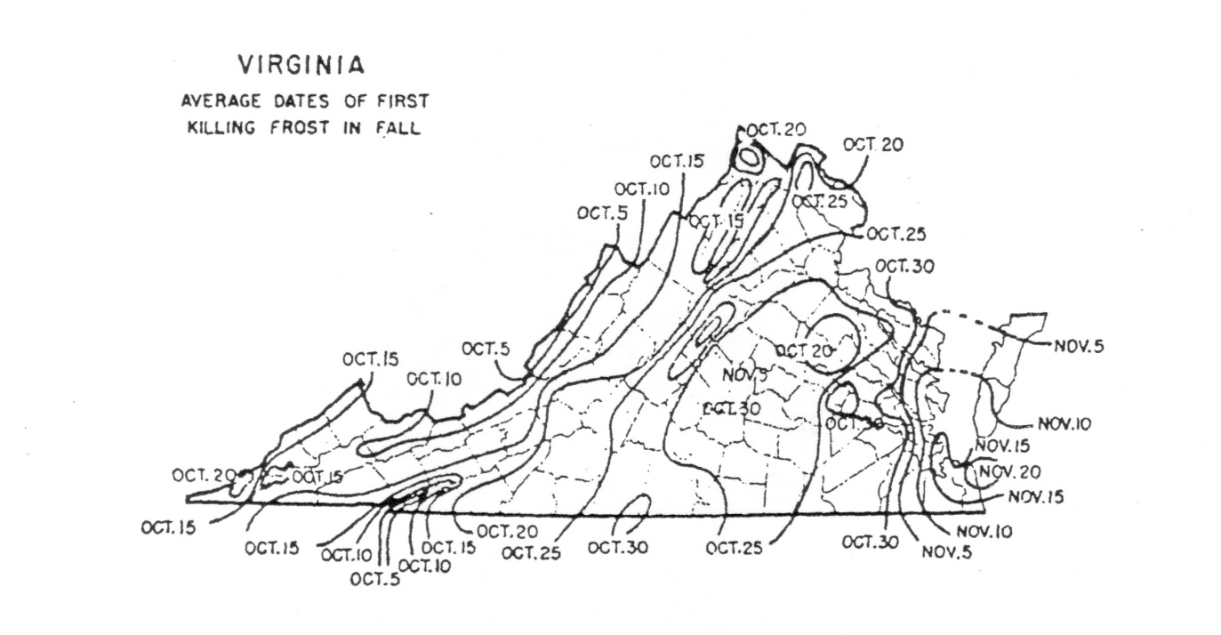

Per Application Rates
Do not apply more than 0.7 pounds of water soluble nitrogen per 1,000 ft² within a 30 day period. For cool season grasses, do not apply more than 0.9 pounds of total nitrogen per 1,000 ft² within a 30 day period. For warm season grasses, do not apply more than 1.0 pounds of total nitrogen per 1,000 ft² within a 30 day period. Lower per application rates of water soluble nitrogen sources or use of slowly available nitrogen sources should be utilized on very permeable sandy soils, shallow soils over fractured bedrock, or areas near water wells.
Annual Application Rates for Home Lawns and Commercial Turf
Up to 3.5 pounds per 1,000 ft² of nitrogen may be applied annually to cool season grass species or up to 4 pounds per 1,000 ft² may be applied annually to warm season grass species using 100 percent water soluble nitrogen sources. Lower rates of nitrogen application may be desirable on those mature stands of grasses that require less nitrogen for long-term quality. As a result, lower application rates will probably be more suited to the fine leaf fescues (hard fescue, chewings fescue, creeping red fescue, and sheep fescue) and non-overseeded zoysiagrass. Lower rates should also be used on less intensively managed areas.
Use of Slowly Available Forms of Nitrogen
For slow or controlled release fertilizer sources, or enhanced efficiency fertilizer sources, no more than 0.9 pounds of nitrogen per 1,000 ft² may be applied to cool season grasses within a 30 day period and no more than 1.0 pounds of nitrogen per 1,000 ft² may be applied to warm season grasses within a 30 day period.
Provided the fertilizer label guarantees that the product can be used in such a way that it will not release more than 0.7 pounds of nitrogen per 1,000 ft² in a 30 day period, no more than 2.5 pounds of nitrogen per 1,000 ft² may be applied in a single application. Additionally, total annual applications shall not exceed 80 percent of the annual nitrogen rates for cool or warm season grasses.
Phosphorus and Potassium Nutrient Needs (Established Turf)
Apply phosphorus (P₂O₅) and potassium (K₂O) fertilizers as indicated necessary by a soil test using the following guidelines:
* For the lower soil test level within a rating, use the higher side of the range and for higher soil test level
within a rating use the lower side of the recommendation range. (For example the recommendation for a
P₂O₅ soil test level of L- would be 3 pounds per 1,000 ft².)
Do not use high phosphorus ratio fertilizers such as 10-10-10 or 5-10-10, unless soil tests indicate phosphorus availability below the M+ level.

Recommendations for Establishment of Turf
These recommendations are for timely planted turfgrass, that is, the seed or vegetative material (sod, plugs, and /or sprigs), are planted at a time of the year when temperatures and moisture are adequate to maximize turfgrass establishment. These recommended establishment periods would be late summer to early fall for cool-season turfgrasses and late spring through mid-summer for warm-season turfgrasses.
Nitrogen Applications
At the time of establishment, apply no more than 0.9 pounds per 1,000 ft² of total nitrogen for cool season grasses or 1.0 pounds per 1,000 ft² of total nitrogen for warm season grasses, using a material containing slowly available forms of nitrogen, followed by one or two applications beginning 30 days after planting, not to exceed a total of 1.8 pounds per 1,000 ft² total for cool season grasses and 2.0 pounds per 1,000 ft² for warm season grasses for the establishment period. Applications of WSN cannot exceed more than 0.7 pounds per 1,000 ft² within a 30 day period.
Phosphorus and Potassium Recommendations for Establishment
* For the lower soil test level within a rating, use the higher side of the range and for higher soil test level within a rating use the lower side of the recommendation range.

