Cover Page
Nutrient Management Plan

 | Prepared For:
 | Golf Course Name
 | Superintendent's Name
 | Mailing Address
 | City, State. Zip
 | Phone
 | Email

 | Prepared By:
 | Planner Name
 | Mailing Address
 | City, State, Zip
 | Phone
 | Certification Code: |  |  | Cert. #
 | Email
 | Acreage

 | Total: |  | Total | Rough: | Rough
 | Greens: |  | Greens | Clubhouse Grounds: | Clubhouse Grounds
 | Tees: |  | Tees | Flower Beds: | Flower Beds
 | Fairways: |  | Fairways
 |  | County: |  | County
 |  | Watershed: |  | Watershed Code
 |  |  |  | Planner Signature
Plan Written: |  | Plan Start Date
Plan Expires: |  | Plan End Date
The purpose of this Nutrient Management Plan is to ensure minimum movement of nitrogen and phosphorus from the specified area of application to surface and groundwaters where they can potentially have a detrimental effect on water quality as well as ensuring that plants have optimum soil nutrient availability for good productivity and quailty. By following this soil test based plan you are helping to protect local waters and the Chesapeake Bay.
If you have questions, please contact your plan writer, local Virginia Cooperative Extension Agent or the Department of Conservation and Recreation Nutrient Management Program.

Standards And Criteria
Standards and Criteria

Section VI. Turfgrass Nutrient Recommendations for Home Lawns, Office Parks,
Public Lands and Other Similar Residential/Commercial Grounds
Definitions
For the purposes of this section, the following definitions, as presented by the Association of American Plant Food Control Officials (AAPFCO), apply:
“Enhanced efficiency fertilizer” describes fertilizer products with characteristics that allow increased plant nutrient availability and reduce the potential of nutrient losses to the environment when compared to an appropriate reference product.
“Slow or controlled release fertilizer” means a fertilizer containing a plant nutrient in a form which delays its availability for plant uptake and use after application, or which extends its availability to the plant significantly longer than a reference “rapidly available nutrient fertilizer” such as ammonium nitrate, urea, ammonium phosphate or potassium chloride. A slow or controlled release fertilizer must contain a minimum of 15 percent slowly available forms of nitrogen.
“Water soluble nitrogen”, “WSN” and “readily available nitrogen” means: Water soluble nitrogen in either ammonical, urea, or nitrate form that does not have a controlled release, or slow response.
Recommended Season of Application For Nitrogen Fertilizers - Applies to all Turf
A nitrogen fertilization schedule weighted toward fall application is recommended and preferred for agronomic quality and persistence of cool season turfgrass; however, the acceptable window of applications is much wider than this for nutrient management. The nutrient management recommended application season for nitrogen fertilizers to cool season turfgrasses begins six weeks prior to the last spring average killing frost date and ends six weeks past the first fall average killing frost date (see Figures 6-1 & 6-2). Applications of nitrogen during the intervening late fall and winter period should be avoided due to higher potential leaching or runoff risk, but where necessary, apply no more than 0.5 pounds per 1,000 ft² of water soluble nitrogen within a 30 day period. Higher application rates may be used during this late fall and winter period by using materials containing slowly available sources of nitrogen, if the water soluble nitrogen contained in the fertilizer does not exceed the recommended maximum of 0.5 pounds per 1,000 ft² rate. Do not apply nitrogen or phosphorus fertilizers when the ground is frozen.
The acceptable nitrogen fertilizer application season for non-overseeded warm season turfgrass begins no earlier than the last spring average killing frost date and ends no later than one month prior to the first fall average killing frost date (see Figures 6-1 & 6-2).

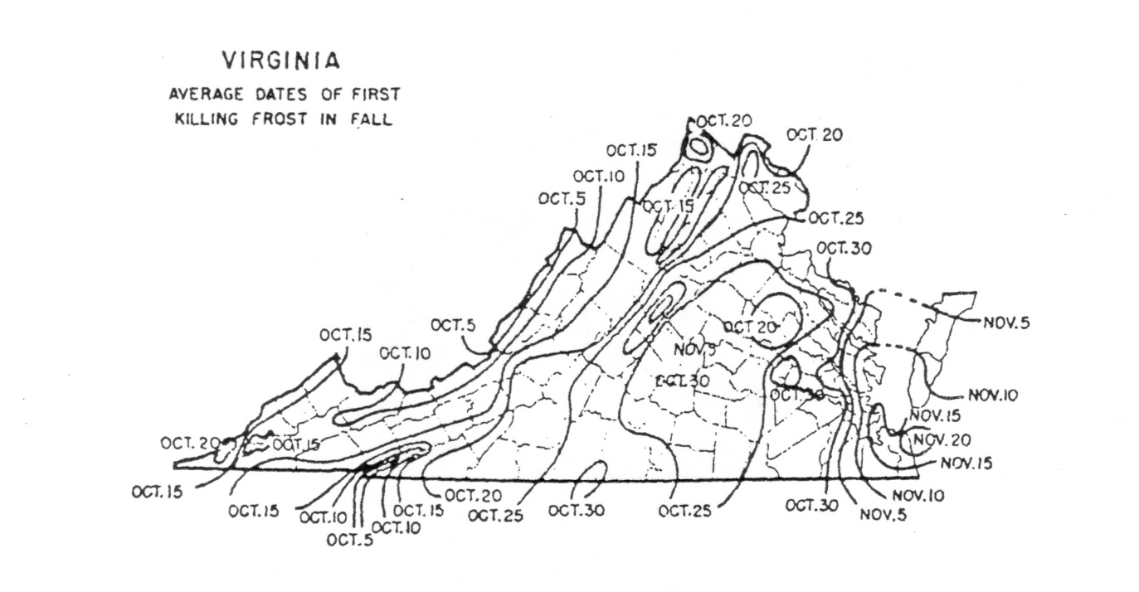

Per Application Rates
Do not apply more than 0.7 pounds of water soluble nitrogen per 1,000 ft² within a 30 day period. For cool season grasses, do not apply more than 0.9 pounds of total nitrogen per 1,000 ft² within a 30 day period. For warm season grasses, do not apply more than 1.0 pounds of total nitrogen per 1,000 ft² within a 30 day period. Lower per application rates of water soluble nitrogen sources or use of slowly available nitrogen sources should be utilized on very permeable sandy soils, shallow soils over fractured bedrock, or areas near water wells.
Annual Application Rates for Home Lawns and Commercial Turf
Up to 3.5 pounds per 1,000 ft² of nitrogen may be applied annually to cool season grass species or up to 4 pounds per 1,000 ft² may be applied annually to warm season grass species using 100 percent water soluble nitrogen sources. Lower rates of nitrogen application may be desirable on those mature stands of grasses that require less nitrogen for long-term quality. As a result, lower application rates will probably be more suited to the fine leaf fescues (hard fescue, chewings fescue, creeping red fescue, and sheep fescue) and non-overseeded zoysiagrass. Lower rates should also be used on less intensively managed areas.
Use of Slowly Available Forms of Nitrogen
For slow or controlled release fertilizer sources, or enhanced efficiency fertilizer sources, no more than 0.9 pounds of nitrogen per 1,000 ft² may be applied to cool season grasses within a 30 day period and no more than 1.0 pounds of nitrogen per 1,000 ft² may be applied to warm season grasses within a 30 day period.
Provided the fertilizer label guarantees that the product can be used in such a way that it will not release more than 0.7 pounds of nitrogen per 1,000 ft² in a 30 day period, no more than 2.5 pounds of nitrogen per 1,000 ft² may be applied in a single application. Additionally, total annual applications shall not exceed 80 percent of the annual nitrogen rates for cool or warm season grasses.
Phosphorus and Potassium Nutrient Needs (Established Turf)
Apply phosphorus (P₂O₅) and potassium (K₂O) fertilizers as indicated necessary by a soil test using the following guidelines:
* For the lower soil test level within a rating, use the higher side of the range and for higher soil test level
within a rating use the lower side of the recommendation range. (For example the recommendation for a
P₂O₅ soil test level of L- would be 3 pounds per 1,000 ft².)
Do not use high phosphorus ratio fertilizers such as 10-10-10 or 5-10-10, unless soil tests indicate phosphorus availability below the M+ level.

Recommendations for Establishment of Turf
These recommendations are for timely planted turfgrass, that is, the seed or vegetative material (sod, plugs, and /or sprigs), are planted at a time of the year when temperatures and moisture are adequate to maximize turfgrass establishment. These recommended establishment periods would be late summer to early fall for cool-season turfgrasses and late spring through mid-summer for warm-season turfgrasses.
Nitrogen Applications
At the time of establishment, apply no more than 0.9 pounds per 1,000 ft² of total nitrogen for cool season grasses or 1.0 pounds per 1,000 ft² of total nitrogen for warm season grasses, using a material containing slowly available forms of nitrogen, followed by one or two applications beginning 30 days after planting, not to exceed a total of 1.8 pounds per 1,000 ft² total for cool season grasses and 2.0 pounds per 1,000 ft² for warm season grasses for the establishment period. Applications of WSN cannot exceed more than 0.7 pounds per 1,000 ft² within a 30 day period.
Phosphorus and Potassium Recommendations for Establishment
* For the lower soil test level within a rating, use the higher side of the range and for higher soil test level within a rating use the lower side of the recommendation range.

Standards And Criteria (2)
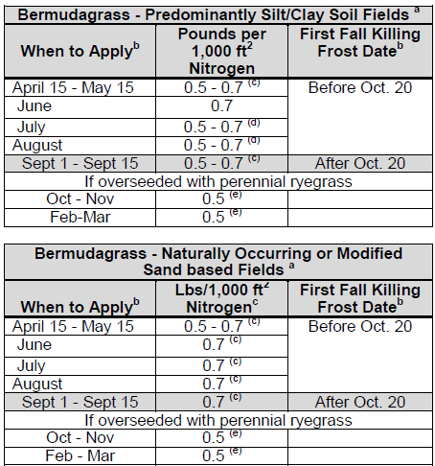
Standards and Criteria

Nutrient Recommendations for Golf Courses
Nitrogen Timing
The beginning and ending dates for application of nitrogen shall be determined using guidance and frost date maps contained in the Season of Application for Nitrogen section, Figures 6-1 and 6-2.
If the full rate or the highest rate of the recommendation range for a monthly application is applied in a single application, then the interval of application for nitrogen shall be at least 30 days to allow turf to utilize previous nitrogen applications. If several applications are to be made for the monthly nitrogen rate, then the timing of the applications shall be at approximately even intervals, with the rate per application to be evenly divided between each application with the total nitrogen applied not to exceed the maximum monthly rate. Use of Water Insoluble Nitrogen forms of Nitrogen is encouraged.
Fairways-Overseeding Warm Season Fairways
* For warm season grasses, up to 0.7 pounds of nitrogen per 1,000 ft² in a 30 day period may be applied in
the Fall after perennial ryegrass overseeding is well established. An additional nitrogen application of 0.7
pounds per 1,000 ft² may be made in February-March to overseeded perennial ryegrass if growth and color
indicate need. Applications using WSN may not exceed 0.7 pounds per 1,000 ft² within a 30 day period.
* Soluble nitrogen rates of 0.25 pounds per 1,000 ft² or less which may be a component of a pesticide or
minor element application, may be applied any time during the application windows described in
Recommended Season of Application for Nitrogen Fertilizers of this section, but must be considered with
the total annual nitrogen application rate.
(a) Use higher rates for intensively used turf where accelerated growth and/or rapid recovery are required,
use lower rates for maintenance of lesser used areas; do not exceed total annual nitrogen levels as
stated above.
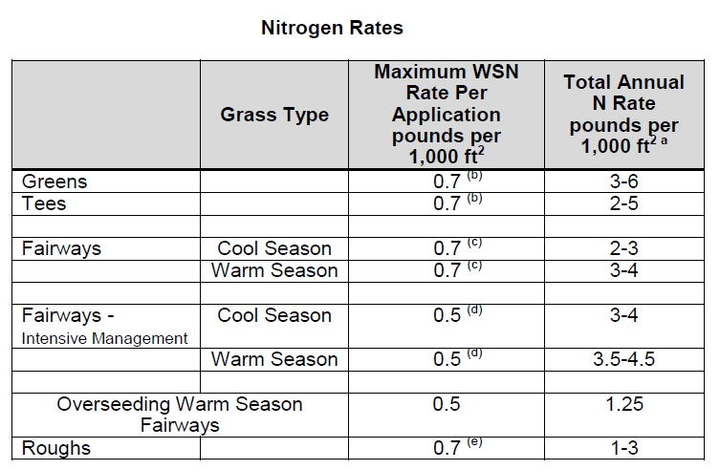

(b) Greens and Tees - Per application timing must be a minimum of 30 days between applications. A rate of
0.9 pounds per 1,000 ft²of total nitrogen may be applied for cool season grasses or 1.0 pounds per
1,000 ft² of total nitrogen may be applied for warm season grasses using a material containing slowly
available forms of nitrogen.
(c) Fairways-Normal Management (Non-Irrigated or Irrigated) - Per Application timing must be a minimum
of 30 days between applications. Total nitrogen application rates of 0.9 pounds per 1,000 ft² of total
nitrogen may be applied for cool season grasses or 1.0 pound per 1,000 ft² of total nitrogen may be
applied for warm season grasses using a material containing slowly available forms of nitrogen.
(d) Fairways-Intensive Management (Irrigated) - Per Application timing must be a minimum of 15 days
between applications. This option requires optimized timing of more frequent applications of nitrogen
with lesser rates per application. Alternatively, a maximum application rate of 0.9 pounds per 1,000 ft²
of total nitrogen for cool season grasses or 1.0 pounds per 1,000 ft² of total nitrogen for warm season
grasses using a material containing slowly available forms of nitrogen may be applied with a minimum
of 30 days between applications.
(e) Foliar fertilizer may be applied to warm season grasses within 30 days prior to the first killing frost in the
fall, at a rate not to exceed 0.1 pounds per 1,000 ft² of nitrogen per application. This application must be
accounted for in the total annual nitrogen rate.
Phosphorus and Potassium Recommendations for Established Golf Courses
Apply phosphorus (P₂O₅) and potassium (K₂O) fertilizers as indicated by a soil test using the following guidelines:
* For the lower soil test level within a rating, use the higher side of the range and for higher soil test level
within a rating use the lower side of the recommendation range.
* For irrigated turf grown on Naturally Occurring and Modified Sand Based soils only, up to 0.5 pounds of
P₂O₅ per 1,000 ft² may be applied, if needed, to aid in recovery of damaged turf during times of extreme
use. No phosphorus applications shall be made when the soil phosphorus test level is above 65%
saturation, based on the soil test phosphorus values and region as listed in Table 4-1 of Section IV.
* Avoid the general use of high phosphorus ratio fertilizers such as 10-10-10 or 5-10-10, unless soil tests
indicate phosphorus availability below the M+ level.

Nitrogen Management on Athletic Fields - Cool Season Grasses
* This program is intended for those fields which are under heavy use.
* Nitrogen recommendations are based on the assumption that there is adequate soil moisture to promote
good turf growth at the time of application. If no rainfall has occurred since the last application, further
applications should be delayed until significant soil moisture is available.
Notes:
* Soluble nitrogen rates of 0.25 pounds per 1,000 ft² or less which may be a component of a pesticide or
minor element application may be applied any time the turf is actively growing, but must be considered
with the total annual N application rate.
* WSN = water soluble nitrogen; WIN = water insoluble nitrogen
(a) Intensive managed areas must be irrigated.
(b) The beginning and ending dates for application of nitrogen shall be determined using guidance and
frost date maps contained in the preceding Season of Application for Nitrogen section, using Figures
6-1 and 6-2.
(c) Rates up to 0.9 pounds per 1,000 ft² of total nitrogen can be applied using a material containing slowly
available forms of nitrogen, with a minimum of 30 days between applications.
(d) Make this application only if turf use warrants additional N for sustaining desirable growth and /or
color.
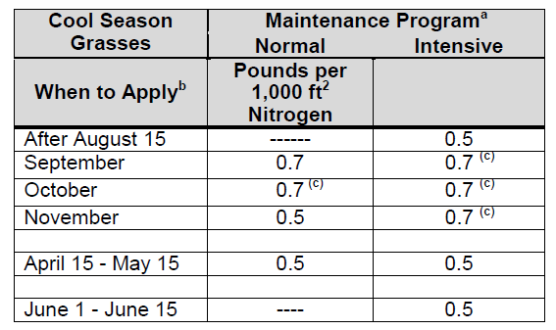

Nitrogen Management on Athletic Fields - Warm Season Grasses
The following comments apply to both Naturally Occurring or Modified Sand based Fields and Predominantly Silt/Clay Soil Fields:
* Annual nitrogen rates for warm season grasses shall not exceed 4 pounds in areas which have the average
first killing frost on or before October 20, and shall not exceed 5 pounds in areas which have the average
first killing frost after October 20 as shown in Figure 6-1. Nitrogen rates and timings for overseeding
warm season grasses are not included in these rates.
* April 15 - May 15 applications should not be made until after complete green-up of turf.
* Nitrogen applications June through August should be coordinated with anticipated rainfall if irrigation is
not available.
* Use the lower end of the ranges for non-irrigated fields and the higher end of the ranges should be used
on fields with irrigation.
* Nitrogen rates towards the higher end of the ranges may be applied on heavily used fields to accelerate
recovery, however per application and annual rates cannot be exceeded.
The following notes apply to both of the Bermudagrass tables above:
(a) In the Piedmont and the Ridge and Valley areas of Virginia, the existing native soil will normally be
comprised predominantly of clay and/or silt and these soils have inherently

Standards And Criteria (3)
Standards and Criteria

lower water infiltration and percolation rates and greater nutrient holding capacity. However, most
areas of the Coastal Plain have existing native soils that are predominantly sandy textured soils and
other facilities throughout the state may choose to install modified soil root zones that are
predominantly sand (>50%) in order to maximize drainage and reduce compaction tendency. If
subsurface drain tile surrounded by sand and/or gravel has been installed under the playing surface of
any of these fields, their nitrogen programs should be managed as predominantly sand-based systems
to minimize nutrient leaching.
(b) The beginning and ending dates for application of nitrogen shall be determined using guidance and frost
date maps contained in the Season of Application for Nitrogen section, Figures 6-1 and 6-2.
(c) WSN must be applied as two applications not to exceed 0.35 pounds per 1,000 ft² each with a minimum
of 15 days between applications. Alternatively, using a material that contains slowly available nitrogen
sources, split applications of 0.5 pounds per 1,000 ft² may be applied with a minimum of 15 days
between applications.
(d) If a material containing slowly available forms of nitrogen is used, rates up to 1.0 pounds of nitrogen per
1,000 ft2 may be applied in a single application with a minimum of 30 days between applications.
(e) For overseeded warm season grasses, an additional 0.7 pounds per 1,000ft² of WSN may be applied in
the Fall after the perennial ryegrass overseeding is well established. The WSN must be applied as two
applications not to exceed 0.35 pounds per 1,000 ft² of nitrogen each, with a minimum of 15 days
between applications. Additional WSN application of 0.5 pounds per 1,000 ft² may be made in February-
March to overseeded perennial ryegrass if growth and color indicate need. Alternatively, split
applications of 0.5 pounds of nitrogen per 1,000 ft² each with a minimum of 15 days between
applications may be applied using a material containing slowly available nitrogen sources.
Phosphorus and Potassium Recommendations Athletic Fields
Apply phosphorus (P₂O₅) and potassium (K₂O) fertilizers as indicated by a soil test using the following guidelines:
* For the lower soil test level within a rating, use the higher side of the range and for higher soil test level
within a rating use the lower side of the recommendation range.
* For irrigated turf grown on Naturally Occurring and Modified Sand Based soils only, up to 0.5 pounds of
P₂O₅ per 1,000 ft² may be applied, if needed, to aid in recovery of damaged turf during times of extreme
use. No phosphorus applications shall be made when the soil phosphorus test level is above 65%
saturation, based on the soil test phosphorus values and region as listed in Table 4-1 of Section IV.
* Avoid the general use of high phosphorus ratio fertilizers such as 10-10-10 or 5-10-10, unless soil tests
indicate phosphorus availability below the M+ level.

Establishment/Grow-In Recommendations for Golf Courses, Athletic Fields,
and Sod Production
(These rates replace normal maintenance fertilizer applications that would have occurred during these time periods.)
Warm Season Grasses:
Predominantly Silt/Clay Soils
* Plant Date - late May - June for sprigs, plugs, sod, or seeding.
* Apply P₂O₅ and K₂O as needed based on soil test recommendations, incorporate into the top 2 inches if
possible.
* At Planting - Up to 1.0 pounds of nitrogen per 1,000 ft² using a material containing slowly available forms
of nitrogen may be applied as one application or lesser amounts applied at regular intervals, through the
first 4 weeks, not to exceed a total of 1.0 pounds of nitrogen per 1,000 ft².
* Four weeks after planting - 0.25 pounds of WSN per 1,000 ft² per week for the next 4 weeks.
Naturally Occurring or Modified Sand Based Soils
* Plant Date - late May -June for sprigs, plugs, sod, or seeding.
* Apply P₂O₅ and K₂O as needed based on soil test recommendations, incorporate into the top 2 inches if possible.
* At Planting - Up to 1.0 pounds of nitrogen per 1,000 ft² using a material containing slowly available forms
of nitrogen may be applied as one application or lesser amounts applied at regular intervals, through the
first 4 weeks, not to exceed a total of 1.0 pounds of nitrogen per 1,000 ft².
* Four weeks after planting - 0.25 pounds per 1,000 ft² using a material containing slowly available forms of
nitrogen per week for the next 4 weeks.
Cool Season Grasses:
Predominantly Silt/Clay Soils
* Plant Date - August - September (preferred)
* Apply P₂O₅ and K₂O as needed based on soil test recommendations, incorporate into the top 2 inches if
possible.
* At Planting - up to 0.9 pounds of nitrogen per 1,000 ft² using a material containing slowly available forms
of nitrogen may be applied; 30 days after planting, apply up to 0.5 pounds of nitrogen per 1,000 ft² every
week for the next 4 weeks.
Naturally Occurring or Modified Sand Based Soils
* Plant Date - August -September (preferred)
* Apply P₂O₅ and K₂O as needed based on soil test recommendations, incorporate into the top 2 inches if
possible.
* At Planting - up to 0.9 lbs pounds of nitrogen per 1,000 ft² using a using a material containing slowly
available forms of nitrogen may be applied.
* Apply up to 0.25 pounds of nitrogen per 1,000 ft² per week after germination is complete, for the next 8
weeks. If using a material containing slowly available forms of nitrogen, up to 0.5 pounds of nitrogen per
1,000 ft² every two weeks may be applied after germination is complete for the next 8 weeks.

Sod Installations:
Site preparation should include a soil test, which can be done several months before the project begins in order to have time to get test results back. Phosphorus, potassium and lime applications should be based on soil test analysis to increase the likelihood of a successful installation. Shallow incorporation of material into the top 2 inches of the soil is preferred prior to sod installation, especially if lime is required.
No more than 0.7 pounds of nitrogen per 1,000 ft² of WSN may be applied before sod is installed. Alternatively, using a material with slowly available forms of nitrogen, 0.9 pounds of nitrogen per 1,000 ft² for cool season grasses or 1.0 pounds of nitrogen per 1,000 ft² for warm season grasses may be applied before sod is installed.
After installation apply adequate amounts of water to maintain sufficient soil moisture (i.e. to prevent visible wilt symptoms). Excessive water will limit initial root development. After roots begin to establish (as verified by lightly tugging on the sod pieces), shift irrigation strategy to a deep and infrequent program in order to encourage deep root growth. Apply approximately 1 inch of water per week (either by rainfall or irrigation), making sure that the water is being accepted by the soil profile without running off. This will insure thorough wetting of the soil profile.
After sod has completed rooting and is well established, initiate the normal nitrogen management program as described for the appropriate use shall be recommended.
Phosphorus and Potassium Recommendations for Establishment/Grow-In/Installation
* For the lower soil test level within a rating, use the higher side of the range and for higher soil test level
within a rating use the lower side of the recommendation range.

Other Turf Management Considerations for Golf Courses, Athletic fields,
and Home Lawns
Lime Recommendations
Lime should be recommended based on a soil test to maintain soil pH within an agronomic range for turfgrass.
For new seedings where lime is recommended, incorporate the lime into the topsoil for best results.
Returning Grass Clippings
Recycling of clippings on turf should be encouraged as an effective means of recycling nitrogen, phosphorus, and potassium. Proper mowing practices that ensure no more than 1/3 of the leaf blade is removed in any cutting event will enhance turf appearance and performance when clippings are returned. Return all leaf clippings from mowing events to the turf rather than discharging them onto sidewalks or streets. Rotary mulching mowers can further enhance clipping recycling by reducing the size of clippings being returned to the turfgrass canopy.
Management of Collected Clippings
If clippings are collected they should be disposed of properly. They may be composted or spread uniformly as a thin layer over other turf areas or areas where the nutrient content of the clippings can be recycled through actively growing plants. They should not be blown onto
impervious surfaces or surface waters, dumped down stormwater drains, or piled outside where rainwater will leach out the nutrients creating the potential for nutrient loss to the environment.
Use of Iron
Iron applications (particularly foliar applications) may periodically be used for enhanced greening as an alternative to nitrogen. These applications are most beneficial if applied in late spring through summer for cool season grasses and in late summer/fall applications for warm-season grasses.
Impervious Surfaces
Do not apply fertilizers containing nitrogen or phosphorus to impervious surfaces (sidewalks, streets, etc.). Remove any granular materials that land on impervious surfaces by sweeping and collecting, and either put the collected material back in the bag, or spread it onto the turf and /or using a leaf blower etc. to return the fertilizer back to the turfgrass canopy.

