Price Checker Example
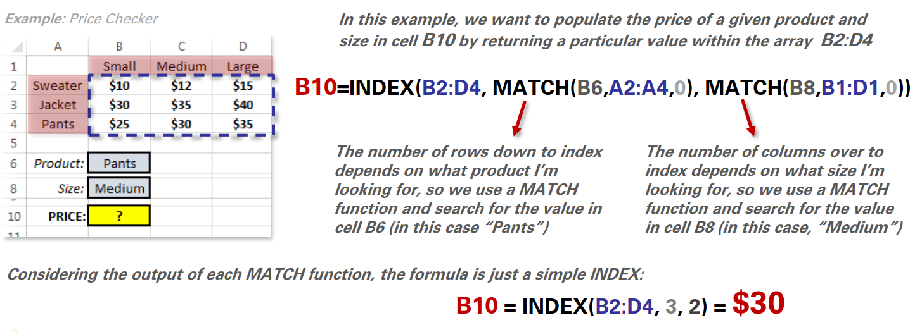
 | XSmall | Small | Medium | Large | XLarge
Socks | $4.00 | $4.25 | $4.50 | $4.75 | $5.00
Shorts | $12.00 | $12.50 | $13.00 | $13.50 | $14.00
Pants | $24.00 | $25.00 | $26.00 | $27.00 | $28.00
T-Shirt | $15.00 | $15.50 | $16.00 | $16.50 | $17.00
Sweater | $30.00 | $31.00 | $32.00 | $33.00 | $34.00

Product: | Size: |  | Price
Shorts | Medium | = | $13.00

 |  |  |  |  |  | NOTE
 |  |  |  |  |  | 1. make a dropdown list for product and size
 |  |  |  |  |  | 2. apply INDEX and MATCH

