Auditing Tools
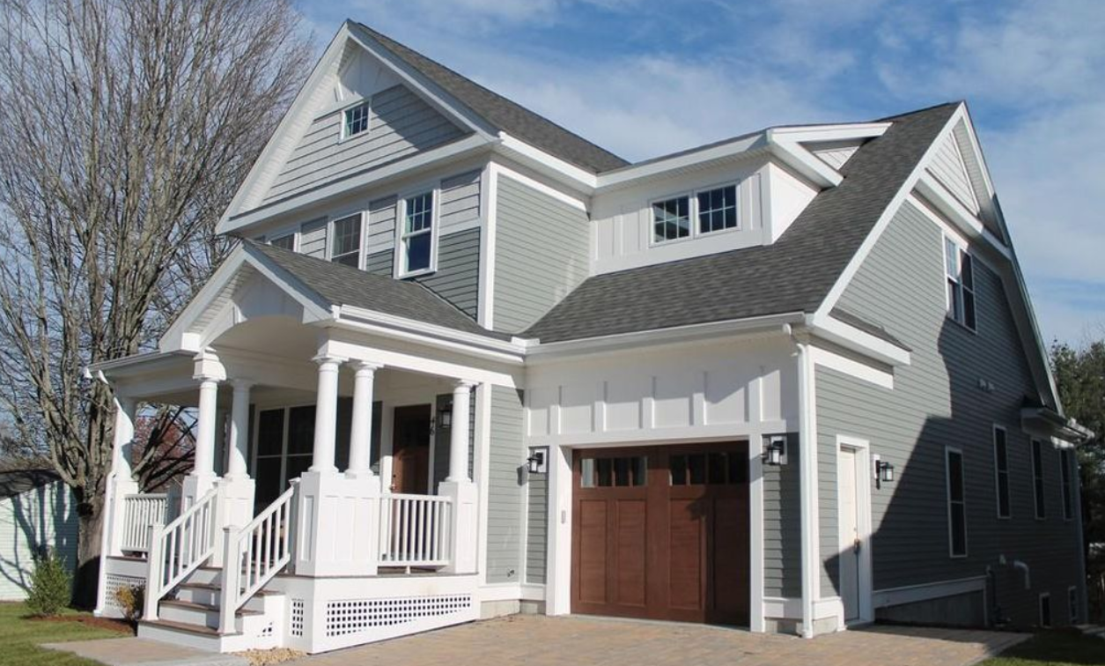
 |  |  |  |  |  |  | NOTE
 |  |  |  | PROPERTY COST |  | Cash to Close: | Click the cell> Formula Tab> Predecents or Dependents
 |  |  | 0 | Purchase Price | $499,000 | $109,780 | Cash to Close is retrieved from Purchase Price, DP, and Estimate Closing Costs
 |  |  |  | Tax Rate | $9.50 |  | Monthly Expense is obtained from H14-H17 calculation

 |  |  |  | LOAN COST
 |  |  |  | Down Payment % | 20%
 |  |  |  | Interest Rate | 4.50% | Monthly Expenses:
 |  |  |  | Term Length (yrs) | 30 | $2,768
PROPERTY DETAILS |  |  |  | Loan Amount | $399,200
 |  |  |  | Est. Closing Costs | $9,980
Address: | 63 Main St. | Zip Code: | 90210
MLS # | 72393006 | Year Built: | 2015 | MONTHLY EXPENSES
Beds/Baths: | 3 bed, 2 bath | Listing Date: | 2019-01-01 | Mortgage Costs | $2,023
 |  |  |  | Property Tax | $395
Notes: | Close to public park, walking distance to grocery store, town center and schools |  |  | Utilities | $150
 |  |  |  | Insurance | $200

Simple Programming
Month | Revenue | Cost | Profit | #N/A
Jan | $4,439 | $1,401 | $3,038
Feb | $4,199 | $2,300 | $1,899
Mar | $4,283 | $1,162 | $3,121
Apr | $4,102 | $1,846 | $2,256
May | $4,273 | $2,243 | $2,030
Jun | $5,737 | $2,377 | $3,360
Jul | $4,201 | $1,355 | $2,846
Aug | $6,372 | $2,132 | $4,240
Sep | $5,938 | $2,884 | $3,054
Oct | $6,392 | $2,612 | $3,780
Nov | $7,971 | $2,642 | $5,329
Dec | $7,088 | $1,984 | $5,104

Complex Programming
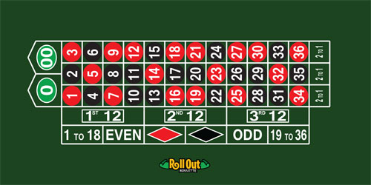
 |  |  |  |  |  |  | 4
 |  |  |  | PLACE YOUR BET!
 |  | 0 |  | Bet Placement: | 1st Column |  | 0
 |  |  |  | Bet Amount: | $10 |  | 0
 |  |  |  | Payout: | 2 to 1 |  | 0
 |  |  |  |  |  |  | 0
 |  |  |  | PRESS F9 TO SPIN |  |  | 1
 |  |  |  |  | Spin Result: | 1 | 0
 |  |  |  | 30 | -$10 |  | 0
 |  |  |  |  |  |  | 0
 |  |  |  |  |  |  | 0
 |  |  |  |  |  |  | 0
SIMULATION DATA |  | SIMULATION RESULTS: |  |  |  |  | 0
 | Result: | Total Gain/Loss: |  | +$20 |  |  | 0
Spin # | -$10 |  |  |  |  |  | 0
1 | -$10 |  |  |  |  |  | 0
2 | $20 | Total Spins: | 10 | Win Probability: | 40.0% |  | 0
3 | $20 | # Wins: | 4 | Avg Return: | $2.00 |  | 0
4 | -$10 | # Losses: | 6 | Largest Win: | $20.00 |  | 0
5 | -$10 |  |  |  |  |  | 0
6 | -$10 |  |  |  |  |  | 0
7 | $20 |  |  |  |  |  | 0
8 | $20 |  |  |  |  |  | 0
9 | -$10 |  |  |  |  |  | 0
10 | -$10 |  |  |  |  |  | 0
 |  |  |  |  |  |  | 0
 |  |  |  |  |  |  | 0
 |  |  |  |  |  |  | 0
 |  |  |  |  |  |  | 0
 |  |  |  |  |  |  | 0
 |  |  |  |  |  |  | 0
 |  |  |  |  |  |  | 0
 |  |  |  |  |  |  | 0
 |  |  |  |  |  |  | 0
 |  |  |  |  |  |  | 0
 |  |  |  |  |  |  | 0
 |  |  |  |  |  |  | 0
 |  |  |  |  |  |  | 0
 |  |  |  |  |  |  | 0
 |  |  |  |  |  |  | 1
 |  |  |  |  |  |  | 0
 |  |  |  |  |  |  | 0
 |  |  |  |  |  |  | 1
 |  |  |  |  |  |  | 0
 |  |  |  |  |  |  | 0
 |  |  |  |  |  |  | 1
 |  |  |  |  |  |  | 0
 |  |  |  |  |  |  | 1
 |  |  |  |  |  |  | 0
 |  |  |  |  |  |  | 0
 |  |  |  |  |  |  | 1

