Price Checker Example
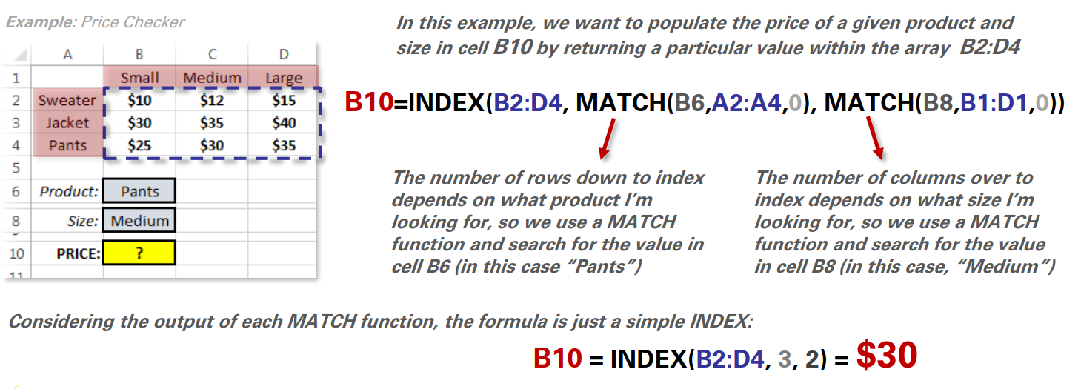
 | XSmall | Small | Medium | Large | XLarge
Socks | $4.00 | $4.25 | $4.50 | $4.75 | $5.00
Shorts | $12.00 | $12.50 | $13.00 | $13.50 | $14.00
Pants | $24.00 | $25.00 | $26.00 | $27.00 | $28.00
T-Shirt | $15.00 | $15.50 | $16.00 | $16.50 | $17.00
Sweater | $30.00 | $31.00 | $32.00 | $33.00 | $34.00

Product: | Size: |  | Price
Shorts | Medium | = | $13.00

 |  |  |  |  |  | NOTE
 |  |  |  |  |  | 1. make a dropdown list for product and size
 |  |  |  |  |  | 2. apply INDEX and MATCH

ScrollChart
 | Impressions
Jan | 1,696,583
Feb | 1,585,079
Mar | 584,486
Apr | 2,157,640
May | 4,236,023
Jun | 140,198
Jul | 299,678
Month | Impressions | Clicks
Jan | 1,696,583 | 26,183
Feb | 1,585,079 | 20,024
Mar | 584,486 | 20,564
Apr | 2,157,640 | 192,000
May | 4,236,023 | 40,629
Jun | 140,198 | 9,872
Jul | 299,678 | 8,006
Aug | 2,707,191 | 70,705
Sep | 6,891,138 | 22,617
Oct | 3,454,456 | 22,334
Nov | 3,345,678 | 35,771
Dec | 763,124 | 11,245

 | Scroll index: | 0
 | Zoom index: | 7

 |  |  | Scroll | scroll start at 0 as january, 1 as february, etc

 |  |  | Zoom

